CHL
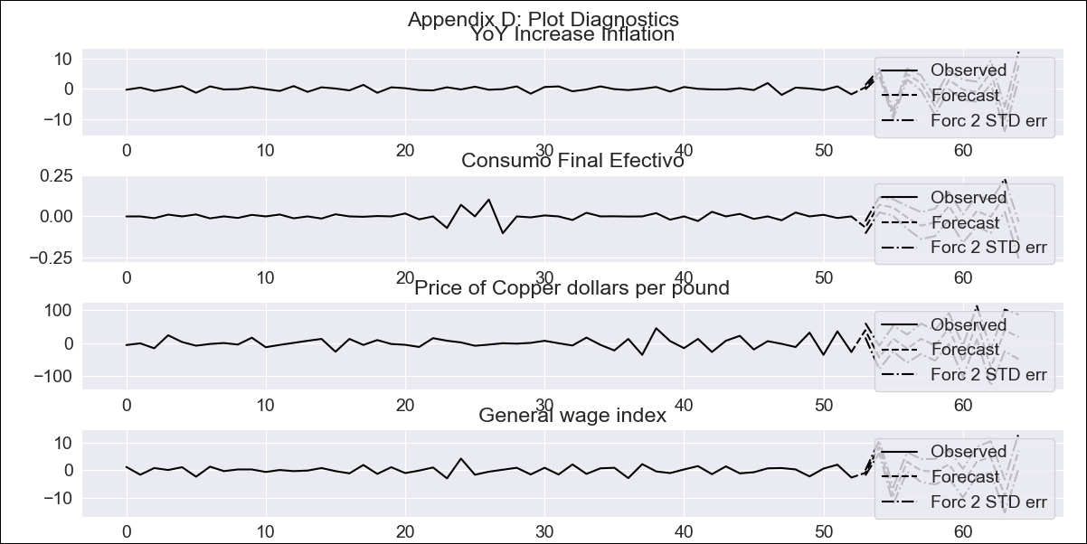
CHL - Inflation - Next 12 months forecast as of: 2023-09-01

Model | VAR - 8 | Exogenous Variables | Consumo Final Efectivo, Price of Copper dollars per pound, General wage index
Training Data | 2018-02-01 to 2022-10-01
Test Data | 2022-10-01 to 2023-09-01

Date | Inflation Change YoY % | Lower Bound - 95% Confidence Interval | Upper Bound - 95% Confidence Interval
2023-10-01 | -0.9 | 3.49 | 4.91
2023-11-01 | 3.78 | 7.68 | 11.48
2023-12-01 | 0.03 | -2.09 | 4.4
2024-01-01 | 1.14 | 0.97 | 11.05
2024-02-01 | 4.19 | 0.41 | 15.49
2024-03-01 | 1.57 | -8.18 | 12.74
2024-04-01 | 1.88 | -8.31 | 18.72
2024-05-01 | 1.92 | -11.81 | 21.7
2024-06-01 | 0.96 | -16.18 | 24.06
2024-07-01 | 5.45 | -14.52 | 33.29
2024-08-01 | 0 | -28.5 | 27.4
2024-09-01 | 2.23 | -25.35 | 39.61

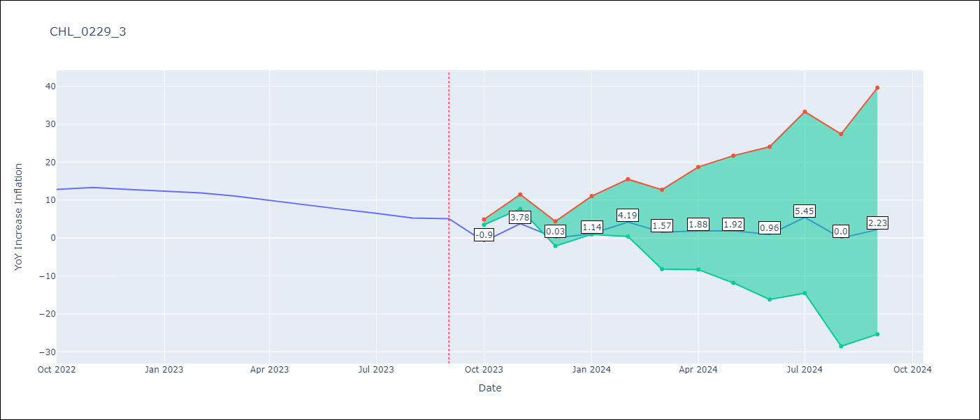

Test Metrics
RMSE | 12.55
Naive RMSE | 0.87
MAPE | 146.16%

Test Predictions
Date | Predicted | Actual
2022-10-01 | 1.1 | 12.8
2022-11-01 | 7.98 | 13.3
2022-12-01 | 6.43 | 12.8
2023-01-01 | 9.74 | 12.3
2023-02-01 | 14.99 | 11.9
2023-03-01 | 14.57 | 11.1
2023-04-01 | 17.08 | 9.9
2023-05-01 | 19.32 | 8.7
2023-06-01 | 20.56 | 7.6
2023-07-01 | 27.25 | 6.5
2023-08-01 | 24 | 5.3
2023-09-01 | 28.43 | 5.1

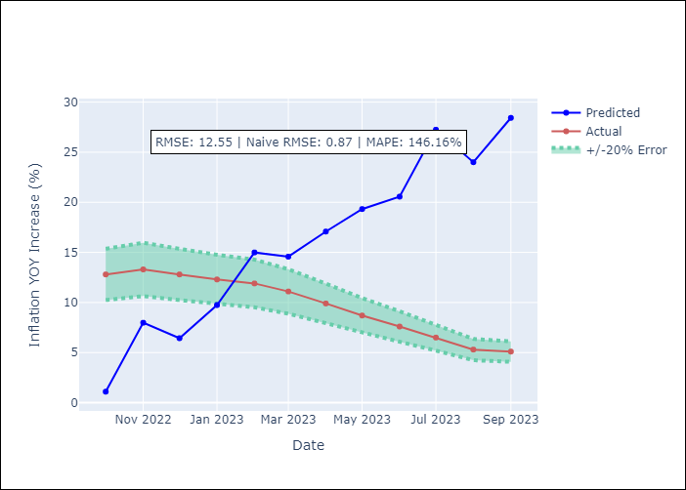

Appendix A: Model Summary
Model | VAR - 8
Sample | 2018-02-01 to 2023-09-01
No. of Observations | 68
Terms | P-value (Statistical significance)
L1.YoY Increase Inflation | 1.2809376807E-08
L1.Consumo Final Efectivo | 0.76857074882
L1.Price of Copper dollars per pound | 0.22540982981
L1.General wage index | 0.20323918062
L2.YoY Increase Inflation | 0.00072987415028
L2.Consumo Final Efectivo | 0.016925265982
L2.Price of Copper dollars per pound | 0.68079280712
L2.General wage index | 0.094490936224
L3.YoY Increase Inflation | 0.11612141572
L3.Consumo Final Efectivo | 0.84804593868
L3.Price of Copper dollars per pound | 0.10441755016
L3.General wage index | 0.33638567117
L4.YoY Increase Inflation | 0.13153656873
L4.Consumo Final Efectivo | 0.5831174729
L4.Price of Copper dollars per pound | 0.66428995954
L4.General wage index | 0.40155350043
L5.YoY Increase Inflation | 0.0093186265082
L5.Consumo Final Efectivo | 0.10046783534
L5.Price of Copper dollars per pound | 0.38052104567
L5.General wage index | 0.71337568822
L6.YoY Increase Inflation | 0.00018896905307
L6.Consumo Final Efectivo | 0.41365448695
L6.Price of Copper dollars per pound | 0.53828248718
L6.General wage index | 0.89287445859
L7.YoY Increase Inflation | 6.4725760055E-07
L7.Consumo Final Efectivo | 0.41074532367
L7.Price of Copper dollars per pound | 0.11418192245
L7.General wage index | 0.53199298877
L8.YoY Increase Inflation | 0.00079920546438
L8.Consumo Final Efectivo | 0.10395500001
L8.Price of Copper dollars per pound | 0.59909803094
L8.General wage index | 0.10868398832
Assumptions | P-value
Test Whiteness | Conclusion: reject H_0 - H_0: residual autocorrelation up to lag 10 is zero
Test Normality | Conclusion: fail to reject H_0 - H_0: data generated by normally-distributed process

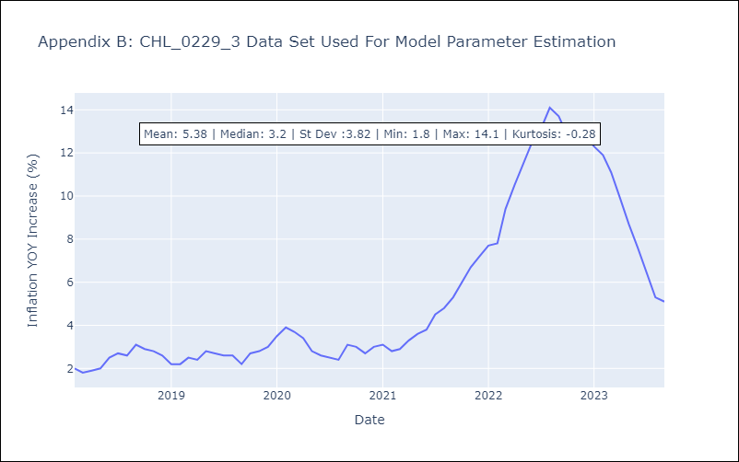

Appendix C: Residuals Analysis
Mean | -0.0
Durbin-Watson | [1.45017738 1.42313457 2.12081083 1.50800861]
Normal? | No

