CHL
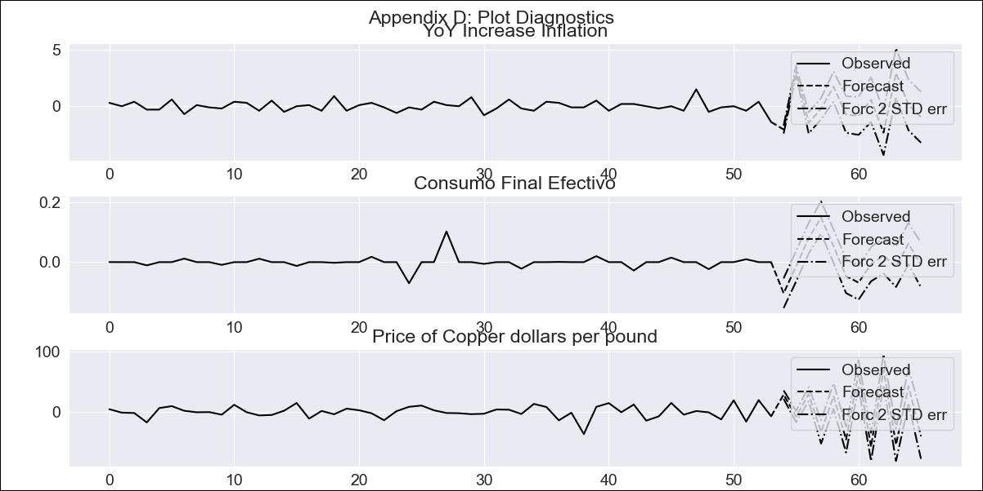
CHL - Inflation - Next 12 months forecast as of: 2023-09-01

Model | VAR - 12 | Exogenous Variables | Consumo Final Efectivo, Price of Copper dollars per pound
Training Data | 2018-02-01 to 2022-10-01
Test Data | 2022-10-01 to 2023-09-01

Date | Inflation Change YoY % | Lower Bound - 95% Confidence Interval | Upper Bound - 95% Confidence Interval
2023-10-01 | -2.26 | 2.48 | 3.19
2023-11-01 | 0.91 | 5.23 | 6.78
2023-12-01 | -0.57 | 2.83 | 6.24
2024-01-01 | -0.79 | 1.66 | 6.96
2024-02-01 | 0.95 | 2.05 | 10.04
2024-03-01 | 0.21 | -0.31 | 10.93
2024-04-01 | -0.64 | -2.85 | 11.76
2024-05-01 | -0.06 | -4.24 | 14.32
2024-06-01 | -2.4 | -8.57 | 13.97
2024-07-01 | 0.54 | -7.82 | 19.1
2024-08-01 | 0.66 | -9.95 | 21.46
2024-09-01 | -0.32 | -13.18 | 22.75

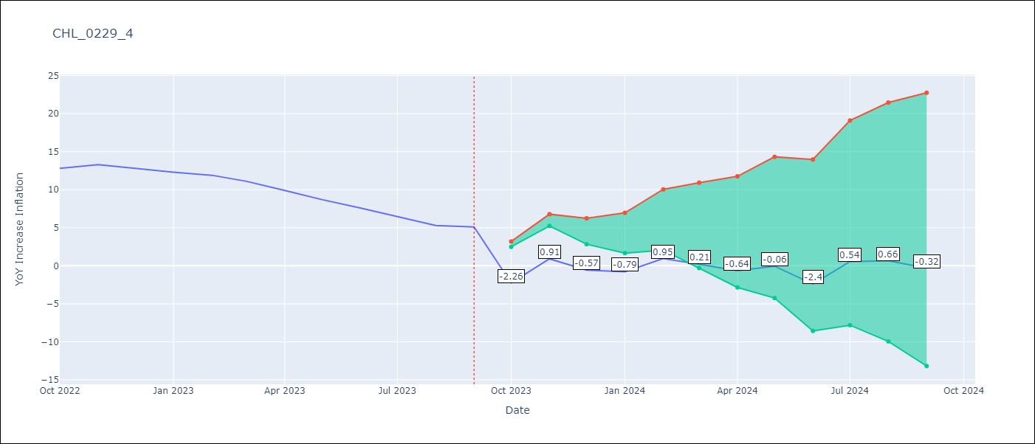

Test Metrics
RMSE | 10.77
Naive RMSE | 0.87
MAPE | 105.28%

Test Predictions
Date | Predicted | Actual
2022-10-01 | -2.46 | 12.8
2022-11-01 | 0.71 | 13.3
2022-12-01 | -0.77 | 12.8
2023-01-01 | -0.99 | 12.3
2023-02-01 | 0.75 | 11.9
2023-03-01 | 0.01 | 11.1
2023-04-01 | -0.84 | 9.9
2023-05-01 | -0.26 | 8.7
2023-06-01 | -2.6 | 7.6
2023-07-01 | 0.34 | 6.5
2023-08-01 | 0.46 | 5.3
2023-09-01 | -0.52 | 5.1

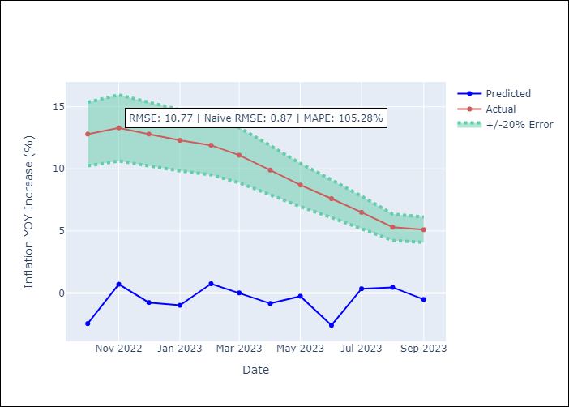

Appendix A: Model Summary
Model | VAR - 12
Sample | 2018-02-01 to 2023-09-01
No. of Observations | 68
Terms | P-value (Statistical significance)
L1.YoY Increase Inflation | 0.21188003321
L1.Consumo Final Efectivo | 0.49301756303
L1.Price of Copper dollars per pound | 0.0010296227793
L2.YoY Increase Inflation | 0.8250170229
L2.Consumo Final Efectivo | 1.9620319272E-06
L2.Price of Copper dollars per pound | 7.301474561E-05
L3.YoY Increase Inflation | 0.82479352552
L3.Consumo Final Efectivo | 0.94330370937
L3.Price of Copper dollars per pound | 0.30161388425
L4.YoY Increase Inflation | 0.62551513023
L4.Consumo Final Efectivo | 0.0039896610839
L4.Price of Copper dollars per pound | 0.0011973598081
L5.YoY Increase Inflation | 0.068081926669
L5.Consumo Final Efectivo | 1.2293412169E-06
L5.Price of Copper dollars per pound | 0.022090014096
L6.YoY Increase Inflation | 0.00018341315709
L6.Consumo Final Efectivo | 0.0084094340394
L6.Price of Copper dollars per pound | 0.0060835991079
L7.YoY Increase Inflation | 0.00024132023155
L7.Consumo Final Efectivo | 0.0013117882928
L7.Price of Copper dollars per pound | 0.00077610893087
L8.YoY Increase Inflation | 0.99779734196
L8.Consumo Final Efectivo | 0.00037200137668
L8.Price of Copper dollars per pound | 0.0018337361093
L9.YoY Increase Inflation | 0.67480057376
L9.Consumo Final Efectivo | 3.9132886151E-07
L9.Price of Copper dollars per pound | 2.5575842046E-07
L10.YoY Increase Inflation | 0.0040255258715
L10.Consumo Final Efectivo | 0.00078710877395
L10.Price of Copper dollars per pound | 0.0073722054543
L11.YoY Increase Inflation | 0.00085222093122
L11.Consumo Final Efectivo | 4.9578275157E-08
L11.Price of Copper dollars per pound | 1.2252666973E-05
L12.YoY Increase Inflation | 6.0534104369E-07
L12.Consumo Final Efectivo | 2.2530701424E-10
L12.Price of Copper dollars per pound | 0.0046078703348
Assumptions | P-value
Test Whiteness | Conclusion: reject H_0 - H_0: residual autocorrelation up to lag 13 is zero
Test Normality | Conclusion: reject H_0 - H_0: data generated by normally-distributed process

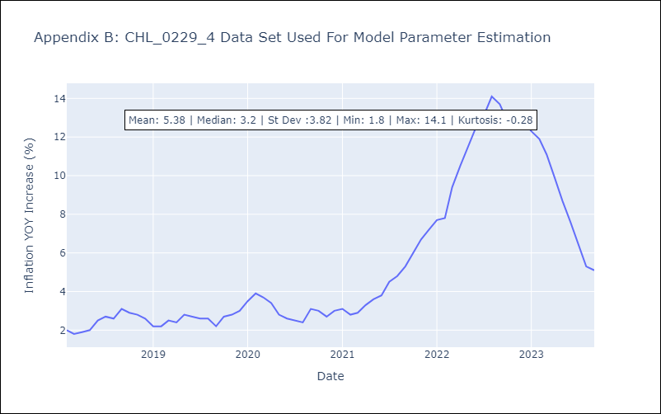

Appendix C: Residuals Analysis
Mean | -0.0
Durbin-Watson | [0.7793061 2.23111168 1.20147123]
Normal? | No

