CHL
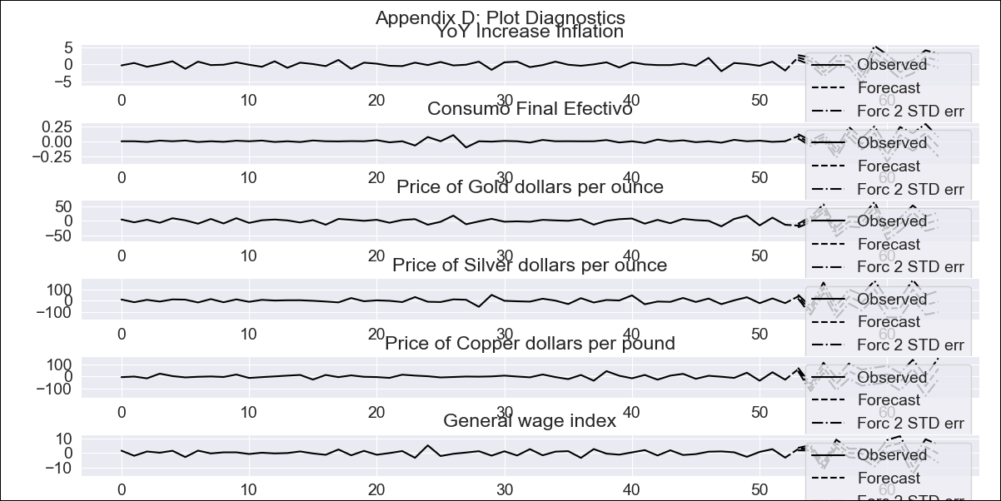
CHL - Inflation - Next 12 months forecast as of: 2023-09-01

Model | VAR - 6 | Exogenous Variables | Consumo Final Efectivo, Price of Gold dollars per ounce, Price of Silver dollars per ounce, Price of Copper dollars per pound, General wage index
Training Data | 2018-02-01 to 2022-10-01
Test Data | 2022-10-01 to 2023-09-01

Date | Inflation Change YoY % | Lower Bound - 95% Confidence Interval | Upper Bound - 95% Confidence Interval
2023-10-01 | 6.89 | 6.19 | 7.6
2023-11-01 | 9.65 | 6.09 | 9.61
2023-12-01 | 10.13 | 2.6 | 8.57
2024-01-01 | 11.56 | 1.98 | 11.07
2024-02-01 | 13.85 | 1.15 | 13.63
2024-03-01 | 12.24 | -4.5 | 11.48
2024-04-01 | 14.24 | -2.71 | 16.89
2024-05-01 | 17.14 | -3.69 | 19.7
2024-06-01 | 17.78 | -7.85 | 19.34
2024-07-01 | 17.69 | -10.5 | 20.53
2024-08-01 | 19.78 | -10.27 | 24.64
2024-09-01 | 22.93 | -11.22 | 27.71

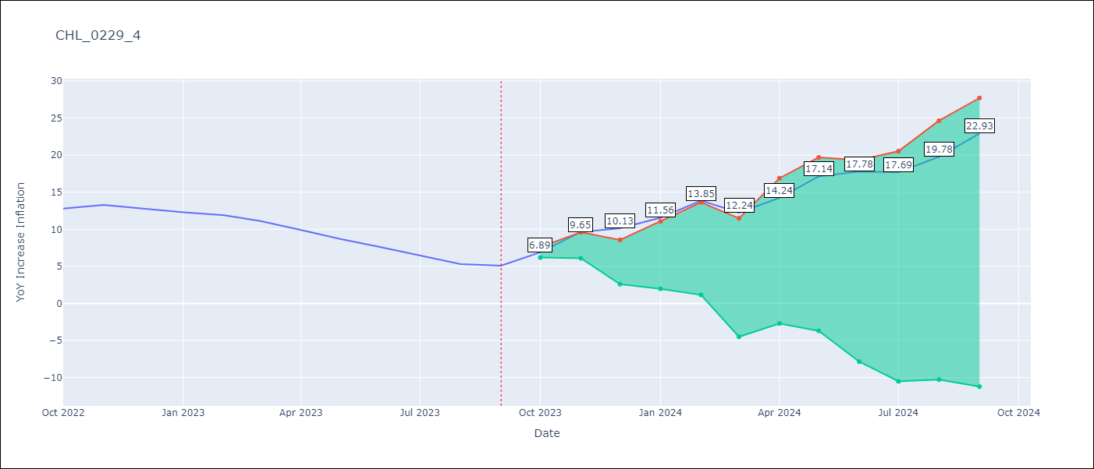

Test Metrics
RMSE | 13.72
Naive RMSE | 0.87
MAPE | 163.84%

Test Predictions
Date | Predicted | Actual
2022-10-01 | 15.29 | 12.8
2022-11-01 | 17.85 | 13.3
2022-12-01 | 18.13 | 12.8
2023-01-01 | 19.36 | 12.3
2023-02-01 | 21.45 | 11.9
2023-03-01 | 19.64 | 11.1
2023-04-01 | 21.44 | 9.9
2023-05-01 | 24.14 | 8.7
2023-06-01 | 24.58 | 7.6
2023-07-01 | 24.29 | 6.5
2023-08-01 | 26.18 | 5.3
2023-09-01 | 29.13 | 5.1

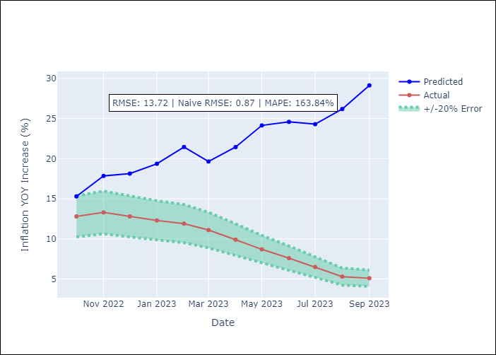

Appendix A: Model Summary
Model | VAR - 6
Sample | 2018-02-01 to 2023-09-01
No. of Observations | 68
Terms | P-value (Statistical significance)
L1.YoY Increase Inflation | 0.0037998655315
L1.Consumo Final Efectivo | 0.27643806921
L1.Price of Gold dollars per ounce | 0.060041698509
L1.Price of Silver dollars per ounce | 0.58947946952
L1.Price of Copper dollars per pound | 0.80513517015
L1.General wage index | 0.74838205906
L2.YoY Increase Inflation | 0.42053767404
L2.Consumo Final Efectivo | 0.59320695888
L2.Price of Gold dollars per ounce | 0.40727601237
L2.Price of Silver dollars per ounce | 0.74044484499
L2.Price of Copper dollars per pound | 0.31635340268
L2.General wage index | 0.85114542296
L3.YoY Increase Inflation | 0.82923042656
L3.Consumo Final Efectivo | 0.76267830178
L3.Price of Gold dollars per ounce | 0.44330634998
L3.Price of Silver dollars per ounce | 0.92107378655
L3.Price of Copper dollars per pound | 0.32184710184
L3.General wage index | 0.57372717729
L4.YoY Increase Inflation | 0.55031956144
L4.Consumo Final Efectivo | 0.95825230315
L4.Price of Gold dollars per ounce | 0.8861033961
L4.Price of Silver dollars per ounce | 0.40683144318
L4.Price of Copper dollars per pound | 0.2280235763
L4.General wage index | 0.60854220917
L5.YoY Increase Inflation | 0.89032498521
L5.Consumo Final Efectivo | 0.99731366231
L5.Price of Gold dollars per ounce | 0.10484078158
L5.Price of Silver dollars per ounce | 0.6959161535
L5.Price of Copper dollars per pound | 0.3483580083
L5.General wage index | 0.87675582884
L6.YoY Increase Inflation | 0.21848733797
L6.Consumo Final Efectivo | 0.36736128162
L6.Price of Gold dollars per ounce | 0.77859738813
L6.Price of Silver dollars per ounce | 0.26711379655
L6.Price of Copper dollars per pound | 0.72918216949
L6.General wage index | 0.71850544975
Assumptions | P-value
Test Whiteness | Conclusion: reject H_0 - H_0: residual autocorrelation up to lag 10 is zero
Test Normality | Conclusion: fail to reject H_0 - H_0: data generated by normally-distributed process

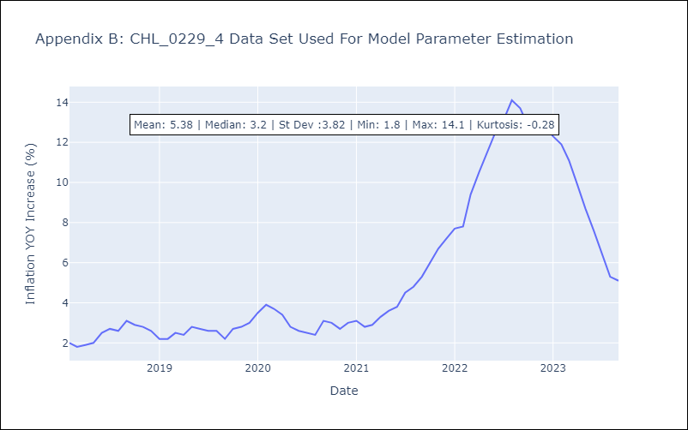

Appendix C: Residuals Analysis
Mean | -0.0
Durbin-Watson | [2.01201915 1.90779469 1.87641844 1.37725794 1.16679711 1.28140278]
Normal? | No

