CHL
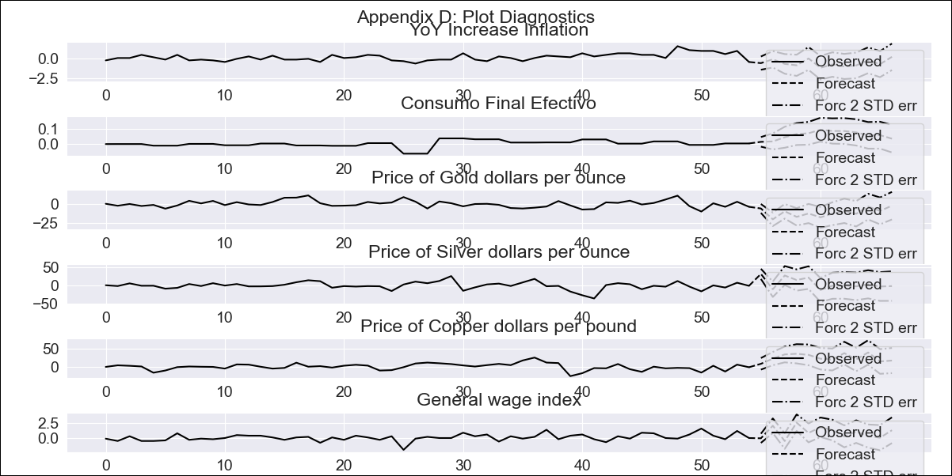
CHL - Inflation - Next 12 months forecast as of: 2023-09-01

Model | VAR - 6 | Exogenous Variables | Consumo Final Efectivo, Price of Gold dollars per ounce, Price of Silver dollars per ounce, Price of Copper dollars per pound, General wage index
Training Data | 2018-02-01 to 2022-10-01
Test Data | 2022-10-01 to 2023-09-01

Date | Inflation Change YoY % | Lower Bound - 95% Confidence Interval | Upper Bound - 95% Confidence Interval
2023-10-01 | -0.55 | 3.71 | 5.39
2023-11-01 | -0.06 | 2.61 | 6.36
2023-12-01 | -0.64 | 0.72 | 6.96
2024-01-01 | -0.82 | -1.45 | 7.48
2024-02-01 | 0.04 | -2.85 | 8.97
2024-03-01 | -1.13 | -5.48 | 9.33
2024-04-01 | -0.73 | -7.76 | 10.15
2024-05-01 | -0.97 | -10.32 | 10.77
2024-06-01 | -0.84 | -12.79 | 11.56
2024-07-01 | -0.18 | -14.61 | 13.01
2024-08-01 | -0.68 | -16.94 | 13.98
2024-09-01 | 0.25 | -18.37 | 15.91

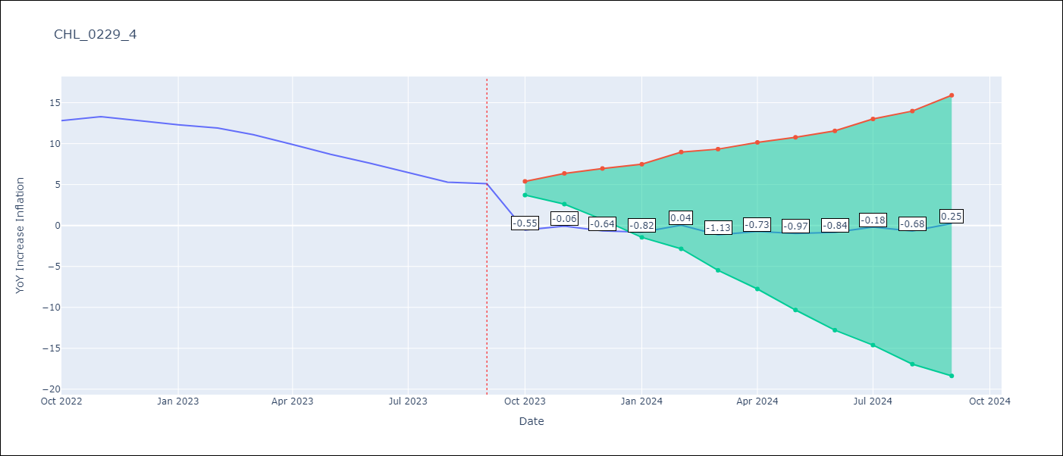

Test Metrics
RMSE | 10.73
Naive RMSE | 0.87
MAPE | 105.56%

Test Predictions
Date | Predicted | Actual
2022-10-01 | -0.55 | 12.8
2022-11-01 | -0.06 | 13.3
2022-12-01 | -0.64 | 12.8
2023-01-01 | -0.82 | 12.3
2023-02-01 | 0.04 | 11.9
2023-03-01 | -1.13 | 11.1
2023-04-01 | -0.73 | 9.9
2023-05-01 | -0.97 | 8.7
2023-06-01 | -0.84 | 7.6
2023-07-01 | -0.18 | 6.5
2023-08-01 | -0.68 | 5.3
2023-09-01 | 0.25 | 5.1

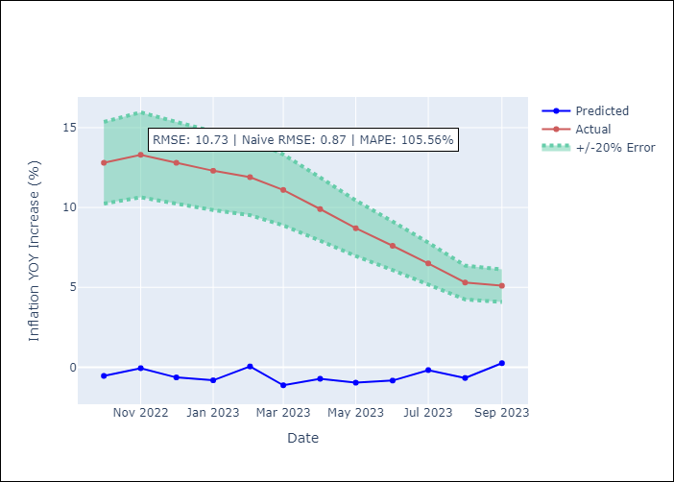

Appendix A: Model Summary
Model | VAR - 6
Sample | 2018-02-01 to 2023-09-01
No. of Observations | 68
Terms | P-value (Statistical significance)
L1.YoY Increase Inflation | 0.040394907328
L1.Consumo Final Efectivo | 0.25200210559
L1.Price of Gold dollars per ounce | 0.59944303958
L1.Price of Silver dollars per ounce | 0.63439204028
L1.Price of Copper dollars per pound | 0.70431666463
L1.General wage index | 0.34989328268
L2.YoY Increase Inflation | 0.40904920733
L2.Consumo Final Efectivo | 0.34466354281
L2.Price of Gold dollars per ounce | 0.76891112056
L2.Price of Silver dollars per ounce | 0.24331859112
L2.Price of Copper dollars per pound | 0.92202738692
L2.General wage index | 0.80282024142
L3.YoY Increase Inflation | 0.71067155754
L3.Consumo Final Efectivo | 0.95904242794
L3.Price of Gold dollars per ounce | 0.63218904178
L3.Price of Silver dollars per ounce | 0.058093511624
L3.Price of Copper dollars per pound | 0.76895332131
L3.General wage index | 0.83894061172
L4.YoY Increase Inflation | 0.26678441321
L4.Consumo Final Efectivo | 0.084557263649
L4.Price of Gold dollars per ounce | 0.9115408322
L4.Price of Silver dollars per ounce | 0.67211835246
L4.Price of Copper dollars per pound | 0.91738303454
L4.General wage index | 0.66916675227
L5.YoY Increase Inflation | 0.69367363253
L5.Consumo Final Efectivo | 0.14156938572
L5.Price of Gold dollars per ounce | 0.67091109494
L5.Price of Silver dollars per ounce | 0.60198985287
L5.Price of Copper dollars per pound | 0.35315831734
L5.General wage index | 0.4877783465
L6.YoY Increase Inflation | 0.67391459861
L6.Consumo Final Efectivo | 0.27503149365
L6.Price of Gold dollars per ounce | 0.44642905861
L6.Price of Silver dollars per ounce | 0.83978618635
L6.Price of Copper dollars per pound | 0.25643044069
L6.General wage index | 0.79580610653
Assumptions | P-value
Test Whiteness | Conclusion: reject H_0 - H_0: residual autocorrelation up to lag 10 is zero
Test Normality | Conclusion: reject H_0 - H_0: data generated by normally-distributed process

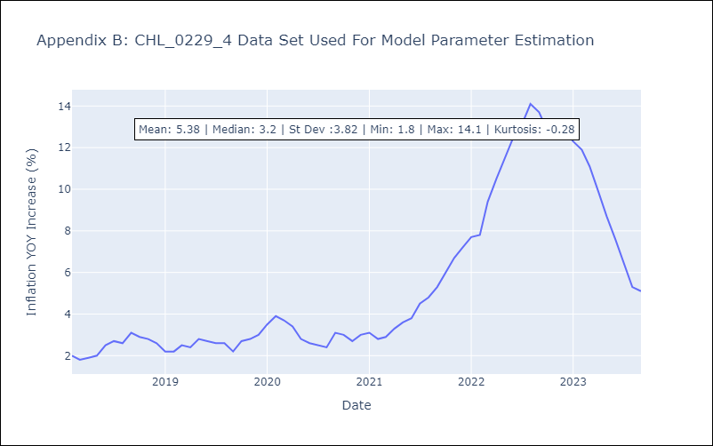

Appendix C: Residuals Analysis
Mean | 0.0
Durbin-Watson | [2.40387134 1.91587467 2.08663155 1.94188772 1.84988886 2.13798379]
Normal? | No

