CHL
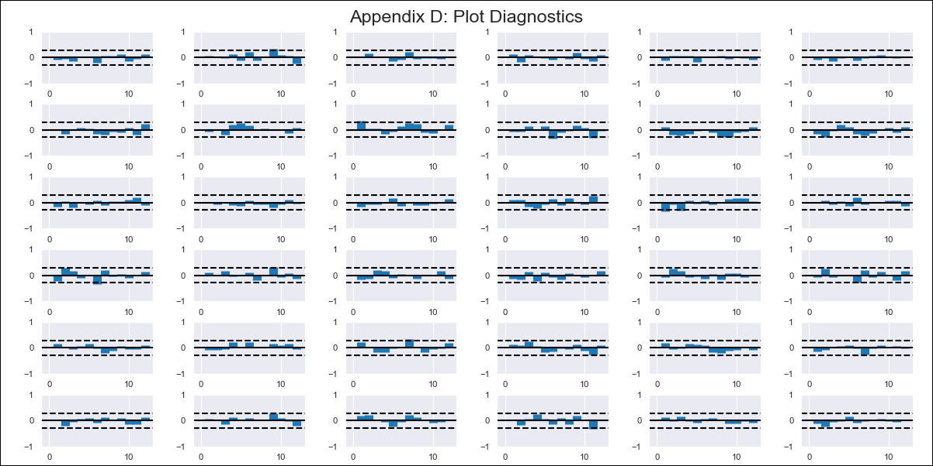
CHL - Inflation - Next 12 months forecast as of: 2023-09-01

Model | VAR - 6 | Exogenous Variables | Consumo Final Efectivo, Current Account, Expectativas de inflación en 11 meses, General wage index, 2.CPI without volatiles
Training Data | 2018-02-01 to 2022-10-01
Test Data | 2022-10-01 to 2023-09-01

Date | Inflation Change YoY % | Lower Bound - 95% Confidence Interval | Upper Bound - 95% Confidence Interval
2023-10-01 | 4.87 | 4.35 | 5.4
2023-11-01 | 4.6 | 3.45 | 5.75
2023-12-01 | 4.11 | 2.22 | 5.99
2024-01-01 | 3.75 | 0.83 | 6.66
2024-02-01 | 3.61 | -0.47 | 7.7
2024-03-01 | 2.49 | -2.8 | 7.78
2024-04-01 | 1.67 | -4.95 | 8.29
2024-05-01 | 0.35 | -7.65 | 8.34
2024-06-01 | -0.99 | -10.45 | 8.48
2024-07-01 | -2.11 | -13.1 | 8.87
2024-08-01 | -3.68 | -16.19 | 8.84
2024-09-01 | -4.27 | -18.36 | 9.82

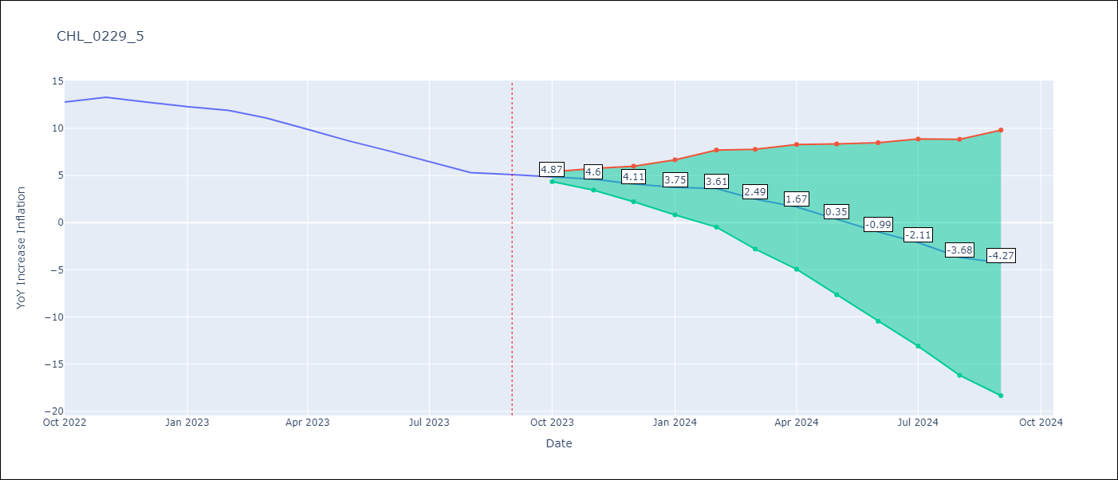

Test Metrics
RMSE | 0.35
Naive RMSE | 0.87
MAPE | 3.25%

Test Predictions
Date | Predicted | Actual
2022-10-01 | 13.47 | 12.8
2022-11-01 | 13.2 | 13.3
2022-12-01 | 12.71 | 12.8
2023-01-01 | 12.35 | 12.3
2023-02-01 | 12.21 | 11.9
2023-03-01 | 11.09 | 11.1
2023-04-01 | 10.27 | 9.9
2023-05-01 | 8.95 | 8.7
2023-06-01 | 7.61 | 7.6
2023-07-01 | 6.49 | 6.5
2023-08-01 | 4.92 | 5.3
2023-09-01 | 4.33 | 5.1

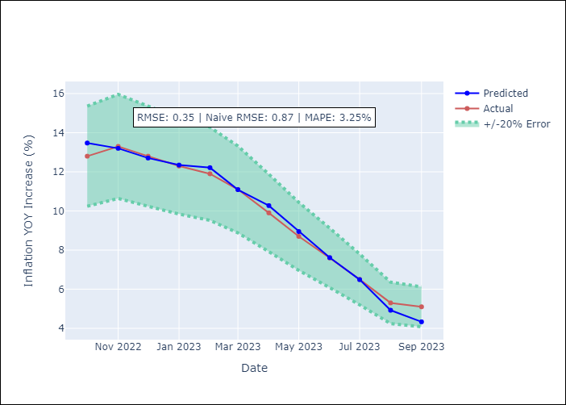

Appendix A: Model Summary
Model | VAR - 6
Sample | 2018-02-01 to 2023-09-01
No. of Observations | 68
Terms | P-value (Statistical significance)
L1.YoY Increase Inflation | 0.36312372426
L1.Consumo Final Efectivo | 0.96898039374
L1.Current Account | 0.95253154116
L1.Expectativas de inflación en 11 meses | 0.10984606876
L1.General wage index | 0.3557433264
L1.2.CPI without volatiles | 0.91104379859
L2.YoY Increase Inflation | 0.15573330482
L2.Consumo Final Efectivo | 0.78432561164
L2.Current Account | 0.15818946974
L2.Expectativas de inflación en 11 meses | 0.16122096592
L2.General wage index | 0.28462580686
L2.2.CPI without volatiles | 0.0010720622923
L3.YoY Increase Inflation | 0.25306652987
L3.Consumo Final Efectivo | 0.76998900975
L3.Current Account | 0.019026579186
L3.Expectativas de inflación en 11 meses | 0.76013286112
L3.General wage index | 0.19667882888
L3.2.CPI without volatiles | 0.62497534809
L4.YoY Increase Inflation | 0.074872069
L4.Consumo Final Efectivo | 0.3468469041
L4.Current Account | 0.91861595905
L4.Expectativas de inflación en 11 meses | 0.71784696177
L4.General wage index | 0.30282838719
L4.2.CPI without volatiles | 0.79666213921
L5.YoY Increase Inflation | 0.71877758083
L5.Consumo Final Efectivo | 0.7788873948
L5.Current Account | 0.36424050139
L5.Expectativas de inflación en 11 meses | 0.38713505119
L5.General wage index | 0.92732023022
L5.2.CPI without volatiles | 0.18364966331
L6.YoY Increase Inflation | 0.0073338824211
L6.Consumo Final Efectivo | 0.089664413083
L6.Current Account | 0.74824989429
L6.Expectativas de inflación en 11 meses | 0.065673734393
L6.General wage index | 0.053698423295
L6.2.CPI without volatiles | 0.96401845969
Assumptions | P-value

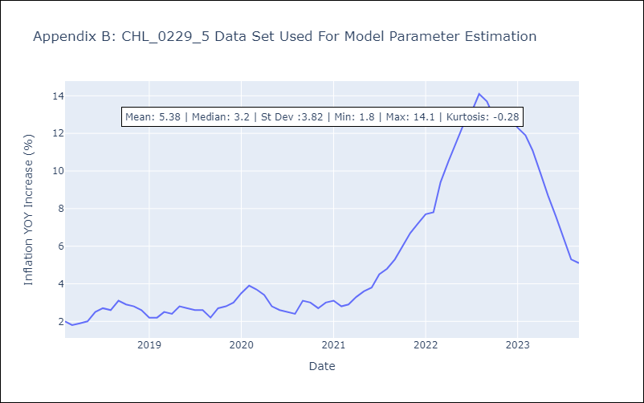

Appendix C: Residuals Analysis
Mean | -0.0
Errors AutoCorrelated? | 2.140124019955049 | No Autocorrelation
Normal? | No

