CHL
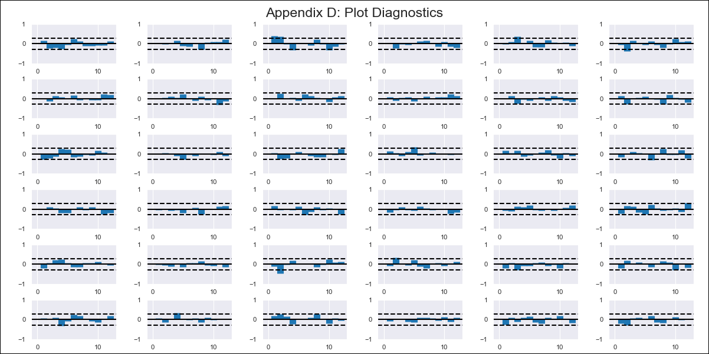
CHL - Inflation - Next 12 months forecast as of: 2023-09-01

Model | VAR - 6 | Exogenous Variables | Consumo Final Efectivo, Current Account, Uncertainty Index_Chile, Price of Silver dollars per ounce, 2.CPI without volatiles
Training Data | 2018-02-01 to 2022-10-01
Test Data | 2022-10-01 to 2023-09-01

Date | Inflation Change YoY % | Lower Bound - 95% Confidence Interval | Upper Bound - 95% Confidence Interval
2023-10-01 | 4.67 | 4.13 | 5.21
2023-11-01 | 4.03 | 2.87 | 5.18
2023-12-01 | 3.18 | 1.33 | 5.03
2024-01-01 | 3.55 | 0.89 | 6.22
2024-02-01 | 3.55 | -0.11 | 7.21
2024-03-01 | 2.58 | -2.09 | 7.24
2024-04-01 | 1.67 | -4.03 | 7.37
2024-05-01 | 0.75 | -6.1 | 7.61
2024-06-01 | 0.07 | -7.98 | 8.12
2024-07-01 | -1.39 | -10.71 | 7.93
2024-08-01 | -2.91 | -13.61 | 7.8
2024-09-01 | -3.88 | -16.02 | 8.26

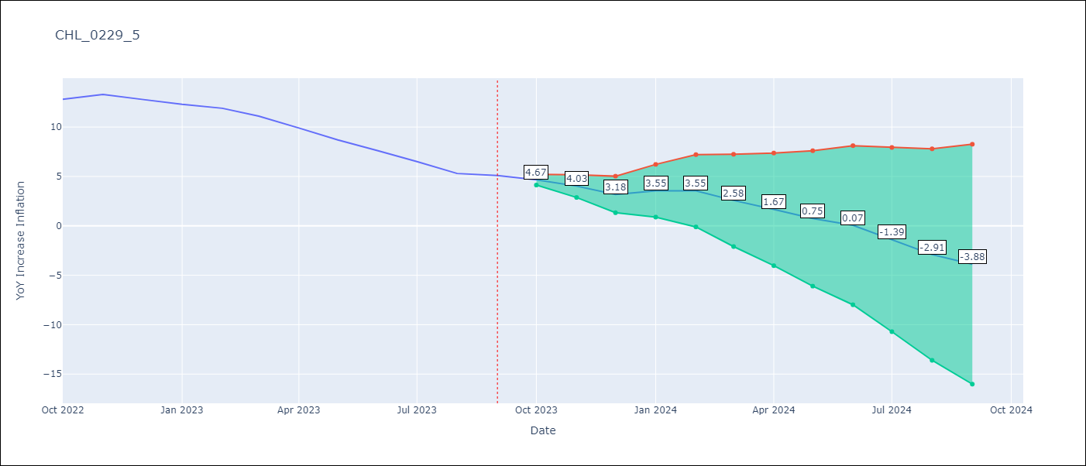

Test Metrics
RMSE | 0.6
Naive RMSE | 0.87
MAPE | 5.99%

Test Predictions
Date | Predicted | Actual
2022-10-01 | 13.27 | 12.8
2022-11-01 | 12.63 | 13.3
2022-12-01 | 11.78 | 12.8
2023-01-01 | 12.15 | 12.3
2023-02-01 | 12.15 | 11.9
2023-03-01 | 11.18 | 11.1
2023-04-01 | 10.27 | 9.9
2023-05-01 | 9.35 | 8.7
2023-06-01 | 8.67 | 7.6
2023-07-01 | 7.21 | 6.5
2023-08-01 | 5.69 | 5.3
2023-09-01 | 4.72 | 5.1

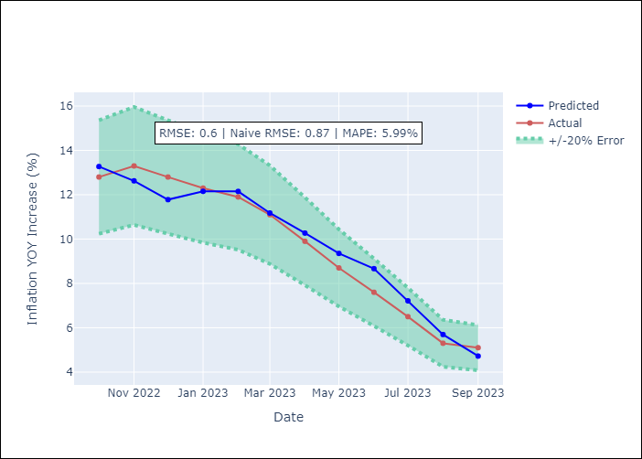

Appendix A: Model Summary
Model | VAR - 6
Sample | 2018-02-01 to 2023-09-01
No. of Observations | 68
Terms | P-value (Statistical significance)
L1.YoY Increase Inflation | 0.53264302909
L1.Consumo Final Efectivo | 0.5493727347
L1.Current Account | 0.65499464138
L1.Uncertainty Index_Chile | 0.39266831419
L1.Price of Silver dollars per ounce | 0.4774101007
L1.2.CPI without volatiles | 0.030092036945
L2.YoY Increase Inflation | 0.21273381394
L2.Consumo Final Efectivo | 0.64615706715
L2.Current Account | 0.84862444493
L2.Uncertainty Index_Chile | 0.40924200946
L2.Price of Silver dollars per ounce | 0.55363519107
L2.2.CPI without volatiles | 0.1569692103
L3.YoY Increase Inflation | 0.44970929214
L3.Consumo Final Efectivo | 0.04706041455
L3.Current Account | 0.17233232411
L3.Uncertainty Index_Chile | 0.71628024738
L3.Price of Silver dollars per ounce | 0.044267895135
L3.2.CPI without volatiles | 0.42534775563
L4.YoY Increase Inflation | 0.0017429607676
L4.Consumo Final Efectivo | 0.99201495625
L4.Current Account | 0.32476332841
L4.Uncertainty Index_Chile | 0.54168969231
L4.Price of Silver dollars per ounce | 0.89166521667
L4.2.CPI without volatiles | 0.27685822839
L5.YoY Increase Inflation | 0.11536898618
L5.Consumo Final Efectivo | 0.11360835307
L5.Current Account | 0.16702046251
L5.Uncertainty Index_Chile | 0.92156291042
L5.Price of Silver dollars per ounce | 0.072012504751
L5.2.CPI without volatiles | 0.88992746165
L6.YoY Increase Inflation | 0.34946921962
L6.Consumo Final Efectivo | 0.6181961079
L6.Current Account | 0.46517606377
L6.Uncertainty Index_Chile | 0.010796104968
L6.Price of Silver dollars per ounce | 0.18674327119
L6.2.CPI without volatiles | 0.80316229605
Assumptions | P-value

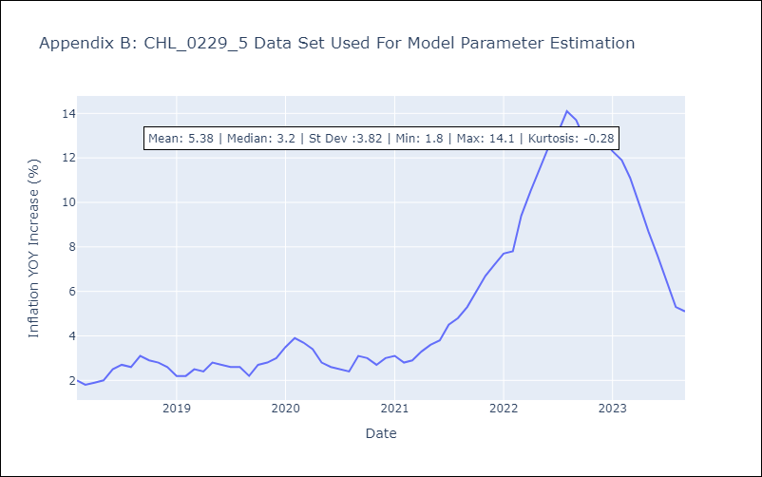

Appendix C: Residuals Analysis
Mean | -0.0
Errors AutoCorrelated? | 1.6425313295737725 | No Autocorrelation
Normal? | No

