Brazil
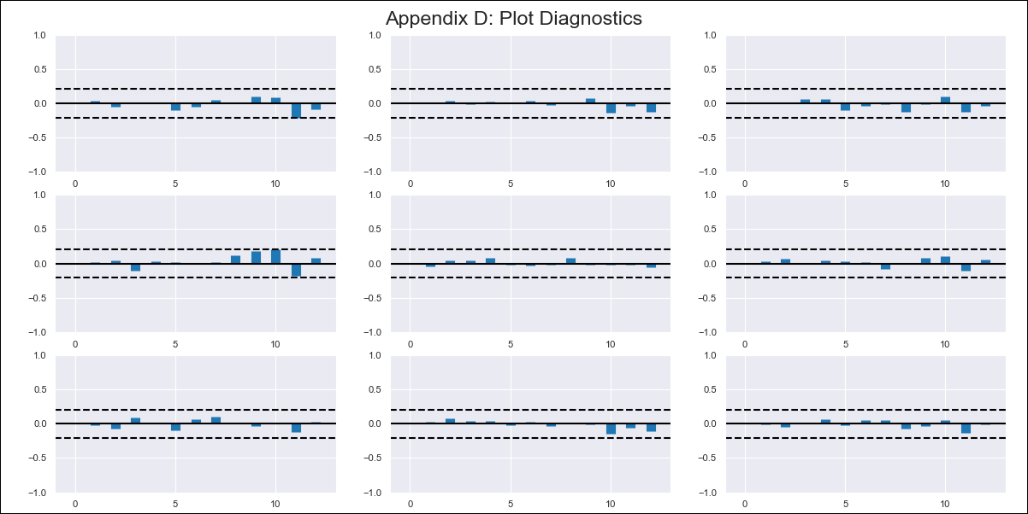
Brazil - Inflation - Next 12 months forecast as of: 2023-12-01

Model | VAR - 12 | Exogenous Variables | Broad national consumer price index (IPCA) - Housing - Monthly percent var., Broad national consumer price index (IPCA) - Transport - Monthly percent var.
Training Data | 2014-03-01 to 2023-01-01
Test Data | 2023-01-01 to 2023-12-01

Date | Inflation Change YoY % | Lower Bound - 95% Confidence Interval | Upper Bound - 95% Confidence Interval
2024-01-01 | 4.9 | 4.17 | 5.62
2024-02-01 | 4.5 | 2.95 | 6.04
2024-03-01 | 3.27 | 0.85 | 5.69
2024-04-01 | 2.77 | -0.58 | 6.11
2024-05-01 | 2.51 | -1.79 | 6.8
2024-06-01 | 1.91 | -3.34 | 7.16
2024-07-01 | 2.7 | -3.51 | 8.91
2024-08-01 | 2.97 | -4.25 | 10.19
2024-09-01 | 3.29 | -4.96 | 11.54
2024-10-01 | 3.27 | -6.03 | 12.58
2024-11-01 | 3.42 | -7.01 | 13.84
2024-12-01 | 3.62 | -7.96 | 15.2

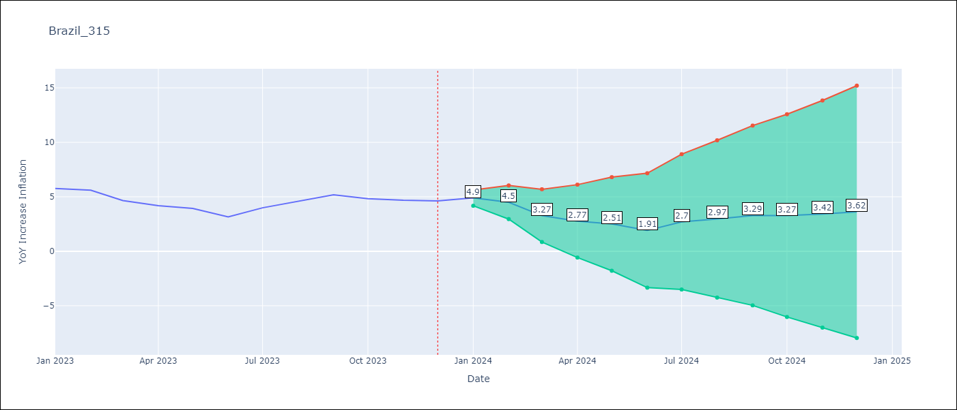

Test Metrics
RMSE | 0.32
Naive RMSE | 0.53
MAPE | 5.55%

Test Predictions
Date | Predicted | Actual
2023-01-01 | 6.07 | 5.77
2023-02-01 | 5.67 | 5.6
2023-03-01 | 4.44 | 4.65
2023-04-01 | 3.94 | 4.18
2023-05-01 | 3.68 | 3.94
2023-06-01 | 3.08 | 3.16
2023-07-01 | 3.87 | 3.99
2023-08-01 | 4.14 | 4.61
2023-09-01 | 4.46 | 5.19
2023-10-01 | 4.44 | 4.82
2023-11-01 | 4.59 | 4.68
2023-12-01 | 4.79 | 4.62

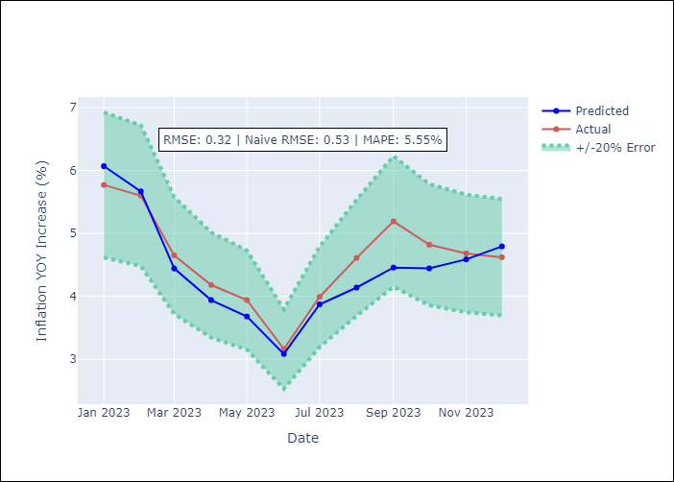

Appendix A: Model Summary
Model | VAR - 12
Sample | 2014-03-01 to 2023-12-01
No. of Observations | 118
Terms | P-value (Statistical significance)
L1.YoY Increase Inflation | 0.00080051934907
L1.Broad national consumer price index (IPCA) - Housing - Monthly percent var. | 0.43688645421
L1.Broad national consumer price index (IPCA) - Transport - Monthly percent var. | 0.69872188036
L2.YoY Increase Inflation | 0.35324493223
L2.Broad national consumer price index (IPCA) - Housing - Monthly percent var. | 0.7434251341
L2.Broad national consumer price index (IPCA) - Transport - Monthly percent var. | 0.286317032
L3.YoY Increase Inflation | 0.40756057368
L3.Broad national consumer price index (IPCA) - Housing - Monthly percent var. | 0.054831089898
L3.Broad national consumer price index (IPCA) - Transport - Monthly percent var. | 0.4705225199
L4.YoY Increase Inflation | 0.92625559385
L4.Broad national consumer price index (IPCA) - Housing - Monthly percent var. | 0.043411798622
L4.Broad national consumer price index (IPCA) - Transport - Monthly percent var. | 0.32985144489
L5.YoY Increase Inflation | 0.87105181538
L5.Broad national consumer price index (IPCA) - Housing - Monthly percent var. | 0.26216281226
L5.Broad national consumer price index (IPCA) - Transport - Monthly percent var. | 0.837403425
L6.YoY Increase Inflation | 0.7103545948
L6.Broad national consumer price index (IPCA) - Housing - Monthly percent var. | 0.42079072335
L6.Broad national consumer price index (IPCA) - Transport - Monthly percent var. | 0.82410675081
L7.YoY Increase Inflation | 0.44793656575
L7.Broad national consumer price index (IPCA) - Housing - Monthly percent var. | 0.05177970548
L7.Broad national consumer price index (IPCA) - Transport - Monthly percent var. | 0.84371670423
L8.YoY Increase Inflation | 0.82469454691
L8.Broad national consumer price index (IPCA) - Housing - Monthly percent var. | 0.044760395072
L8.Broad national consumer price index (IPCA) - Transport - Monthly percent var. | 0.67506144293
L9.YoY Increase Inflation | 0.54389526484
L9.Broad national consumer price index (IPCA) - Housing - Monthly percent var. | 0.1328225684
L9.Broad national consumer price index (IPCA) - Transport - Monthly percent var. | 0.97847632242
L10.YoY Increase Inflation | 0.58553864371
L10.Broad national consumer price index (IPCA) - Housing - Monthly percent var. | 0.019168826411
L10.Broad national consumer price index (IPCA) - Transport - Monthly percent var. | 0.95106006903
L11.YoY Increase Inflation | 0.56560235128
L11.Broad national consumer price index (IPCA) - Housing - Monthly percent var. | 0.037776123779
L11.Broad national consumer price index (IPCA) - Transport - Monthly percent var. | 0.97065232785
L12.YoY Increase Inflation | 0.1132603226
L12.Broad national consumer price index (IPCA) - Housing - Monthly percent var. | 0.085789317492
L12.Broad national consumer price index (IPCA) - Transport - Monthly percent var. | 0.019536539726
Assumptions | P-value

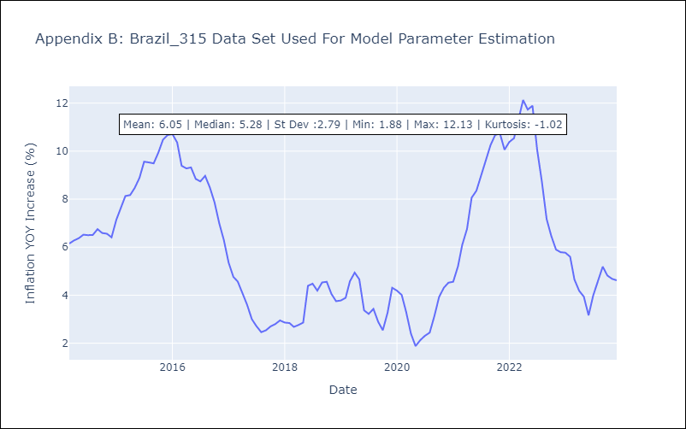

Appendix C: Residuals Analysis
Mean | 0.0
Errors AutoCorrelated? | 1.9157684630646077 | No Autocorrelation
Normal? | No

