Brazil
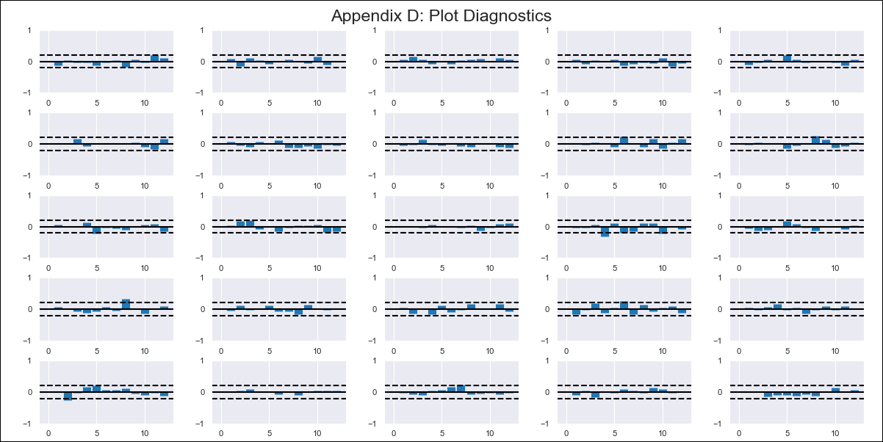
Brazil - Inflation - Next 12 months forecast as of: 2023-12-01

Model | VAR - 12 | Exogenous Variables | Commodities Index Prices, Minimum wage - c.m.u., International reserves - Total - monthly - US$ (million), Households gross disposable national income (deflated by IPCA, seasonally adjusted, 3-months moving average) - R$ (million)
Training Data | 2014-03-01 to 2023-01-01
Test Data | 2023-01-01 to 2023-12-01

Date | Inflation Change YoY % | Lower Bound - 95% Confidence Interval | Upper Bound - 95% Confidence Interval
2024-01-01 | 4.49 | 3.67 | 5.3
2024-02-01 | 4.76 | 2.96 | 6.57
2024-03-01 | 4.52 | 1.66 | 7.38
2024-04-01 | 3.58 | -0.37 | 7.52
2024-05-01 | 2.68 | -2.42 | 7.79
2024-06-01 | 1.55 | -4.77 | 7.87
2024-07-01 | 2.45 | -5.1 | 10.01
2024-08-01 | 2.95 | -5.85 | 11.75
2024-09-01 | 3.25 | -6.86 | 13.36
2024-10-01 | 2.83 | -8.63 | 14.3
2024-11-01 | 3.46 | -9.44 | 16.35
2024-12-01 | 4.03 | -10.37 | 18.44

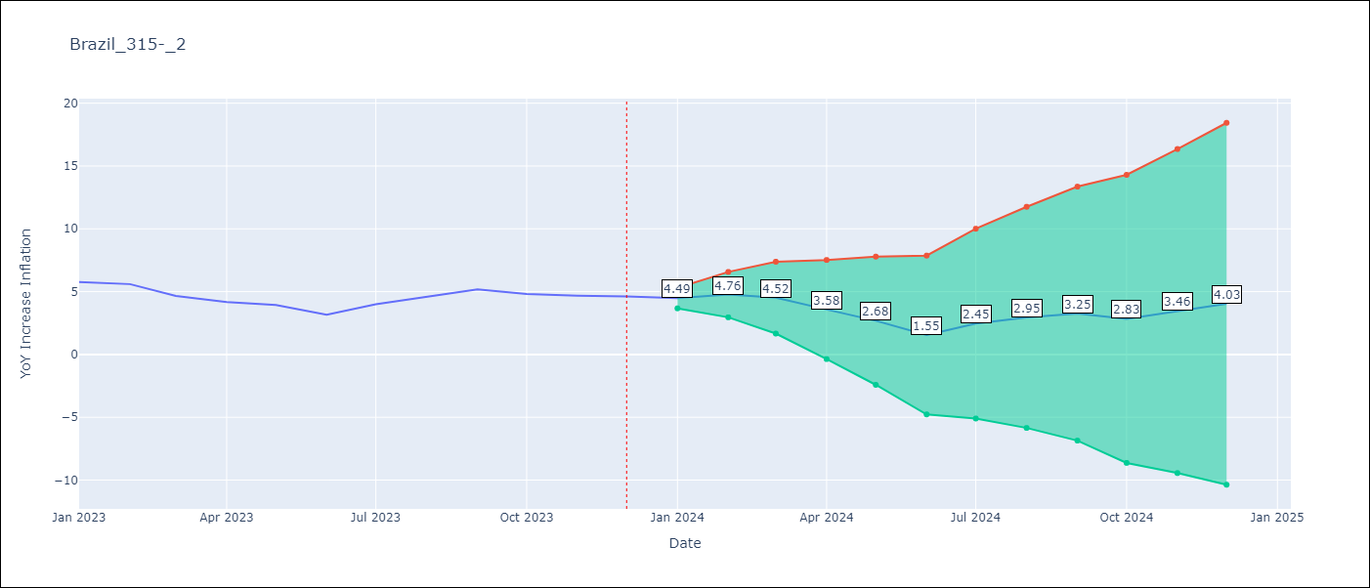

Test Metrics
RMSE | 0.56
Naive RMSE | 0.53
MAPE | 10.45%

Test Predictions
Date | Predicted | Actual
2023-01-01 | 5.66 | 5.77
2023-02-01 | 5.93 | 5.6
2023-03-01 | 5.69 | 4.65
2023-04-01 | 4.75 | 4.18
2023-05-01 | 3.85 | 3.94
2023-06-01 | 2.72 | 3.16
2023-07-01 | 3.62 | 3.99
2023-08-01 | 4.12 | 4.61
2023-09-01 | 4.42 | 5.19
2023-10-01 | 4 | 4.82
2023-11-01 | 4.63 | 4.68
2023-12-01 | 5.2 | 4.62

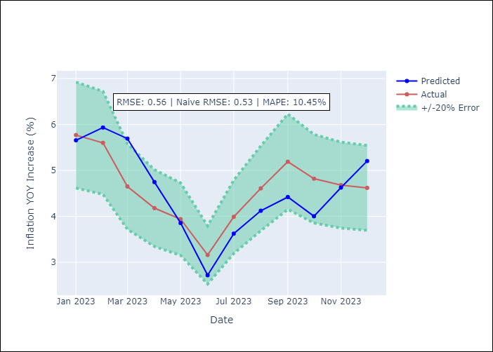

Appendix A: Model Summary
Model | VAR - 12
Sample | 2014-03-01 to 2023-12-01
No. of Observations | 118
Terms | P-value (Statistical significance)
L1.YoY Increase Inflation | 0.026300990844
L1.Households gross disposable national income (deflated by IPCA, seasonally adjusted, 3-months moving average) - R$ (million) | 0.034628519105
L2.International reserves - Total - monthly - US$ (million) | 0.045619696056
L11.Commodities Index Prices | 0.047160043172
L11.International reserves - Total - monthly - US$ (million) | 0.022240614235
L12.YoY Increase Inflation | 0.0093107890763
L12.Commodities Index Prices | 0.039567166476

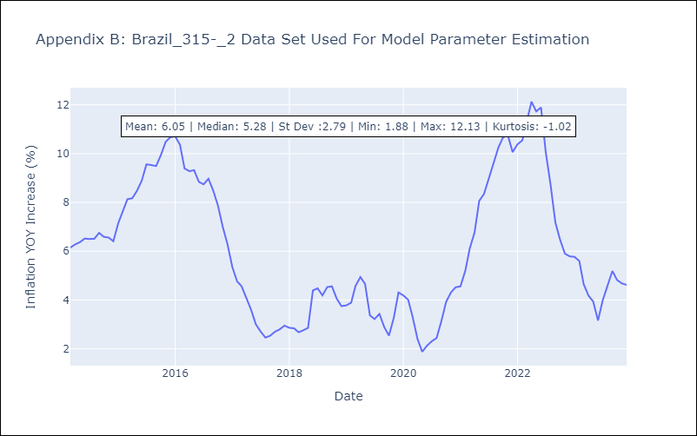

Appendix C: Residuals Analysis
Mean | 0.0
Errors AutoCorrelated? | 2.2429866675487844 | No Autocorrelation
Normal? | No

