MEX
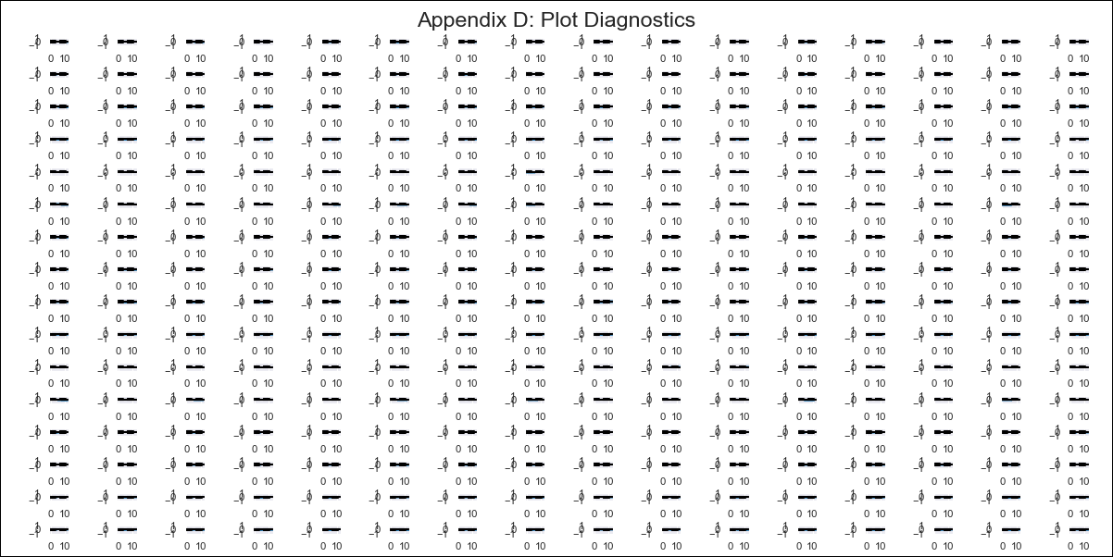
MEX - Inflation - Next 12 months forecast as of: 2023-12-01

Model | VAR - 6 | Exogenous Variables | Non-Core, Core - Food, Beverages & Tobacco, Core - Non-Food Merchandise, Core - Housing, Core - Education, Core - Services - Other Services , Non-Core -Agricultural, Exchange rate , Monetary Base, 90-day Interbank Interest Rates, Supply Shock Indicator - Wages, YoY Export Price Index, YoY Import Price Index, Monthly Expenditures, International Reserves
Training Data | 2011-01-01 to 2023-01-01
Test Data | 2023-01-01 to 2023-12-01

Date | Inflation Change YoY % | Lower Bound - 95% Confidence Interval | Upper Bound - 95% Confidence Interval
2024-01-01 | 5.03 | 4.74 | 5.32
2024-02-01 | 5.17 | 4.6 | 5.86
2024-03-01 | 5.36 | 4.29 | 6.28
2024-04-01 | 5.2 | 3.53 | 6.32
2024-05-01 | 5.62 | 3.7 | 7.33
2024-06-01 | 5.67 | 2.87 | 7.4
2024-07-01 | 5.8 | 2.49 | 7.95
2024-08-01 | 5.94 | 2.03 | 8.43
2024-09-01 | 5.97 | 1.42 | 8.81
2024-10-01 | 6.41 | 1.31 | 9.75
2024-11-01 | 6.34 | 0.26 | 9.79
2024-12-01 | 6.65 | 0.09 | 10.71

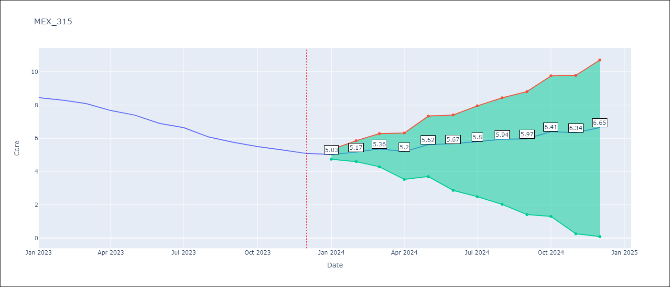

Test Metrics
RMSE | 3.16
Naive RMSE | 0.32
MAPE | 44.47%

Test Predictions
Date | Predicted | Actual
2023-01-01 | 8.34 | 8.45
2023-02-01 | 8.53 | 8.29
2023-03-01 | 8.77 | 8.09
2023-04-01 | 8.66 | 7.67
2023-05-01 | 9.13 | 7.39
2023-06-01 | 9.23 | 6.89
2023-07-01 | 9.41 | 6.64
2023-08-01 | 9.6 | 6.08
2023-09-01 | 9.68 | 5.76
2023-10-01 | 10.17 | 5.5
2023-11-01 | 10.15 | 5.3
2023-12-01 | 10.51 | 5.09

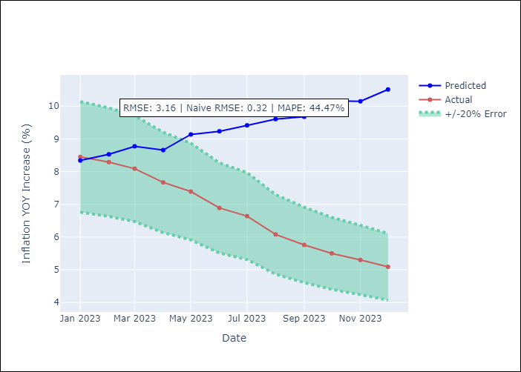

Appendix A: Model Summary
Model | VAR - 6
Sample | 2011-01-01 to 2023-12-01
No. of Observations | 155
Terms | P-value (Statistical significance)
L1.Core | 0.99022947979
L1.Non-Core | 0.51446072736
L1.Core - Food, Beverages & Tobacco | 0.93309641922
L1.Core - Non-Food Merchandise | 0.93810866998
L1.Core - Housing | 0.41666859601
L1.Core - Education | 0.11761748325
L1.Core - Services - Other Services | 0.65551558041
L1.Non-Core -Agricultural | 0.57435876566
L1.Exchange rate | 0.41512815859
L1.Monetary Base | 0.59704560077
L1.90-day Interbank Interest Rates | 0.51942388357
L1.Supply Shock Indicator - Wages | 0.24530913466
L1.YoY Export Price Index | 0.24799431636
L1.YoY Import Price Index | 0.67989466708
L1.Monthly Expenditures | 0.24681745088
L1.International Reserves | 0.24882739529
L2.Core | 0.61369672496
L2.Non-Core | 0.97088051433
L2.Core - Food, Beverages & Tobacco | 0.40694885617
L2.Core - Non-Food Merchandise | 0.60972806534
L2.Core - Housing | 0.89487288951
L2.Core - Education | 0.070869765543
L2.Core - Services - Other Services | 0.53471604359
L2.Non-Core -Agricultural | 0.79970173304
L2.Exchange rate | 0.69527879984
L2.Monetary Base | 0.9984054604
L2.90-day Interbank Interest Rates | 0.66665722558
L2.Supply Shock Indicator - Wages | 0.98904332245
L2.YoY Export Price Index | 0.15622389334
L2.YoY Import Price Index | 0.25867561519
L2.Monthly Expenditures | 0.46941530073
L2.International Reserves | 0.22307971884
L3.Core | 0.91315225374
L3.Non-Core | 0.084493411015
L3.Core - Food, Beverages & Tobacco | 0.84950994947
L3.Core - Non-Food Merchandise | 0.96585925319
L3.Core - Housing | 0.47899729577
L3.Core - Education | 0.18992558736
L3.Core - Services - Other Services | 0.7202817876
L3.Non-Core -Agricultural | 0.057956244927
L3.Exchange rate | 0.66156015542
L3.Monetary Base | 0.65436470443
L3.90-day Interbank Interest Rates | 0.53778547259
L3.Supply Shock Indicator - Wages | 0.67566631563
L3.YoY Export Price Index | 0.28440987012
L3.YoY Import Price Index | 0.082744254369
L3.Monthly Expenditures | 0.49138092676
L3.International Reserves | 0.12104008269
L4.Core | 0.98573658853
L4.Non-Core | 0.65059581741
L4.Core - Food, Beverages & Tobacco | 0.92576859825
L4.Core - Non-Food Merchandise | 0.84793916956
L4.Core - Housing | 0.10567722861
L4.Core - Education | 0.074709182635
L4.Core - Services - Other Services | 0.93552999424
L4.Non-Core -Agricultural | 0.48010829735
L4.Exchange rate | 0.7540748996
L4.Monetary Base | 0.7744565685
L4.90-day Interbank Interest Rates | 0.31910663376
L4.Supply Shock Indicator - Wages | 0.52066552055
L4.YoY Export Price Index | 0.4074702053
L4.YoY Import Price Index | 0.30123325969
L4.Monthly Expenditures | 0.12846440234
L4.International Reserves | 0.4750267736
L5.Core | 0.30502659848
L5.Non-Core | 0.43770849109
L5.Core - Food, Beverages & Tobacco | 0.36122243522
L5.Core - Non-Food Merchandise | 0.35530430086
L5.Core - Housing | 0.026288837056
L5.Core - Education | 0.71135892561
L5.Core - Services - Other Services | 0.26556184022
L5.Non-Core -Agricultural | 0.34373839626
L5.Exchange rate | 0.85502955976
L5.Monetary Base | 0.21118991699
L5.90-day Interbank Interest Rates | 0.97766130222
L5.Supply Shock Indicator - Wages | 0.88442059436
L5.YoY Export Price Index | 0.079070457161
L5.YoY Import Price Index | 0.63984692199
L5.Monthly Expenditures | 0.35646969509
L5.International Reserves | 0.14860595794
L6.Core | 0.86942083087
L6.Non-Core | 0.87931647628
L6.Core - Food, Beverages & Tobacco | 0.80899284106
L6.Core - Non-Food Merchandise | 0.98225730084
L6.Core - Housing | 0.38469164854
L6.Core - Education | 0.85679200368
L6.Core - Services - Other Services | 0.85191709751
L6.Non-Core -Agricultural | 0.012126081505
L6.Exchange rate | 0.69929423169
L6.Monetary Base | 0.37908574736
L6.90-day Interbank Interest Rates | 0.3158995709
L6.Supply Shock Indicator - Wages | 0.79204188769
L6.YoY Export Price Index | 0.50016900466
L6.YoY Import Price Index | 0.54754316756
L6.Monthly Expenditures | 0.22034071502
L6.International Reserves | 0.00029029391103
Assumptions | P-value

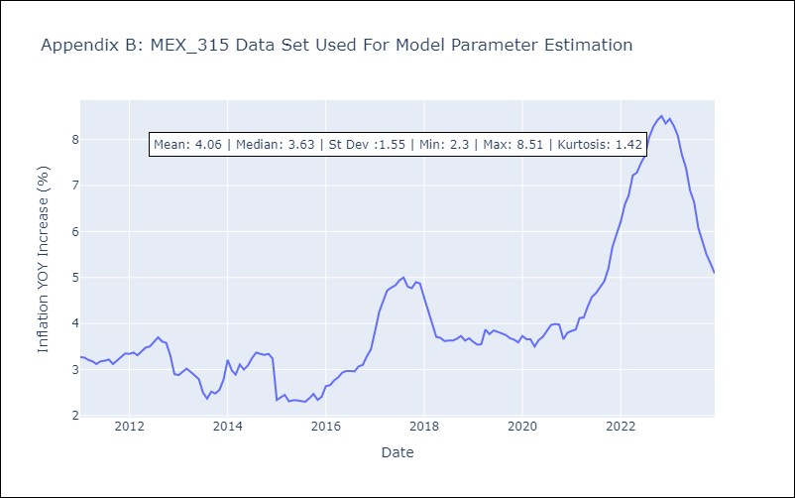

Appendix C: Residuals Analysis
Mean | -0.0
Errors AutoCorrelated? | 1.697132665840542 | No Autocorrelation
Normal? | No

