MEX
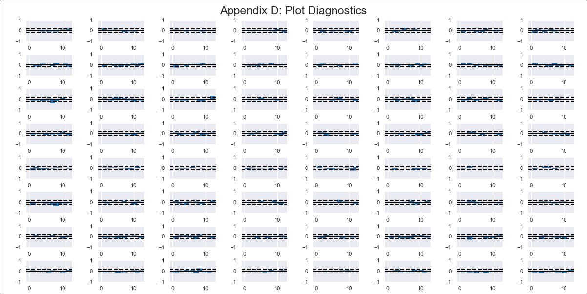
MEX - Inflation - Next 12 months forecast as of: 2023-12-01

Model | VAR - 12 | Exogenous Variables | Monthly Expenditures, Exchange rate , Monetary Base, International Reserves, Supply Shock Indicator - Wages, YoY Export Price Index, YoY Import Price Index
Training Data | 2011-01-01 to 2023-01-01
Test Data | 2023-01-01 to 2023-12-01

Date | Inflation Change YoY % | Lower Bound - 95% Confidence Interval | Upper Bound - 95% Confidence Interval
2024-01-01 | 4.35 | 3.86 | 4.84
2024-02-01 | 3.43 | 2.42 | 4.44
2024-03-01 | 3.22 | 1.62 | 4.82
2024-04-01 | 2.34 | 0.1 | 4.59
2024-05-01 | 1.72 | -1.25 | 4.69
2024-06-01 | 0.53 | -3.2 | 4.26
2024-07-01 | -0.18 | -4.69 | 4.33
2024-08-01 | -1.23 | -6.53 | 4.07
2024-09-01 | -2.14 | -8.25 | 3.98
2024-10-01 | -2.37 | -9.32 | 4.57
2024-11-01 | -2.98 | -10.79 | 4.83
2024-12-01 | -3.3 | -12.02 | 5.43

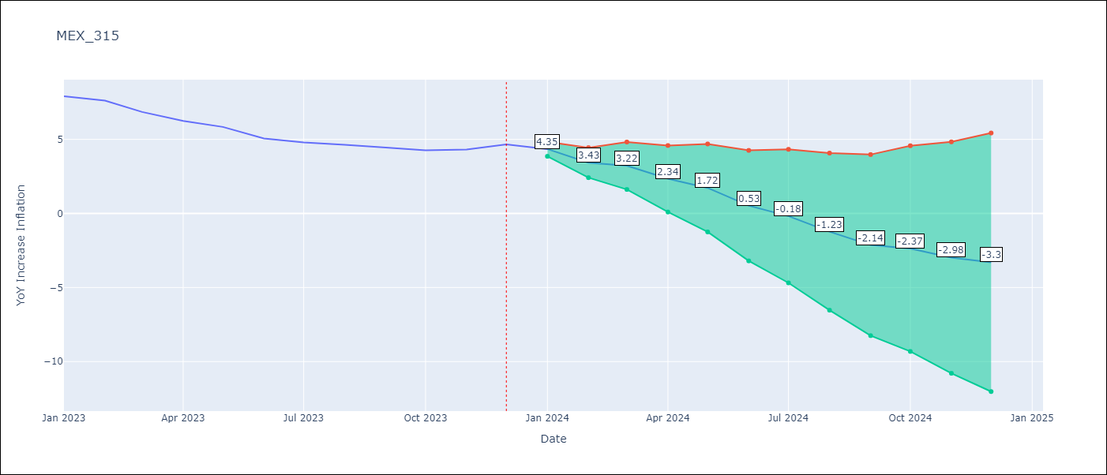

Test Metrics
RMSE | 2.57
Naive RMSE | 0.42
MAPE | 44.54%

Test Predictions
Date | Predicted | Actual
2023-01-01 | 7.51 | 7.91
2023-02-01 | 6.59 | 7.62
2023-03-01 | 6.38 | 6.85
2023-04-01 | 5.5 | 6.25
2023-05-01 | 4.88 | 5.84
2023-06-01 | 3.69 | 5.06
2023-07-01 | 2.98 | 4.79
2023-08-01 | 1.93 | 4.64
2023-09-01 | 1.02 | 4.45
2023-10-01 | 0.79 | 4.26
2023-11-01 | 0.18 | 4.32
2023-12-01 | -0.14 | 4.66

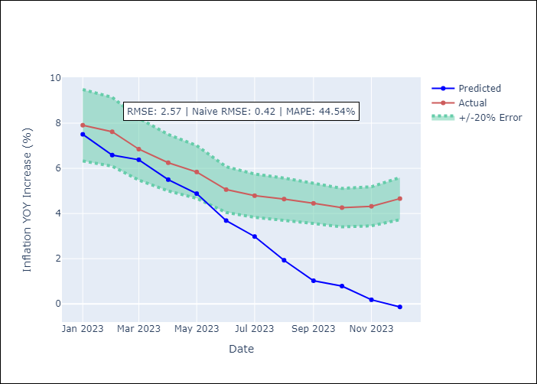

Appendix A: Model Summary
Model | VAR - 12
Sample | 2011-01-01 to 2023-12-01
No. of Observations | 155
Terms | P-value (Statistical significance)
L1.YoY Increase Inflation | 0.31759837392
L1.Monthly Expenditures | 0.9237697216
L1.Exchange rate | 0.087633252964
L1.Monetary Base | 0.60756417866
L1.International Reserves | 0.28767912683
L1.Supply Shock Indicator - Wages | 0.69450816325
L1.YoY Export Price Index | 0.37340990251
L1.YoY Import Price Index | 0.57150099045
L2.YoY Increase Inflation | 0.69341650523
L2.Monthly Expenditures | 0.64161519807
L2.Exchange rate | 0.39337720863
L2.Monetary Base | 0.24527226221
L2.International Reserves | 0.39175301775
L2.Supply Shock Indicator - Wages | 0.034978954136
L2.YoY Export Price Index | 0.28299921607
L2.YoY Import Price Index | 0.14624988487
L3.YoY Increase Inflation | 0.84979087721
L3.Monthly Expenditures | 0.18901228802
L3.Exchange rate | 0.56110166032
L3.Monetary Base | 0.086902069436
L3.International Reserves | 0.0030851549959
L3.Supply Shock Indicator - Wages | 0.03081810287
L3.YoY Export Price Index | 0.69989196254
L3.YoY Import Price Index | 0.88955664551
L4.YoY Increase Inflation | 0.47943628636
L4.Monthly Expenditures | 0.20227283454
L4.Exchange rate | 0.85214049534
L4.Monetary Base | 0.024605583313
L4.International Reserves | 0.22791866078
L4.Supply Shock Indicator - Wages | 0.49973862389
L4.YoY Export Price Index | 0.40600286549
L4.YoY Import Price Index | 0.12382070273
L5.YoY Increase Inflation | 0.10604071968
L5.Monthly Expenditures | 0.16555328458
L5.Exchange rate | 0.061924387262
L5.Monetary Base | 0.76460497475
L5.International Reserves | 0.8395750897
L5.Supply Shock Indicator - Wages | 0.18321137077
L5.YoY Export Price Index | 0.71560238997
L5.YoY Import Price Index | 0.34275298832
L6.YoY Increase Inflation | 0.0034597354205
L6.Monthly Expenditures | 0.94994459109
L6.Exchange rate | 0.32100000847
L6.Monetary Base | 0.2157749443
L6.International Reserves | 0.032203865277
L6.Supply Shock Indicator - Wages | 0.79242924537
L6.YoY Export Price Index | 0.99118300403
L6.YoY Import Price Index | 0.52905269134
L7.YoY Increase Inflation | 0.10658303207
L7.Monthly Expenditures | 0.015413744505
L7.Exchange rate | 0.033266097757
L7.Monetary Base | 0.62437211673
L7.International Reserves | 0.78948130079
L7.Supply Shock Indicator - Wages | 0.70002513542
L7.YoY Export Price Index | 0.21385395157
L7.YoY Import Price Index | 0.65022289094
L8.YoY Increase Inflation | 0.55546944557
L8.Monthly Expenditures | 0.085846940782
L8.Exchange rate | 0.53343919836
L8.Monetary Base | 0.41155080207
L8.International Reserves | 0.29690850538
L8.Supply Shock Indicator - Wages | 0.15022413187
L8.YoY Export Price Index | 0.78113796533
L8.YoY Import Price Index | 0.74664060784
L9.YoY Increase Inflation | 0.37648373041
L9.Monthly Expenditures | 0.79322250303
L9.Exchange rate | 0.37787826893
L9.Monetary Base | 0.55942880791
L9.International Reserves | 0.92893670517
L9.Supply Shock Indicator - Wages | 0.65023331508
L9.YoY Export Price Index | 0.027597132192
L9.YoY Import Price Index | 0.30407979177
L10.YoY Increase Inflation | 0.84752652058
L10.Monthly Expenditures | 0.74435305351
L10.Exchange rate | 0.30196204575
L10.Monetary Base | 0.60734365547
L10.International Reserves | 0.80096781915
L10.Supply Shock Indicator - Wages | 0.10546709944
L10.YoY Export Price Index | 0.66502215532
L10.YoY Import Price Index | 0.49769047076
L11.YoY Increase Inflation | 0.97970315573
L11.Monthly Expenditures | 0.43695109012
L11.Exchange rate | 0.018083532728
L11.Monetary Base | 0.2865673819
L11.International Reserves | 0.87122747593
L11.Supply Shock Indicator - Wages | 0.69036558398
L11.YoY Export Price Index | 0.63978991036
L11.YoY Import Price Index | 0.62449020255
L12.YoY Increase Inflation | 0.012767476428
L12.Monthly Expenditures | 0.042609127929
L12.Exchange rate | 0.41707934276
L12.Monetary Base | 0.12891075083
L12.International Reserves | 0.7293187429
L12.Supply Shock Indicator - Wages | 0.97583948137
L12.YoY Export Price Index | 0.97284098712
L12.YoY Import Price Index | 0.34885282025
Assumptions | P-value

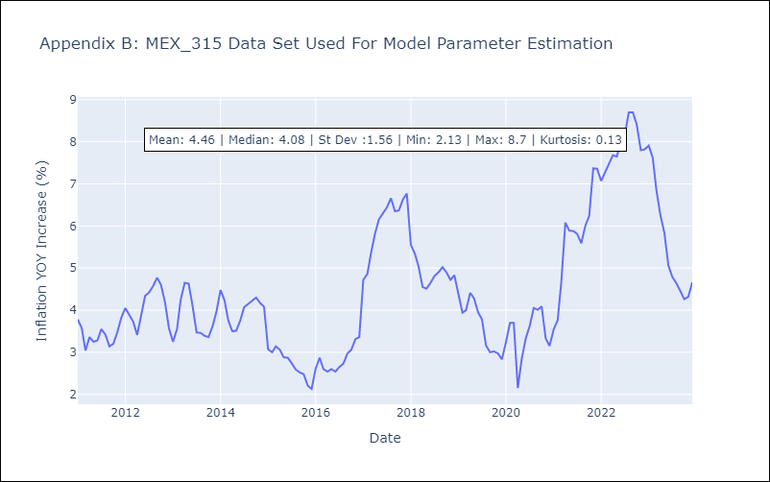

Appendix C: Residuals Analysis
Mean | 0.0
Errors AutoCorrelated? | 1.9065127046910284 | No Autocorrelation
Normal? | No

