MEX
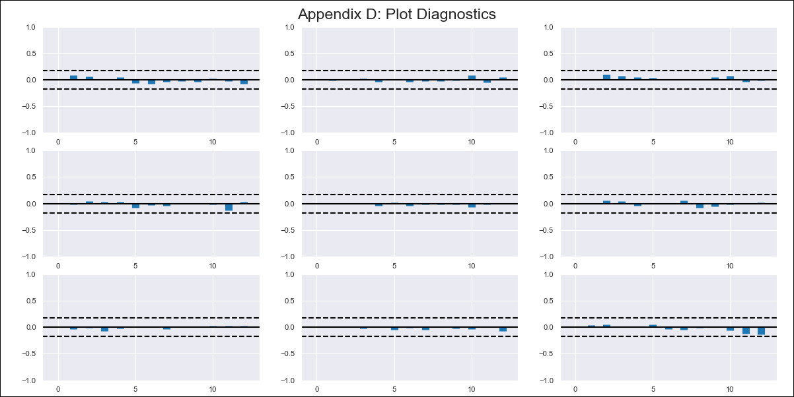
MEX - Inflation - Next 12 months forecast as of: 2023-12-01

Model | VAR - 12 | Exogenous Variables | Exchange rate , YoY Import Price Index
Training Data | 2011-01-01 to 2023-01-01
Test Data | 2023-01-01 to 2023-12-01

Date | Inflation Change YoY % | Lower Bound - 95% Confidence Interval | Upper Bound - 95% Confidence Interval
2024-01-01 | 4.38 | 3.74 | 5.02
2024-02-01 | 4.04 | 2.72 | 5.36
2024-03-01 | 3.76 | 1.75 | 5.78
2024-04-01 | 3.29 | 0.58 | 6
2024-05-01 | 2.94 | -0.49 | 6.36
2024-06-01 | 2.35 | -1.79 | 6.49
2024-07-01 | 2.08 | -2.78 | 6.95
2024-08-01 | 1.44 | -4.17 | 7.05
2024-09-01 | 1.05 | -5.31 | 7.41
2024-10-01 | 0.84 | -6.28 | 7.95
2024-11-01 | 0.78 | -7.1 | 8.67
2024-12-01 | 0.54 | -8.16 | 9.23

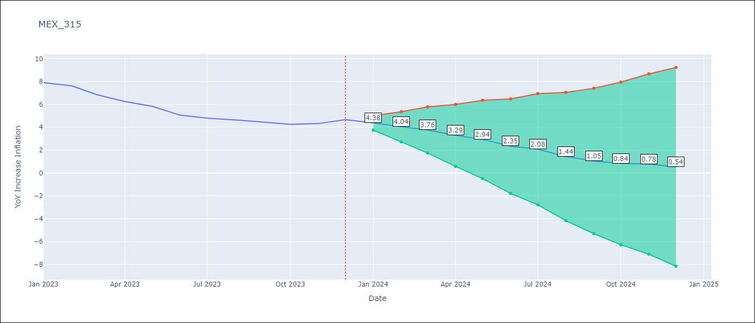

Test Metrics
RMSE | 0.41
Naive RMSE | 0.42
MAPE | 6.58%

Test Predictions
Date | Predicted | Actual
2023-01-01 | 7.54 | 7.91
2023-02-01 | 7.2 | 7.62
2023-03-01 | 6.92 | 6.85
2023-04-01 | 6.45 | 6.25
2023-05-01 | 6.1 | 5.84
2023-06-01 | 5.51 | 5.06
2023-07-01 | 5.24 | 4.79
2023-08-01 | 4.6 | 4.64
2023-09-01 | 4.21 | 4.45
2023-10-01 | 4 | 4.26
2023-11-01 | 3.94 | 4.32
2023-12-01 | 3.7 | 4.66

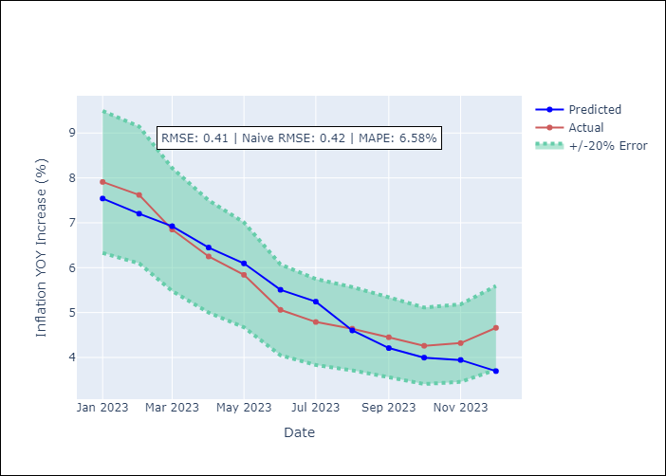

Appendix A: Model Summary
Model | VAR - 12
Sample | 2011-01-01 to 2023-12-01
No. of Observations | 155
Terms | P-value (Statistical significance)
L1.Exchange rate | 0.00018775327312
L7.YoY Increase Inflation | 0.0019937857315
L11.Exchange rate | 0.0032922197991
L12.YoY Increase Inflation | 0.0017007578453

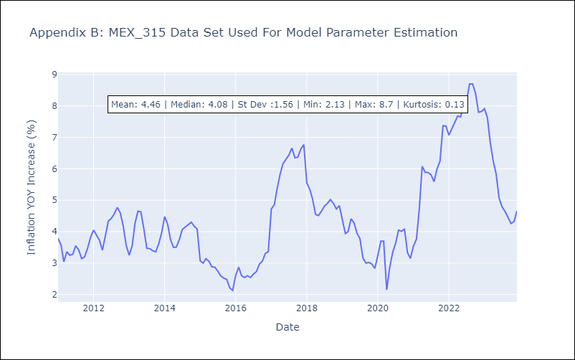

Appendix C: Residuals Analysis
Mean | -0.0
Errors AutoCorrelated? | 1.803871848001249 | No Autocorrelation
Normal? | No

