CHL
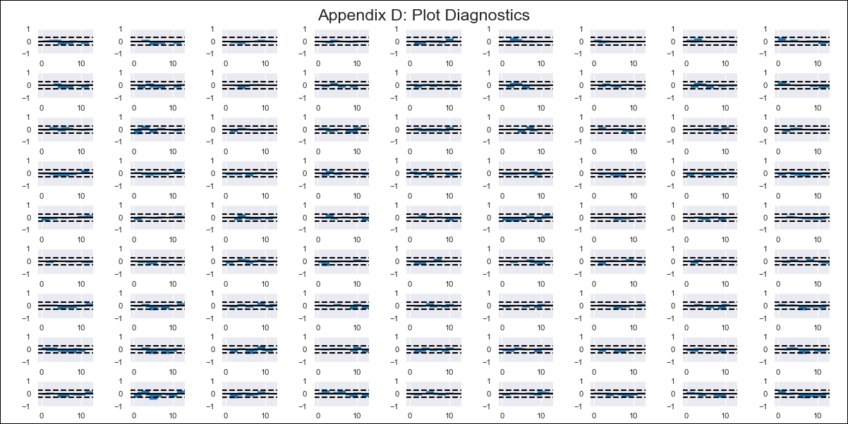
CHL - Inflation - Next 12 months forecast as of: 2023-09-01

Model | VAR - 4 | Exogenous Variables | Expectativas de inflación en 11 meses, Deposit Interest Rates (30 - 90 days) -Nominal, Price of Gold dollars per ounce, Price of Silver dollars per ounce, Brent oil price (US $ / barrel), Imports , PIB, Consumo Final Efectivo
Training Data | 2018-02-01 to 2022-10-01
Test Data | 2022-10-01 to 2023-09-01

Date | Inflation Change YoY % | Lower Bound - 95% Confidence Interval | Upper Bound - 95% Confidence Interval
2023-10-01 | 5.69 | 5.01 | 6.37
2023-11-01 | 4.93 | 2.86 | 5.83
2023-12-01 | 4.48 | 2.24 | 7.05
2024-01-01 | 4.38 | 1.41 | 8.59
2024-02-01 | 4.09 | -0.02 | 9.65
2024-03-01 | 3.34 | -1.8 | 10.49
2024-04-01 | 2.89 | -2.86 | 12.16
2024-05-01 | 2.48 | -4.22 | 13.6
2024-06-01 | 1.69 | -6.06 | 14.68
2024-07-01 | 1.05 | -7.41 | 16.33
2024-08-01 | -0.18 | -9.61 | 17.37
2024-09-01 | -1.13 | -11.07 | 19.36

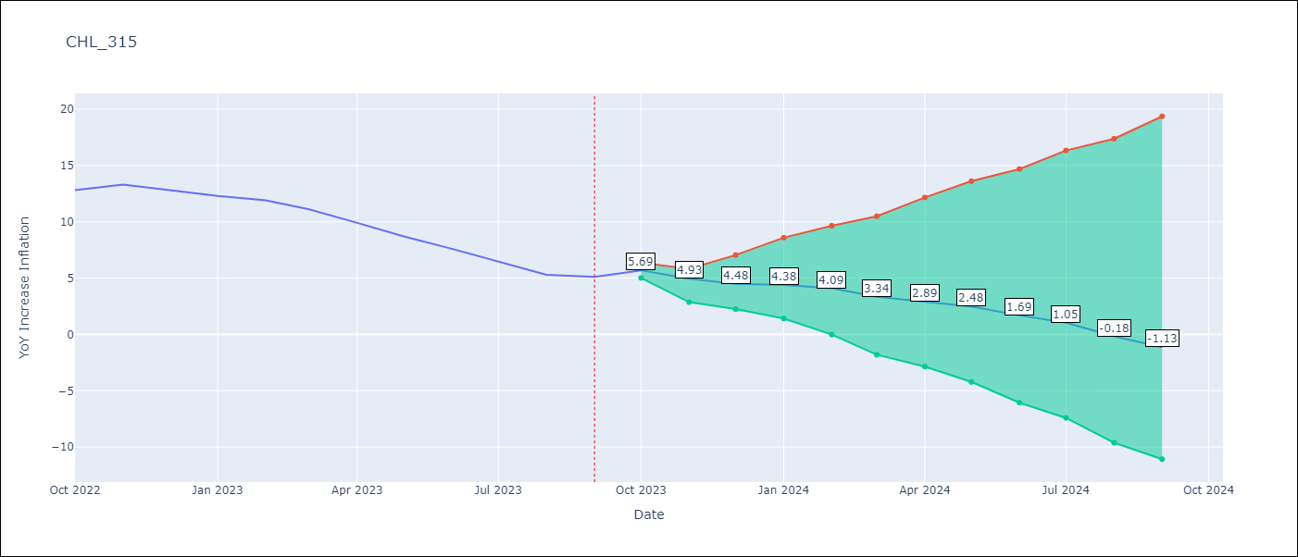

Test Metrics
RMSE | 0.68
Naive RMSE | 0.87
MAPE | 6.51%

Test Predictions
Date | Predicted | Actual
2022-10-01 | 14.09 | 12.8
2022-11-01 | 13.13 | 13.3
2022-12-01 | 12.48 | 12.8
2023-01-01 | 12.18 | 12.3
2023-02-01 | 11.69 | 11.9
2023-03-01 | 10.74 | 11.1
2023-04-01 | 10.09 | 9.9
2023-05-01 | 9.48 | 8.7
2023-06-01 | 8.49 | 7.6
2023-07-01 | 7.65 | 6.5
2023-08-01 | 6.22 | 5.3
2023-09-01 | 5.07 | 5.1

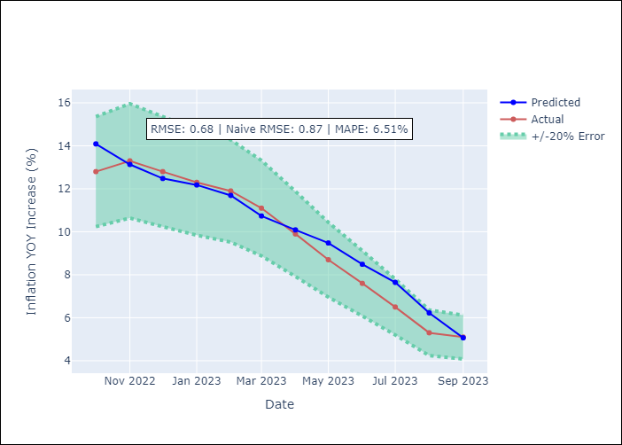

Appendix A: Model Summary
Model | VAR - 4
Sample | 2018-02-01 to 2023-09-01
No. of Observations | 68
Terms | P-value (Statistical significance)
L1.YoY Increase Inflation | 0.22243916525
L1.Expectativas de inflación en 11 meses | 0.58961948856
L1.Deposit Interest Rates (30 - 90 days) -Nominal | 0.1745815568
L1.Price of Gold dollars per ounce | 0.23464166377
L1.Price of Silver dollars per ounce | 0.89350262122
L1.Brent oil price (US $ / barrel) | 0.46525375903
L1.Imports | 0.66332014895
L1.PIB | 0.39593019939
L1.Consumo Final Efectivo | 0.21761111523
L2.YoY Increase Inflation | 0.34568102882
L2.Expectativas de inflación en 11 meses | 0.44251841968
L2.Deposit Interest Rates (30 - 90 days) -Nominal | 0.21226838966
L2.Price of Gold dollars per ounce | 0.58531741783
L2.Price of Silver dollars per ounce | 0.95674329214
L2.Brent oil price (US $ / barrel) | 0.74357614454
L2.Imports | 0.25808226
L2.PIB | 0.14336364109
L2.Consumo Final Efectivo | 0.90255982748
L3.YoY Increase Inflation | 0.96239728475
L3.Expectativas de inflación en 11 meses | 0.96930189049
L3.Deposit Interest Rates (30 - 90 days) -Nominal | 0.087427188567
L3.Price of Gold dollars per ounce | 0.47527726707
L3.Price of Silver dollars per ounce | 0.89739277323
L3.Brent oil price (US $ / barrel) | 0.77448949316
L3.Imports | 0.7368974077
L3.PIB | 0.99998666249
L3.Consumo Final Efectivo | 0.70226850447
L4.YoY Increase Inflation | 0.75630271961
L4.Expectativas de inflación en 11 meses | 0.99766500742
L4.Deposit Interest Rates (30 - 90 days) -Nominal | 0.93422128381
L4.Price of Gold dollars per ounce | 0.63318019667
L4.Price of Silver dollars per ounce | 0.88686781923
L4.Brent oil price (US $ / barrel) | 0.18274776196
L4.Imports | 0.64148494656
L4.PIB | 0.080288166759
L4.Consumo Final Efectivo | 0.38368537229
Assumptions | P-value

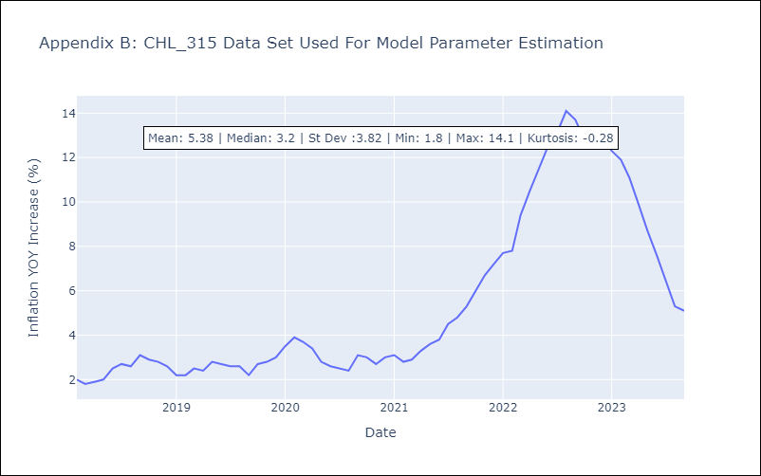

Appendix C: Residuals Analysis
Mean | -0.0
Errors AutoCorrelated? | 1.7438001364005131 | No Autocorrelation
Normal? | No

