CHL
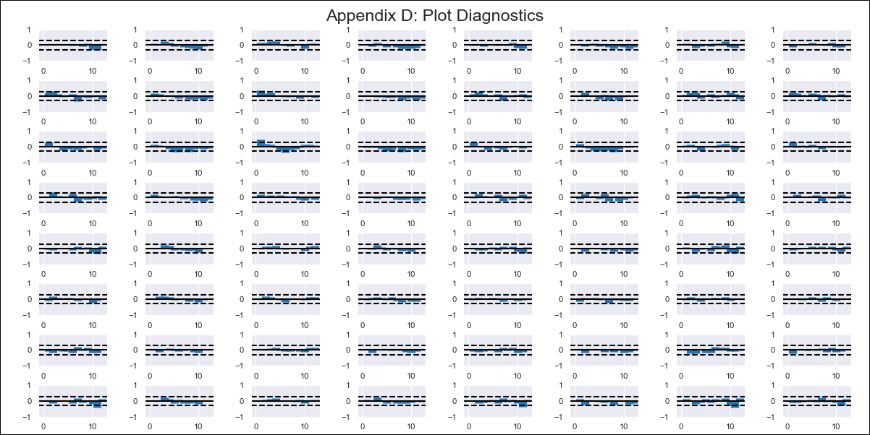
CHL - Inflation - Next 12 months forecast as of: 2023-09-01

Model | VAR - 4 | Exogenous Variables | 2.CPI without volatiles, 3.CPI Services without volatiles, 4.CPI Goods without volatiles, 5.CPI Volatile, 6.CPI Volatile Food, 7.CPI Volatile Energy, 8.CPI Rest of volatiles
Training Data | 2018-02-01 to 2022-10-01
Test Data | 2022-10-01 to 2023-09-01

Date | Inflation Change YoY % | Lower Bound - 95% Confidence Interval | Upper Bound - 95% Confidence Interval
2023-10-01 | 6.15 | 5.36 | 6.93
2023-11-01 | 6.12 | 3.36 | 6.78
2023-12-01 | 6.43 | 2.73 | 8.09
2024-01-01 | 6.34 | 1.27 | 8.74
2024-02-01 | 5.57 | -0.53 | 9.21
2024-03-01 | 4.42 | -2.2 | 10.09
2024-04-01 | 2.88 | -3.95 | 11.07
2024-05-01 | 1.88 | -4.85 | 13.07
2024-06-01 | 0.53 | -6.76 | 14.25
2024-07-01 | -0.42 | -7.95 | 16.26
2024-08-01 | -1.72 | -9.92 | 17.5
2024-09-01 | -2.86 | -11.36 | 19.3

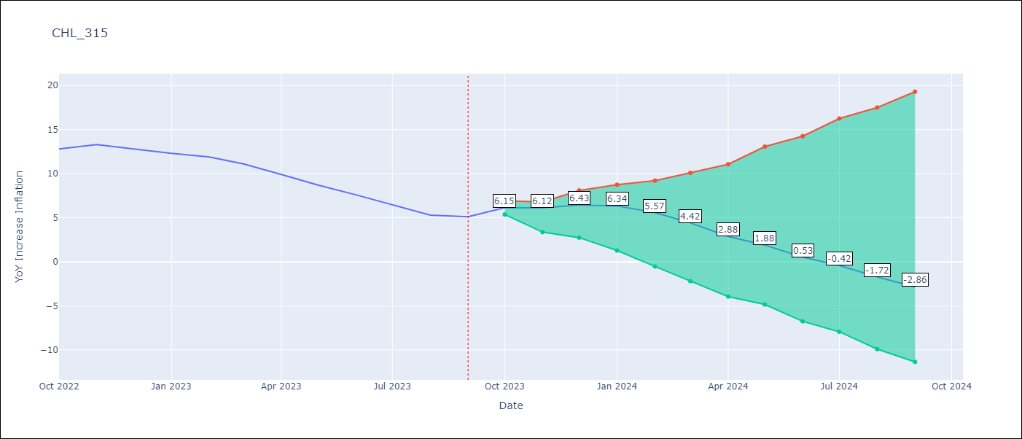

Test Metrics
RMSE | 1.15
Naive RMSE | 0.87
MAPE | 10.4%

Test Predictions
Date | Predicted | Actual
2022-10-01 | 14.55 | 12.8
2022-11-01 | 14.32 | 13.3
2022-12-01 | 14.43 | 12.8
2023-01-01 | 14.14 | 12.3
2023-02-01 | 13.17 | 11.9
2023-03-01 | 11.82 | 11.1
2023-04-01 | 10.08 | 9.9
2023-05-01 | 8.88 | 8.7
2023-06-01 | 7.33 | 7.6
2023-07-01 | 6.18 | 6.5
2023-08-01 | 4.68 | 5.3
2023-09-01 | 3.34 | 5.1

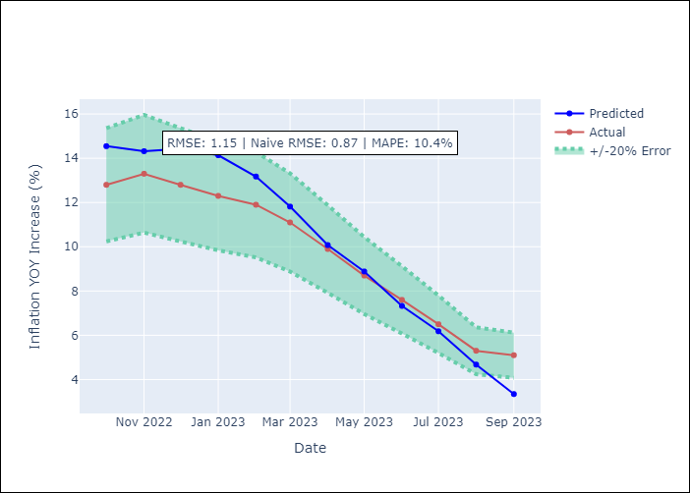

Appendix A: Model Summary
Model | VAR - 4
Sample | 2018-02-01 to 2023-09-01
No. of Observations | 68
Terms | P-value (Statistical significance)
Assumptions | P-value

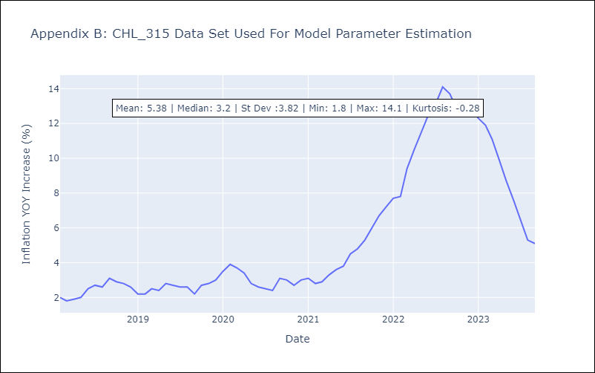

Appendix C: Residuals Analysis
Mean | 0.0
Errors AutoCorrelated? | 1.8066693530866618 | No Autocorrelation
Normal? | No

