CHL
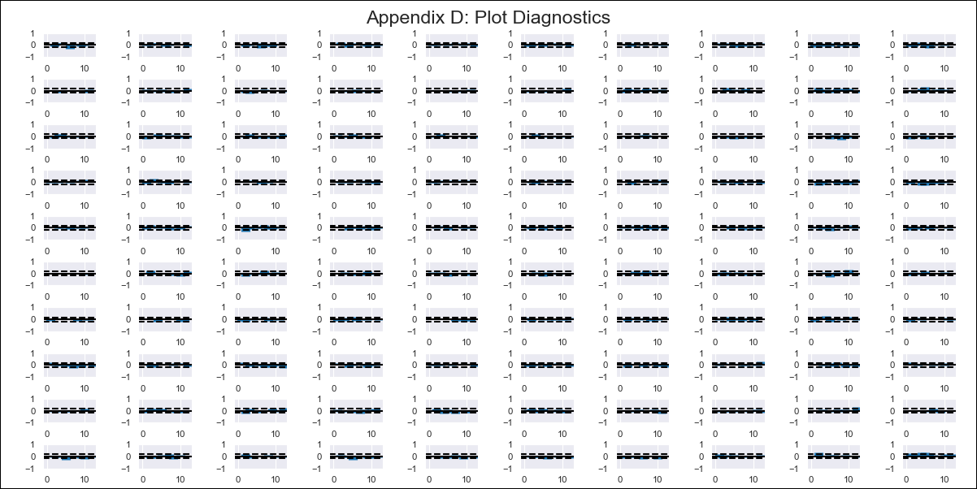
CHL - Inflation - Next 12 months forecast as of: 2023-09-01

Model | VAR - 12 | Exogenous Variables | Unemplyment rate yoy, Expectativas de inflación en 11 meses, Deposit Interest Rates (30 - 90 days) -Nominal, Price of Gold dollars per ounce, Price of Silver dollars per ounce, Price of Copper dollars per pound, M1_money_supply, Exports , Ahorro Bruto
Training Data | 2010-01-01 to 2022-10-01
Test Data | 2022-10-01 to 2023-09-01

Date | Inflation Change YoY % | Lower Bound - 95% Confidence Interval | Upper Bound - 95% Confidence Interval
2023-10-01 | 4.56 | 3.96 | 5.16
2023-11-01 | 4.4 | 3.55 | 6.34
2023-12-01 | 4.53 | 2.92 | 7.53
2024-01-01 | 4.53 | 1.84 | 8.37
2024-02-01 | 3.92 | 0.22 | 8.75
2024-03-01 | 4.12 | 0.01 | 10.6
2024-04-01 | 3.47 | -1.91 | 10.79
2024-05-01 | 1.68 | -4.15 | 10.78
2024-06-01 | 0.82 | -4.36 | 12.85
2024-07-01 | 1.02 | -4.47 | 15.08
2024-08-01 | -0.66 | -7.54 | 14.38
2024-09-01 | -0.72 | -7.17 | 17.25

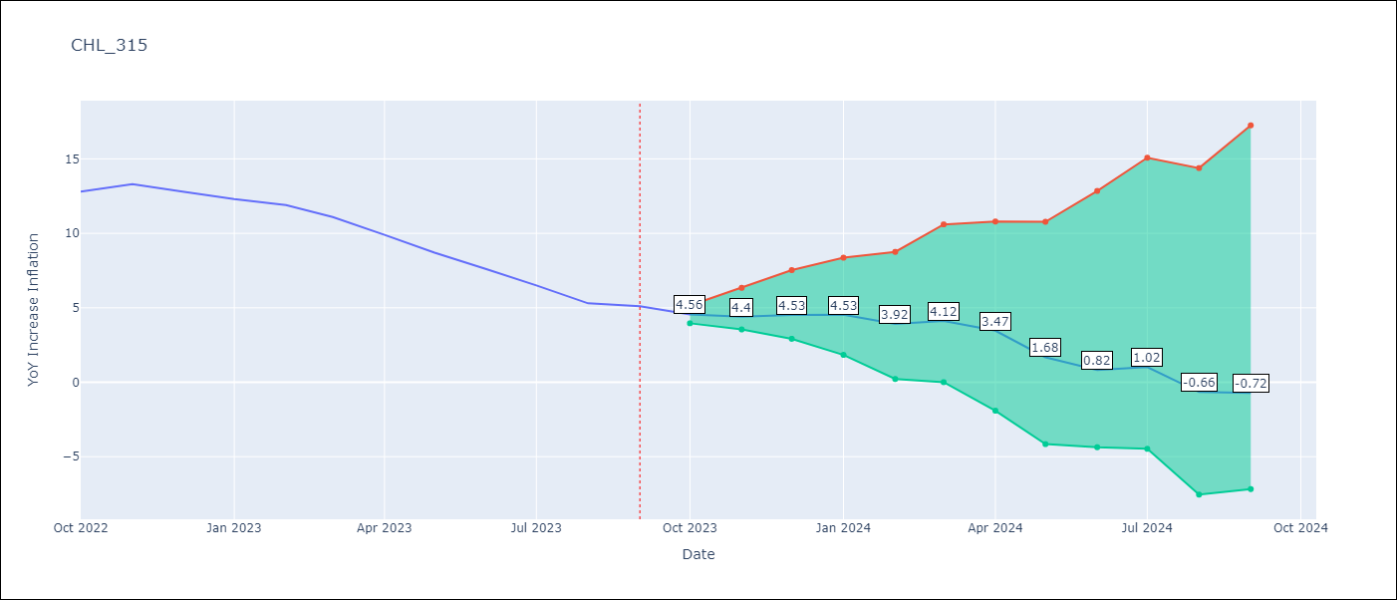

Test Metrics
RMSE | 0.51
Naive RMSE | 0.87
MAPE | 4.77%

Test Predictions
Date | Predicted | Actual
2022-10-01 | 12.96 | 12.8
2022-11-01 | 12.6 | 13.3
2022-12-01 | 12.53 | 12.8
2023-01-01 | 12.33 | 12.3
2023-02-01 | 11.52 | 11.9
2023-03-01 | 11.52 | 11.1
2023-04-01 | 10.67 | 9.9
2023-05-01 | 8.68 | 8.7
2023-06-01 | 7.62 | 7.6
2023-07-01 | 7.62 | 6.5
2023-08-01 | 5.74 | 5.3
2023-09-01 | 5.48 | 5.1

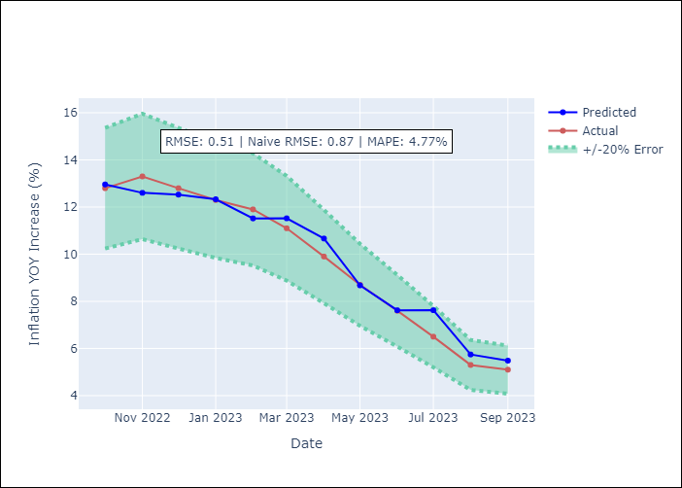

Appendix A: Model Summary
Model | VAR - 12
Sample | 2010-01-01 to 2023-09-01
No. of Observations | 165
L1.Price of Gold dollars per ounce | 0.011500080912
L3.Price of Gold dollars per ounce | 0.033755368342
L4.Expectativas de inflación en 11 meses | 0.042563479071
L8.Unemplyment rate yoy | 0.024385295141
L9.Exports | 0.017714785311
L10.Price of Gold dollars per ounce | 0.021706301675
L10.Exports | 0.046223523271
L11.Ahorro Bruto | 0.004070674623

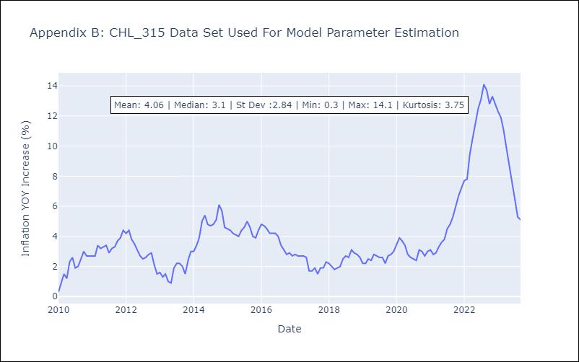

Appendix C: Residuals Analysis
Mean | 0.0
Errors AutoCorrelated? | 1.884074068960405 | No Autocorrelation
Normal? | No

