MEX
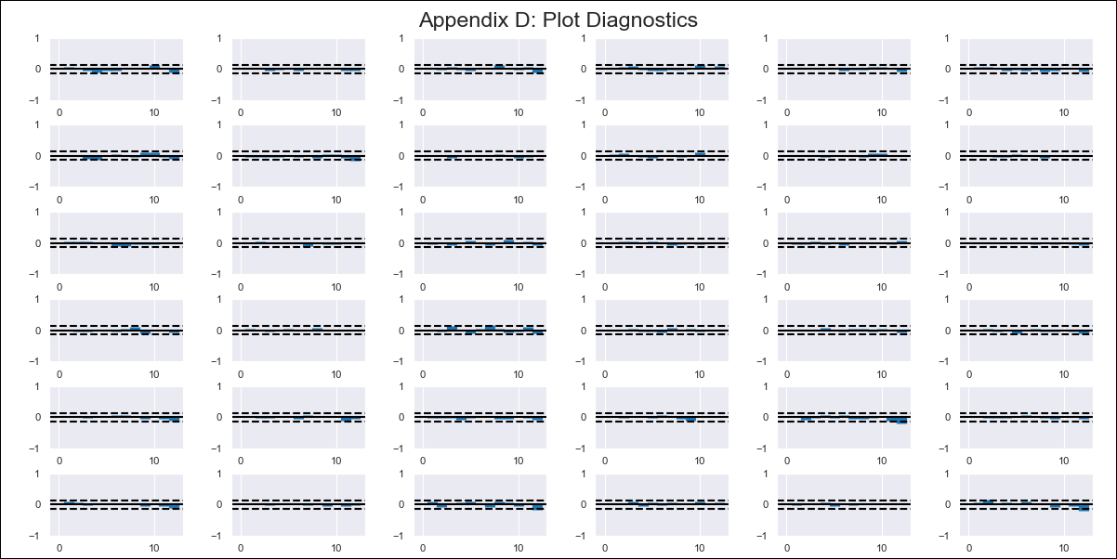
MEX - Inflation - Next 12 months forecast as of: 2023-09-01

Model | VAR - 12 | Exogenous Variables | COICOP2012: 1. Food and non-alcoholic beverages, COICOP2012: 3. Clothing and footwear, COICOP2012: 4. Housing, water, electricity, gas and other fuels, COICOP2012: 8. Communication, COICOP2012: 11. Restaurants and hotels
Training Data | 2003-07-01 to 2022-10-01
Test Data | 2022-10-01 to 2023-09-01

Date | Inflation Change YoY % | Lower Bound - 95% Confidence Interval | Upper Bound - 95% Confidence Interval
2023-10-01 | 3.96 | 3.44 | 4.49
2023-11-01 | 3.59 | 2.51 | 4.67
2023-12-01 | 3.61 | 1.95 | 5.27
2024-01-01 | 3.79 | 1.53 | 6.06
2024-02-01 | 3.72 | 0.83 | 6.6
2024-03-01 | 3.6 | 0.09 | 7.11
2024-04-01 | 3.09 | -1.06 | 7.23
2024-05-01 | 3.17 | -1.62 | 7.96
2024-06-01 | 3.18 | -2.27 | 8.63
2024-07-01 | 2.91 | -3.21 | 9.03
2024-08-01 | 2.24 | -4.58 | 9.05
2024-09-01 | 2.18 | -5.33 | 9.7

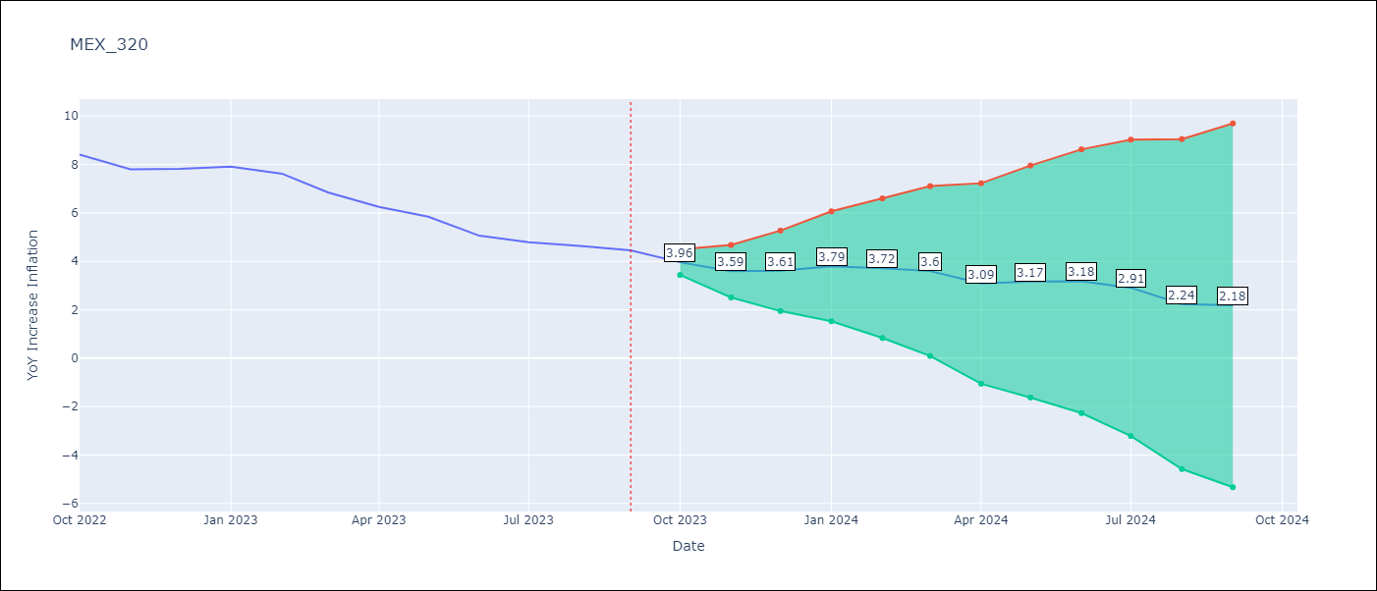

Test Metrics
RMSE | 1.4
Naive RMSE | 0.45
MAPE | 20.76%

Test Predictions
Date | Predicted | Actual
2022-10-01 | 8.21 | 8.41
2022-11-01 | 7.84 | 7.8
2022-12-01 | 7.86 | 7.82
2023-01-01 | 8.04 | 7.91
2023-02-01 | 7.97 | 7.62
2023-03-01 | 7.85 | 6.85
2023-04-01 | 7.34 | 6.25
2023-05-01 | 7.42 | 5.84
2023-06-01 | 7.43 | 5.06
2023-07-01 | 7.16 | 4.79
2023-08-01 | 6.49 | 4.64
2023-09-01 | 6.43 | 4.45

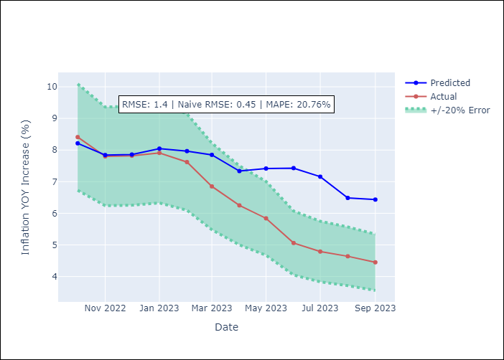

Appendix A: Model Summary
Model | VAR - 12
Sample | 2003-07-01 to 2023-09-01
No. of Observations | 241
Terms | P-value (Statistical significance)
L1.COICOP2012: 4. Housing, water, electricity, gas and other fuels | 0.042464268153
L1.COICOP2012: 8. Communication | 0.033541764447
L3.COICOP2012: 1. Food and non-alcoholic beverages | 0.019752614049
L5.YoY Increase Inflation | 0.015507462947
L5.COICOP2012: 1. Food and non-alcoholic beverages | 0.021673611222
L7.YoY Increase Inflation | 0.033226695246
L9.COICOP2012: 3. Clothing and footwear | 0.0021538633071
L9.COICOP2012: 4. Housing, water, electricity, gas and other fuels | 0.045473561989
L10.YoY Increase Inflation | 0.03162391432
L10.COICOP2012: 4. Housing, water, electricity, gas and other fuels | 0.028004970904
L12.YoY Increase Inflation | 0.00050069627812
L12.COICOP2012: 1. Food and non-alcoholic beverages | 0.032522845355
L12.COICOP2012: 8. Communication | 0.036132203982

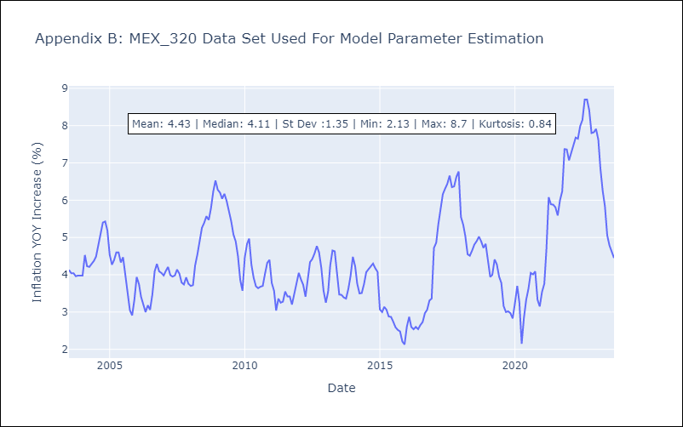

Appendix C: Residuals Analysis
Mean | -0.0
Errors AutoCorrelated? | 1.8693429719846342 | No Autocorrelation
Normal? | No

