CHL
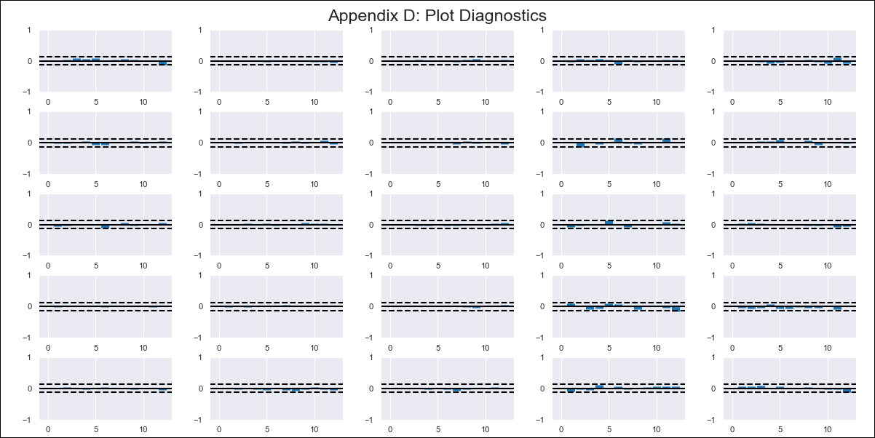
CHL - Inflation - Next 12 months forecast as of: 2024-02-01

Model | VAR - 12 | Exogenous Variables | Deposit Interest Rates - 30 to 90 days - Nominal, Oil Price $ per barrel, Economic Activity, Unemployment Rate
Training Data | 2001-09-01 to 2023-03-01
Test Data | 2023-03-01 to 2024-02-01

Date | Inflation Change YoY % | Lower Bound - 95% Confidence Interval | Upper Bound - 95% Confidence Interval
2024-03-01 | 3.12 | 2.4 | 3.84
2024-04-01 | 2.84 | 1.34 | 4.34
2024-05-01 | 1.74 | -0.57 | 4.05
2024-06-01 | 0.6 | -2.56 | 3.76
2024-07-01 | 0.51 | -3.5 | 4.53
2024-08-01 | -0.77 | -5.67 | 4.13
2024-09-01 | -1.27 | -7.07 | 4.53
2024-10-01 | -1.4 | -8.12 | 5.31
2024-11-01 | -2.12 | -9.79 | 5.54
2024-12-01 | -2 | -10.61 | 6.62
2025-01-01 | -2.59 | -12.17 | 7
2025-02-01 | -2.84 | -13.43 | 7.76

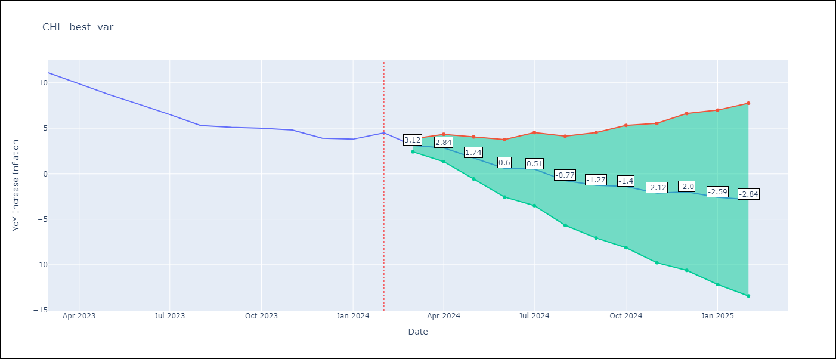

Test Metrics
RMSE | 0.92
Naive RMSE | 0.86
MAPE | 15.2%

Test Predictions
Date | Predicted | Actual
2023-03-01 | 10.52 | 11.1
2023-04-01 | 10.24 | 9.9
2023-05-01 | 9.14 | 8.7
2023-06-01 | 8 | 7.6
2023-07-01 | 7.91 | 6.5
2023-08-01 | 6.63 | 5.3
2023-09-01 | 6.13 | 5.1
2023-10-01 | 6 | 5
2023-11-01 | 5.28 | 4.8
2023-12-01 | 5.4 | 3.9
2024-01-01 | 4.81 | 3.8
2024-02-01 | 4.56 | 4.5

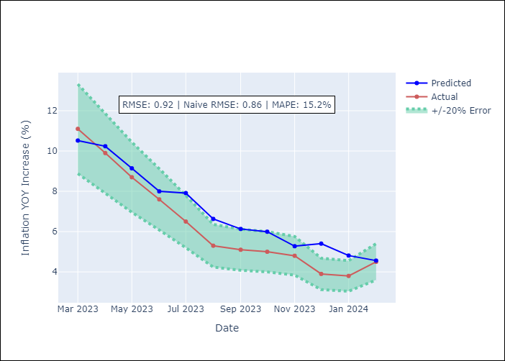

Appendix A: Model Summary
Model | VAR - 12
Sample | 2001-09-01 to 2024-02-01
No. of Observations | 270
Terms | P-value (Statistical significance)
L1.YoY Increase Inflation | 4.1212323588E-05
L1.Deposit Interest Rates - 30 to 90 days - Nominal | 0.32335065963
L1.Oil Price $ per barrel | 0.00024857632835
L1.Economic Activity | 0.44317987775
L1.Unemployment Rate | 0.12547956538
L2.YoY Increase Inflation | 0.080306605581
L2.Deposit Interest Rates - 30 to 90 days - Nominal | 0.6809271214
L2.Oil Price $ per barrel | 0.18744454173
L2.Economic Activity | 0.97765591538
L2.Unemployment Rate | 0.14742902136
L3.YoY Increase Inflation | 0.041880732788
L3.Deposit Interest Rates - 30 to 90 days - Nominal | 0.09757317582
L3.Oil Price $ per barrel | 0.01294356901
L3.Economic Activity | 0.86166437418
L3.Unemployment Rate | 0.61985163429
L4.YoY Increase Inflation | 0.41963398811
L4.Deposit Interest Rates - 30 to 90 days - Nominal | 0.37708847143
L4.Oil Price $ per barrel | 0.33762649169
L4.Economic Activity | 0.72860336214
L4.Unemployment Rate | 0.097089904053
L5.YoY Increase Inflation | 0.007983489108
L5.Deposit Interest Rates - 30 to 90 days - Nominal | 0.064701385075
L5.Oil Price $ per barrel | 0.074938289328
L5.Economic Activity | 0.59939936909
L5.Unemployment Rate | 0.53282243775
L6.YoY Increase Inflation | 0.43234593484
L6.Deposit Interest Rates - 30 to 90 days - Nominal | 0.38320872686
L6.Oil Price $ per barrel | 0.41819902126
L6.Economic Activity | 0.40207669202
L6.Unemployment Rate | 0.024465300067
L7.YoY Increase Inflation | 0.30276197568
L7.Deposit Interest Rates - 30 to 90 days - Nominal | 0.081005051865
L7.Oil Price $ per barrel | 0.97497480814
L7.Economic Activity | 0.67893196131
L7.Unemployment Rate | 0.24850476349
L8.YoY Increase Inflation | 0.22524779384
L8.Deposit Interest Rates - 30 to 90 days - Nominal | 0.13967359444
L8.Oil Price $ per barrel | 0.039824386293
L8.Economic Activity | 0.83447843695
L8.Unemployment Rate | 0.94252400652
L9.YoY Increase Inflation | 0.073557037035
L9.Deposit Interest Rates - 30 to 90 days - Nominal | 0.24511845882
L9.Oil Price $ per barrel | 0.11376216807
L9.Economic Activity | 0.86419947108
L9.Unemployment Rate | 0.36403688839
L10.YoY Increase Inflation | 0.023898230595
L10.Deposit Interest Rates - 30 to 90 days - Nominal | 0.54048966499
L10.Oil Price $ per barrel | 0.41400247809
L10.Economic Activity | 0.69653778905
L10.Unemployment Rate | 0.86722020989
L11.YoY Increase Inflation | 0.23954872743
L11.Deposit Interest Rates - 30 to 90 days - Nominal | 0.00098641960807
L11.Oil Price $ per barrel | 0.048119494774
L11.Economic Activity | 0.34729443008
L11.Unemployment Rate | 0.59717430543
L12.YoY Increase Inflation | 2.5105397065E-06
L12.Deposit Interest Rates - 30 to 90 days - Nominal | 0.82958630443
L12.Oil Price $ per barrel | 0.0064921914521
L12.Economic Activity | 0.66322878977
L12.Unemployment Rate | 0.63390134905
Assumptions | P-value

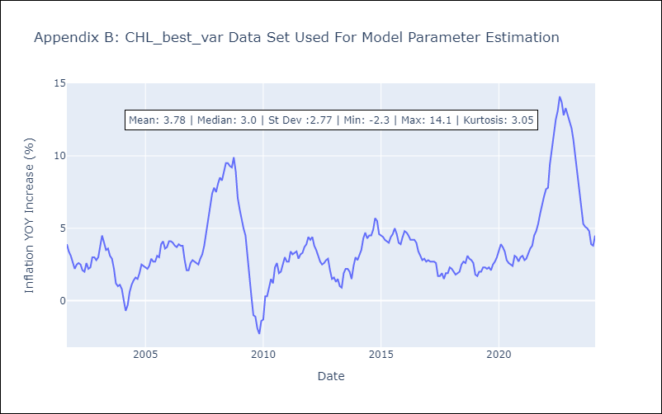

Appendix C: Residuals Analysis
Mean | 0.0
Errors AutoCorrelated? | 2.005208774072509 | No Autocorrelation
Normal? | No

