CHL
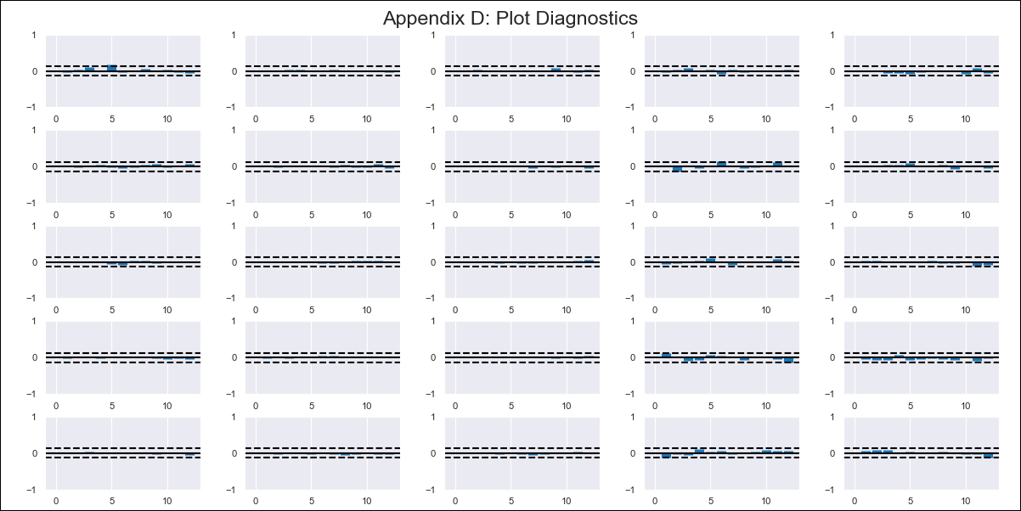
CHL - Inflation - Next 12 months forecast as of: 2024-02-01

Model | VAR - 12 | Exogenous Variables | Deposit Interest Rates - 30 to 90 days - Nominal, Oil Price $ per barrel, Economic Activity, Unemployment Rate
Training Data | 2001-09-01 to 2023-03-01
Test Data | 2023-03-01 to 2024-02-01

Date | Inflation Change YoY % | Lower Bound - 95% Confidence Interval | Upper Bound - 95% Confidence Interval
2024-03-01 | 2.93 | 2.12 | 3.81
2024-04-01 | 2.69 | 1.16 | 4.56
2024-05-01 | 1.74 | -0.13 | 4.42
2024-06-01 | 0.83 | -1.09 | 4.18
2024-07-01 | 0.77 | -1.51 | 5.2
2024-08-01 | -0.07 | -2.33 | 4.78
2024-09-01 | -0.18 | -2.73 | 5.75
2024-10-01 | -0.29 | -3.13 | 6.79
2024-11-01 | -0.6 | -3.64 | 7.36
2024-12-01 | -0.42 | -3.84 | 9.47
2025-01-01 | -0.65 | -4.29 | 10.4
2025-02-01 | -0.65 | -4.61 | 12.27

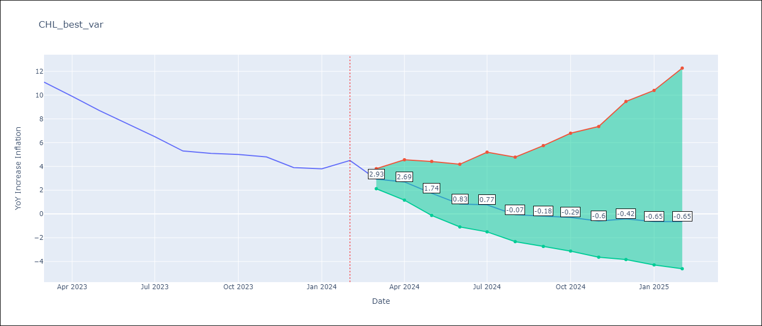

Test Metrics
RMSE | 1.03
Naive RMSE | 0.86
MAPE | 41.54%

Test Predictions
Date | Predicted | Actual
2023-03-01 | 9.59 | 11.1
2023-04-01 | 9.23 | 9.9
2023-05-01 | 7.73 | 8.7
2023-06-01 | 6.18 | 7.6
2023-07-01 | 6.07 | 6.5
2023-08-01 | 4.46 | 5.3
2023-09-01 | 4.23 | 5.1
2023-10-01 | 3.98 | 5
2023-11-01 | 3.3 | 4.8
2023-12-01 | 3.71 | 3.9
2024-01-01 | 3.2 | 3.8
2024-02-01 | 3.19 | 4.5

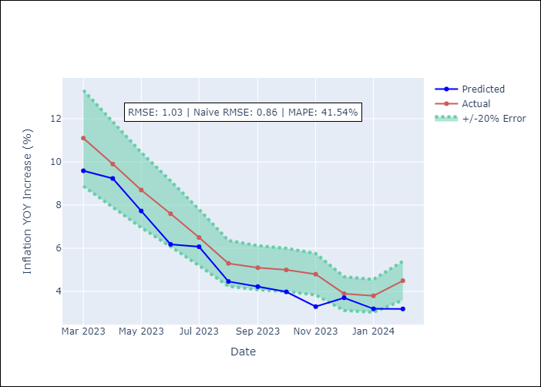

Appendix A: Model Summary
Model | VAR - 12
Sample | 2001-09-01 to 2024-02-01
No. of Observations | 270
Terms | P-value (Statistical significance)
L1.YoY Increase Inflation | 0.0052197747397
L1.Deposit Interest Rates - 30 to 90 days - Nominal | 0.097948453155
L1.Oil Price $ per barrel | 0.0014262631985
L1.Economic Activity | 0.44384329293
L1.Unemployment Rate | 0.02157899065
L2.YoY Increase Inflation | 0.74235936171
L2.Deposit Interest Rates - 30 to 90 days - Nominal | 0.42533345901
L2.Oil Price $ per barrel | 0.78891168648
L2.Economic Activity | 0.65629557742
L2.Unemployment Rate | 0.059110993947
L3.YoY Increase Inflation | 0.24561412184
L3.Deposit Interest Rates - 30 to 90 days - Nominal | 0.10393933598
L3.Oil Price $ per barrel | 0.027484619994
L3.Economic Activity | 0.77230723609
L3.Unemployment Rate | 0.87201417896
L4.YoY Increase Inflation | 0.034089758991
L4.Deposit Interest Rates - 30 to 90 days - Nominal | 0.33301837485
L4.Oil Price $ per barrel | 0.66783376809
L4.Economic Activity | 0.4296843296
L4.Unemployment Rate | 0.11932875516
L5.YoY Increase Inflation | 0.0036876820325
L5.Deposit Interest Rates - 30 to 90 days - Nominal | 0.059772333023
L5.Oil Price $ per barrel | 0.53123413068
L5.Economic Activity | 0.53339564283
L5.Unemployment Rate | 0.85560942475
L6.YoY Increase Inflation | 0.17298056499
L6.Deposit Interest Rates - 30 to 90 days - Nominal | 0.18517733704
L6.Oil Price $ per barrel | 0.35540593286
L6.Economic Activity | 0.45231197715
L6.Unemployment Rate | 0.030287644944
L7.YoY Increase Inflation | 0.095737442448
L7.Deposit Interest Rates - 30 to 90 days - Nominal | 0.09118715968
L7.Oil Price $ per barrel | 0.60629405687
L7.Economic Activity | 0.5968154007
L7.Unemployment Rate | 0.37203365495
L8.YoY Increase Inflation | 0.99955959897
L8.Deposit Interest Rates - 30 to 90 days - Nominal | 0.0037014364092
L8.Oil Price $ per barrel | 0.0063366979287
L8.Economic Activity | 0.7014417266
L8.Unemployment Rate | 0.49951361004
L9.YoY Increase Inflation | 0.22197286436
L9.Deposit Interest Rates - 30 to 90 days - Nominal | 0.17246443705
L9.Oil Price $ per barrel | 0.15421756834
L9.Economic Activity | 0.83626900224
L9.Unemployment Rate | 0.20336250062
L10.YoY Increase Inflation | 0.087635850948
L10.Deposit Interest Rates - 30 to 90 days - Nominal | 0.35533268997
L10.Oil Price $ per barrel | 0.18830016468
L10.Economic Activity | 0.58194638931
L10.Unemployment Rate | 0.92354767499
L11.YoY Increase Inflation | 0.21946501025
L11.Deposit Interest Rates - 30 to 90 days - Nominal | 0.00065336839383
L11.Oil Price $ per barrel | 0.0023989032184
L11.Economic Activity | 0.46469929128
L11.Unemployment Rate | 0.75018431943
L12.YoY Increase Inflation | 1.799997153E-05
L12.Deposit Interest Rates - 30 to 90 days - Nominal | 0.60478803638
L12.Oil Price $ per barrel | 0.034362545848
L12.Economic Activity | 0.60528419162
L12.Unemployment Rate | 0.82224907681
Assumptions | P-value

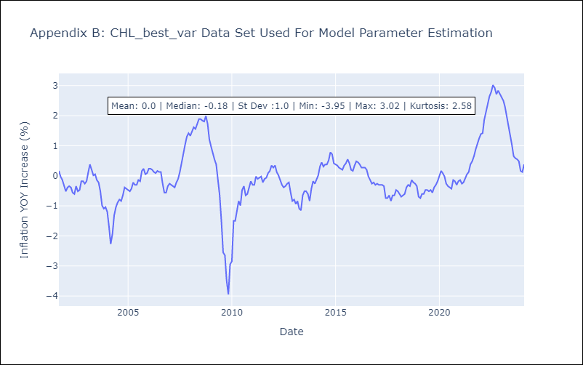

Appendix C: Residuals Analysis
Mean | 0.0
Errors AutoCorrelated? | 2.061792293656368 | No Autocorrelation
Normal? | No

