CHL
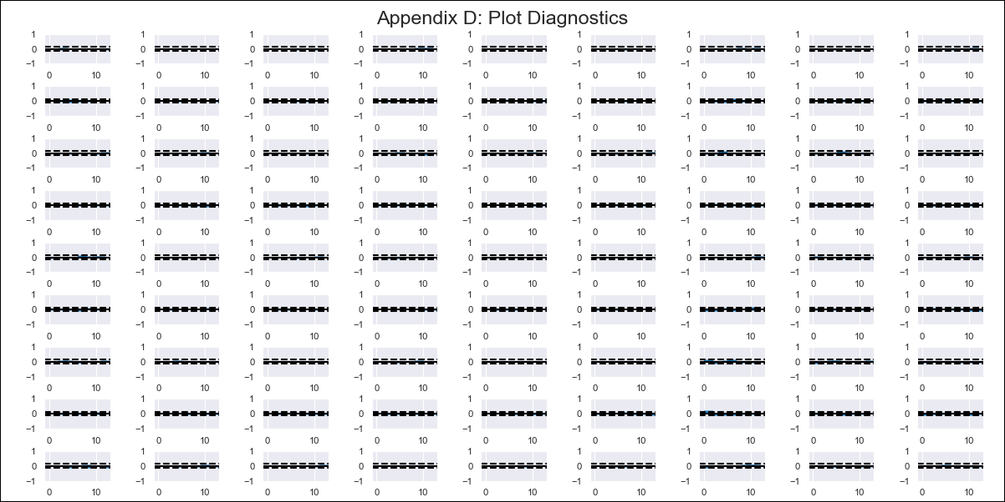
CHL - Inflation - Next 12 months forecast as of: 2024-02-01

Model | VAR - 12 | Exogenous Variables | Deposit Interest Rates - 30 to 90 days - Nominal, US 10-Year Bond Rates , Real Exchange Rate Index, Expectativas de inflación en 11 meses, Oil Price $ per barrel, Economic Activity, General Wage Index, Unemployment Rate
Training Data | 2001-09-01 to 2023-03-01
Test Data | 2023-03-01 to 2024-02-01

Date | Inflation Change YoY % | Lower Bound - 95% Confidence Interval | Upper Bound - 95% Confidence Interval
2024-03-01 | 3.47 | 2.82 | 4.12
2024-04-01 | 3.98 | 2.56 | 5.39
2024-05-01 | 3.14 | 0.91 | 5.37
2024-06-01 | 2.54 | -0.54 | 5.62
2024-07-01 | 2.76 | -1.18 | 6.71
2024-08-01 | 2.3 | -2.55 | 7.14
2024-09-01 | 2.44 | -3.35 | 8.23
2024-10-01 | 2.59 | -4.17 | 9.34
2024-11-01 | 2.07 | -5.68 | 9.83
2024-12-01 | 2.46 | -6.31 | 11.23
2025-01-01 | 2.14 | -7.67 | 11.96
2025-02-01 | 2.78 | -8.12 | 13.68

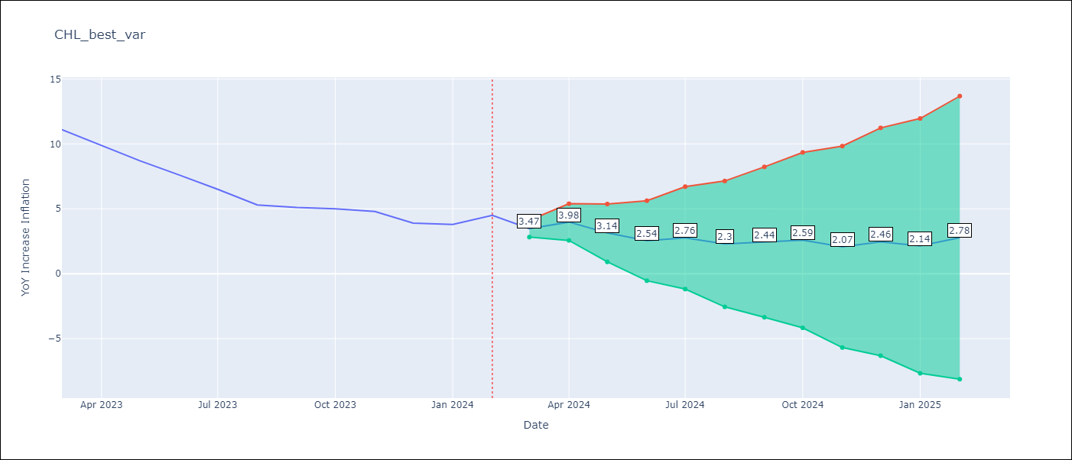

Test Metrics
RMSE | 4.22
Naive RMSE | 0.86
MAPE | 77.38%

Test Predictions
Date | Predicted | Actual
2023-03-01 | 10.87 | 11.1
2023-04-01 | 11.38 | 9.9
2023-05-01 | 10.54 | 8.7
2023-06-01 | 9.94 | 7.6
2023-07-01 | 10.16 | 6.5
2023-08-01 | 9.7 | 5.3
2023-09-01 | 9.84 | 5.1
2023-10-01 | 9.99 | 5
2023-11-01 | 9.47 | 4.8
2023-12-01 | 9.86 | 3.9
2024-01-01 | 9.54 | 3.8
2024-02-01 | 10.18 | 4.5

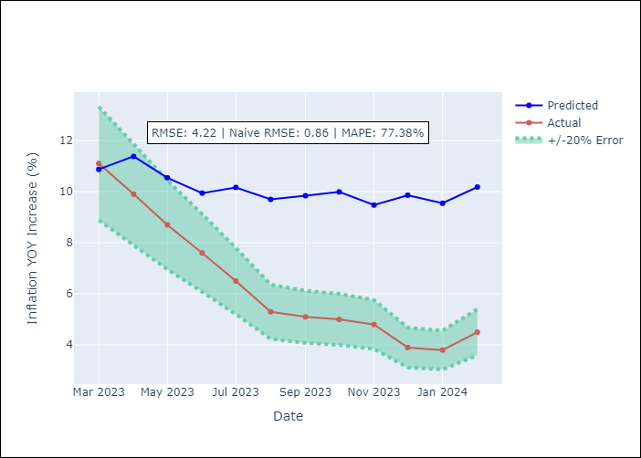

Appendix A: Model Summary
Model | VAR - 12
Sample | 2001-09-01 to 2024-02-01
No. of Observations | 270
Terms | P-value (Statistical significance)
L1.YoY Increase Inflation | 0.0011539341602
L1.Deposit Interest Rates - 30 to 90 days - Nominal | 0.20205117058
L1.US 10-Year Bond Rates | 0.27721440582
L1.Real Exchange Rate Index | 0.0051436952226
L1.Expectativas de inflación en 11 meses | 0.0011653693179
L1.Oil Price $ per barrel | 0.27294434039
L1.Economic Activity | 0.94580535684
L1.General Wage Index | 0.11559206691
L1.Unemployment Rate | 0.024817871664
L2.YoY Increase Inflation | 8.1164453366E-05
L2.Deposit Interest Rates - 30 to 90 days - Nominal | 0.73993552189
L2.US 10-Year Bond Rates | 0.23328495178
L2.Real Exchange Rate Index | 0.80015980144
L2.Expectativas de inflación en 11 meses | 0.47409468828
L2.Oil Price $ per barrel | 0.1272018219
L2.Economic Activity | 0.30719919463
L2.General Wage Index | 0.14839236855
L2.Unemployment Rate | 0.054872269195
L3.YoY Increase Inflation | 0.026779376683
L3.Deposit Interest Rates - 30 to 90 days - Nominal | 0.094184868624
L3.US 10-Year Bond Rates | 0.92689335803
L3.Real Exchange Rate Index | 0.86016373374
L3.Expectativas de inflación en 11 meses | 0.75485783422
L3.Oil Price $ per barrel | 0.56242805617
L3.Economic Activity | 0.74115062961
L3.General Wage Index | 0.057086519979
L3.Unemployment Rate | 0.91815887453
L4.YoY Increase Inflation | 0.029946472085
L4.Deposit Interest Rates - 30 to 90 days - Nominal | 0.17247168833
L4.US 10-Year Bond Rates | 0.070521744494
L4.Real Exchange Rate Index | 0.98367307891
L4.Expectativas de inflación en 11 meses | 0.25636408193
L4.Oil Price $ per barrel | 0.79629227241
L4.Economic Activity | 0.96296305886
L4.General Wage Index | 0.46940804544
L4.Unemployment Rate | 0.23867355018
L5.YoY Increase Inflation | 0.26506772922
L5.Deposit Interest Rates - 30 to 90 days - Nominal | 0.049509139075
L5.US 10-Year Bond Rates | 0.21988715592
L5.Real Exchange Rate Index | 0.39039793998
L5.Expectativas de inflación en 11 meses | 0.3815924666
L5.Oil Price $ per barrel | 0.20089931905
L5.Economic Activity | 0.44646412334
L5.General Wage Index | 0.30390584289
L5.Unemployment Rate | 0.99419882588
L6.YoY Increase Inflation | 0.31368639893
L6.Deposit Interest Rates - 30 to 90 days - Nominal | 0.43559502541
L6.US 10-Year Bond Rates | 0.98282271592
L6.Real Exchange Rate Index | 0.42636161528
L6.Expectativas de inflación en 11 meses | 0.057221161138
L6.Oil Price $ per barrel | 0.19569514463
L6.Economic Activity | 0.36891575986
L6.General Wage Index | 0.060611575446
L6.Unemployment Rate | 0.12237239678
L7.YoY Increase Inflation | 0.85521660151
L7.Deposit Interest Rates - 30 to 90 days - Nominal | 0.060080168726
L7.US 10-Year Bond Rates | 0.3195327355
L7.Real Exchange Rate Index | 0.41534497713
L7.Expectativas de inflación en 11 meses | 0.42685474131
L7.Oil Price $ per barrel | 0.94220135121
L7.Economic Activity | 0.51000706214
L7.General Wage Index | 0.2257115563
L7.Unemployment Rate | 0.24538363537
L8.YoY Increase Inflation | 0.18440748877
L8.Deposit Interest Rates - 30 to 90 days - Nominal | 0.0078178092253
L8.US 10-Year Bond Rates | 0.058543004134
L8.Real Exchange Rate Index | 0.066437188539
L8.Expectativas de inflación en 11 meses | 0.99182480681
L8.Oil Price $ per barrel | 0.45411988699
L8.Economic Activity | 0.43392814528
L8.General Wage Index | 0.055521698316
L8.Unemployment Rate | 0.70623114858
L9.YoY Increase Inflation | 0.012332647252
L9.Deposit Interest Rates - 30 to 90 days - Nominal | 0.058800233281
L9.US 10-Year Bond Rates | 0.027117126854
L9.Real Exchange Rate Index | 0.06947030082
L9.Expectativas de inflación en 11 meses | 0.44403331664
L9.Oil Price $ per barrel | 0.10948377791
L9.Economic Activity | 0.72482273321
L9.General Wage Index | 0.81488569899
L9.Unemployment Rate | 0.28682027093
L10.YoY Increase Inflation | 0.069121676645
L10.Deposit Interest Rates - 30 to 90 days - Nominal | 0.074262803301
L10.US 10-Year Bond Rates | 0.0004639207948
L10.Real Exchange Rate Index | 0.60007343788
L10.Expectativas de inflación en 11 meses | 0.081813133196
L10.Oil Price $ per barrel | 0.37034072883
L10.Economic Activity | 0.145938053
L10.General Wage Index | 0.85941069549
L10.Unemployment Rate | 0.83358451449
L11.YoY Increase Inflation | 0.84656060293
L11.Deposit Interest Rates - 30 to 90 days - Nominal | 0.00039558201073
L11.US 10-Year Bond Rates | 0.74634096447
L11.Real Exchange Rate Index | 0.012190828635
L11.Expectativas de inflación en 11 meses | 0.18252758914
L11.Oil Price $ per barrel | 0.25304902363
L11.Economic Activity | 0.79187125382
L11.General Wage Index | 0.14552395577
L11.Unemployment Rate | 0.62142857579
L12.YoY Increase Inflation | 2.4877585971E-05
L12.Deposit Interest Rates - 30 to 90 days - Nominal | 0.86961308424
L12.US 10-Year Bond Rates | 0.035101833019
L12.Real Exchange Rate Index | 0.016366358915
L12.Expectativas de inflación en 11 meses | 0.010559701572
L12.Oil Price $ per barrel | 0.042520166993
L12.Economic Activity | 0.23153853615
L12.General Wage Index | 0.11856202492
L12.Unemployment Rate | 0.9143870096
Assumptions | P-value

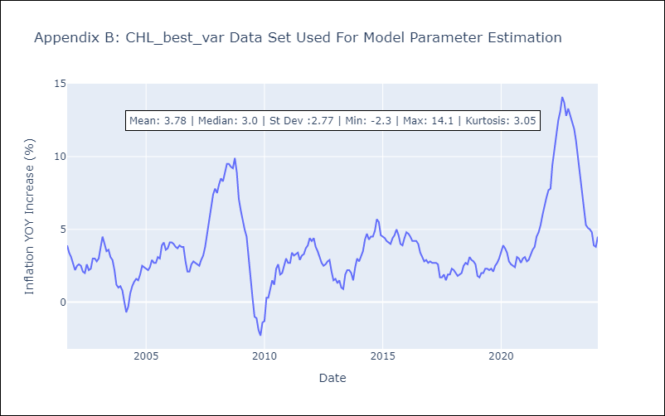

Appendix C: Residuals Analysis
Mean | -0.0
Errors AutoCorrelated? | 2.0563703293740594 | No Autocorrelation
Normal? | No

