CHL
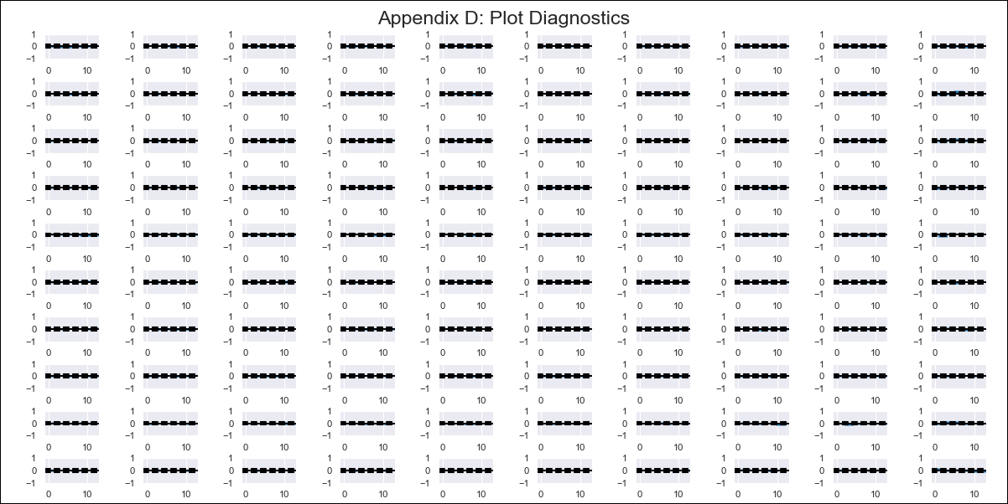
CHL - Inflation - Next 12 months forecast as of: 2024-02-01

Model | VAR - 12 | Exogenous Variables | Deposit Interest Rates - 30 to 90 days - Nominal, US 10-Year Bond Rates , Oil Price $ per barrel, Food Price Index, Nominal Observed Exchange Rate, Expectativas de inflación en 11 meses, CPI_United States, PPI_United States_Finshed Goods, Economic Activity
Training Data | 2001-09-01 to 2023-03-01
Test Data | 2023-03-01 to 2024-02-01

Date | Inflation Change YoY % | Lower Bound - 95% Confidence Interval | Upper Bound - 95% Confidence Interval
2024-03-01 | -0.6 | -0.94 | -0.26
2024-04-01 | -0.81 | -1.53 | -0.08
2024-05-01 | -1.41 | -2.54 | -0.28
2024-06-01 | -1.81 | -3.35 | -0.27
2024-07-01 | -1.96 | -3.92 | -0.01
2024-08-01 | -2.15 | -4.53 | 0.24
2024-09-01 | -2.1 | -4.94 | 0.74
2024-10-01 | -2.22 | -5.52 | 1.08
2024-11-01 | -2.32 | -6.11 | 1.47
2024-12-01 | -2.15 | -6.44 | 2.14
2025-01-01 | -1.95 | -6.77 | 2.86
2025-02-01 | -1.75 | -7.11 | 3.61

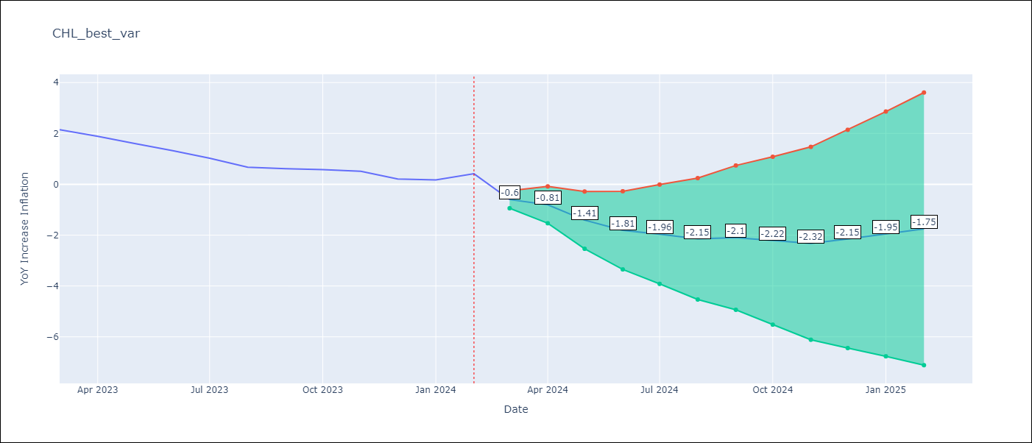

Test Metrics
RMSE | 0.85
Naive RMSE | 0.23
MAPE | 113.53%

Test Predictions
Date | Predicted | Actual
2023-03-01 | 1.31 | 2.15
2023-04-01 | 1.1 | 1.88
2023-05-01 | 0.49 | 1.6
2023-06-01 | 0.09 | 1.32
2023-07-01 | -0.06 | 1.03
2023-08-01 | -0.24 | 0.67
2023-09-01 | -0.19 | 0.61
2023-10-01 | -0.31 | 0.58
2023-11-01 | -0.42 | 0.51
2023-12-01 | -0.24 | 0.2
2024-01-01 | -0.05 | 0.17
2024-02-01 | 0.15 | 0.41

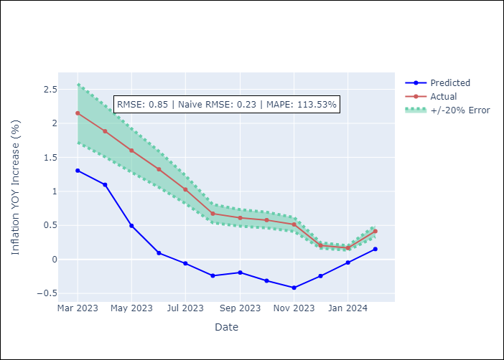

Appendix A: Model Summary
Model | VAR - 12
Sample | 2001-09-01 to 2024-02-01
No. of Observations | 270
Terms | P-value (Statistical significance)
L1.YoY Increase Inflation | 0.77931737659
L1.Deposit Interest Rates - 30 to 90 days - Nominal | 0.11993967036
L1.US 10-Year Bond Rates | 0.5938131707
L1.Oil Price $ per barrel | 0.29514217558
L1.Food Price Index | 0.41199899856
L1.Nominal Observed Exchange Rate | 0.0061586929419
L1.Expectativas de inflación en 11 meses | 0.061450797691
L1.CPI_United States | 0.065192693841
L1.PPI_United States_Finshed Goods | 0.092371377827
L1.Economic Activity | 0.24377862404
L2.YoY Increase Inflation | 0.33455188352
L2.Deposit Interest Rates - 30 to 90 days - Nominal | 0.11712166735
L2.US 10-Year Bond Rates | 0.22330910001
L2.Oil Price $ per barrel | 0.56253394257
L2.Food Price Index | 0.20438381628
L2.Nominal Observed Exchange Rate | 0.074730132565
L2.Expectativas de inflación en 11 meses | 0.45406206229
L2.CPI_United States | 0.62181010985
L2.PPI_United States_Finshed Goods | 0.79239104891
L2.Economic Activity | 0.128502706
L3.YoY Increase Inflation | 0.1143639062
L3.Deposit Interest Rates - 30 to 90 days - Nominal | 0.013825463231
L3.US 10-Year Bond Rates | 0.67362127265
L3.Oil Price $ per barrel | 0.78225028776
L3.Food Price Index | 0.37632184873
L3.Nominal Observed Exchange Rate | 0.57592537815
L3.Expectativas de inflación en 11 meses | 0.43765621982
L3.CPI_United States | 0.21480670426
L3.PPI_United States_Finshed Goods | 0.16353991705
L3.Economic Activity | 0.13035096968
L4.YoY Increase Inflation | 0.41510963536
L4.Deposit Interest Rates - 30 to 90 days - Nominal | 0.21882131957
L4.US 10-Year Bond Rates | 0.041289618651
L4.Oil Price $ per barrel | 0.25863478604
L4.Food Price Index | 0.71300966694
L4.Nominal Observed Exchange Rate | 0.98544518601
L4.Expectativas de inflación en 11 meses | 0.31150393365
L4.CPI_United States | 0.61160554953
L4.PPI_United States_Finshed Goods | 0.17000688899
L4.Economic Activity | 0.63894448062
L5.YoY Increase Inflation | 0.021689469177
L5.Deposit Interest Rates - 30 to 90 days - Nominal | 0.0043840550393
L5.US 10-Year Bond Rates | 0.51574299638
L5.Oil Price $ per barrel | 0.33631223396
L5.Food Price Index | 0.057807094297
L5.Nominal Observed Exchange Rate | 0.97867438633
L5.Expectativas de inflación en 11 meses | 0.54467687737
L5.CPI_United States | 0.36955939538
L5.PPI_United States_Finshed Goods | 0.83372365258
L5.Economic Activity | 0.14500119685
L6.YoY Increase Inflation | 0.54065504721
L6.Deposit Interest Rates - 30 to 90 days - Nominal | 0.41842431281
L6.US 10-Year Bond Rates | 0.74002767104
L6.Oil Price $ per barrel | 0.73200845153
L6.Food Price Index | 0.21326119677
L6.Nominal Observed Exchange Rate | 0.94218780036
L6.Expectativas de inflación en 11 meses | 0.96802725451
L6.CPI_United States | 0.66226920046
L6.PPI_United States_Finshed Goods | 0.98282365128
L6.Economic Activity | 0.74565063688
L7.YoY Increase Inflation | 0.65364364647
L7.Deposit Interest Rates - 30 to 90 days - Nominal | 0.59268367269
L7.US 10-Year Bond Rates | 0.13571575234
L7.Oil Price $ per barrel | 0.56103955982
L7.Food Price Index | 0.68717125502
L7.Nominal Observed Exchange Rate | 0.10885080149
L7.Expectativas de inflación en 11 meses | 0.026877430752
L7.CPI_United States | 0.31251161352
L7.PPI_United States_Finshed Goods | 0.54300095906
L7.Economic Activity | 0.50397937544
L8.YoY Increase Inflation | 0.38776979036
L8.Deposit Interest Rates - 30 to 90 days - Nominal | 0.013222507602
L8.US 10-Year Bond Rates | 0.028789134625
L8.Oil Price $ per barrel | 0.1064288482
L8.Food Price Index | 0.37654180884
L8.Nominal Observed Exchange Rate | 0.18373269781
L8.Expectativas de inflación en 11 meses | 0.20519255942
L8.CPI_United States | 0.29264531101
L8.PPI_United States_Finshed Goods | 0.70539775373
L8.Economic Activity | 0.70967970206
L9.YoY Increase Inflation | 0.073652946316
L9.Deposit Interest Rates - 30 to 90 days - Nominal | 0.48861838418
L9.US 10-Year Bond Rates | 0.21971109532
L9.Oil Price $ per barrel | 0.35840003255
L9.Food Price Index | 0.62515959137
L9.Nominal Observed Exchange Rate | 0.44881020438
L9.Expectativas de inflación en 11 meses | 0.8809822823
L9.CPI_United States | 0.61695601339
L9.PPI_United States_Finshed Goods | 0.38269065309
L9.Economic Activity | 0.59134997616
L10.YoY Increase Inflation | 0.88745990457
L10.Deposit Interest Rates - 30 to 90 days - Nominal | 0.68567597843
L10.US 10-Year Bond Rates | 0.0030282815835
L10.Oil Price $ per barrel | 0.17036499721
L10.Food Price Index | 0.073175533069
L10.Nominal Observed Exchange Rate | 0.29256633971
L10.Expectativas de inflación en 11 meses | 0.043379387877
L10.CPI_United States | 0.031192197226
L10.PPI_United States_Finshed Goods | 0.2613403978
L10.Economic Activity | 0.36433953001
L11.YoY Increase Inflation | 0.29172632865
L11.Deposit Interest Rates - 30 to 90 days - Nominal | 0.0052704134423
L11.US 10-Year Bond Rates | 0.72558965999
L11.Oil Price $ per barrel | 0.10250624227
L11.Food Price Index | 0.04867580923
L11.Nominal Observed Exchange Rate | 0.28841197549
L11.Expectativas de inflación en 11 meses | 0.044567438239
L11.CPI_United States | 0.81211512794
L11.PPI_United States_Finshed Goods | 0.34789977747
L11.Economic Activity | 0.88821916512
L12.YoY Increase Inflation | 0.00029258381984
L12.Deposit Interest Rates - 30 to 90 days - Nominal | 0.42764993394
L12.US 10-Year Bond Rates | 0.22174845168
L12.Oil Price $ per barrel | 0.036570280393
L12.Food Price Index | 0.86247667749
L12.Nominal Observed Exchange Rate | 0.085147987473
L12.Expectativas de inflación en 11 meses | 0.049918278662
L12.CPI_United States | 0.72388742937
L12.PPI_United States_Finshed Goods | 0.12727391553
L12.Economic Activity | 0.068475444675
Assumptions | P-value

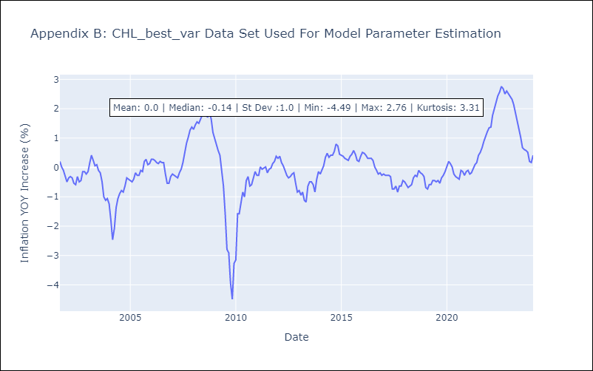

Appendix C: Residuals Analysis
Mean | -0.0
Errors AutoCorrelated? | 2.076058276066003 | No Autocorrelation
Normal? | No

