CHL
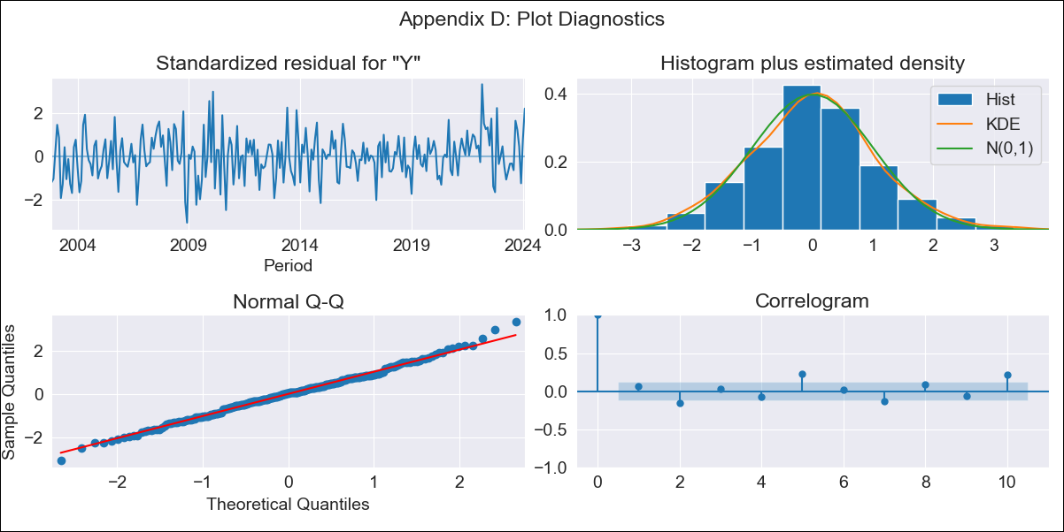
CHL - Inflation - Next 12 months forecast as of: 2024-02-01

Model | ARIMA - [(2, 0, 1), (0, 0, 1, 12)]
Training Data | 2001-09-01 to 2023-03-01
Test Data | 2023-03-01 to 2024-02-01

Date | Inflation Change YoY % | Lower Bound - 95% Confidence Interval | Upper Bound - 95% Confidence Interval
2024-03-01 | 4.5 | 3.61 | 5.38
2024-04-01 | 4.47 | 3.04 | 5.9
2024-05-01 | 4.43 | 2.5 | 6.36
2024-06-01 | 4.38 | 1.97 | 6.8
2024-07-01 | 4.33 | 1.47 | 7.19
2024-08-01 | 4.27 | 0.99 | 7.54
2024-09-01 | 4.22 | 0.57 | 7.88
2024-10-01 | 4.18 | 0.19 | 8.17
2024-11-01 | 4.13 | -0.15 | 8.42
2024-12-01 | 4.06 | -0.47 | 8.6
2025-01-01 | 4.02 | -0.74 | 8.77
2025-02-01 | 3.99 | -0.94 | 8.92

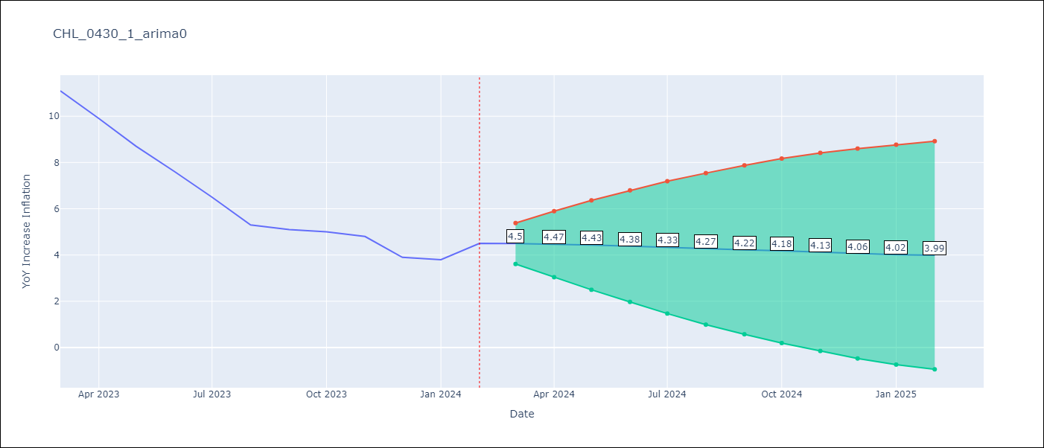

Test Metrics
RMSE | 1.21
Naive RMSE | 0.86
MAPE | 17.94%

Test Predictions
Date | Predicted | Actual
2023-03-01 | 11.29 | 11.1
2023-04-01 | 10.6 | 9.9
2023-05-01 | 9.86 | 8.7
2023-06-01 | 9.09 | 7.6
2023-07-01 | 8.29 | 6.5
2023-08-01 | 7.51 | 5.3
2023-09-01 | 6.71 | 5.1
2023-10-01 | 5.93 | 5
2023-11-01 | 5.23 | 4.8
2023-12-01 | 4.55 | 3.9
2024-01-01 | 3.92 | 3.8
2024-02-01 | 3.36 | 4.5

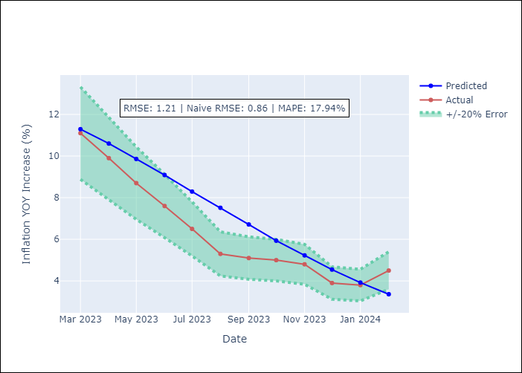

Appendix A: Model Summary
Model | ARIMA(2, 0, 1)x(0, 0, 1, 12)
Sample | 09-01-2001- 02-01-2024
No. of Observations | 270
Terms | P-value (Statistical significance)
const | 0.000
ar.L1 | 0.000
ar.L2 | 0.000
ma.L1 | 0.000
ma.S.L12 | 0.659
sigma2 | 0.826
Assumptions | P-value

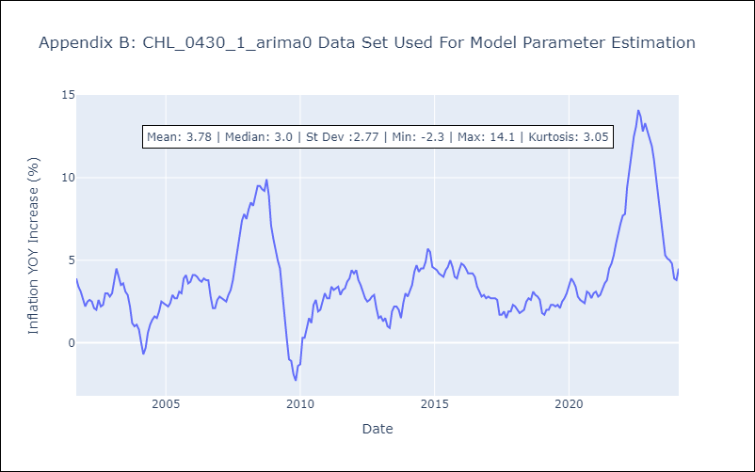

Appendix C: Residuals Analysis
Mean | 0.0

Normal? | Yes

