CHL
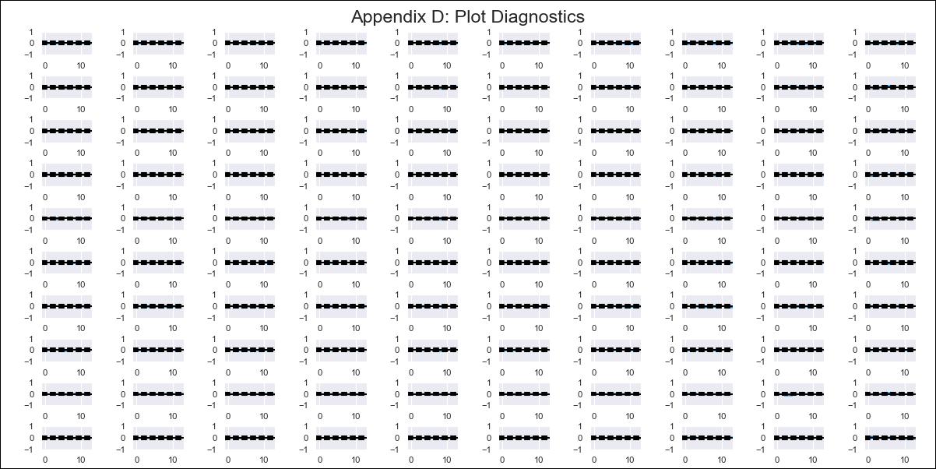
CHL - Inflation - Next 12 months forecast as of: 2024-02-01

Model | VAR - 12 | Exogenous Variables | Deposit Interest Rates - 30 to 90 days - Nominal, US 10-Year Bond Rates , Oil Price $ per barrel, Food Price Index, Nominal Observed Exchange Rate, Expectativas de inflación en 11 meses, CPI_United States, PPI_United States_Finshed Goods, Economic Activity
Training Data | 2001-09-01 to 2023-03-01
Test Data | 2023-03-01 to 2024-02-01

Date | Inflation Change YoY % | Lower Bound - 95% Confidence Interval | Upper Bound - 95% Confidence Interval
2024-03-01 | 2.68 | 2.02 | 3.33
2024-04-01 | 2.54 | 1.13 | 3.95
2024-05-01 | 0.85 | -1.36 | 3.06
2024-06-01 | -0.76 | -3.81 | 2.29
2024-07-01 | -1.52 | -5.43 | 2.39
2024-08-01 | -2.92 | -7.73 | 1.88
2024-09-01 | -3.19 | -8.93 | 2.54
2024-10-01 | -2.86 | -9.55 | 3.82
2024-11-01 | -4.11 | -11.8 | 3.58
2024-12-01 | -3.83 | -12.55 | 4.9
2025-01-01 | -4.09 | -13.88 | 5.69
2025-02-01 | -4.05 | -14.93 | 6.83

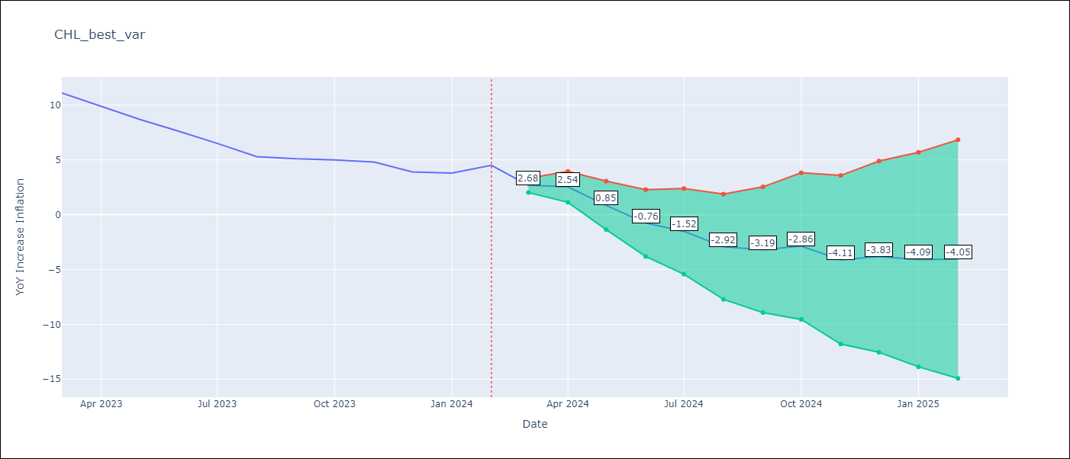

Test Metrics
RMSE | 0.83
Naive RMSE | 0.86
MAPE | 13.12%

Test Predictions
Date | Predicted | Actual
2023-03-01 | 10.08 | 11.1
2023-04-01 | 9.94 | 9.9
2023-05-01 | 8.25 | 8.7
2023-06-01 | 6.64 | 7.6
2023-07-01 | 5.88 | 6.5
2023-08-01 | 4.48 | 5.3
2023-09-01 | 4.21 | 5.1
2023-10-01 | 4.54 | 5
2023-11-01 | 3.29 | 4.8
2023-12-01 | 3.57 | 3.9
2024-01-01 | 3.31 | 3.8
2024-02-01 | 3.35 | 4.5

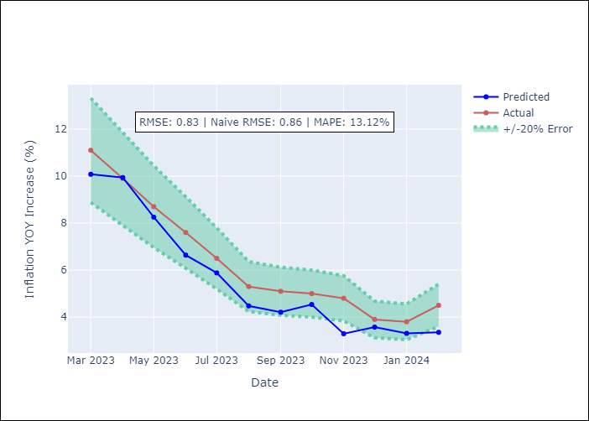

Appendix A: Model Summary
Model | VAR - 12
Sample | 2001-09-01 to 2024-02-01
No. of Observations | 270
Terms | P-value (Statistical significance)
L1.YoY Increase Inflation | 0.014088269652
L1.Deposit Interest Rates - 30 to 90 days - Nominal | 0.11672489885
L1.US 10-Year Bond Rates | 0.38100383857
L1.Oil Price $ per barrel | 0.26167981546
L1.Food Price Index | 0.44093757007
L1.Nominal Observed Exchange Rate | 0.0091156100006
L1.Expectativas de inflación en 11 meses | 0.0044907641813
L1.CPI_United States | 0.17454259862
L1.PPI_United States_Finshed Goods | 0.58403007335
L1.Economic Activity | 0.65541047129
L2.YoY Increase Inflation | 0.0047735946515
L2.Deposit Interest Rates - 30 to 90 days - Nominal | 0.18541356535
L2.US 10-Year Bond Rates | 0.71145485932
L2.Oil Price $ per barrel | 0.78198647528
L2.Food Price Index | 0.2671680486
L2.Nominal Observed Exchange Rate | 0.26209312001
L2.Expectativas de inflación en 11 meses | 0.73136509044
L2.CPI_United States | 0.70205161603
L2.PPI_United States_Finshed Goods | 0.15366054075
L2.Economic Activity | 0.12289070648
L3.YoY Increase Inflation | 0.0050456011299
L3.Deposit Interest Rates - 30 to 90 days - Nominal | 0.034577679983
L3.US 10-Year Bond Rates | 0.42876365654
L3.Oil Price $ per barrel | 0.6938824206
L3.Food Price Index | 0.84391102128
L3.Nominal Observed Exchange Rate | 0.40643292372
L3.Expectativas de inflación en 11 meses | 0.51341645275
L3.CPI_United States | 0.50920329212
L3.PPI_United States_Finshed Goods | 0.020860819695
L3.Economic Activity | 0.68108305182
L4.YoY Increase Inflation | 0.88467044949
L4.Deposit Interest Rates - 30 to 90 days - Nominal | 0.097785685988
L4.US 10-Year Bond Rates | 0.10352079053
L4.Oil Price $ per barrel | 0.23923401803
L4.Food Price Index | 0.32815573888
L4.Nominal Observed Exchange Rate | 0.36954185082
L4.Expectativas de inflación en 11 meses | 0.45007158036
L4.CPI_United States | 0.44002348743
L4.PPI_United States_Finshed Goods | 0.088492976695
L4.Economic Activity | 0.79352814956
L5.YoY Increase Inflation | 0.37612707952
L5.Deposit Interest Rates - 30 to 90 days - Nominal | 0.022271220093
L5.US 10-Year Bond Rates | 0.093449306737
L5.Oil Price $ per barrel | 0.45045521214
L5.Food Price Index | 0.15320959578
L5.Nominal Observed Exchange Rate | 0.51334002715
L5.Expectativas de inflación en 11 meses | 0.33408155122
L5.CPI_United States | 0.33103652103
L5.PPI_United States_Finshed Goods | 0.22306726723
L5.Economic Activity | 0.42426145565
L6.YoY Increase Inflation | 0.94378865391
L6.Deposit Interest Rates - 30 to 90 days - Nominal | 0.82743611305
L6.US 10-Year Bond Rates | 0.37482086347
L6.Oil Price $ per barrel | 0.085615465974
L6.Food Price Index | 0.9260952257
L6.Nominal Observed Exchange Rate | 0.70475134493
L6.Expectativas de inflación en 11 meses | 0.82243549488
L6.CPI_United States | 0.29204362122
L6.PPI_United States_Finshed Goods | 0.3381306856
L6.Economic Activity | 0.62183808716
L7.YoY Increase Inflation | 0.63725873731
L7.Deposit Interest Rates - 30 to 90 days - Nominal | 0.11490856506
L7.US 10-Year Bond Rates | 0.6238638813
L7.Oil Price $ per barrel | 0.86586300209
L7.Food Price Index | 0.9563302264
L7.Nominal Observed Exchange Rate | 0.6087158425
L7.Expectativas de inflación en 11 meses | 0.16565834209
L7.CPI_United States | 0.69299216422
L7.PPI_United States_Finshed Goods | 0.40867540129
L7.Economic Activity | 0.68701891767
L8.YoY Increase Inflation | 0.01986166694
L8.Deposit Interest Rates - 30 to 90 days - Nominal | 0.061641961634
L8.US 10-Year Bond Rates | 0.047769177199
L8.Oil Price $ per barrel | 0.97798556324
L8.Food Price Index | 0.057994741512
L8.Nominal Observed Exchange Rate | 0.076689462897
L8.Expectativas de inflación en 11 meses | 0.94796052503
L8.CPI_United States | 0.71073710824
L8.PPI_United States_Finshed Goods | 0.77010571307
L8.Economic Activity | 0.74336738889
L9.YoY Increase Inflation | 0.012251300021
L9.Deposit Interest Rates - 30 to 90 days - Nominal | 0.1651189754
L9.US 10-Year Bond Rates | 0.10962380127
L9.Oil Price $ per barrel | 0.22947729924
L9.Food Price Index | 0.27185286163
L9.Nominal Observed Exchange Rate | 0.4850710686
L9.Expectativas de inflación en 11 meses | 0.77011557613
L9.CPI_United States | 0.30635498098
L9.PPI_United States_Finshed Goods | 0.20320435588
L9.Economic Activity | 0.95756458508
L10.YoY Increase Inflation | 0.080072775558
L10.Deposit Interest Rates - 30 to 90 days - Nominal | 0.048826040911
L10.US 10-Year Bond Rates | 0.021527740843
L10.Oil Price $ per barrel | 0.12750009316
L10.Food Price Index | 0.026363721475
L10.Nominal Observed Exchange Rate | 0.6527790514
L10.Expectativas de inflación en 11 meses | 0.11305161414
L10.CPI_United States | 0.077791508909
L10.PPI_United States_Finshed Goods | 0.2352428062
L10.Economic Activity | 0.53079560126
L11.YoY Increase Inflation | 0.77671387463
L11.Deposit Interest Rates - 30 to 90 days - Nominal | 0.0045267714164
L11.US 10-Year Bond Rates | 0.68349355415
L11.Oil Price $ per barrel | 0.72757984218
L11.Food Price Index | 0.27970816562
L11.Nominal Observed Exchange Rate | 0.2340681496
L11.Expectativas de inflación en 11 meses | 0.3373155367
L11.CPI_United States | 0.67200625041
L11.PPI_United States_Finshed Goods | 0.8018591073
L11.Economic Activity | 0.42116744351
L12.YoY Increase Inflation | 0.00010197944145
L12.Deposit Interest Rates - 30 to 90 days - Nominal | 0.16551191218
L12.US 10-Year Bond Rates | 0.070184612171
L12.Oil Price $ per barrel | 0.0085676337504
L12.Food Price Index | 0.82793075664
L12.Nominal Observed Exchange Rate | 0.15172139669
L12.Expectativas de inflación en 11 meses | 0.0072878757745
L12.CPI_United States | 0.78176279961
L12.PPI_United States_Finshed Goods | 0.35218836879
L12.Economic Activity | 0.1559274109
Assumptions | P-value

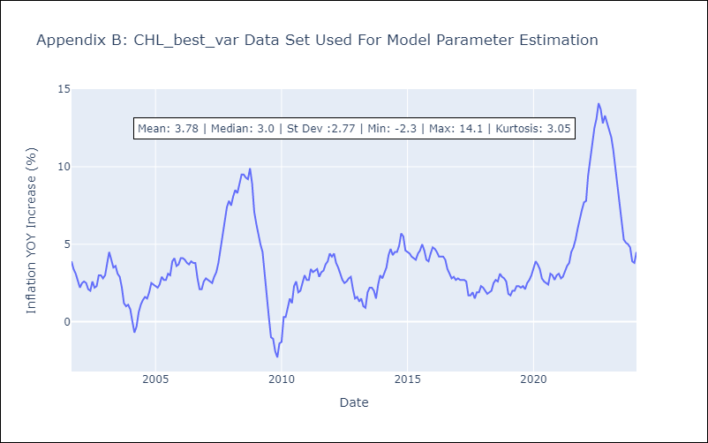

Appendix C: Residuals Analysis
Mean | 0.0
Errors AutoCorrelated? | 2.045969188110514 | No Autocorrelation
Normal? | No

