CHL
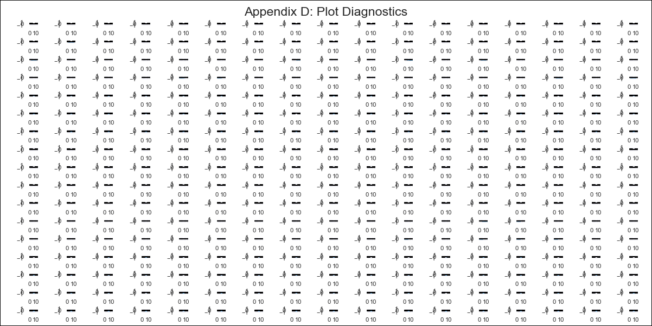
CHL - Inflation - Next 12 months forecast as of: 2024-02-01

Model | VAR - 12 | Exogenous Variables | Deposit Interest Rates - 30 to 90 days - Nominal, US 10-Year Bond Rates , Food Price Index, Nominal Observed Exchange Rate, Real Exchange Rate Index, Expectativas de inflación en 11 meses, Gold Price $ per oz, Copper Price $ per pound, Oil Price $ per barrel, CPI_United States, PPI_United States_Finshed Goods, PPI_China, Economic Activity, General Wage Index, Unemployment Rate, M1 Money Supply
Training Data | 2001-09-01 to 2023-03-01
Test Data | 2023-03-01 to 2024-02-01

Date | Inflation Change YoY % | Lower Bound - 95% Confidence Interval | Upper Bound - 95% Confidence Interval
2024-03-01 | 1.71 | 1.07 | 2.34
2024-04-01 | -0.74 | -2.18 | 0.7
2024-05-01 | -3.01 | -5.34 | -0.68
2024-06-01 | -5.49 | -8.76 | -2.22
2024-07-01 | -6.5 | -10.75 | -2.25
2024-08-01 | -8.86 | -14.15 | -3.57
2024-09-01 | -10.08 | -16.47 | -3.69
2024-10-01 | -9.88 | -17.41 | -2.34
2024-11-01 | -9.49 | -18.21 | -0.76
2024-12-01 | -9.14 | -19.08 | 0.81
2025-01-01 | -9.42 | -20.64 | 1.79
2025-02-01 | -9.39 | -21.93 | 3.14

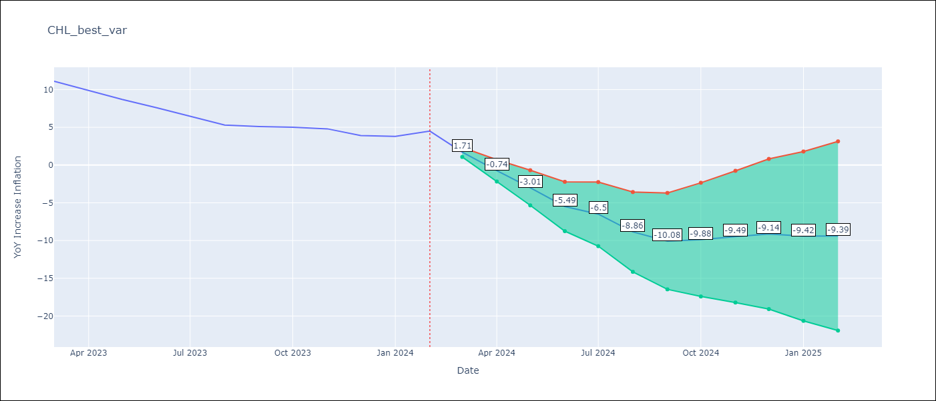

Test Metrics
RMSE | 5.88
Naive RMSE | 0.86
MAPE | 106.37%

Test Predictions
Date | Predicted | Actual
2023-03-01 | 9.11 | 11.1
2023-04-01 | 6.66 | 9.9
2023-05-01 | 4.39 | 8.7
2023-06-01 | 1.91 | 7.6
2023-07-01 | 0.9 | 6.5
2023-08-01 | -1.46 | 5.3
2023-09-01 | -2.68 | 5.1
2023-10-01 | -2.48 | 5
2023-11-01 | -2.09 | 4.8
2023-12-01 | -1.74 | 3.9
2024-01-01 | -2.02 | 3.8
2024-02-01 | -1.99 | 4.5

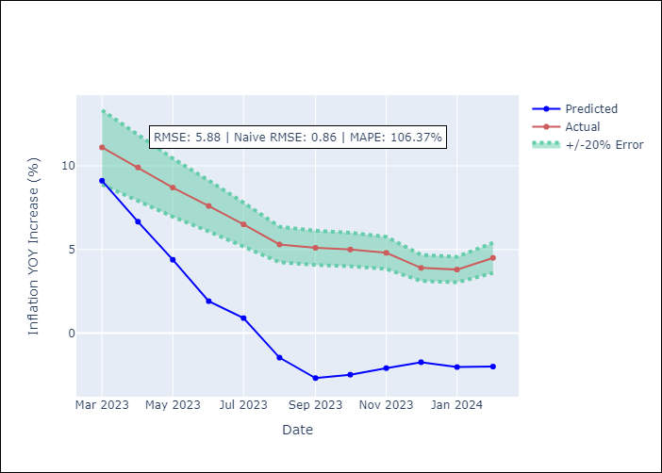

Appendix A: Model Summary
Model | VAR - 12
Sample | 2001-09-01 to 2024-02-01
No. of Observations | 270
Terms | P-value (Statistical significance)
L1.YoY Increase Inflation | 0.45868539992
L1.Deposit Interest Rates - 30 to 90 days - Nominal | 0.5450905945
L1.US 10-Year Bond Rates | 0.097349270861
L1.Food Price Index | 0.26404263006
L1.Nominal Observed Exchange Rate | 0.85163940322
L1.Real Exchange Rate Index | 0.97141305121
L1.Expectativas de inflación en 11 meses | 0.2966321174
L1.Gold Price $ per oz | 0.24464925418
L1.Copper Price $ per pound | 0.58487300497
L1.Oil Price $ per barrel | 0.89625468215
L1.CPI_United States | 0.34528583399
L1.PPI_United States_Finshed Goods | 0.71155877501
L1.PPI_China | 0.2452471435
L1.Economic Activity | 0.77100973314
L1.General Wage Index | 0.40772449922
L1.Unemployment Rate | 0.74333656425
L1.M1 Money Supply | 0.03408140883
L2.YoY Increase Inflation | 0.0044392407309
L2.Deposit Interest Rates - 30 to 90 days - Nominal | 0.12311682624
L2.US 10-Year Bond Rates | 0.69646047402
L2.Food Price Index | 0.82606380073
L2.Nominal Observed Exchange Rate | 0.64856524738
L2.Real Exchange Rate Index | 0.43017050391
L2.Expectativas de inflación en 11 meses | 0.60499354298
L2.Gold Price $ per oz | 0.9284611872
L2.Copper Price $ per pound | 0.11059989878
L2.Oil Price $ per barrel | 0.30896934055
L2.CPI_United States | 0.51038613868
L2.PPI_United States_Finshed Goods | 0.4905991604
L2.PPI_China | 0.32040719169
L2.Economic Activity | 0.63402579918
L2.General Wage Index | 0.15144066252
L2.Unemployment Rate | 0.55271078383
L2.M1 Money Supply | 0.11103886976
L3.YoY Increase Inflation | 0.073700489261
L3.Deposit Interest Rates - 30 to 90 days - Nominal | 0.19641233229
L3.US 10-Year Bond Rates | 0.24647884112
L3.Food Price Index | 0.80544693985
L3.Nominal Observed Exchange Rate | 0.36670254209
L3.Real Exchange Rate Index | 0.58411127226
L3.Expectativas de inflación en 11 meses | 0.64283056404
L3.Gold Price $ per oz | 0.78142038125
L3.Copper Price $ per pound | 0.55215198372
L3.Oil Price $ per barrel | 0.59607722832
L3.CPI_United States | 0.24181864777
L3.PPI_United States_Finshed Goods | 0.07640969125
L3.PPI_China | 0.94288485462
L3.Economic Activity | 0.37342471563
L3.General Wage Index | 0.036855931848
L3.Unemployment Rate | 0.86872646089
L3.M1 Money Supply | 0.51502166892
L4.YoY Increase Inflation | 0.59224788542
L4.Deposit Interest Rates - 30 to 90 days - Nominal | 0.35132813759
L4.US 10-Year Bond Rates | 0.23940788474
L4.Food Price Index | 0.60393807025
L4.Nominal Observed Exchange Rate | 0.76294267045
L4.Real Exchange Rate Index | 0.80481845043
L4.Expectativas de inflación en 11 meses | 0.18105975829
L4.Gold Price $ per oz | 0.77248681419
L4.Copper Price $ per pound | 0.73630061414
L4.Oil Price $ per barrel | 0.19595286867
L4.CPI_United States | 0.82113319631
L4.PPI_United States_Finshed Goods | 0.52733885689
L4.PPI_China | 0.5449734533
L4.Economic Activity | 0.810164904
L4.General Wage Index | 0.15913925098
L4.Unemployment Rate | 0.5493376646
L4.M1 Money Supply | 0.24874340787
L5.YoY Increase Inflation | 0.38026308616
L5.Deposit Interest Rates - 30 to 90 days - Nominal | 0.8028775248
L5.US 10-Year Bond Rates | 0.69292512103
L5.Food Price Index | 0.57297358988
L5.Nominal Observed Exchange Rate | 0.42372913941
L5.Real Exchange Rate Index | 0.23916868713
L5.Expectativas de inflación en 11 meses | 0.69547864616
L5.Gold Price $ per oz | 0.68870180386
L5.Copper Price $ per pound | 0.68495358764
L5.Oil Price $ per barrel | 0.45404345339
L5.CPI_United States | 0.01207939819
L5.PPI_United States_Finshed Goods | 0.95006716291
L5.PPI_China | 0.0073162933892
L5.Economic Activity | 0.38437750267
L5.General Wage Index | 0.87038842836
L5.Unemployment Rate | 0.51614284642
L5.M1 Money Supply | 0.45948656254
L6.YoY Increase Inflation | 0.85102389263
L6.Deposit Interest Rates - 30 to 90 days - Nominal | 0.91731516149
L6.US 10-Year Bond Rates | 0.40602128807
L6.Food Price Index | 0.36091845938
L6.Nominal Observed Exchange Rate | 0.67754360526
L6.Real Exchange Rate Index | 0.81869325193
L6.Expectativas de inflación en 11 meses | 0.21109923054
L6.Gold Price $ per oz | 0.36179661377
L6.Copper Price $ per pound | 0.76661819916
L6.Oil Price $ per barrel | 0.58688514138
L6.CPI_United States | 0.039497314089
L6.PPI_United States_Finshed Goods | 0.52987241198
L6.PPI_China | 0.13347565102
L6.Economic Activity | 0.3146437633
L6.General Wage Index | 0.73399821943
L6.Unemployment Rate | 0.1027211705
L6.M1 Money Supply | 0.40286313683
L7.YoY Increase Inflation | 0.87425951062
L7.Deposit Interest Rates - 30 to 90 days - Nominal | 0.045063135239
L7.US 10-Year Bond Rates | 0.032746358056
L7.Food Price Index | 0.63145372878
L7.Nominal Observed Exchange Rate | 0.72029796414
L7.Real Exchange Rate Index | 0.32621937439
L7.Expectativas de inflación en 11 meses | 0.3930950253
L7.Gold Price $ per oz | 0.56098027092
L7.Copper Price $ per pound | 0.86466738171
L7.Oil Price $ per barrel | 0.97699583123
L7.CPI_United States | 0.38363259403
L7.PPI_United States_Finshed Goods | 0.82565840448
L7.PPI_China | 0.57901872115
L7.Economic Activity | 0.12860055296
L7.General Wage Index | 0.36646489997
L7.Unemployment Rate | 0.38561354475
L7.M1 Money Supply | 0.47401841658
L8.YoY Increase Inflation | 0.34825851869
L8.Deposit Interest Rates - 30 to 90 days - Nominal | 0.10135404865
L8.US 10-Year Bond Rates | 0.037121204193
L8.Food Price Index | 0.45900983041
L8.Nominal Observed Exchange Rate | 0.8749866886
L8.Real Exchange Rate Index | 0.44089496734
L8.Expectativas de inflación en 11 meses | 0.24169133105
L8.Gold Price $ per oz | 0.25746994503
L8.Copper Price $ per pound | 0.4377923163
L8.Oil Price $ per barrel | 0.9726830772
L8.CPI_United States | 0.23252017679
L8.PPI_United States_Finshed Goods | 0.71600128651
L8.PPI_China | 0.1716312455
L8.Economic Activity | 0.18974911983
L8.General Wage Index | 0.58873681993
L8.Unemployment Rate | 0.92677902196
L8.M1 Money Supply | 0.66032855795
L9.YoY Increase Inflation | 0.34147617019
L9.Deposit Interest Rates - 30 to 90 days - Nominal | 0.1188542598
L9.US 10-Year Bond Rates | 0.86538345043
L9.Food Price Index | 0.66564510369
L9.Nominal Observed Exchange Rate | 0.72569367057
L9.Real Exchange Rate Index | 0.77569993057
L9.Expectativas de inflación en 11 meses | 0.59320600882
L9.Gold Price $ per oz | 0.74907376302
L9.Copper Price $ per pound | 0.81214425158
L9.Oil Price $ per barrel | 0.06694271241
L9.CPI_United States | 0.046487762377
L9.PPI_United States_Finshed Goods | 0.46420204838
L9.PPI_China | 0.18461441435
L9.Economic Activity | 0.20770534958
L9.General Wage Index | 0.20379884272
L9.Unemployment Rate | 0.10410063718
L9.M1 Money Supply | 0.84294922583
L10.YoY Increase Inflation | 0.83050431442
L10.Deposit Interest Rates - 30 to 90 days - Nominal | 0.50160510241
L10.US 10-Year Bond Rates | 0.029557256406
L10.Food Price Index | 0.16781362439
L10.Nominal Observed Exchange Rate | 0.53970020815
L10.Real Exchange Rate Index | 0.30136166966
L10.Expectativas de inflación en 11 meses | 0.1096039479
L10.Gold Price $ per oz | 0.89048174696
L10.Copper Price $ per pound | 0.28253915718
L10.Oil Price $ per barrel | 0.75852725695
L10.CPI_United States | 0.99316105
L10.PPI_United States_Finshed Goods | 0.69539854202
L10.PPI_China | 0.23836665688
L10.Economic Activity | 0.099296528504
L10.General Wage Index | 0.94005985065
L10.Unemployment Rate | 0.76557550237
L10.M1 Money Supply | 0.35777113878
L11.YoY Increase Inflation | 0.44381213595
L11.Deposit Interest Rates - 30 to 90 days - Nominal | 0.020592681587
L11.US 10-Year Bond Rates | 0.77257664922
L11.Food Price Index | 0.1128429169
L11.Nominal Observed Exchange Rate | 0.033313994568
L11.Real Exchange Rate Index | 0.0099380652441
L11.Expectativas de inflación en 11 meses | 0.64219015005
L11.Gold Price $ per oz | 0.59501482012
L11.Copper Price $ per pound | 0.72772769783
L11.Oil Price $ per barrel | 0.86119444696
L11.CPI_United States | 0.87810481691
L11.PPI_United States_Finshed Goods | 0.51447420296
L11.PPI_China | 0.70608159991
L11.Economic Activity | 0.96671441009
L11.General Wage Index | 0.77832743744
L11.Unemployment Rate | 0.59886195813
L11.M1 Money Supply | 0.45110014193
L12.YoY Increase Inflation | 0.38301974572
L12.Deposit Interest Rates - 30 to 90 days - Nominal | 0.89123101334
L12.US 10-Year Bond Rates | 0.40297181186
L12.Food Price Index | 0.17240445762
L12.Nominal Observed Exchange Rate | 0.3846021701
L12.Real Exchange Rate Index | 0.68302115909
L12.Expectativas de inflación en 11 meses | 0.13832443665
L12.Gold Price $ per oz | 0.27619574428
L12.Copper Price $ per pound | 0.047112873328
L12.Oil Price $ per barrel | 0.17214997828
L12.CPI_United States | 0.49628653326
L12.PPI_United States_Finshed Goods | 0.39049929655
L12.PPI_China | 0.60241938081
L12.Economic Activity | 0.82185180823
L12.General Wage Index | 0.81126770662
L12.Unemployment Rate | 0.53046196173
L12.M1 Money Supply | 0.60645204094
Assumptions | P-value

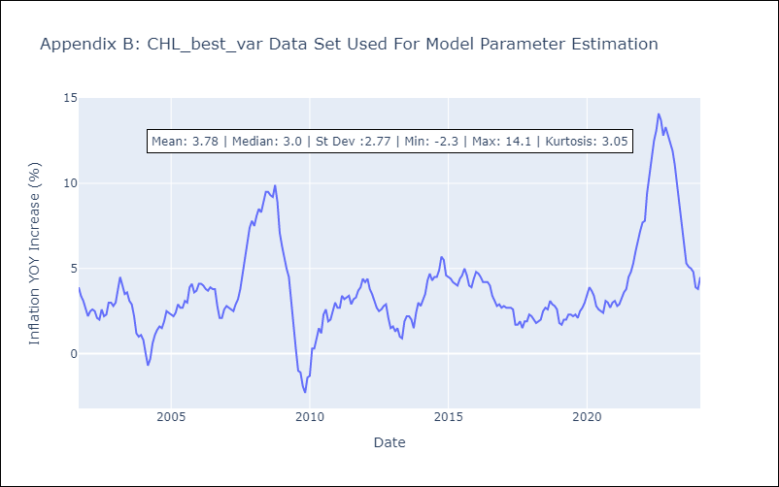

Appendix C: Residuals Analysis
Mean | -0.0
Errors AutoCorrelated? | 2.1141988101536224 | No Autocorrelation
Normal? | No

