CHL
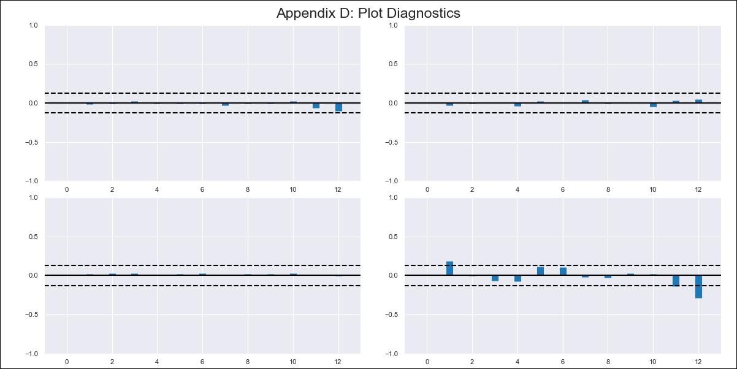
CHL - Inflation - Next 12 months forecast as of: 2024-02-01

Model | VAR - 12 | Exogenous Variables | Economic Activity
Training Data | 2001-09-01 to 2023-03-01
Test Data | 2023-03-01 to 2024-02-01

Date | Inflation Change YoY % | Lower Bound - 95% Confidence Interval | Upper Bound - 95% Confidence Interval
2024-03-01 | 3.7 | 2.89 | 4.5
2024-04-01 | 3.35 | 1.67 | 5.03
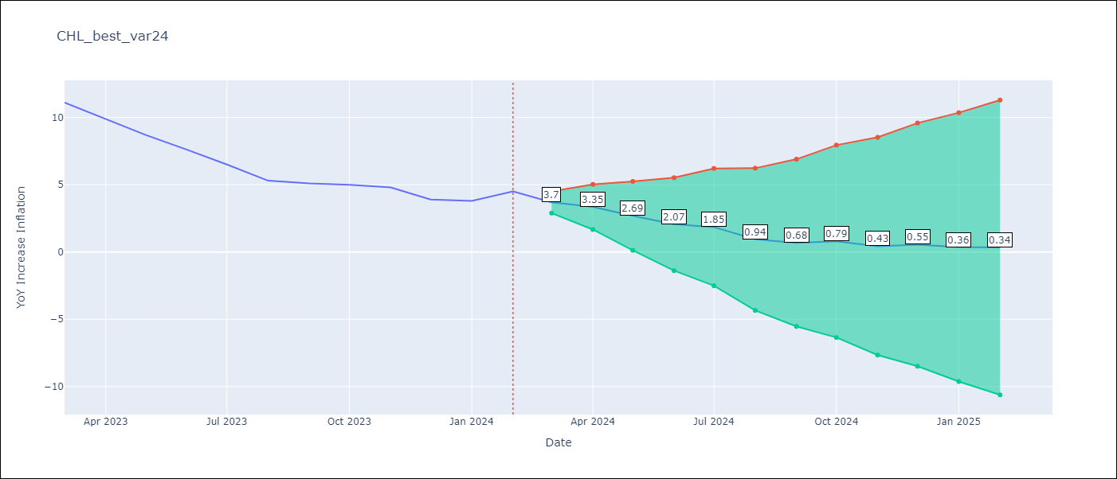
2024-05-01 | 2.69 | 0.12 | 5.25
2024-06-01 | 2.07 | -1.39 | 5.52
2024-07-01 | 1.85 | -2.51 | 6.21
2024-08-01 | 0.94 | -4.34 | 6.23
2024-09-01 | 0.68 | -5.53 | 6.9
2024-10-01 | 0.79 | -6.35 | 7.94
2024-11-01 | 0.43 | -7.66 | 8.52
2024-12-01 | 0.55 | -8.49 | 9.59
2025-01-01 | 0.36 | -9.63 | 10.35
2025-02-01 | 0.34 | -10.62 | 11.29

Test Metrics
RMSE | 2.8
Naive RMSE | 0.86
MAPE | 51.19%

Test Predictions
Date | Predicted | Actual
2023-03-01 | 11.1 | 11.1
2023-04-01 | 10.75 | 9.9
2023-05-01 | 10.09 | 8.7
2023-06-01 | 9.47 | 7.6
2023-07-01 | 9.25 | 6.5
2023-08-01 | 8.34 | 5.3
2023-09-01 | 8.08 | 5.1
2023-10-01 | 8.19 | 5
2023-11-01 | 7.83 | 4.8
2023-12-01 | 7.95 | 3.9
2024-01-01 | 7.76 | 3.8
2024-02-01 | 7.74 | 4.5

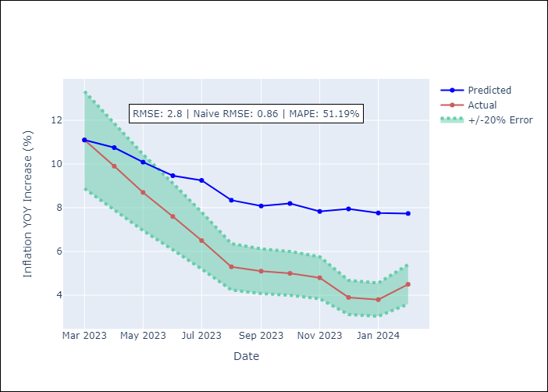

Appendix A: Model Summary
Model | VAR - 12
Sample | 2001-09-01 to 2024-02-01
No. of Observations | 270
Terms | P-value (Statistical significance)
L1.YoY Increase Inflation | 5.4471448814E-11
L1.Economic Activity | 0.52934992639
L2.YoY Increase Inflation | 0.54246203024
L2.Economic Activity | 0.41494982679
L3.YoY Increase Inflation | 0.020153514422
L3.Economic Activity | 0.43726232068
L4.YoY Increase Inflation | 0.58835125142
L4.Economic Activity | 0.15232834495
L5.YoY Increase Inflation | 0.005168469673
L5.Economic Activity | 0.37777575637
L6.YoY Increase Inflation | 0.13434296705
L6.Economic Activity | 0.12722764687
L7.YoY Increase Inflation | 0.4811057052
L7.Economic Activity | 0.10594576996
L8.YoY Increase Inflation | 0.18915712654
L8.Economic Activity | 0.039852402194
L9.YoY Increase Inflation | 0.047471465852
L9.Economic Activity | 0.1210165032
L10.YoY Increase Inflation | 0.020752582741
L10.Economic Activity | 0.26017937607
L11.YoY Increase Inflation | 0.41815920233
L11.Economic Activity | 0.33675420874
L12.YoY Increase Inflation | 1.4427595275E-08
L12.Economic Activity | 0.14613990741
Assumptions | P-value

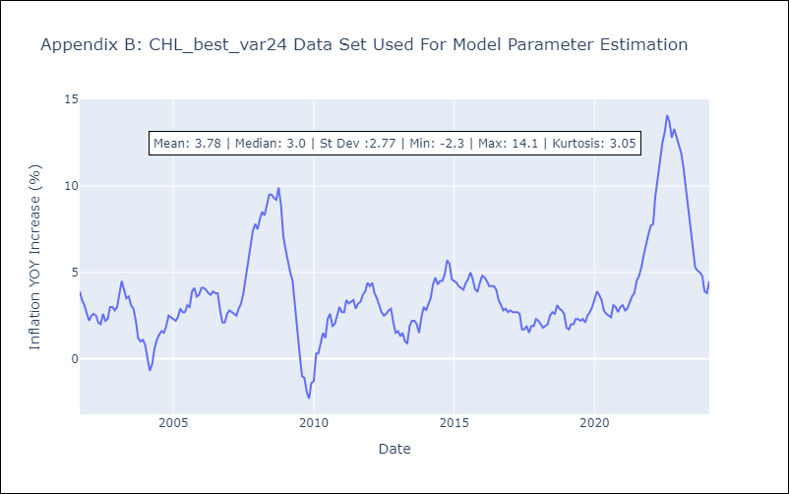

Appendix C: Residuals Analysis
Mean | -0.0
Errors AutoCorrelated? | 2.0253098399408027 | No Autocorrelation
Normal? | No

