CHL
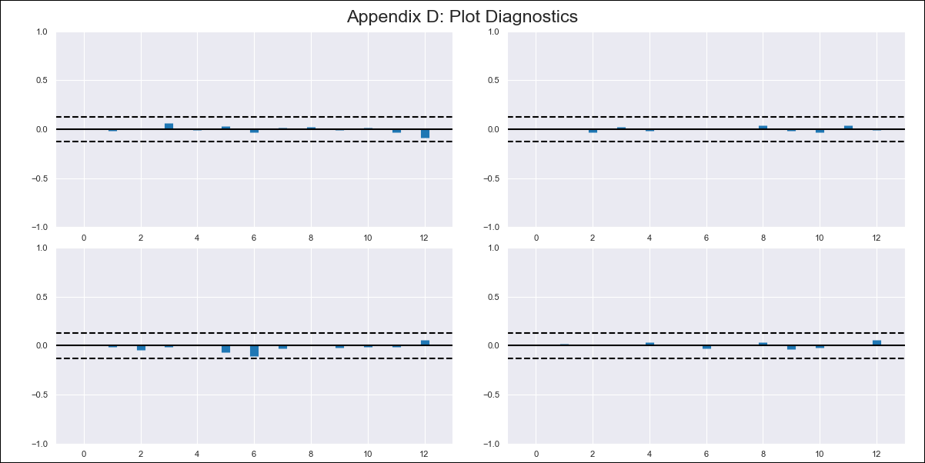
CHL - Inflation - Next 12 months forecast as of: 2024-02-01

Model | VAR - 12 | Exogenous Variables | Deposit Interest Rates - 30 to 90 days - Nominal
Training Data | 2001-09-01 to 2023-03-01
Test Data | 2023-03-01 to 2024-02-01

Date | Inflation Change YoY % | Lower Bound - 95% Confidence Interval | Upper Bound - 95% Confidence Interval
2024-03-01 | 3.69 | 2.92 | 4.46
2024-04-01 | 3.16 | 1.56 | 4.76
2024-05-01 | 2.41 | -0.03 | 4.85
2024-06-01 | 1.68 | -1.61 | 4.97
2024-07-01 | 1.32 | -2.83 | 5.48
2024-08-01 | 0.28 | -4.78 | 5.33
2024-09-01 | -0.16 | -6.13 | 5.81
2024-10-01 | -0.02 | -6.91 | 6.86
2024-11-01 | -0.46 | -8.28 | 7.35
2024-12-01 | -0.47 | -9.22 | 8.28
2025-01-01 | -0.53 | -10.22 | 9.16
2025-02-01 | -0.53 | -11.19 | 10.12

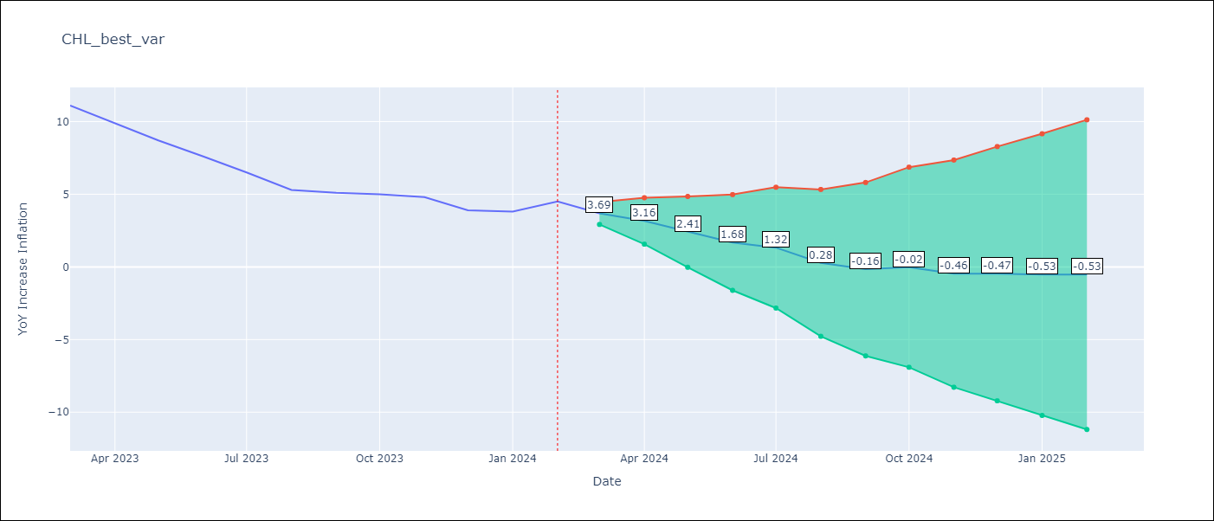

Test Metrics
RMSE | 2.11
Naive RMSE | 0.86
MAPE | 38.6%

Test Predictions
Date | Predicted | Actual
2023-03-01 | 11.09 | 11.1
2023-04-01 | 10.56 | 9.9
2023-05-01 | 9.81 | 8.7
2023-06-01 | 9.08 | 7.6
2023-07-01 | 8.72 | 6.5
2023-08-01 | 7.68 | 5.3
2023-09-01 | 7.24 | 5.1
2023-10-01 | 7.38 | 5
2023-11-01 | 6.94 | 4.8
2023-12-01 | 6.93 | 3.9
2024-01-01 | 6.87 | 3.8
2024-02-01 | 6.87 | 4.5

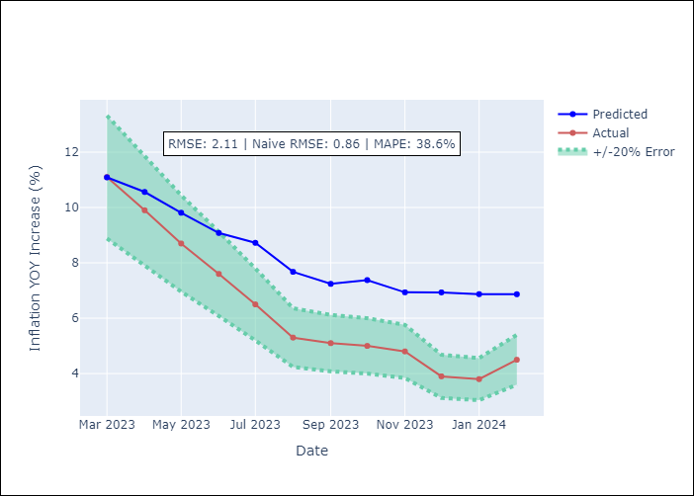

Appendix A: Model Summary
Model | VAR - 12
Sample | 2001-09-01 to 2024-02-01
No. of Observations | 270
Terms | P-value (Statistical significance)
L1.YoY Increase Inflation | 1.0947104827E-08
L1.Deposit Interest Rates - 30 to 90 days - Nominal | 0.089912416789
L2.YoY Increase Inflation | 0.20093703691
L2.Deposit Interest Rates - 30 to 90 days - Nominal | 0.39067276583
L3.YoY Increase Inflation | 0.040840952729
L3.Deposit Interest Rates - 30 to 90 days - Nominal | 0.90085645124
L4.YoY Increase Inflation | 0.31186818209
L4.Deposit Interest Rates - 30 to 90 days - Nominal | 0.94660699793
L5.YoY Increase Inflation | 0.015901717969
L5.Deposit Interest Rates - 30 to 90 days - Nominal | 0.16130411753
L6.YoY Increase Inflation | 0.14876881332
L6.Deposit Interest Rates - 30 to 90 days - Nominal | 0.28660967581
L7.YoY Increase Inflation | 0.28934607406
L7.Deposit Interest Rates - 30 to 90 days - Nominal | 0.49333927767
L8.YoY Increase Inflation | 0.27118474104
L8.Deposit Interest Rates - 30 to 90 days - Nominal | 0.84025793146
L9.YoY Increase Inflation | 0.032909806068
L9.Deposit Interest Rates - 30 to 90 days - Nominal | 0.96294091966
L10.YoY Increase Inflation | 0.0091280849527
L10.Deposit Interest Rates - 30 to 90 days - Nominal | 0.45809358703
L11.YoY Increase Inflation | 0.30116263591
L11.Deposit Interest Rates - 30 to 90 days - Nominal | 0.00024343227161
L12.YoY Increase Inflation | 2.2951438798E-08
L12.Deposit Interest Rates - 30 to 90 days - Nominal | 0.48146311793
Assumptions | P-value

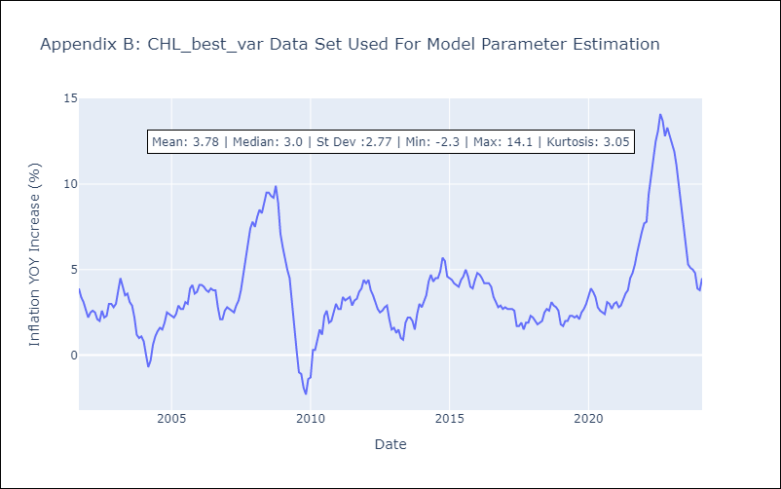

Appendix C: Residuals Analysis
Mean | 0.0
Errors AutoCorrelated? | 2.018534405008869 | No Autocorrelation
Normal? | No

