CHL
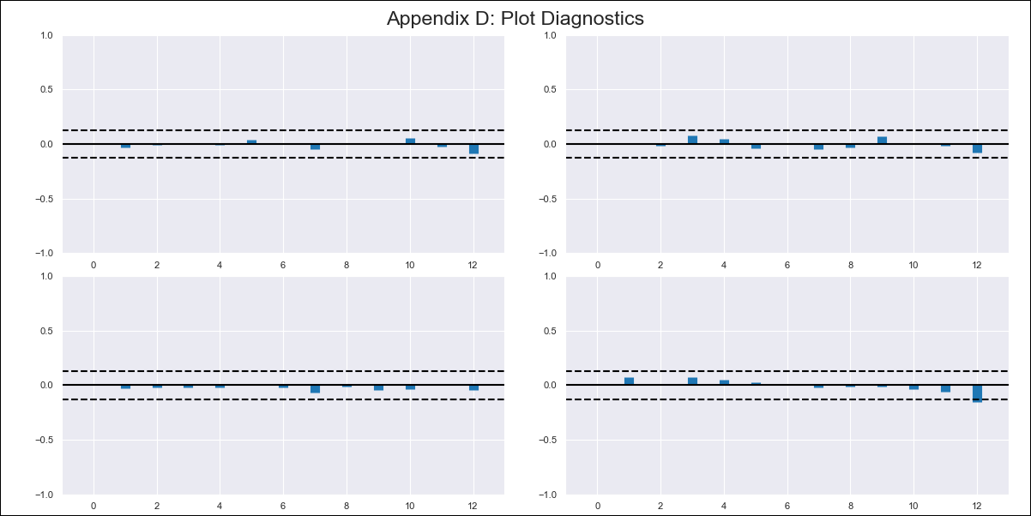
CHL - Inflation - Next 12 months forecast as of: 2024-02-01

Model | VAR - 12 | Exogenous Variables | CPI_United States
Training Data | 2001-09-01 to 2023-03-01
Test Data | 2023-03-01 to 2024-02-01

Date | Inflation Change YoY % | Lower Bound - 95% Confidence Interval | Upper Bound - 95% Confidence Interval
2024-03-01 | 3.59 | 2.84 | 4.35
2024-04-01 | 3.12 | 1.55 | 4.7
2024-05-01 | 2.46 | 0.04 | 4.88
2024-06-01 | 1.85 | -1.45 | 5.14
2024-07-01 | 1.44 | -2.74 | 5.62
2024-08-01 | 0.47 | -4.61 | 5.56
2024-09-01 | 0.38 | -5.63 | 6.38
2024-10-01 | 0.69 | -6.23 | 7.62
2024-11-01 | 0.34 | -7.53 | 8.21
2024-12-01 | 0.47 | -8.35 | 9.28
2025-01-01 | 0.61 | -9.16 | 10.38
2025-02-01 | 0.78 | -9.95 | 11.52

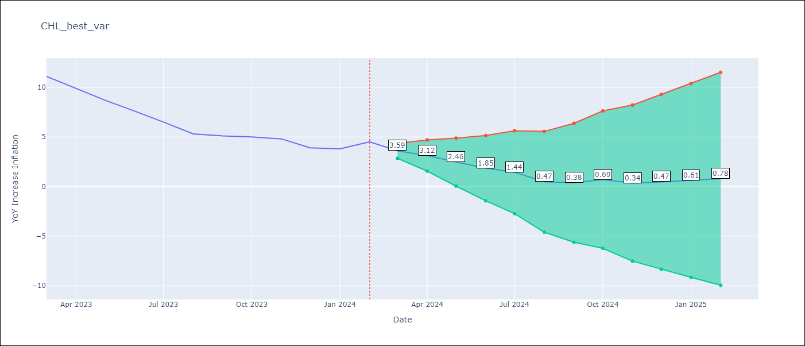

Test Metrics
RMSE | 2.72
Naive RMSE | 0.86
MAPE | 49.74%

Test Predictions
Date | Predicted | Actual
2023-03-01 | 10.99 | 11.1
2023-04-01 | 10.52 | 9.9
2023-05-01 | 9.86 | 8.7
2023-06-01 | 9.25 | 7.6
2023-07-01 | 8.84 | 6.5
2023-08-01 | 7.87 | 5.3
2023-09-01 | 7.78 | 5.1
2023-10-01 | 8.09 | 5
2023-11-01 | 7.74 | 4.8
2023-12-01 | 7.87 | 3.9
2024-01-01 | 8.01 | 3.8
2024-02-01 | 8.18 | 4.5

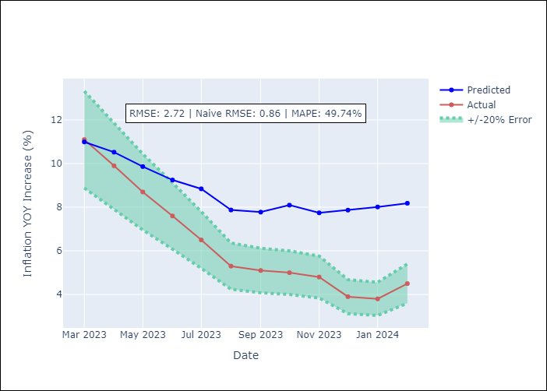

Appendix A: Model Summary
Model | VAR - 12
Sample | 2001-09-01 to 2024-02-01
No. of Observations | 270
Terms | P-value (Statistical significance)
L1.YoY Increase Inflation | 5.6720626441E-05
L1.CPI_United States | 1.461709307E-05
L2.YoY Increase Inflation | 0.13239403486
L2.CPI_United States | 0.38494200002
L3.YoY Increase Inflation | 0.023286698718
L3.CPI_United States | 0.038619565357
L4.YoY Increase Inflation | 0.99188486669
L4.CPI_United States | 0.92149019994
L5.YoY Increase Inflation | 0.013034418485
L5.CPI_United States | 0.47112117977
L6.YoY Increase Inflation | 0.25763236869
L6.CPI_United States | 0.14138264759
L7.YoY Increase Inflation | 0.67544281006
L7.CPI_United States | 0.84531156768
L8.YoY Increase Inflation | 0.11830509647
L8.CPI_United States | 0.2665747958
L9.YoY Increase Inflation | 0.17700688477
L9.CPI_United States | 0.97945945743
L10.YoY Increase Inflation | 0.0021457157691
L10.CPI_United States | 0.42706911241
L11.YoY Increase Inflation | 0.61385286572
L11.CPI_United States | 0.57778645756
L12.YoY Increase Inflation | 9.1338800944E-07
L12.CPI_United States | 0.87021290338
Assumptions | P-value

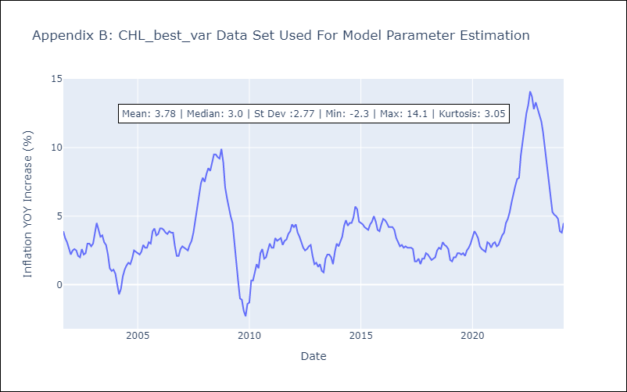

Appendix C: Residuals Analysis
Mean | -0.0
Errors AutoCorrelated? | 2.0475663114832496 | No Autocorrelation
Normal? | Yes

