CHL
CHL - Inflation - Next 12 months forecast as of: 2024-02-01

Model | VAR - 12 | Exogenous Variables | US 10-Year Bond Rates , CPI_United States, M1 Money Supply
Training Data | 2001-09-01 to 2023-03-01
Test Data | 2023-03-01 to 2024-02-01

Date | Inflation Change YoY % | Lower Bound - 95% Confidence Interval | Upper Bound - 95% Confidence Interval
2024-03-01 | 2.97 | 2.22 | 3.72
2024-04-01 | 2.31 | 0.75 | 3.87
2024-05-01 | 1.37 | -1.02 | 3.76
2024-06-01 | 0.25 | -3 | 3.5
2024-07-01 | -0.38 | -4.49 | 3.74
2024-08-01 | -1.82 | -6.82 | 3.18
2024-09-01 | -2.38 | -8.27 | 3.52
2024-10-01 | -2.27 | -9.07 | 4.53
2024-11-01 | -3.23 | -10.95 | 4.5
2024-12-01 | -3.5 | -12.16 | 5.15
2025-01-01 | -3.71 | -13.31 | 5.89
2025-02-01 | -4 | -14.57 | 6.56

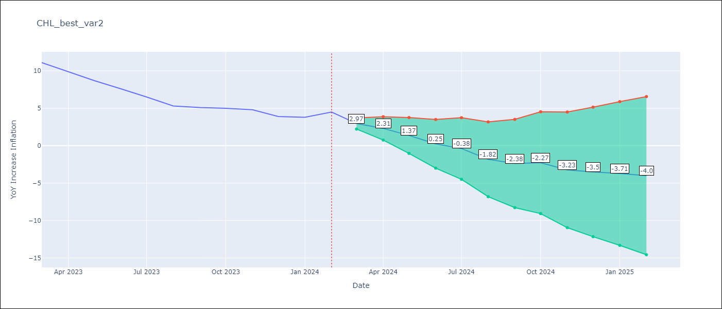

Test Metrics
RMSE | 0.46
Naive RMSE | 0.86
MAPE | 5.66%

Test Predictions
Date | Predicted | Actual
2023-03-01 | 10.37 | 11.1
2023-04-01 | 9.71 | 9.9
2023-05-01 | 8.77 | 8.7
2023-06-01 | 7.65 | 7.6
2023-07-01 | 7.02 | 6.5
2023-08-01 | 5.58 | 5.3
2023-09-01 | 5.02 | 5.1
2023-10-01 | 5.13 | 5
2023-11-01 | 4.17 | 4.8
2023-12-01 | 3.9 | 3.9
2024-01-01 | 3.69 | 3.8
2024-02-01 | 3.4 | 4.5

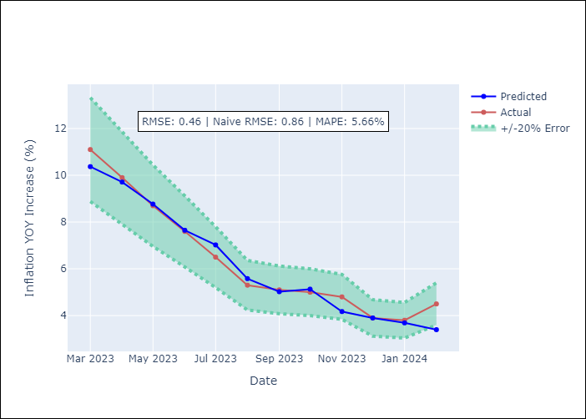

Appendix A: Model Summary
Model | VAR - 12
Sample | 2001-09-01 to 2024-02-01
No. of Observations | 270
Terms | P-value (Statistical significance)
L1.YoY Increase Inflation | 4.8594012537E-05
L1.US 10-Year Bond Rates | 0.91341996097
L1.CPI_United States | 0.00040476300472
L1.M1 Money Supply | 0.12208816469
L2.YoY Increase Inflation | 0.087210042749
L2.US 10-Year Bond Rates | 0.6364912852
L2.CPI_United States | 0.48689787929
L2.M1 Money Supply | 0.93652421337
L3.YoY Increase Inflation | 0.030613602969
L3.US 10-Year Bond Rates | 0.55246828606
L3.CPI_United States | 0.071099363425
L3.M1 Money Supply | 0.39267878966
L4.YoY Increase Inflation | 0.98842951749
L4.US 10-Year Bond Rates | 0.65633711979
L4.CPI_United States | 0.89959964311
L4.M1 Money Supply | 0.35067504749
L5.YoY Increase Inflation | 0.0048052195799
L5.US 10-Year Bond Rates | 0.90441152882
L5.CPI_United States | 0.5236959168
L5.M1 Money Supply | 0.86017178114
L6.YoY Increase Inflation | 0.29198363951
L6.US 10-Year Bond Rates | 0.0277904596
L6.CPI_United States | 0.22486015052
L6.M1 Money Supply | 0.99477175283
L7.YoY Increase Inflation | 0.7910340242
L7.US 10-Year Bond Rates | 0.8937057357
L7.CPI_United States | 0.85864558405
L7.M1 Money Supply | 0.93768718185
L8.YoY Increase Inflation | 0.15602176645
L8.US 10-Year Bond Rates | 0.0262398234
L8.CPI_United States | 0.27136597324
L8.M1 Money Supply | 0.80228321865
L9.YoY Increase Inflation | 0.10484433444
L9.US 10-Year Bond Rates | 0.10180573867
L9.CPI_United States | 0.41497580193
L9.M1 Money Supply | 0.35938738996
L10.YoY Increase Inflation | 0.00094750670492
L10.US 10-Year Bond Rates | 0.01440502006
L10.CPI_United States | 0.46611402204
L10.M1 Money Supply | 0.03452580804
L11.YoY Increase Inflation | 0.5485272181
L11.US 10-Year Bond Rates | 0.73994791892
L11.CPI_United States | 0.19307217078
L11.M1 Money Supply | 0.79104689249
L12.YoY Increase Inflation | 4.3636554458E-07
L12.US 10-Year Bond Rates | 0.71148413275
L12.CPI_United States | 0.8433869934
L12.M1 Money Supply | 0.13630246948
Assumptions | P-value

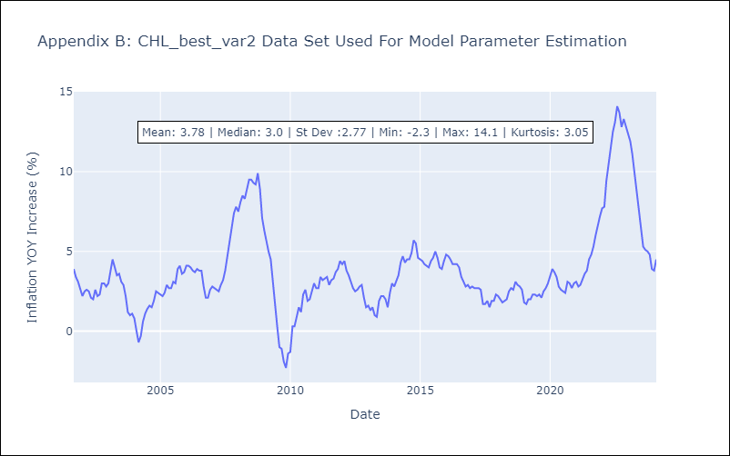

Appendix C: Residuals Analysis
Mean | -0.0
Errors AutoCorrelated? | 2.0362893190349785 | No Autocorrelation
Normal? | No

