CHL
CHL - Inflation - Next 12 months forecast as of: 2024-02-01

Model | VAR - 12 | Exogenous Variables | Economic Activity, Oil Price $ per barrel, M1 Money Supply, Deposit Interest Rates - 30 to 90 days - Nominal, Nominal Observed Exchange Rate, YoY Increase Inflation
Training Data | 2001-09-01 to 2023-03-01
Test Data | 2023-03-01 to 2024-02-01

Date | Inflation Change YoY % | Lower Bound - 95% Confidence Interval | Upper Bound - 95% Confidence Interval
2024-03-01 | 1.92 | 1.34 | 2.5
2024-04-01 | 1.57 | 0.27 | 2.88
2024-05-01 | 1.82 | -0.23 | 3.87
2024-06-01 | 1.07 | -1.74 | 3.87
2024-07-01 | 0.94 | -2.64 | 4.51
2024-08-01 | 1.09 | -3.27 | 5.45
2024-09-01 | 1.2 | -3.96 | 6.35
2024-10-01 | 1.22 | -4.73 | 7.17
2024-11-01 | 1.33 | -5.42 | 8.08
2024-12-01 | 1.65 | -5.91 | 9.21
2025-01-01 | 1.59 | -6.81 | 9.99
2025-02-01 | 1.66 | -7.59 | 10.91

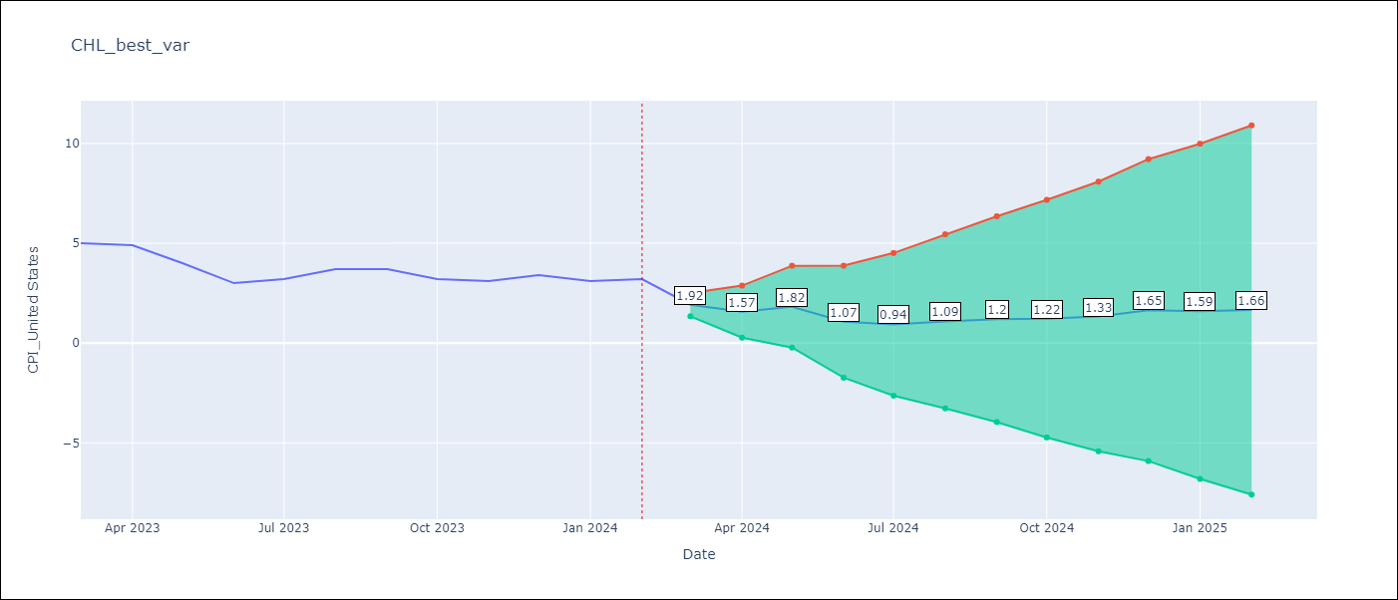

Test Metrics
RMSE | 0.82
Naive RMSE | 0.54
MAPE | 21.77%

Test Predictions
Date | Predicted | Actual
2023-03-01 | 4.72 | 5
2023-04-01 | 4.37 | 4.9
2023-05-01 | 4.62 | 4
2023-06-01 | 3.87 | 3
2023-07-01 | 3.74 | 3.2
2023-08-01 | 3.89 | 3.7
2023-09-01 | 4 | 3.7
2023-10-01 | 4.02 | 3.2
2023-11-01 | 4.13 | 3.1
2023-12-01 | 4.45 | 3.4
2024-01-01 | 4.39 | 3.1
2024-02-01 | 4.46 | 3.2

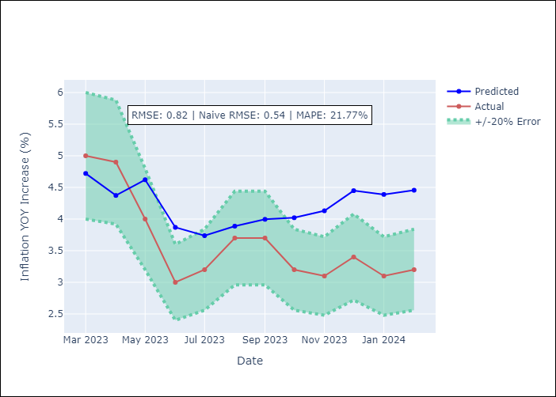

Appendix A: Model Summary
Model | VAR - 12
Sample | 2001-09-01 to 2024-02-01
No. of Observations | 270
Terms | P-value (Statistical significance)
L1.CPI_United States | 0.00045365387018
L1.Economic Activity | 0.89516382012
L1.Oil Price $ per barrel | 6.8439319242E-08
L1.M1 Money Supply | 0.81663197481
L1.Deposit Interest Rates - 30 to 90 days - Nominal | 0.20926855174
L1.Nominal Observed Exchange Rate | 0.047727969117
L1.YoY Increase Inflation | 0.71677259237
L2.CPI_United States | 0.054582159458
L2.Economic Activity | 0.81704994926
L2.Oil Price $ per barrel | 0.79949620338
L2.M1 Money Supply | 0.81321190191
L2.Deposit Interest Rates - 30 to 90 days - Nominal | 0.70409205852
L2.Nominal Observed Exchange Rate | 0.21124584881
L2.YoY Increase Inflation | 0.012754283527
L3.CPI_United States | 0.97080451725
L3.Economic Activity | 0.32215755586
L3.Oil Price $ per barrel | 0.23974243658
L3.M1 Money Supply | 0.31835769873
L3.Deposit Interest Rates - 30 to 90 days - Nominal | 0.91214898572
L3.Nominal Observed Exchange Rate | 0.92675091674
L3.YoY Increase Inflation | 0.29340294754
L4.CPI_United States | 0.10814526864
L4.Economic Activity | 0.69566080725
L4.Oil Price $ per barrel | 0.95272196743
L4.M1 Money Supply | 0.46740708633
L4.Deposit Interest Rates - 30 to 90 days - Nominal | 0.050968965965
L4.Nominal Observed Exchange Rate | 0.72076812523
L4.YoY Increase Inflation | 0.59900032176
L5.CPI_United States | 0.25195543247
L5.Economic Activity | 0.3386651453
L5.Oil Price $ per barrel | 0.86464981885
L5.M1 Money Supply | 0.74896566921
L5.Deposit Interest Rates - 30 to 90 days - Nominal | 0.32977767633
L5.Nominal Observed Exchange Rate | 0.017331128165
L5.YoY Increase Inflation | 0.29009333707
L6.CPI_United States | 0.90929014556
L6.Economic Activity | 0.98774917505
L6.Oil Price $ per barrel | 0.45130195171
L6.M1 Money Supply | 0.74397958785
L6.Deposit Interest Rates - 30 to 90 days - Nominal | 0.40062720357
L6.Nominal Observed Exchange Rate | 0.61070524173
L6.YoY Increase Inflation | 0.721602885
L7.CPI_United States | 0.50073243606
L7.Economic Activity | 0.62181598047
L7.Oil Price $ per barrel | 0.34568558127
L7.M1 Money Supply | 0.45516611747
L7.Deposit Interest Rates - 30 to 90 days - Nominal | 0.15136780716
L7.Nominal Observed Exchange Rate | 0.31279462183
L7.YoY Increase Inflation | 0.84601957461
L8.CPI_United States | 0.81713976558
L8.Economic Activity | 0.86575067111
L8.Oil Price $ per barrel | 0.46671876737
L8.M1 Money Supply | 0.51605984663
L8.Deposit Interest Rates - 30 to 90 days - Nominal | 0.69970144505
L8.Nominal Observed Exchange Rate | 0.54446652613
L8.YoY Increase Inflation | 0.41817886322
L9.CPI_United States | 0.93534455149
L9.Economic Activity | 0.73825270544
L9.Oil Price $ per barrel | 0.57740926464
L9.M1 Money Supply | 0.92802386428
L9.Deposit Interest Rates - 30 to 90 days - Nominal | 0.23266350471
L9.Nominal Observed Exchange Rate | 0.11020259917
L9.YoY Increase Inflation | 0.64898134916
L10.CPI_United States | 0.47630025078
L10.Economic Activity | 0.6172639998
L10.Oil Price $ per barrel | 0.95661534737
L10.M1 Money Supply | 0.0033936727693
L10.Deposit Interest Rates - 30 to 90 days - Nominal | 0.12004461445
L10.Nominal Observed Exchange Rate | 0.6248638921
L10.YoY Increase Inflation | 0.0094929707942
L11.CPI_United States | 0.076766310052
L11.Economic Activity | 0.54330476844
L11.Oil Price $ per barrel | 0.064232024085
L11.M1 Money Supply | 0.12568226794
L11.Deposit Interest Rates - 30 to 90 days - Nominal | 0.82581050863
L11.Nominal Observed Exchange Rate | 0.14297042153
L11.YoY Increase Inflation | 0.21844150114
L12.CPI_United States | 4.0714395709E-12
L12.Economic Activity | 0.93595431095
L12.Oil Price $ per barrel | 7.9268361863E-05
L12.M1 Money Supply | 0.001210395627
L12.Deposit Interest Rates - 30 to 90 days - Nominal | 0.79551399379
L12.Nominal Observed Exchange Rate | 0.76283435298
L12.YoY Increase Inflation | 0.48800835957
Assumptions | P-value

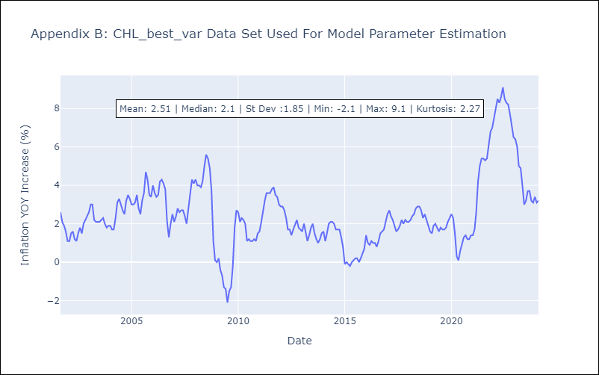

Appendix C: Residuals Analysis
Mean | 0.0
Errors AutoCorrelated? | 2.2499652350320756 | No Autocorrelation
Normal? | No

