CHL
CHL - Inflation - Next 12 months forecast as of: 2024-02-01

Model | VAR - 12 | Exogenous Variables | CPI_United States, Oil Price $ per barrel, Economic Activity, M1 Money Supply, Deposit Interest Rates - 30 to 90 days - Nominal, Nominal Observed Exchange Rate
Training Data | 2001-09-01 to 2023-03-01
Test Data | 2023-03-01 to 2024-02-01

Date | Inflation Change YoY % | Lower Bound - 95% Confidence Interval | Upper Bound - 95% Confidence Interval
2024-03-01 | 3 | 2.31 | 3.68
2024-04-01 | 2.7 | 1.24 | 4.17
2024-05-01 | 1.41 | -0.87 | 3.69
2024-06-01 | -0.05 | -3.19 | 3.09
2024-07-01 | -0.58 | -4.59 | 3.43
2024-08-01 | -1.52 | -6.41 | 3.37
2024-09-01 | -1.83 | -7.63 | 3.97
2024-10-01 | -2.05 | -8.76 | 4.67
2024-11-01 | -2.94 | -10.59 | 4.72
2024-12-01 | -2.66 | -11.26 | 5.94
2025-01-01 | -3.08 | -12.65 | 6.49
2025-02-01 | -3.23 | -13.8 | 7.34

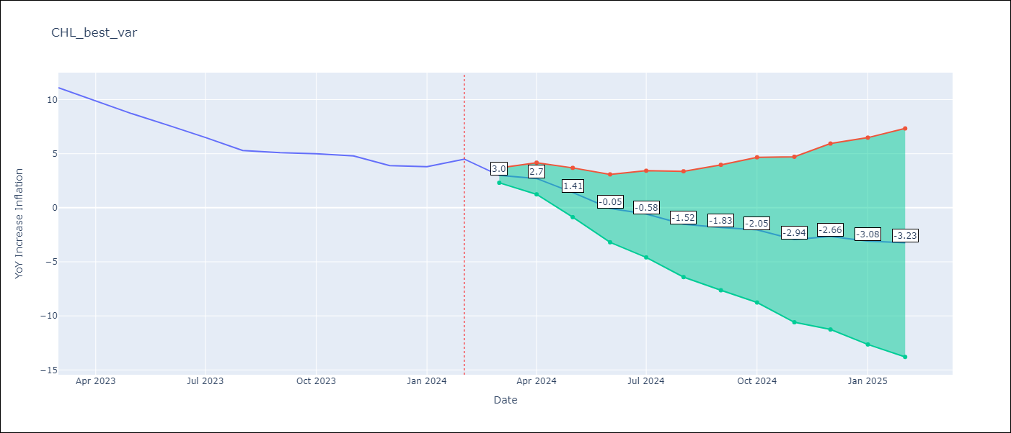

Test Metrics
RMSE | 0.47
Naive RMSE | 0.86
MAPE | 7.89%

Test Predictions
Date | Predicted | Actual
2023-03-01 | 10.4 | 11.1
2023-04-01 | 10.1 | 9.9
2023-05-01 | 8.81 | 8.7
2023-06-01 | 7.35 | 7.6
2023-07-01 | 6.82 | 6.5
2023-08-01 | 5.88 | 5.3
2023-09-01 | 5.57 | 5.1
2023-10-01 | 5.35 | 5
2023-11-01 | 4.46 | 4.8
2023-12-01 | 4.74 | 3.9
2024-01-01 | 4.32 | 3.8
2024-02-01 | 4.17 | 4.5

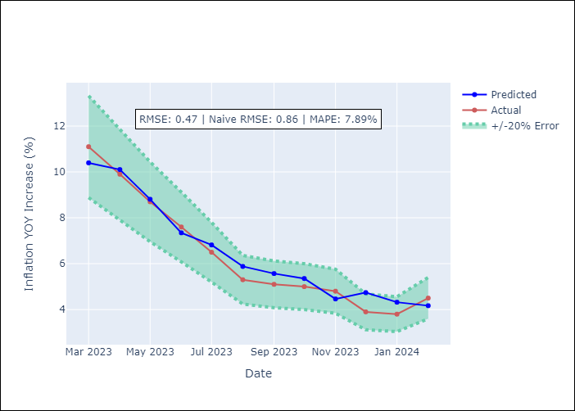

Appendix A: Model Summary
Model | VAR - 12
Sample | 2001-09-01 to 2024-02-01
No. of Observations | 270
Terms | P-value (Statistical significance)
L1.YoY Increase Inflation | 0.012424652293
L1.CPI_United States | 0.024897203414
L1.Oil Price $ per barrel | 0.0010559052558
L1.Economic Activity | 0.30272914888
L1.M1 Money Supply | 0.58274719627
L1.Deposit Interest Rates - 30 to 90 days - Nominal | 0.064231714307
L1.Nominal Observed Exchange Rate | 0.0025102872586
L2.YoY Increase Inflation | 0.093080560737
L2.CPI_United States | 0.90022249503
L2.Oil Price $ per barrel | 0.61414908123
L2.Economic Activity | 0.21188861485
L2.M1 Money Supply | 0.80121930467
L2.Deposit Interest Rates - 30 to 90 days - Nominal | 0.60327634757
L2.Nominal Observed Exchange Rate | 0.16101525923
L3.YoY Increase Inflation | 0.02171745413
L3.CPI_United States | 0.2586553751
L3.Oil Price $ per barrel | 0.41781797412
L3.Economic Activity | 0.52472371193
L3.M1 Money Supply | 0.15615856899
L3.Deposit Interest Rates - 30 to 90 days - Nominal | 0.50463711652
L3.Nominal Observed Exchange Rate | 0.23541783924
L4.YoY Increase Inflation | 0.85202598716
L4.CPI_United States | 0.52842778524
L4.Oil Price $ per barrel | 0.3041710452
L4.Economic Activity | 0.54566863415
L4.M1 Money Supply | 0.17720522126
L4.Deposit Interest Rates - 30 to 90 days - Nominal | 0.70208999528
L4.Nominal Observed Exchange Rate | 0.44935115808
L5.YoY Increase Inflation | 0.048340141448
L5.CPI_United States | 0.64417049844
L5.Oil Price $ per barrel | 0.5625963706
L5.Economic Activity | 0.14266248658
L5.M1 Money Supply | 0.37358437538
L5.Deposit Interest Rates - 30 to 90 days - Nominal | 0.096475700804
L5.Nominal Observed Exchange Rate | 0.95882722656
L6.YoY Increase Inflation | 0.72218672707
L6.CPI_United States | 0.284597941
L6.Oil Price $ per barrel | 0.226952902
L6.Economic Activity | 0.23230625086
L6.M1 Money Supply | 0.70733477327
L6.Deposit Interest Rates - 30 to 90 days - Nominal | 0.18329720362
L6.Nominal Observed Exchange Rate | 0.14571839251
L7.YoY Increase Inflation | 0.72330781713
L7.CPI_United States | 0.65358394516
L7.Oil Price $ per barrel | 0.338963995
L7.Economic Activity | 0.24706283237
L7.M1 Money Supply | 0.51265324934
L7.Deposit Interest Rates - 30 to 90 days - Nominal | 0.11309897046
L7.Nominal Observed Exchange Rate | 0.12529425789
L8.YoY Increase Inflation | 0.086281954711
L8.CPI_United States | 0.18091970958
L8.Oil Price $ per barrel | 0.44318777439
L8.Economic Activity | 0.34349722182
L8.M1 Money Supply | 0.93228357571
L8.Deposit Interest Rates - 30 to 90 days - Nominal | 0.066515388152
L8.Nominal Observed Exchange Rate | 0.26125185279
L9.YoY Increase Inflation | 0.11615256423
L9.CPI_United States | 0.91926332527
L9.Oil Price $ per barrel | 0.22130906536
L9.Economic Activity | 0.78082396684
L9.M1 Money Supply | 0.24322340607
L9.Deposit Interest Rates - 30 to 90 days - Nominal | 0.17569466948
L9.Nominal Observed Exchange Rate | 0.79770596008
L10.YoY Increase Inflation | 0.12247728907
L10.CPI_United States | 0.025104322095
L10.Oil Price $ per barrel | 0.047558826674
L10.Economic Activity | 0.55695688486
L10.M1 Money Supply | 0.09196236135
L10.Deposit Interest Rates - 30 to 90 days - Nominal | 0.35873287966
L10.Nominal Observed Exchange Rate | 0.71902767852
L11.YoY Increase Inflation | 0.86805792255
L11.CPI_United States | 0.68857146057
L11.Oil Price $ per barrel | 0.0062315201725
L11.Economic Activity | 0.6611430223
L11.M1 Money Supply | 0.26752304266
L11.Deposit Interest Rates - 30 to 90 days - Nominal | 0.0017684216889
L11.Nominal Observed Exchange Rate | 0.41561953305
L12.YoY Increase Inflation | 3.4042674489E-06
L12.CPI_United States | 0.86792184079
L12.Oil Price $ per barrel | 0.0037910407876
L12.Economic Activity | 0.76323520223
L12.M1 Money Supply | 0.22536068929
L12.Deposit Interest Rates - 30 to 90 days - Nominal | 0.10601403456
L12.Nominal Observed Exchange Rate | 0.077423977538
Assumptions | P-value

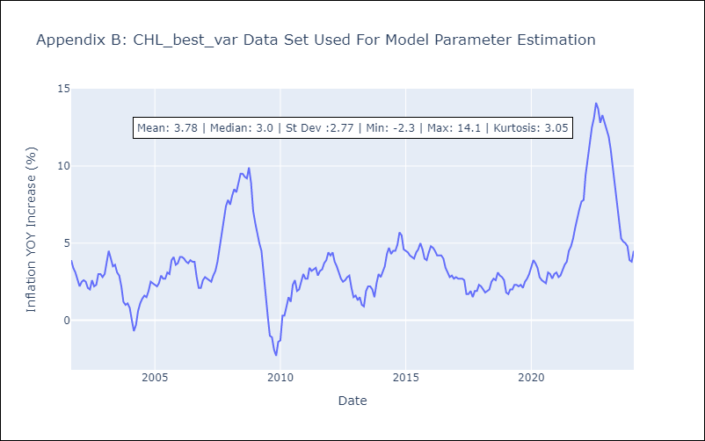

Appendix C: Residuals Analysis
Mean | -0.0
Errors AutoCorrelated? | 2.0966375001930926 | No Autocorrelation
Normal? | No

