CHL
CHL - Inflation - Next 12 months forecast as of: 2024-02-01

Model | VAR - 12 | Exogenous Variables | Nominal Observed Exchange Rate
Training Data | 2001-09-01 to 2023-03-01
Test Data | 2023-03-01 to 2024-02-01

Date | Inflation Change YoY % | Lower Bound - 95% Confidence Interval | Upper Bound - 95% Confidence Interval
2024-03-01 | 3.97 | 3.18 | 4.75
2024-04-01 | 3.88 | 2.23 | 5.52
2024-05-01 | 3.12 | 0.61 | 5.63
2024-06-01 | 2.75 | -0.65 | 6.15
2024-07-01 | 2.45 | -1.85 | 6.75
2024-08-01 | 1.82 | -3.39 | 7.03
2024-09-01 | 1.99 | -4.13 | 8.12
2024-10-01 | 2.26 | -4.79 | 9.31
2024-11-01 | 2.06 | -5.93 | 10.05
2024-12-01 | 2.23 | -6.71 | 11.16
2025-01-01 | 2.35 | -7.54 | 12.24
2025-02-01 | 2.65 | -8.2 | 13.51

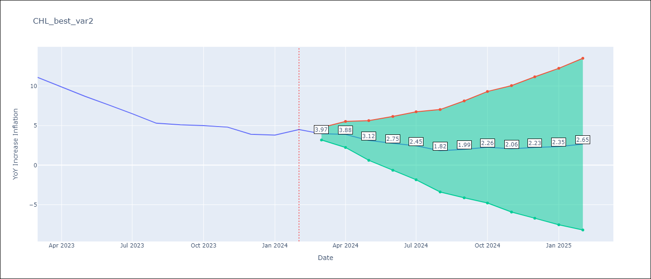

Test Metrics
RMSE | 4.08
Naive RMSE | 0.86
MAPE | 74.8%

Test Predictions
Date | Predicted | Actual
2023-03-01 | 11.37 | 11.1
2023-04-01 | 11.28 | 9.9
2023-05-01 | 10.52 | 8.7
2023-06-01 | 10.15 | 7.6
2023-07-01 | 9.85 | 6.5
2023-08-01 | 9.22 | 5.3
2023-09-01 | 9.39 | 5.1
2023-10-01 | 9.66 | 5
2023-11-01 | 9.46 | 4.8
2023-12-01 | 9.63 | 3.9
2024-01-01 | 9.75 | 3.8
2024-02-01 | 10.05 | 4.5

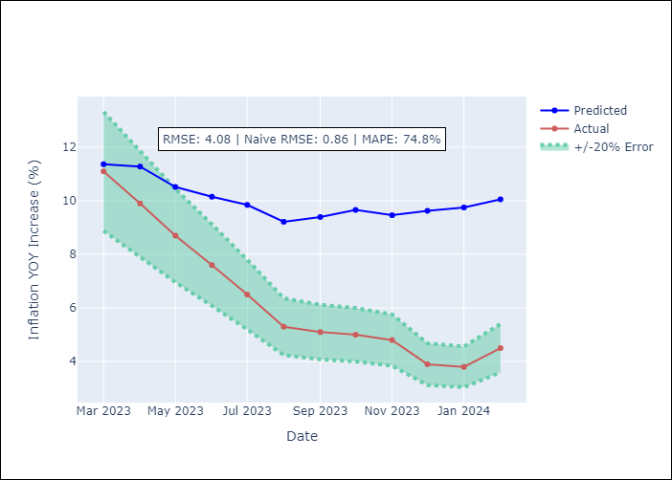

Appendix A: Model Summary
Model | VAR - 12
Sample | 2001-09-01 to 2024-02-01
No. of Observations | 270
Terms | P-value (Statistical significance)
L1.YoY Increase Inflation | 2.2802320113E-10
L1.Nominal Observed Exchange Rate | 0.17619281923
L2.YoY Increase Inflation | 0.72157810788
L2.Nominal Observed Exchange Rate | 0.31383093903
L3.YoY Increase Inflation | 0.0078702737874
L3.Nominal Observed Exchange Rate | 0.01914401037
L4.YoY Increase Inflation | 0.68191920442
L4.Nominal Observed Exchange Rate | 0.92044285979
L5.YoY Increase Inflation | 0.011884033191
L5.Nominal Observed Exchange Rate | 0.63977468187
L6.YoY Increase Inflation | 0.13948623222
L6.Nominal Observed Exchange Rate | 0.87172914508
L7.YoY Increase Inflation | 0.84538835574
L7.Nominal Observed Exchange Rate | 0.047174528995
L8.YoY Increase Inflation | 0.082169595542
L8.Nominal Observed Exchange Rate | 0.54117958909
L9.YoY Increase Inflation | 0.053503426297
L9.Nominal Observed Exchange Rate | 0.88301960987
L10.YoY Increase Inflation | 0.019518484515
L10.Nominal Observed Exchange Rate | 0.44273032006
L11.YoY Increase Inflation | 0.46213042607
L11.Nominal Observed Exchange Rate | 0.59009542143
L12.YoY Increase Inflation | 7.495594491E-08
L12.Nominal Observed Exchange Rate | 0.23284356238
Assumptions | P-value

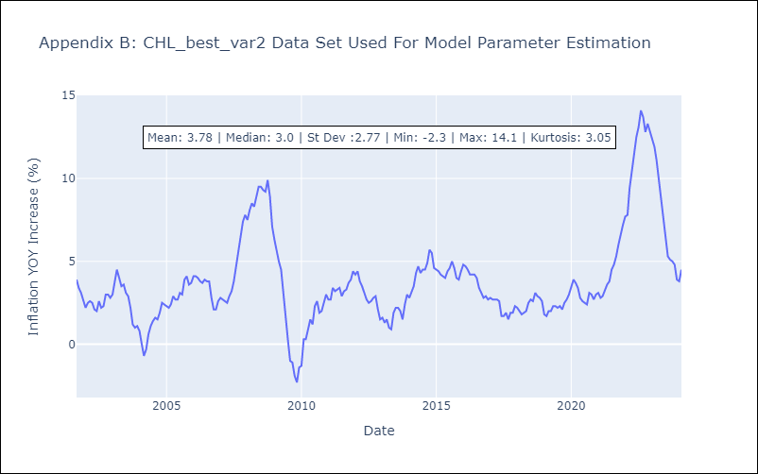

Appendix C: Residuals Analysis
Mean | 0.0
Errors AutoCorrelated? | 2.0339862224978007 | No Autocorrelation
Normal? | No

