CHL
CHL - Inflation - Next 12 months forecast as of: 2024-02-01

Model | VAR - 12 | Exogenous Variables | Output Gap, Real Exchange Rate Index, YoY Increase Inflation
Training Data | 2001-09-01 to 2023-03-01
Test Data | 2023-03-01 to 2024-02-01

Date | Inflation Change YoY % | Lower Bound - 95% Confidence Interval | Upper Bound - 95% Confidence Interval
2024-03-01 | 6.76 | 6.37 | 7.14
2024-04-01 | 6.62 | 5.75 | 7.48
2024-05-01 | 6.64 | 5.25 | 8.03
2024-06-01 | 6.55 | 4.59 | 8.51
2024-07-01 | 6.62 | 4.05 | 9.18
2024-08-01 | 6.56 | 3.36 | 9.76
2024-09-01 | 6.68 | 2.84 | 10.53
2024-10-01 | 6.73 | 2.22 | 11.23
2024-11-01 | 6.63 | 1.46 | 11.81
2024-12-01 | 6.5 | 0.65 | 12.35
2025-01-01 | 6.3 | -0.23 | 12.84
2025-02-01 | 6.14 | -1.09 | 13.37

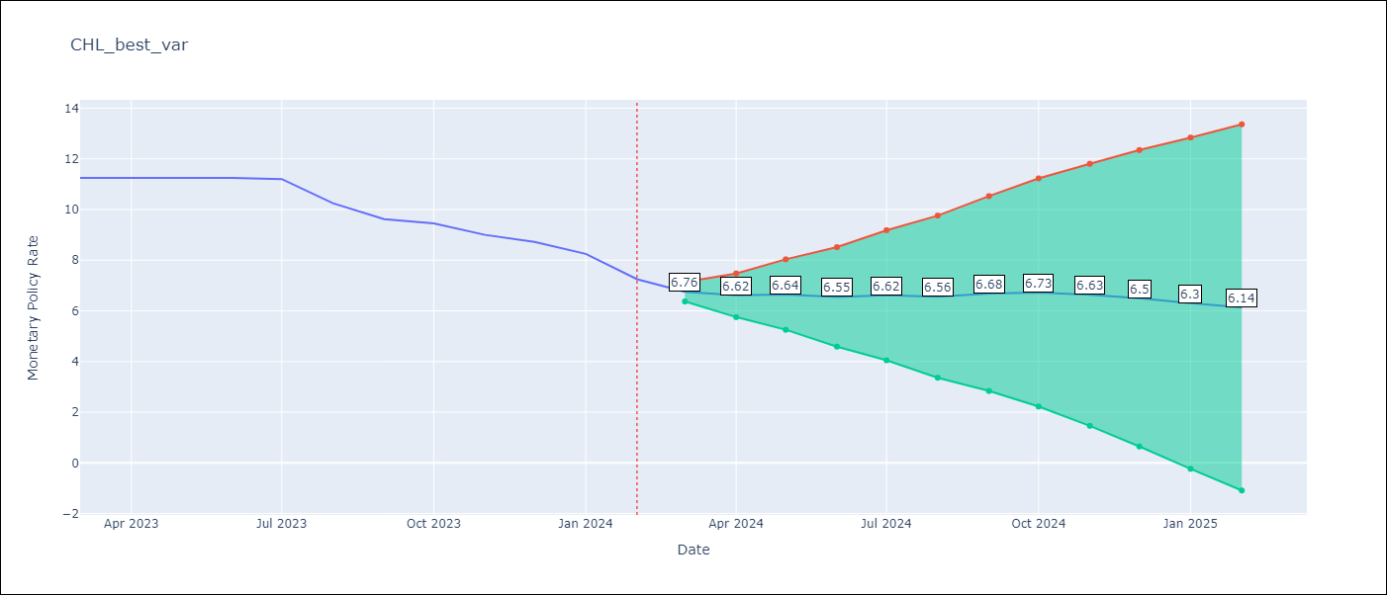

Test Metrics
RMSE | 1.39
Naive RMSE | 0.49
MAPE | 13.14%

Test Predictions
Date | Predicted | Actual
2023-03-01 | 10.76 | 11.25
2023-04-01 | 10.62 | 11.25
2023-05-01 | 10.64 | 11.25
2023-06-01 | 10.55 | 11.25
2023-07-01 | 10.62 | 11.2
2023-08-01 | 10.56 | 10.25
2023-09-01 | 10.68 | 9.62
2023-10-01 | 10.73 | 9.45
2023-11-01 | 10.63 | 9
2023-12-01 | 10.5 | 8.72
2024-01-01 | 10.3 | 8.25
2024-02-01 | 10.14 | 7.25

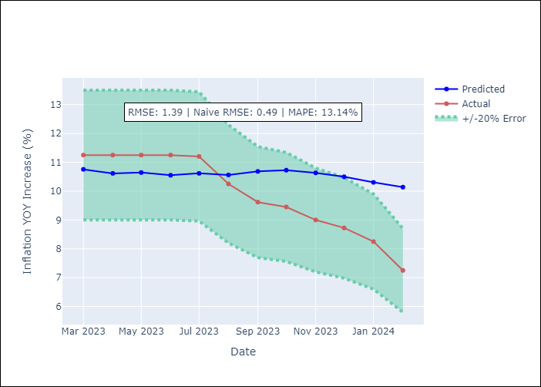

Appendix A: Model Summary
Model | VAR - 12
Sample | 2001-09-01 to 2024-02-01
No. of Observations | 270
Terms | P-value (Statistical significance)
L1.Monetary Policy Rate | 5.9589446409E-24
L1.Output Gap | 0.083004540092
L1.Real Exchange Rate Index | 0.74387700226
L1.YoY Increase Inflation | 0.0034023194742
L2.Monetary Policy Rate | 0.46992596462
L2.Output Gap | 0.11152750688
L2.Real Exchange Rate Index | 0.036712855461
L2.YoY Increase Inflation | 0.31289474749
L3.Monetary Policy Rate | 0.85251074249
L3.Output Gap | 0.0024724193696
L3.Real Exchange Rate Index | 0.002762615461
L3.YoY Increase Inflation | 0.0014816265566
L4.Monetary Policy Rate | 0.74697795479
L4.Output Gap | 0.051296360849
L4.Real Exchange Rate Index | 0.41143035859
L4.YoY Increase Inflation | 0.68236949321
L5.Monetary Policy Rate | 0.88944195245
L5.Output Gap | 0.067435238723
L5.Real Exchange Rate Index | 0.011638374607
L5.YoY Increase Inflation | 0.41999545084
L6.Monetary Policy Rate | 0.094190542524
L6.Output Gap | 0.25638879836
L6.Real Exchange Rate Index | 0.093079371454
L6.YoY Increase Inflation | 0.66693415096
L7.Monetary Policy Rate | 0.3430077415
L7.Output Gap | 0.14719505387
L7.Real Exchange Rate Index | 0.086514163237
L7.YoY Increase Inflation | 0.080451410475
L8.Monetary Policy Rate | 0.51312487698
L8.Output Gap | 0.20774654779
L8.Real Exchange Rate Index | 0.040976625762
L8.YoY Increase Inflation | 0.73452598404
L9.Monetary Policy Rate | 0.84828021451
L9.Output Gap | 0.13581432513
L9.Real Exchange Rate Index | 0.21475716621
L9.YoY Increase Inflation | 0.78467110609
L10.Monetary Policy Rate | 0.74500455722
L10.Output Gap | 0.27333180237
L10.Real Exchange Rate Index | 0.66193099332
L10.YoY Increase Inflation | 0.78012531629
L11.Monetary Policy Rate | 0.52625564687
L11.Output Gap | 0.27298238908
L11.Real Exchange Rate Index | 0.83147438128
L11.YoY Increase Inflation | 0.74120474336
L12.Monetary Policy Rate | 0.22791529066
L12.Output Gap | 0.040281338881
L12.Real Exchange Rate Index | 0.92370499838
L12.YoY Increase Inflation | 0.97190279326
Assumptions | P-value

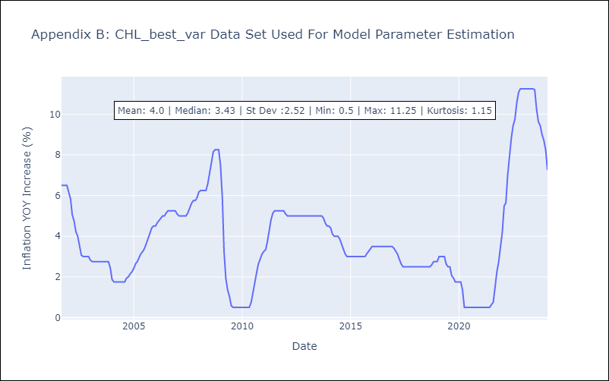

Appendix C: Residuals Analysis
Mean | 0.0
Errors AutoCorrelated? | 2.0056912548198715 | No Autocorrelation
Normal? | No

