CHL
CHL - Inflation - Next 12 months forecast as of: 2024-02-01

Model | VAR - 12 | Exogenous Variables | Monetary Policy Rate, Output Gap, Real Exchange Rate Index
Training Data | 2001-09-01 to 2023-03-01
Test Data | 2023-03-01 to 2024-02-01

Date | Inflation Change YoY % | Lower Bound - 95% Confidence Interval | Upper Bound - 95% Confidence Interval
2024-03-01 | 3.49 | 2.72 | 4.26
2024-04-01 | 3.11 | 1.5 | 4.71
2024-05-01 | 2.33 | -0.14 | 4.79
2024-06-01 | 2.04 | -1.31 | 5.38
2024-07-01 | 1.66 | -2.59 | 5.9
2024-08-01 | 0.83 | -4.34 | 5.99
2024-09-01 | 0.82 | -5.28 | 6.92
2024-10-01 | 0.86 | -6.18 | 7.91
2024-11-01 | 0.67 | -7.34 | 8.67
2024-12-01 | 0.79 | -8.19 | 9.76
2025-01-01 | 0.52 | -9.43 | 10.47
2025-02-01 | 0.67 | -10.28 | 11.62

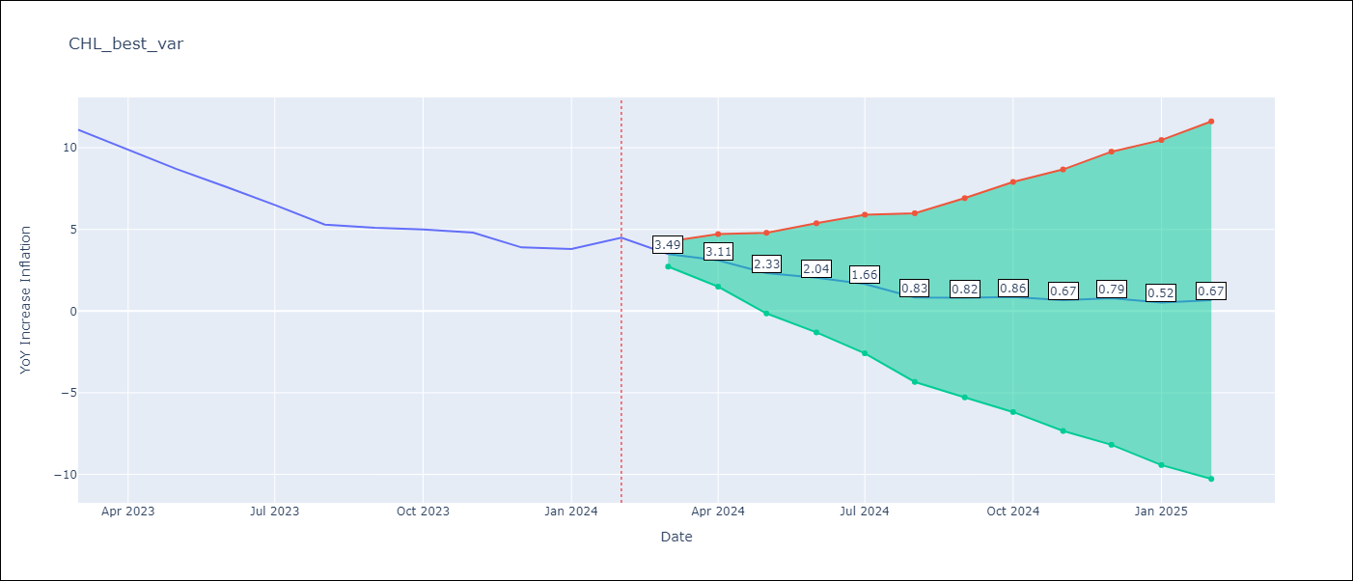

Test Metrics
RMSE | 2.87
Naive RMSE | 0.86
MAPE | 52.56%

Test Predictions
Date | Predicted | Actual
2023-03-01 | 10.89 | 11.1
2023-04-01 | 10.51 | 9.9
2023-05-01 | 9.73 | 8.7
2023-06-01 | 9.44 | 7.6
2023-07-01 | 9.06 | 6.5
2023-08-01 | 8.23 | 5.3
2023-09-01 | 8.22 | 5.1
2023-10-01 | 8.26 | 5
2023-11-01 | 8.07 | 4.8
2023-12-01 | 8.19 | 3.9
2024-01-01 | 7.92 | 3.8
2024-02-01 | 8.07 | 4.5

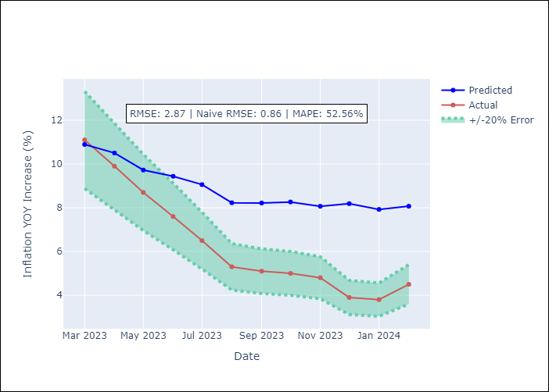

Appendix A: Model Summary
Model | VAR - 12
Sample | 2001-09-01 to 2024-02-01
No. of Observations | 270
Terms | P-value (Statistical significance)
L1.YoY Increase Inflation | 1.0557542461E-08
L1.Monetary Policy Rate | 0.017108492891
L1.Output Gap | 0.5571838011
L1.Real Exchange Rate Index | 0.13706128984
L2.YoY Increase Inflation | 0.12542959131
L2.Monetary Policy Rate | 0.95595778244
L2.Output Gap | 0.47023084677
L2.Real Exchange Rate Index | 0.44457468251
L3.YoY Increase Inflation | 0.073844677706
L3.Monetary Policy Rate | 0.63273661418
L3.Output Gap | 0.48694856119
L3.Real Exchange Rate Index | 0.033643455454
L4.YoY Increase Inflation | 0.2854562055
L4.Monetary Policy Rate | 0.046504011305
L4.Output Gap | 0.93107950273
L4.Real Exchange Rate Index | 0.4464772892
L5.YoY Increase Inflation | 0.071284132131
L5.Monetary Policy Rate | 0.053261249125
L5.Output Gap | 0.64439217789
L5.Real Exchange Rate Index | 0.9943563175
L6.YoY Increase Inflation | 0.26766263302
L6.Monetary Policy Rate | 0.042800621052
L6.Output Gap | 0.96002670083
L6.Real Exchange Rate Index | 0.84412502902
L7.YoY Increase Inflation | 0.61540035666
L7.Monetary Policy Rate | 0.41043174077
L7.Output Gap | 0.91315256559
L7.Real Exchange Rate Index | 0.34811920194
L8.YoY Increase Inflation | 0.092550102983
L8.Monetary Policy Rate | 0.69085046896
L8.Output Gap | 0.84301150413
L8.Real Exchange Rate Index | 0.37488087405
L9.YoY Increase Inflation | 0.019462017214
L9.Monetary Policy Rate | 0.52031668871
L9.Output Gap | 0.96280288866
L9.Real Exchange Rate Index | 0.47272398916
L10.YoY Increase Inflation | 0.0087252420027
L10.Monetary Policy Rate | 0.72140647572
L10.Output Gap | 0.90620481706
L10.Real Exchange Rate Index | 0.8112578128
L11.YoY Increase Inflation | 0.85111518609
L11.Monetary Policy Rate | 0.040894375593
L11.Output Gap | 0.70611526889
L11.Real Exchange Rate Index | 0.036346484676
L12.YoY Increase Inflation | 1.383034952E-06
L12.Monetary Policy Rate | 0.37273837029
L12.Output Gap | 0.81185742157
L12.Real Exchange Rate Index | 0.089161540957
Assumptions | P-value

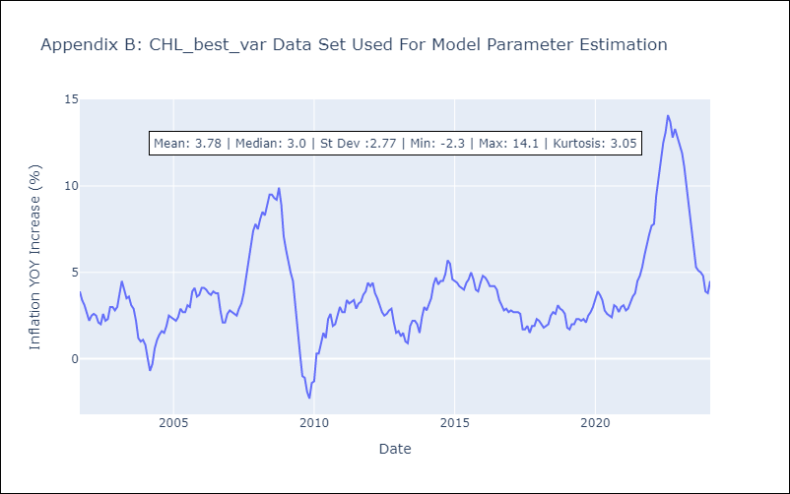

Appendix C: Residuals Analysis
Mean | -0.0
Errors AutoCorrelated? | 2.042550547717608 | No Autocorrelation
Normal? | No

