CHL
CHL - Inflation - Next 12 months forecast as of: 2024-02-01

Model | VAR - 4 | Exogenous Variables | Deposit Interest Rates - 30 to 90 days - Nominal, US 10-Year Bond Rates , Monetary Policy Rate, Food Price Index, Nominal Observed Exchange Rate, Real Exchange Rate Index, Expectativas de inflación en 11 meses, Gold Price $ per oz, Copper Price $ per pound, Oil Price $ per barrel, CPI_United States, PPI_United States_Finshed Goods, PPI_China, Economic Activity, General Wage Index, Unemployment Rate, M1 Money Supply, Output Gap
Training Data | 2001-09-01 to 2023-03-01
Test Data | 2023-03-01 to 2024-02-01

Date | Inflation Change YoY % | Lower Bound - 95% Confidence Interval | Upper Bound - 95% Confidence Interval
2024-03-01 | 3.76 | 2.97 | 4.55
2024-04-01 | 3.47 | 1.77 | 5.18
2024-05-01 | 3.26 | 0.59 | 5.94
2024-06-01 | 3.02 | -0.68 | 6.72
2024-07-01 | 3.05 | -1.69 | 7.8
2024-08-01 | 2.85 | -2.96 | 8.67
2024-09-01 | 2.46 | -4.45 | 9.38
2024-10-01 | 2.22 | -5.79 | 10.24
2024-11-01 | 2.11 | -7.03 | 11.24
2024-12-01 | 2.03 | -8.23 | 12.29
2025-01-01 | 1.89 | -9.5 | 13.28
2025-02-01 | 1.67 | -10.86 | 14.2

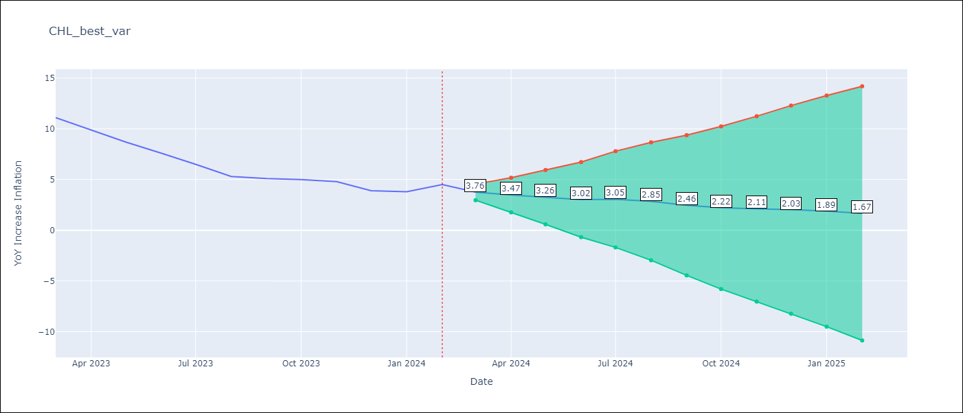

Test Metrics
RMSE | 4.09
Naive RMSE | 0.86
MAPE | 74.68%

Test Predictions
Date | Predicted | Actual
2023-03-01 | 11.16 | 11.1
2023-04-01 | 10.87 | 9.9
2023-05-01 | 10.66 | 8.7
2023-06-01 | 10.42 | 7.6
2023-07-01 | 10.45 | 6.5
2023-08-01 | 10.25 | 5.3
2023-09-01 | 9.86 | 5.1
2023-10-01 | 9.62 | 5
2023-11-01 | 9.51 | 4.8
2023-12-01 | 9.43 | 3.9
2024-01-01 | 9.29 | 3.8
2024-02-01 | 9.07 | 4.5

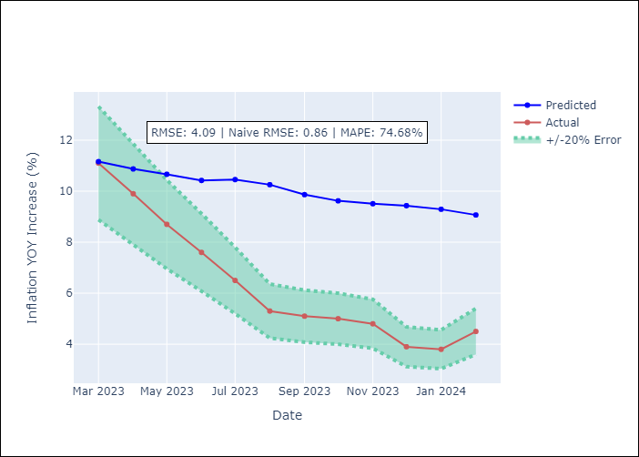

Appendix A: Model Summary
Model | VAR - 4
Sample | 2001-09-01 to 2024-02-01
No. of Observations | 270
Terms | P-value (Statistical significance)
L1.YoY Increase Inflation | 0.10531267307
L1.Deposit Interest Rates - 30 to 90 days - Nominal | 0.4091202909
L1.US 10-Year Bond Rates | 0.60920743628
L1.Monetary Policy Rate | 0.65233930331
L1.Food Price Index | 0.44087475527
L1.Nominal Observed Exchange Rate | 0.10309850997
L1.Real Exchange Rate Index | 0.35778153144
L1.Expectativas de inflación en 11 meses | 0.009789206684
L1.Gold Price $ per oz | 0.88869976508
L1.Copper Price $ per pound | 0.29429164087
L1.Oil Price $ per barrel | 0.21410581967
L1.CPI_United States | 0.99102448183
L1.PPI_United States_Finshed Goods | 0.62605532811
L1.PPI_China | 0.016606661239
L1.Economic Activity | 0.15861786963
L1.General Wage Index | 0.35822189406
L1.Unemployment Rate | 0.66813628543
L1.M1 Money Supply | 0.54391778751
L1.Output Gap | 0.15861376206
L2.YoY Increase Inflation | 0.29639636714
L2.Deposit Interest Rates - 30 to 90 days - Nominal | 0.13145882754
L2.US 10-Year Bond Rates | 0.095747518183
L2.Monetary Policy Rate | 0.64986970626
L2.Food Price Index | 0.86828578944
L2.Nominal Observed Exchange Rate | 0.58913164689
L2.Real Exchange Rate Index | 0.55982007541
L2.Expectativas de inflación en 11 meses | 0.98578993365
L2.Gold Price $ per oz | 0.42212684395
L2.Copper Price $ per pound | 0.46419171892
L2.Oil Price $ per barrel | 0.64846940356
L2.CPI_United States | 0.17362271795
L2.PPI_United States_Finshed Goods | 0.18679060291
L2.PPI_China | 0.47622146595
L2.Economic Activity | 0.13558903488
L2.General Wage Index | 0.14263544791
L2.Unemployment Rate | 0.81811203941
L2.M1 Money Supply | 0.59730047993
L2.Output Gap | 0.13562226917
L3.YoY Increase Inflation | 0.011919537105
L3.Deposit Interest Rates - 30 to 90 days - Nominal | 0.92796404702
L3.US 10-Year Bond Rates | 0.41167386812
L3.Monetary Policy Rate | 0.093249410314
L3.Food Price Index | 0.16670554791
L3.Nominal Observed Exchange Rate | 0.90602644676
L3.Real Exchange Rate Index | 0.7100117676
L3.Expectativas de inflación en 11 meses | 0.37341081087
L3.Gold Price $ per oz | 0.73588820223
L3.Copper Price $ per pound | 0.25734706991
L3.Oil Price $ per barrel | 0.63419127249
L3.CPI_United States | 0.28336333949
L3.PPI_United States_Finshed Goods | 0.12598271005
L3.PPI_China | 0.42840825565
L3.Economic Activity | 0.11718804737
L3.General Wage Index | 0.089001604821
L3.Unemployment Rate | 0.68135965655
L3.M1 Money Supply | 0.98984517228
L3.Output Gap | 0.11715032253
L4.YoY Increase Inflation | 0.18046305921
L4.Deposit Interest Rates - 30 to 90 days - Nominal | 0.25204530139
L4.US 10-Year Bond Rates | 0.72992350378
L4.Monetary Policy Rate | 0.2453646015
L4.Food Price Index | 0.13862793049
L4.Nominal Observed Exchange Rate | 0.55581326197
L4.Real Exchange Rate Index | 0.43734605247
L4.Expectativas de inflación en 11 meses | 0.035260060588
L4.Gold Price $ per oz | 0.91622068984
L4.Copper Price $ per pound | 0.41951927797
L4.Oil Price $ per barrel | 0.17104278582
L4.CPI_United States | 0.68853808376
L4.PPI_United States_Finshed Goods | 0.21445254962
L4.PPI_China | 0.13701639338
L4.Economic Activity | 0.1027264465
L4.General Wage Index | 0.34992247466
L4.Unemployment Rate | 0.91137033237
L4.M1 Money Supply | 0.41353790362
L4.Output Gap | 0.1028043212
Assumptions | P-value

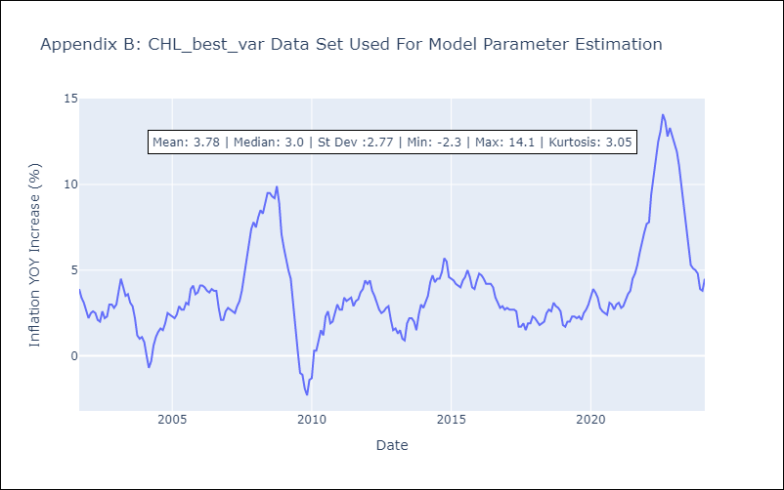

Appendix C: Residuals Analysis
Mean | 0.0
Errors AutoCorrelated? | 2.004464331956378 | No Autocorrelation
Normal? | No

