CHL
CHL - Inflation - Next 12 months forecast as of: 2024-02-01

Model | VAR - 12 | Exogenous Variables | Economic Activity, M1 Money Supply, Nominal Observed Exchange Rate, YoY Increase Inflation
Training Data | 2001-09-01 to 2023-03-01
Test Data | 2023-03-01 to 2024-02-01

Date | Inflation Change YoY % | Lower Bound - 95% Confidence Interval | Upper Bound - 95% Confidence Interval
2024-03-01 | -3.52 | -4.62 | -2.42
2024-04-01 | -4.12 | -6.71 | -1.53
2024-05-01 | -3.93 | -8.1 | 0.24
2024-06-01 | -3.52 | -9.31 | 2.27
2024-07-01 | -2.67 | -10.1 | 4.76
2024-08-01 | -2.45 | -11.55 | 6.64
2024-09-01 | -1.33 | -12.12 | 9.45
2024-10-01 | 0.72 | -11.77 | 13.22
2024-11-01 | 1.47 | -12.75 | 15.69
2024-12-01 | 1.8 | -14.17 | 17.76
2025-01-01 | 1.65 | -16.1 | 19.39
2025-02-01 | 1.6 | -17.93 | 21.14

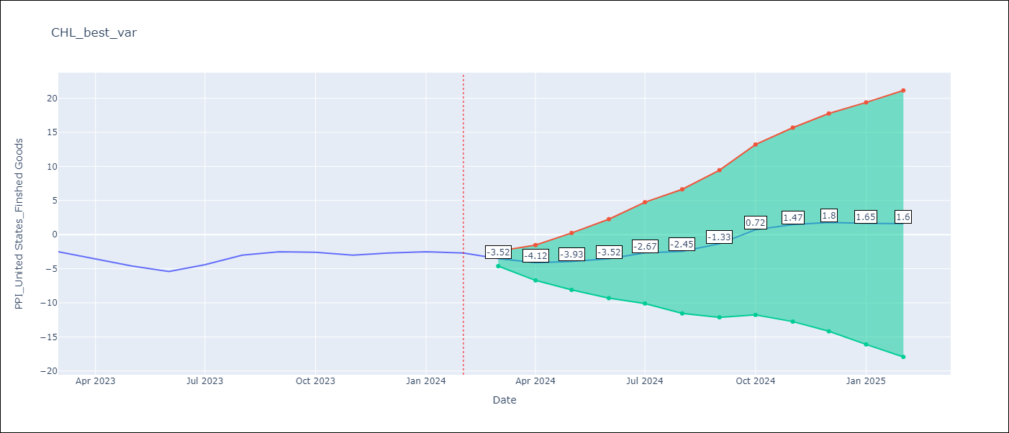

Test Metrics
RMSE | 3.9
Naive RMSE | 0.8
MAPE | 114.49%

Test Predictions
Date | Predicted | Actual
2023-03-01 | -2.22 | -2.5
2023-04-01 | -2.82 | -3.6
2023-05-01 | -2.63 | -4.6
2023-06-01 | -2.22 | -5.4
2023-07-01 | -1.37 | -4.4
2023-08-01 | -1.15 | -3
2023-09-01 | -0.03 | -2.5
2023-10-01 | 2.02 | -2.6
2023-11-01 | 2.77 | -3
2023-12-01 | 3.1 | -2.7
2024-01-01 | 2.95 | -2.5
2024-02-01 | 2.9 | -2.7

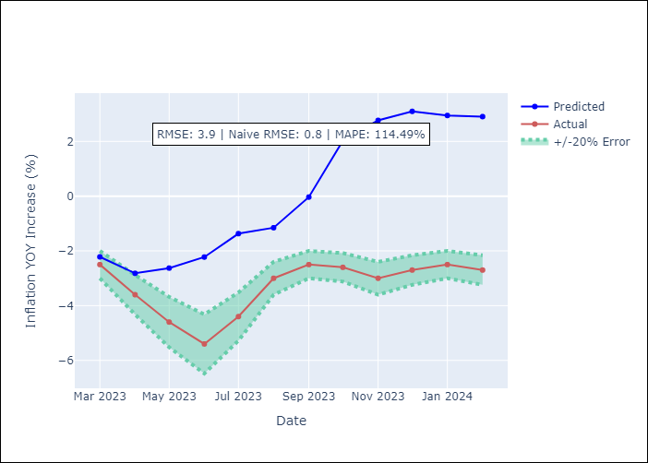

Appendix A: Model Summary
Model | VAR - 12
Sample | 2001-09-01 to 2024-02-01
No. of Observations | 270
Terms | P-value (Statistical significance)
L1.PPI_United States_Finshed Goods | 1.7094506118E-27
L1.Economic Activity | 0.36482551896
L1.M1 Money Supply | 0.0013197389459
L1.Nominal Observed Exchange Rate | 0.024550045804
L1.YoY Increase Inflation | 0.97392817933
L2.PPI_United States_Finshed Goods | 0.0031163832995
L2.Economic Activity | 0.049217409035
L2.M1 Money Supply | 0.0004574468596
L2.Nominal Observed Exchange Rate | 0.93288260509
L2.YoY Increase Inflation | 0.11995113349
L3.PPI_United States_Finshed Goods | 0.42368943641
L3.Economic Activity | 0.83938878226
L3.M1 Money Supply | 0.32102601709
L3.Nominal Observed Exchange Rate | 0.010044028671
L3.YoY Increase Inflation | 0.23523542007
L4.PPI_United States_Finshed Goods | 0.41997209786
L4.Economic Activity | 0.44544522625
L4.M1 Money Supply | 0.57922970148
L4.Nominal Observed Exchange Rate | 0.38539330682
L4.YoY Increase Inflation | 0.81183854849
L5.PPI_United States_Finshed Goods | 0.6146034633
L5.Economic Activity | 0.14689254026
L5.M1 Money Supply | 0.073635542061
L5.Nominal Observed Exchange Rate | 0.00035777212879
L5.YoY Increase Inflation | 0.92498469827
L6.PPI_United States_Finshed Goods | 0.97887196615
L6.Economic Activity | 0.20177046886
L6.M1 Money Supply | 0.026405284104
L6.Nominal Observed Exchange Rate | 0.12598287173
L6.YoY Increase Inflation | 0.35307322939
L7.PPI_United States_Finshed Goods | 0.95194113868
L7.Economic Activity | 0.55607972099
L7.M1 Money Supply | 0.22901682749
L7.Nominal Observed Exchange Rate | 0.098142251164
L7.YoY Increase Inflation | 0.75314652956
L8.PPI_United States_Finshed Goods | 0.74098086435
L8.Economic Activity | 0.049667211536
L8.M1 Money Supply | 0.028381714514
L8.Nominal Observed Exchange Rate | 0.35147175606
L8.YoY Increase Inflation | 0.92798604929
L9.PPI_United States_Finshed Goods | 0.70369700493
L9.Economic Activity | 0.038046587029
L9.M1 Money Supply | 0.35418281568
L9.Nominal Observed Exchange Rate | 0.10302281331
L9.YoY Increase Inflation | 0.39845833064
L10.PPI_United States_Finshed Goods | 0.83362941074
L10.Economic Activity | 0.12109547578
L10.M1 Money Supply | 0.17527444392
L10.Nominal Observed Exchange Rate | 0.31769007989
L10.YoY Increase Inflation | 0.37525705277
L11.PPI_United States_Finshed Goods | 0.75391003278
L11.Economic Activity | 0.002666919326
L11.M1 Money Supply | 0.62719343784
L11.Nominal Observed Exchange Rate | 0.55470451543
L11.YoY Increase Inflation | 0.65105962674
L12.PPI_United States_Finshed Goods | 0.0092047529355
L12.Economic Activity | 0.045499769741
L12.M1 Money Supply | 0.26323218353
L12.Nominal Observed Exchange Rate | 0.13001556491
L12.YoY Increase Inflation | 0.13929741126
Assumptions | P-value

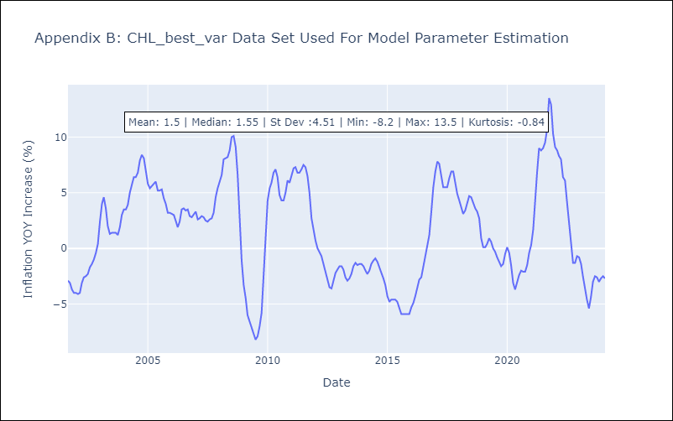

Appendix C: Residuals Analysis
Mean | -0.0
Errors AutoCorrelated? | 1.9169987486561664 | No Autocorrelation
Normal? | No

