CHL
CHL - Inflation - Next 12 months forecast as of: 2024-02-01

Model | VAR - 12 | Exogenous Variables | PPI_United States_Finshed Goods, Economic Activity, M1 Money Supply, Nominal Observed Exchange Rate
Training Data | 2001-09-01 to 2023-03-01
Test Data | 2023-03-01 to 2024-02-01

Date | Inflation Change YoY % | Lower Bound - 95% Confidence Interval | Upper Bound - 95% Confidence Interval
2024-03-01 | 3.31 | 2.53 | 4.1
2024-04-01 | 2.83 | 1.2 | 4.47
2024-05-01 | 1.44 | -1.08 | 3.95
2024-06-01 | 0.5 | -2.92 | 3.93
2024-07-01 | -0.18 | -4.52 | 4.16
2024-08-01 | -1.31 | -6.58 | 3.96
2024-09-01 | -1.43 | -7.63 | 4.77
2024-10-01 | -1.7 | -8.85 | 5.44
2024-11-01 | -2.26 | -10.37 | 5.85
2024-12-01 | -2.06 | -11.13 | 7.02
2025-01-01 | -2.57 | -12.63 | 7.49
2025-02-01 | -2.81 | -13.87 | 8.25

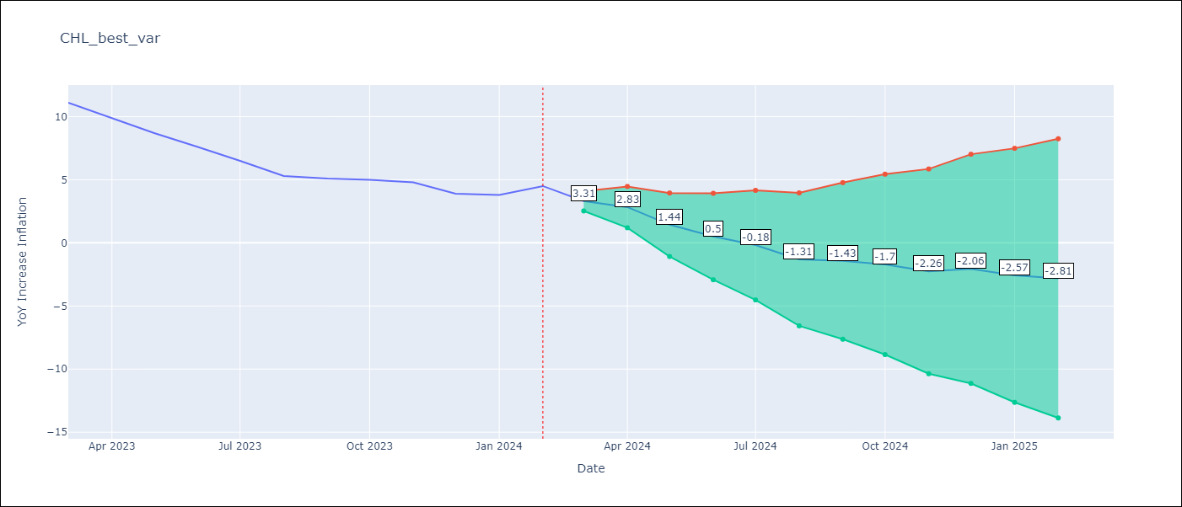

Test Metrics
RMSE | 0.71
Naive RMSE | 0.86
MAPE | 11.88%

Test Predictions
Date | Predicted | Actual
2023-03-01 | 10.71 | 11.1
2023-04-01 | 10.23 | 9.9
2023-05-01 | 8.84 | 8.7
2023-06-01 | 7.9 | 7.6
2023-07-01 | 7.22 | 6.5
2023-08-01 | 6.09 | 5.3
2023-09-01 | 5.97 | 5.1
2023-10-01 | 5.7 | 5
2023-11-01 | 5.14 | 4.8
2023-12-01 | 5.34 | 3.9
2024-01-01 | 4.83 | 3.8
2024-02-01 | 4.59 | 4.5

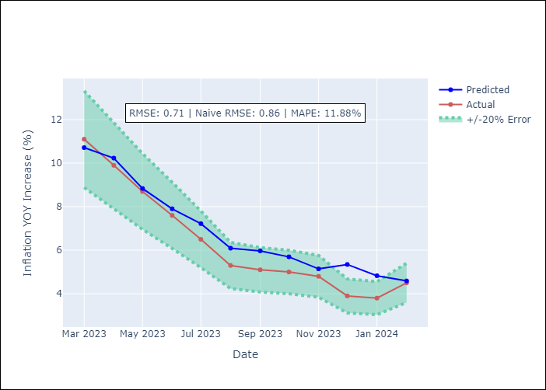

Appendix A: Model Summary
Model | VAR - 12
Sample | 2001-09-01 to 2024-02-01
No. of Observations | 270
Terms | P-value (Statistical significance)
L1.YoY Increase Inflation | 8.611595696E-07
L1.PPI_United States_Finshed Goods | 0.038137140462
L1.Economic Activity | 0.13335355659
L1.M1 Money Supply | 0.068021329013
L1.Nominal Observed Exchange Rate | 0.26094286694
L2.YoY Increase Inflation | 0.39751814124
L2.PPI_United States_Finshed Goods | 0.65011927958
L2.Economic Activity | 0.45920071122
L2.M1 Money Supply | 0.73222169565
L2.Nominal Observed Exchange Rate | 0.64354466889
L3.YoY Increase Inflation | 0.0045708637253
L3.PPI_United States_Finshed Goods | 0.55424074967
L3.Economic Activity | 0.56538117191
L3.M1 Money Supply | 0.5523509712
L3.Nominal Observed Exchange Rate | 0.037284295672
L4.YoY Increase Inflation | 0.49261112838
L4.PPI_United States_Finshed Goods | 0.79093761662
L4.Economic Activity | 0.66973144511
L4.M1 Money Supply | 0.54652243196
L4.Nominal Observed Exchange Rate | 0.77797341603
L5.YoY Increase Inflation | 0.017864220387
L5.PPI_United States_Finshed Goods | 0.71664069473
L5.Economic Activity | 0.094332864408
L5.M1 Money Supply | 0.54177569791
L5.Nominal Observed Exchange Rate | 0.96795715373
L6.YoY Increase Inflation | 0.17530250165
L6.PPI_United States_Finshed Goods | 0.71052669672
L6.Economic Activity | 0.44814655744
L6.M1 Money Supply | 0.7290432366
L6.Nominal Observed Exchange Rate | 0.36114325371
L7.YoY Increase Inflation | 0.49920745351
L7.PPI_United States_Finshed Goods | 0.45266390188
L7.Economic Activity | 0.37736130637
L7.M1 Money Supply | 0.98183753551
L7.Nominal Observed Exchange Rate | 0.0806387003
L8.YoY Increase Inflation | 0.095319445369
L8.PPI_United States_Finshed Goods | 0.84720503025
L8.Economic Activity | 0.67863976339
L8.M1 Money Supply | 0.50281373265
L8.Nominal Observed Exchange Rate | 0.33074734368
L9.YoY Increase Inflation | 0.20304111645
L9.PPI_United States_Finshed Goods | 0.34113569433
L9.Economic Activity | 0.46221335203
L9.M1 Money Supply | 0.39953727995
L9.Nominal Observed Exchange Rate | 0.72969756141
L10.YoY Increase Inflation | 0.046417058039
L10.PPI_United States_Finshed Goods | 0.12532803823
L10.Economic Activity | 0.96056984189
L10.M1 Money Supply | 0.11507366428
L10.Nominal Observed Exchange Rate | 0.55395964804
L11.YoY Increase Inflation | 0.63594234555
L11.PPI_United States_Finshed Goods | 0.17503000792
L11.Economic Activity | 0.27185436379
L11.M1 Money Supply | 0.61214176043
L11.Nominal Observed Exchange Rate | 0.22778311755
L12.YoY Increase Inflation | 1.5666159158E-06
L12.PPI_United States_Finshed Goods | 0.63061709354
L12.Economic Activity | 0.59619251007
L12.M1 Money Supply | 0.20547468347
L12.Nominal Observed Exchange Rate | 0.0481731012
Assumptions | P-value

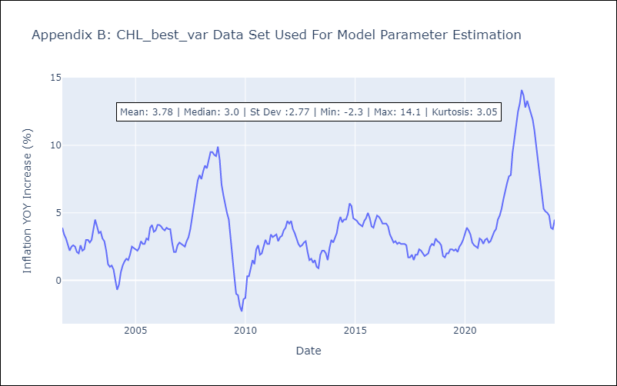

Appendix C: Residuals Analysis
Mean | -0.0
Errors AutoCorrelated? | 2.0702331643418344 | No Autocorrelation
Normal? | No

