CHL
CHL - Inflation - Next 12 months forecast as of: 2024-02-01

Model | VAR - 12 | Exogenous Variables | Economic Activity, M1 Money Supply, Nominal Observed Exchange Rate
Training Data | 2001-09-01 to 2023-03-01
Test Data | 2023-03-01 to 2024-02-01

Date | Inflation Change YoY % | Lower Bound - 95% Confidence Interval | Upper Bound - 95% Confidence Interval
2024-03-01 | 3.44 | 2.65 | 4.23
2024-04-01 | 2.93 | 1.27 | 4.58
2024-05-01 | 1.59 | -0.93 | 4.11
2024-06-01 | 0.67 | -2.75 | 4.09
2024-07-01 | 0.01 | -4.31 | 4.33
2024-08-01 | -1.06 | -6.3 | 4.17
2024-09-01 | -1.31 | -7.46 | 4.84
2024-10-01 | -1.47 | -8.55 | 5.61
2024-11-01 | -1.95 | -9.98 | 6.07
2024-12-01 | -1.76 | -10.73 | 7.21
2025-01-01 | -2.1 | -12.03 | 7.84
2025-02-01 | -2.18 | -13.09 | 8.73

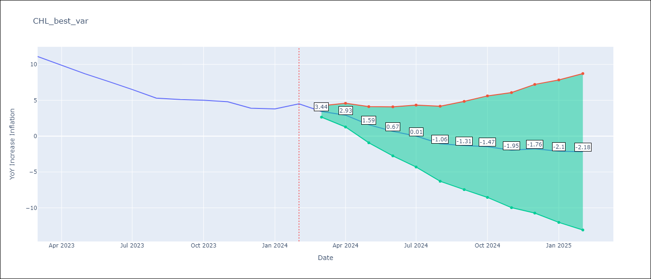

Test Metrics
RMSE | 0.94
Naive RMSE | 0.86
MAPE | 16.78%

Test Predictions
Date | Predicted | Actual
2023-03-01 | 10.84 | 11.1
2023-04-01 | 10.33 | 9.9
2023-05-01 | 8.99 | 8.7
2023-06-01 | 8.07 | 7.6
2023-07-01 | 7.41 | 6.5
2023-08-01 | 6.34 | 5.3
2023-09-01 | 6.09 | 5.1
2023-10-01 | 5.93 | 5
2023-11-01 | 5.45 | 4.8
2023-12-01 | 5.64 | 3.9
2024-01-01 | 5.3 | 3.8
2024-02-01 | 5.22 | 4.5

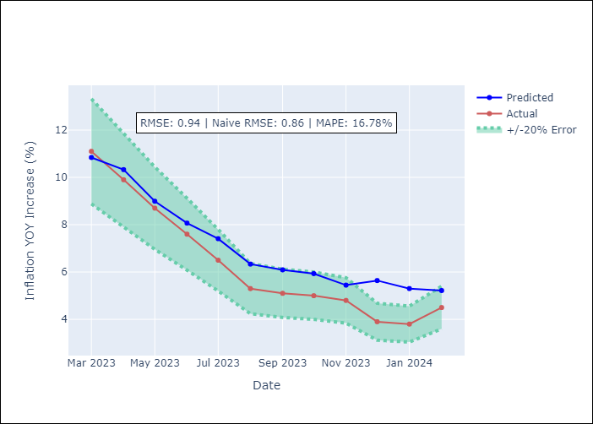

Appendix A: Model Summary
Model | VAR - 12
Sample | 2001-09-01 to 2024-02-01
No. of Observations | 270
Terms | P-value (Statistical significance)
L1.YoY Increase Inflation | 4.8236662784E-09
L1.Economic Activity | 0.065976389254
L1.M1 Money Supply | 0.074011050697
L1.Nominal Observed Exchange Rate | 0.55191398318
L2.YoY Increase Inflation | 0.37985237989
L2.Economic Activity | 0.29762046726
L2.M1 Money Supply | 0.55022632851
L2.Nominal Observed Exchange Rate | 0.74501250822
L3.YoY Increase Inflation | 0.0097628803285
L3.Economic Activity | 0.52634527678
L3.M1 Money Supply | 0.56748860564
L3.Nominal Observed Exchange Rate | 0.013905463698
L4.YoY Increase Inflation | 0.34511022086
L4.Economic Activity | 0.51208984905
L4.M1 Money Supply | 0.18616005792
L4.Nominal Observed Exchange Rate | 0.94854728891
L5.YoY Increase Inflation | 0.0099323022104
L5.Economic Activity | 0.0589020338
L5.M1 Money Supply | 0.47755649545
L5.Nominal Observed Exchange Rate | 0.7099283033
L6.YoY Increase Inflation | 0.096025898996
L6.Economic Activity | 0.36448793429
L6.M1 Money Supply | 0.51592933637
L6.Nominal Observed Exchange Rate | 0.86217952278
L7.YoY Increase Inflation | 0.86452399455
L7.Economic Activity | 0.25004694174
L7.M1 Money Supply | 0.9065430783
L7.Nominal Observed Exchange Rate | 0.04703803476
L8.YoY Increase Inflation | 0.16447507235
L8.Economic Activity | 0.62204211568
L8.M1 Money Supply | 0.55875548033
L8.Nominal Observed Exchange Rate | 0.35362072528
L9.YoY Increase Inflation | 0.18122635482
L9.Economic Activity | 0.42987770011
L9.M1 Money Supply | 0.22596085255
L9.Nominal Observed Exchange Rate | 0.63084578664
L10.YoY Increase Inflation | 0.027969505902
L10.Economic Activity | 0.60601438631
L10.M1 Money Supply | 0.018306673284
L10.Nominal Observed Exchange Rate | 0.20099381802
L11.YoY Increase Inflation | 0.5094336741
L11.Economic Activity | 0.14656618886
L11.M1 Money Supply | 0.73584028195
L11.Nominal Observed Exchange Rate | 0.5568542178
L12.YoY Increase Inflation | 1.2473385273E-07
L12.Economic Activity | 0.3710372372
L12.M1 Money Supply | 0.1907006613
L12.Nominal Observed Exchange Rate | 0.13881599815
Assumptions | P-value

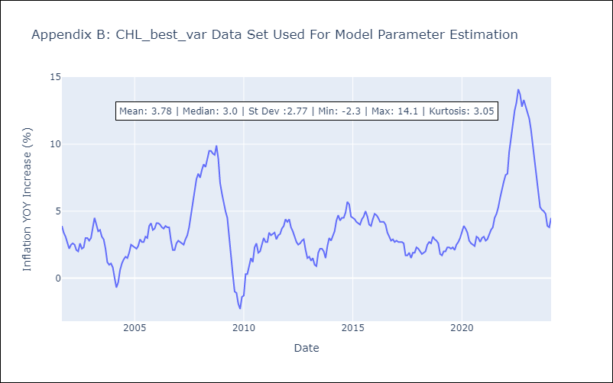

Appendix C: Residuals Analysis
Mean | 0.0
Errors AutoCorrelated? | 2.0598327013539177 | No Autocorrelation
Normal? | No

