CHL
CHL - Inflation - Next 12 months forecast as of: 2024-02-01

Model | VAR - 12 | Exogenous Variables | M1 Money Supply, Nominal Observed Exchange Rate
Training Data | 2001-09-01 to 2023-03-01
Test Data | 2023-03-01 to 2024-02-01

Date | Inflation Change YoY % | Lower Bound - 95% Confidence Interval | Upper Bound - 95% Confidence Interval
2024-03-01 | 3.52 | 2.73 | 4.3
2024-04-01 | 3.26 | 1.63 | 4.89
2024-05-01 | 2.06 | -0.43 | 4.54
2024-06-01 | 1.17 | -2.2 | 4.54
2024-07-01 | 0.59 | -3.66 | 4.84
2024-08-01 | -0.45 | -5.6 | 4.7
2024-09-01 | -0.59 | -6.64 | 5.46
2024-10-01 | -0.46 | -7.43 | 6.5
2024-11-01 | -0.92 | -8.81 | 6.97
2024-12-01 | -0.75 | -9.57 | 8.07
2025-01-01 | -0.87 | -10.63 | 8.9
2025-02-01 | -0.77 | -11.49 | 9.96

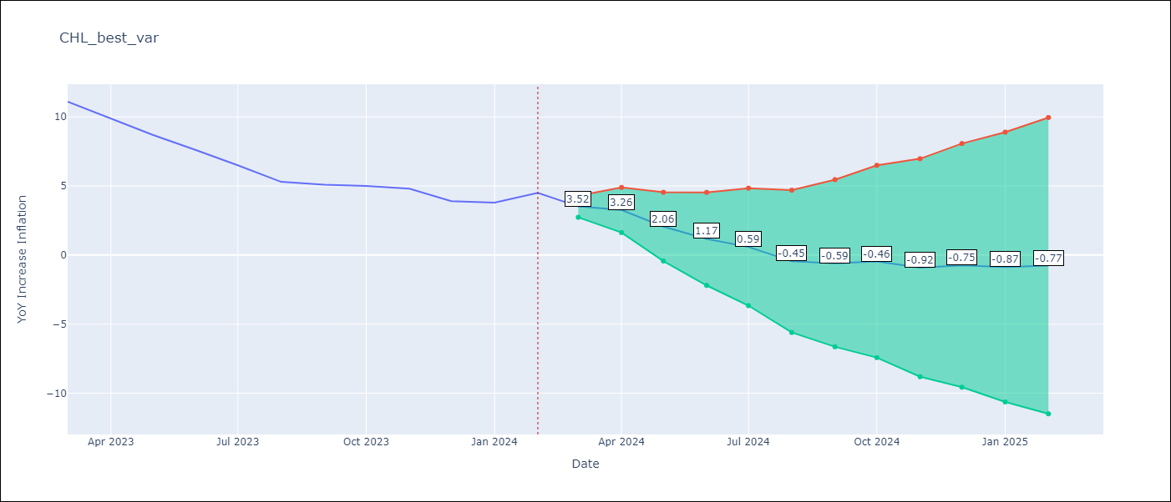

Test Metrics
RMSE | 1.74
Naive RMSE | 0.86
MAPE | 31.83%

Test Predictions
Date | Predicted | Actual
2023-03-01 | 10.92 | 11.1
2023-04-01 | 10.66 | 9.9
2023-05-01 | 9.46 | 8.7
2023-06-01 | 8.57 | 7.6
2023-07-01 | 7.99 | 6.5
2023-08-01 | 6.95 | 5.3
2023-09-01 | 6.81 | 5.1
2023-10-01 | 6.94 | 5
2023-11-01 | 6.48 | 4.8
2023-12-01 | 6.65 | 3.9
2024-01-01 | 6.53 | 3.8
2024-02-01 | 6.63 | 4.5

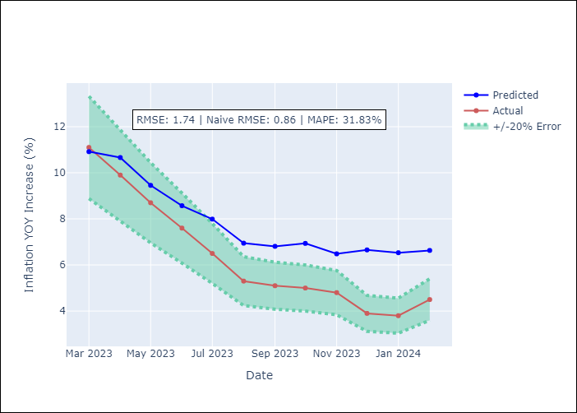

Appendix A: Model Summary
Model | VAR - 12
Sample | 2001-09-01 to 2024-02-01
No. of Observations | 270
Terms | P-value (Statistical significance)
L1.YoY Increase Inflation | 2.4681192961E-09
L1.M1 Money Supply | 0.075272884626
L1.Nominal Observed Exchange Rate | 0.38180826916
L2.YoY Increase Inflation | 0.35446644623
L2.M1 Money Supply | 0.9714941678
L2.Nominal Observed Exchange Rate | 0.69347722286
L3.YoY Increase Inflation | 0.0081396548059
L3.M1 Money Supply | 0.76629957557
L3.Nominal Observed Exchange Rate | 0.0088547340566
L4.YoY Increase Inflation | 0.38291106933
L4.M1 Money Supply | 0.78876407787
L4.Nominal Observed Exchange Rate | 0.76382543851
L5.YoY Increase Inflation | 0.0098181373269
L5.M1 Money Supply | 0.82464268991
L5.Nominal Observed Exchange Rate | 0.87918674242
L6.YoY Increase Inflation | 0.10396372366
L6.M1 Money Supply | 0.97125517143
L6.Nominal Observed Exchange Rate | 0.75260733307
L7.YoY Increase Inflation | 0.95299156685
L7.M1 Money Supply | 0.9407796571
L7.Nominal Observed Exchange Rate | 0.069733885543
L8.YoY Increase Inflation | 0.099465910176
L8.M1 Money Supply | 0.49021999436
L8.Nominal Observed Exchange Rate | 0.4476574123
L9.YoY Increase Inflation | 0.09211568602
L9.M1 Money Supply | 0.55132872094
L9.Nominal Observed Exchange Rate | 0.8165285234
L10.YoY Increase Inflation | 0.025030011428
L10.M1 Money Supply | 0.0079436064634
L10.Nominal Observed Exchange Rate | 0.33527796334
L11.YoY Increase Inflation | 0.52950091966
L11.M1 Money Supply | 0.63374157992
L11.Nominal Observed Exchange Rate | 0.50330654965
L12.YoY Increase Inflation | 1.6626217117E-07
L12.M1 Money Supply | 0.15951120472
L12.Nominal Observed Exchange Rate | 0.19281128844
Assumptions | P-value

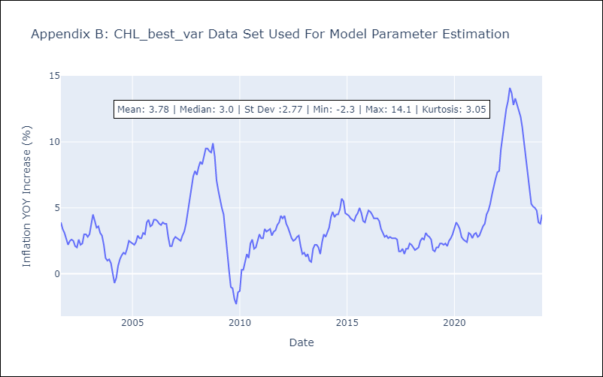

Appendix C: Residuals Analysis
Mean | -0.0
Errors AutoCorrelated? | 2.057790417830813 | No Autocorrelation
Normal? | No

