CHL
CHL - Inflation - Next 12 months forecast as of: 2024-02-01

Model | VAR - 12 | Exogenous Variables | Economic Activity, M1 Money Supply, Nominal Observed Exchange Rate, YoY Increase Inflation
Training Data | 2001-09-01 to 2023-03-01
Test Data | 2023-03-01 to 2024-02-01

Date | Inflation Change YoY % | Lower Bound - 95% Confidence Interval | Upper Bound - 95% Confidence Interval
2024-03-01 | -3.5 | -4.42 | -2.57
2024-04-01 | -3.98 | -6.11 | -1.78
2024-05-01 | -3.9 | -7.32 | -0.27
2024-06-01 | -3.5 | -8.25 | 1.78
2024-07-01 | -2.7 | -8.81 | 4.48
2024-08-01 | -2.43 | -9.9 | 6.63
2024-09-01 | -1.36 | -10.27 | 9.87
2024-10-01 | 0.62 | -9.93 | 14.25
2024-11-01 | 1.5 | -10.6 | 17.28
2024-12-01 | 1.85 | -11.71 | 19.73
2025-01-01 | 1.59 | -13.3 | 21.53
2025-02-01 | 1.47 | -14.78 | 23.52

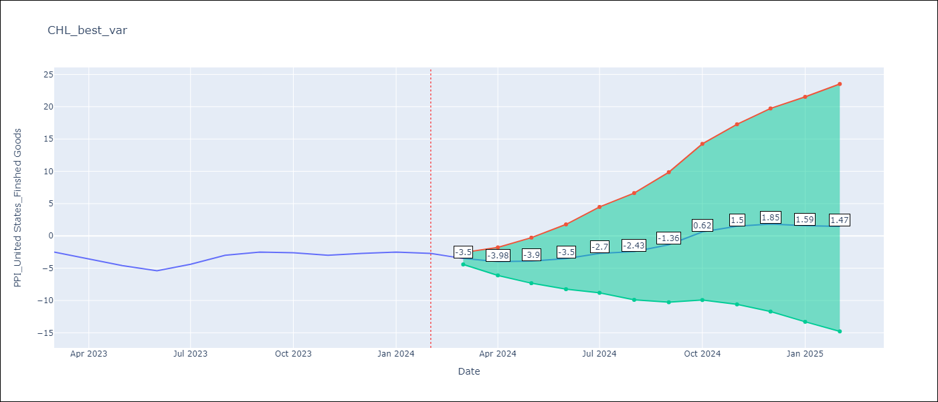

Test Metrics
RMSE | 4.02
Naive RMSE | 0.8
MAPE | 107.09%

Test Predictions
Date | Predicted | Actual
2023-03-01 | -2.22 | -2.5
2023-04-01 | -2.72 | -3.6
2023-05-01 | -2.63 | -4.6
2023-06-01 | -2.22 | -5.4
2023-07-01 | -1.4 | -4.4
2023-08-01 | -1.12 | -3
2023-09-01 | 0 | -2.5
2023-10-01 | 2.12 | -2.6
2023-11-01 | 3.04 | -3
2023-12-01 | 3.4 | -2.7
2024-01-01 | 3.13 | -2.5
2024-02-01 | 3.01 | -2.7

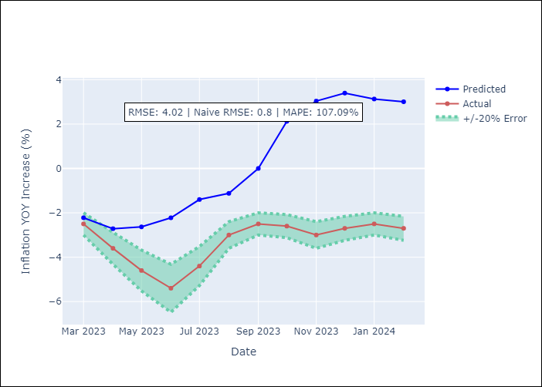

Appendix A: Model Summary
Model | VAR - 12
Sample | 2001-09-01 to 2024-02-01
No. of Observations | 270
Terms | P-value (Statistical significance)
L1.PPI_United States_Finshed Goods | 9.7039476096E-28
L1.Economic Activity | 0.51055983779
L1.M1 Money Supply | 0.0024884307229
L1.Nominal Observed Exchange Rate | 0.013123799175
L1.YoY Increase Inflation | 0.95190075127
L2.PPI_United States_Finshed Goods | 0.0041526990773
L2.Economic Activity | 0.046505596662
L2.M1 Money Supply | 0.00084907308885
L2.Nominal Observed Exchange Rate | 0.85020277383
L2.YoY Increase Inflation | 0.10095413501
L3.PPI_United States_Finshed Goods | 0.44410990002
L3.Economic Activity | 0.79930914479
L3.M1 Money Supply | 0.30078602172
L3.Nominal Observed Exchange Rate | 0.0090143092583
L3.YoY Increase Inflation | 0.3150644522
L4.PPI_United States_Finshed Goods | 0.41467037745
L4.Economic Activity | 0.40292298797
L4.M1 Money Supply | 0.84753218282
L4.Nominal Observed Exchange Rate | 0.37168681056
L4.YoY Increase Inflation | 0.76309572418
L5.PPI_United States_Finshed Goods | 0.59511269155
L5.Economic Activity | 0.14631312146
L5.M1 Money Supply | 0.086405331471
L5.Nominal Observed Exchange Rate | 0.00031851587262
L5.YoY Increase Inflation | 0.96357837136
L6.PPI_United States_Finshed Goods | 0.98506483028
L6.Economic Activity | 0.1900755113
L6.M1 Money Supply | 0.069092861583
L6.Nominal Observed Exchange Rate | 0.16165337445
L6.YoY Increase Inflation | 0.35123808929
L7.PPI_United States_Finshed Goods | 0.73995278843
L7.Economic Activity | 0.49552906745
L7.M1 Money Supply | 0.24560447581
L7.Nominal Observed Exchange Rate | 0.11706032046
L7.YoY Increase Inflation | 0.74929064024
L8.PPI_United States_Finshed Goods | 0.37045329952
L8.Economic Activity | 0.05742073035
L8.M1 Money Supply | 0.016641976995
L8.Nominal Observed Exchange Rate | 0.25376089173
L8.YoY Increase Inflation | 0.86087250272
L9.PPI_United States_Finshed Goods | 0.47460821801
L9.Economic Activity | 0.042616402842
L9.M1 Money Supply | 0.31715037486
L9.Nominal Observed Exchange Rate | 0.15609479002
L9.YoY Increase Inflation | 0.58726593499
L10.PPI_United States_Finshed Goods | 0.80586846157
L10.Economic Activity | 0.11399935442
L10.M1 Money Supply | 0.2043508247
L10.Nominal Observed Exchange Rate | 0.34445085682
L10.YoY Increase Inflation | 0.37055840183
L11.PPI_United States_Finshed Goods | 0.78080504906
L11.Economic Activity | 0.0087235510011
L11.M1 Money Supply | 0.71980133699
L11.Nominal Observed Exchange Rate | 0.47663720378
L11.YoY Increase Inflation | 0.49950329442
L12.PPI_United States_Finshed Goods | 0.0074730157856
L12.Economic Activity | 0.078104981433
L12.M1 Money Supply | 0.26615404291
L12.Nominal Observed Exchange Rate | 0.091630553292
L12.YoY Increase Inflation | 0.19012605113
Assumptions | P-value

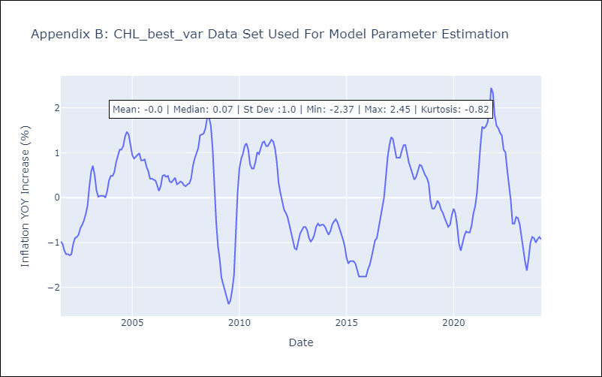

Appendix C: Residuals Analysis
Mean | 0.0
Errors AutoCorrelated? | 1.9114449387170964 | No Autocorrelation
Normal? | No

