CHL
CHL - Inflation - Next 12 months forecast as of: 2024-02-01

Model | VAR - 12 | Exogenous Variables | Economic Activity, M1 Money Supply, Nominal Observed Exchange Rate
Training Data | 2001-09-01 to 2023-03-01
Test Data | 2023-03-01 to 2024-02-01

Date | Inflation Change YoY % | Lower Bound - 95% Confidence Interval | Upper Bound - 95% Confidence Interval
2024-03-01 | 3.81 | 2.77 | 4.94
2024-04-01 | 3.16 | 1.29 | 5.47
2024-05-01 | 1.99 | -0.22 | 5.29
2024-06-01 | 1.45 | -1.01 | 5.86
2024-07-01 | 0.78 | -1.77 | 6.14
2024-08-01 | 0.52 | -2.29 | 7.1
2024-09-01 | 0.59 | -2.63 | 8.8
2024-10-01 | 0.52 | -3.02 | 10.34
2024-11-01 | 0.8 | -3.24 | 12.83
2024-12-01 | 1.34 | -3.37 | 16.11
2025-01-01 | 1.64 | -3.61 | 19.03
2025-02-01 | 2.04 | -3.82 | 22.36

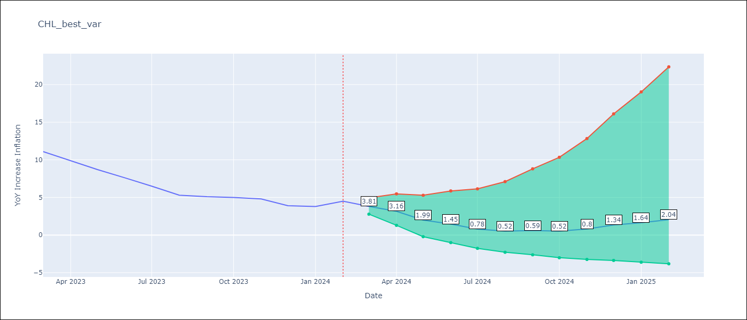

Test Metrics
RMSE | 1.86
Naive RMSE | 0.86
MAPE | 46.01%

Test Predictions
Date | Predicted | Actual
2023-03-01 | 10.9 | 11.1
2023-04-01 | 9.94 | 9.9
2023-05-01 | 8.12 | 8.7
2023-06-01 | 7.26 | 7.6
2023-07-01 | 6.1 | 6.5
2023-08-01 | 5.63 | 5.3
2023-09-01 | 5.76 | 5.1
2023-10-01 | 5.63 | 5
2023-11-01 | 6.14 | 4.8
2023-12-01 | 7.07 | 3.9
2024-01-01 | 7.56 | 3.8
2024-02-01 | 8.21 | 4.5

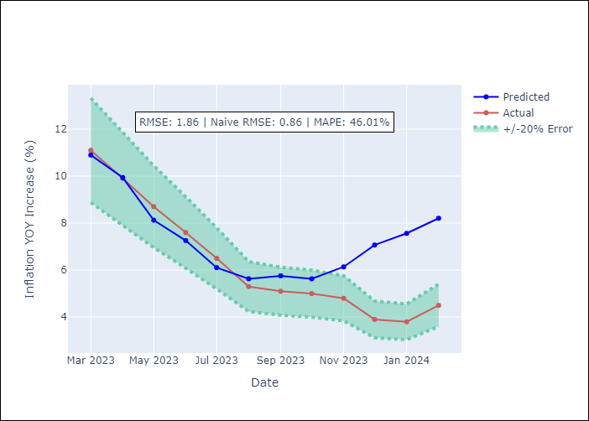

Appendix A: Model Summary
Model | VAR - 12
Sample | 2001-09-01 to 2024-02-01
No. of Observations | 270
Terms | P-value (Statistical significance)
L1.YoY Increase Inflation | 6.4765843411E-06
L1.Economic Activity | 0.14179710029
L1.M1 Money Supply | 0.12060196939
L1.Nominal Observed Exchange Rate | 0.74974874172
L2.YoY Increase Inflation | 0.30417178801
L2.Economic Activity | 0.80124899673
L2.M1 Money Supply | 0.68943490191
L2.Nominal Observed Exchange Rate | 0.88729049726
L3.YoY Increase Inflation | 0.12228523704
L3.Economic Activity | 0.5041308978
L3.M1 Money Supply | 0.7122395346
L3.Nominal Observed Exchange Rate | 0.1030730056
L4.YoY Increase Inflation | 0.043426138265
L4.Economic Activity | 0.89529056482
L4.M1 Money Supply | 0.61080996733
L4.Nominal Observed Exchange Rate | 0.64976698737
L5.YoY Increase Inflation | 0.0080116751603
L5.Economic Activity | 0.10721801878
L5.M1 Money Supply | 0.68840022265
L5.Nominal Observed Exchange Rate | 0.79433356312
L6.YoY Increase Inflation | 0.006651341056
L6.Economic Activity | 0.60966161597
L6.M1 Money Supply | 0.80875060514
L6.Nominal Observed Exchange Rate | 0.77459119767
L7.YoY Increase Inflation | 0.7965908072
L7.Economic Activity | 0.30174487323
L7.M1 Money Supply | 0.48327914871
L7.Nominal Observed Exchange Rate | 0.044798318373
L8.YoY Increase Inflation | 0.944698132
L8.Economic Activity | 0.807983923
L8.M1 Money Supply | 0.78074504549
L8.Nominal Observed Exchange Rate | 0.36686681987
L9.YoY Increase Inflation | 0.75899813513
L9.Economic Activity | 0.41277905992
L9.M1 Money Supply | 0.68501460055
L9.Nominal Observed Exchange Rate | 0.25634992423
L10.YoY Increase Inflation | 0.066988607715
L10.Economic Activity | 0.57228399908
L10.M1 Money Supply | 0.16123591225
L10.Nominal Observed Exchange Rate | 0.19919941694
L11.YoY Increase Inflation | 0.12764562763
L11.Economic Activity | 0.08837803759
L11.M1 Money Supply | 0.68820398805
L11.Nominal Observed Exchange Rate | 0.93063086729
L12.YoY Increase Inflation | 6.4237430481E-06
L12.Economic Activity | 0.36572222375
L12.M1 Money Supply | 0.37397585544
L12.Nominal Observed Exchange Rate | 0.018301480604
Assumptions | P-value

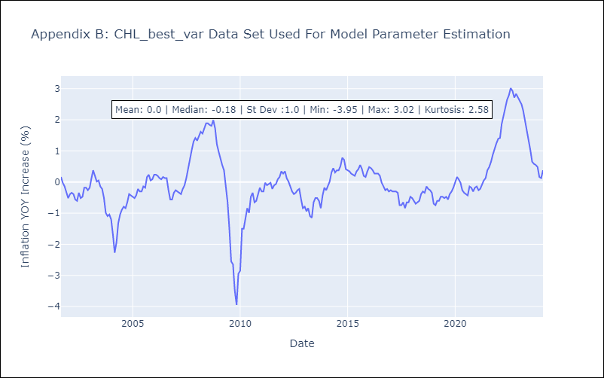

Appendix C: Residuals Analysis
Mean | -0.0
Errors AutoCorrelated? | 2.09226280833209 | No Autocorrelation
Normal? | No

