CHL
CHL - Inflation - Next 12 months forecast as of: 2024-02-01

Model | VAR - 12 | Exogenous Variables | CPI_United States, US 10-Year Bond Rates , M1 Money Supply
Training Data | 2001-09-01 to 2023-03-01
Test Data | 2023-03-01 to 2024-02-01

Date | Inflation Change YoY % | Lower Bound - 95% Confidence Interval | Upper Bound - 95% Confidence Interval
2024-03-01 | 3.12 | 2.23 | 4.09
2024-04-01 | 2.64 | 1.01 | 4.65
2024-05-01 | 2.17 | 0.03 | 5.24
2024-06-01 | 1.48 | -0.85 | 5.51
2024-07-01 | 1.18 | -1.43 | 6.32
2024-08-01 | 0.53 | -2.14 | 6.52
2024-09-01 | 0.17 | -2.68 | 7.19
2024-10-01 | 0.09 | -3.06 | 8.5
2024-11-01 | -0.25 | -3.59 | 9.19
2024-12-01 | -0.27 | -3.92 | 10.82
2025-01-01 | -0.3 | -4.26 | 12.58
2025-02-01 | -0.45 | -4.66 | 14

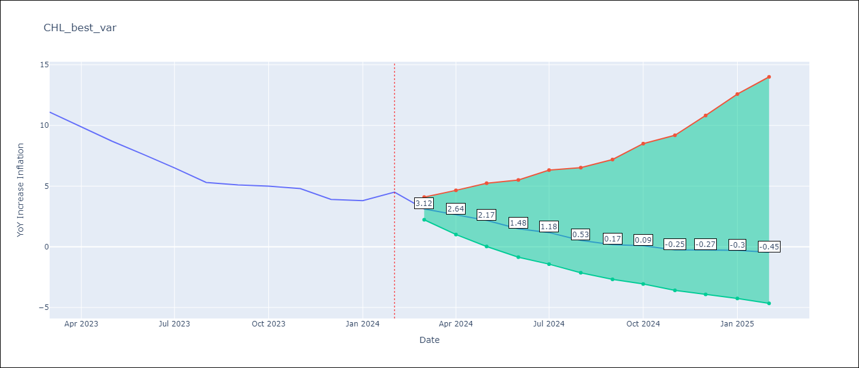

Test Metrics
RMSE | 0.56
Naive RMSE | 0.86
MAPE | 40.15%

Test Predictions
Date | Predicted | Actual
2023-03-01 | 9.88 | 11.1
2023-04-01 | 9.14 | 9.9
2023-05-01 | 8.42 | 8.7
2023-06-01 | 7.31 | 7.6
2023-07-01 | 6.79 | 6.5
2023-08-01 | 5.64 | 5.3
2023-09-01 | 4.96 | 5.1
2023-10-01 | 4.8 | 5
2023-11-01 | 4.08 | 4.8
2023-12-01 | 4.03 | 3.9
2024-01-01 | 3.98 | 3.8
2024-02-01 | 3.63 | 4.5

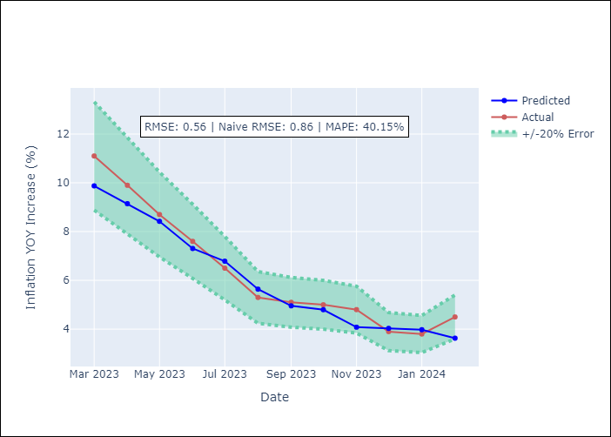

Appendix A: Model Summary
Model | VAR - 12
Sample | 2001-09-01 to 2024-02-01
No. of Observations | 270
Terms | P-value (Statistical significance)
L1.YoY Increase Inflation | 0.0036532533128
L1.CPI_United States | 2.5837083022E-05
L1.US 10-Year Bond Rates | 0.83637214666
L1.M1 Money Supply | 0.4869887257
L2.YoY Increase Inflation | 0.76604192719
L2.CPI_United States | 0.76051444116
L2.US 10-Year Bond Rates | 0.83122264386
L2.M1 Money Supply | 0.94494091981
L3.YoY Increase Inflation | 0.26220124615
L3.CPI_United States | 0.01090226207
L3.US 10-Year Bond Rates | 0.38800847513
L3.M1 Money Supply | 0.89480217225
L4.YoY Increase Inflation | 0.15189445229
L4.CPI_United States | 0.15865138078
L4.US 10-Year Bond Rates | 0.59611459501
L4.M1 Money Supply | 0.5167420816
L5.YoY Increase Inflation | 0.00078428091174
L5.CPI_United States | 0.93755306279
L5.US 10-Year Bond Rates | 0.39100373361
L5.M1 Money Supply | 0.95779791917
L6.YoY Increase Inflation | 0.047723430437
L6.CPI_United States | 0.062750144638
L6.US 10-Year Bond Rates | 0.2476376984
L6.M1 Money Supply | 0.97181161915
L7.YoY Increase Inflation | 0.29697251985
L7.CPI_United States | 0.97080579597
L7.US 10-Year Bond Rates | 0.86737271515
L7.M1 Money Supply | 0.92940820454
L8.YoY Increase Inflation | 0.76202073934
L8.CPI_United States | 0.065099887975
L8.US 10-Year Bond Rates | 0.0040056162771
L8.M1 Money Supply | 0.88636745866
L9.YoY Increase Inflation | 0.48295661164
L9.CPI_United States | 0.64376376523
L9.US 10-Year Bond Rates | 0.11385817125
L9.M1 Money Supply | 0.41374741793
L10.YoY Increase Inflation | 0.022270918725
L10.CPI_United States | 0.75136291007
L10.US 10-Year Bond Rates | 0.0049885244917
L10.M1 Money Supply | 0.55727319546
L11.YoY Increase Inflation | 0.30540404689
L11.CPI_United States | 0.99063264277
L11.US 10-Year Bond Rates | 0.62134260636
L11.M1 Money Supply | 0.61950719662
L12.YoY Increase Inflation | 0.00020659586221
L12.CPI_United States | 0.9795270179
L12.US 10-Year Bond Rates | 0.5440211259
L12.M1 Money Supply | 0.52476782483
Assumptions | P-value

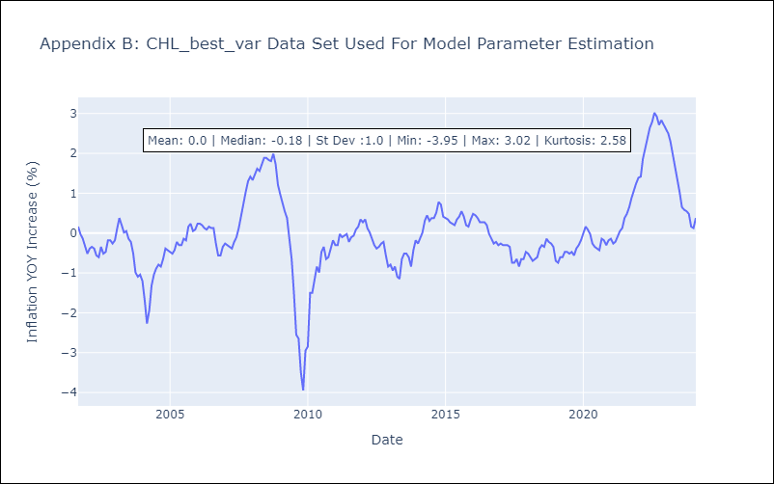

Appendix C: Residuals Analysis
Mean | -0.0
Errors AutoCorrelated? | 2.03373186312168 | No Autocorrelation
Normal? | No

