Sheet1
 | RMSE | 7.0337047882 | 3.2015683275 | 110.54828808 | 720.98572796 | 4.724583097 | 16.860805661 | 11.593458851 | 9.6144982211 | 238.13495693 | 1411.7747811 | 7.4750724386 | 67.543333301

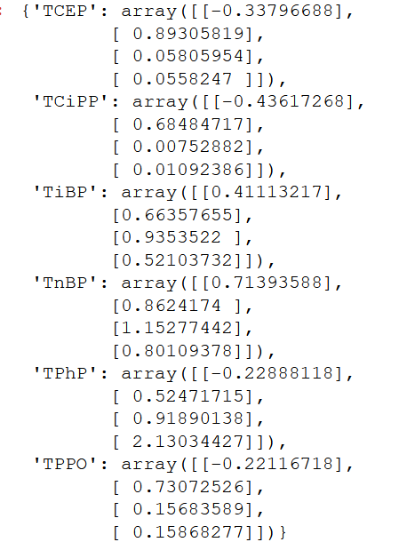
MeasRound | Distance (m) | TiBP | TnBP | TCEP | TCiPP | TPhP | TPPO | TiBP_est | TnBP_est | TCEP_est | TCiPP_est | TPhP_est | TPPO_est
A | 0 | 13.384773 | 13.153092 | 202.96688 | 1564.173803 | 11.497188 | 91.692479 | 8.008079 | 9.784799 | 193.67415 | 1491.217559 | 9.729006 | 88.114159
 | 1.7526 | 10.368649 | 9.427435 | 188.349638 | 632.504959 | 1.112945 | 78.405732 | 7.827541 | 9.525861 | 194.334263 | 1477.685267 | 8.823333 | 87.50394
 | 18.0654 | 11.657639 | 6.433219 | 103.873543 | 679.376852 | 1.112945 | 43.686843 | 6.281536 | 6.076202 | 199.041656 | 1165.968949 | 1.348815 | 64.959492
 | 32.6082 | 11.780816 | 7.980169 | 71.906397 | 339.168688 | 3.012816 | 43.954943 | 5.090498 | 3.925709 | 204.22734 | 915.588505 | 0.199261 | 48.077775
 | 45.5 | 14.690273 | 9.997713 | 62.013626 | 334.80864 | 1.195868 | 23.540966 | 4.038974 | 2.40144 | 212.3231 | 694.397959 | 0.021267 | 34.103217
B | 0 | 24.909524 | 19.972034 | 262.955818 | 1856.168787 | 14.936298 | 65.309165 | 19.176121 | 16.304126 | 254.914178 | 1793.250473 | 12.948632 | 64.339299
 | 1.5494 | 17.518662 | 13.632479 | 227.067078 | 855.853599 | 1.032242 | 63.511431 | 19.03649 | 16.019243 | 254.647823 | 1766.57552 | 11.745537 | 62.472249
 | 17.913 | 26.201514 | 9.404717 | 175.339643 | 524.164568 | 1.112945 | 45.903414 | 10.910342 | 8.217131 | 232.115408 | 1288.59877 | 1.565201 | 55.886159
 | 32.4558 | 13.048649 | 8.431316 | 79.995749 | 302.071273 | 1.112945 | 12.162542 | 5.190762 | 3.963608 | 207.55075 | 923.105475 | 0.192145 | 48.265939
 | 45.5 | 11.589911 | 5.400301 | 92.256307 | 416.592192 | 1.195868 | 26.202845 | 4.078473 | 2.406545 | 215.850053 | 694.675604 | 0.019291 | 34.090228
C | 0 | 22.104056 | 17.047269 | 336.660125 | 2434.072852 | 16.253477 | 130.291049 | 17.009342 | 14.07355 | 311.536929 | 2233.822342 | 13.895578 | 113.89761
 | 1.5494 | 22.585382 | 13.030141 | 196.044354 | 700.726423 | 1.112945 | 74.922353 | 17.01061 | 13.917809 | 311.36918 | 2200.276966 | 12.620281 | 110.594858
 | 7.75 | 14.917864 | 9.841775 | 123.325392 | 244.064146 | 1.112945 | 38.761976 | 15.288111 | 10.148902 | 271.522345 | 1450.324444 | 1.806845 | 51.205952
 | 32.4558 | 12.159297 | 8.185806 | 71.681275 | 293.512921 | 1.112945 | 22.554847 | 9.328781 | 5.474046 | 244.882959 | 1027.218679 | 0.225683 | 40.773237
 | 45.5 | 12.310824 | 3.658086 | 38.386226 | 233.234916 | 1.595712 | 24.607679 | 4.109048 | 2.407658 | 218.792029 | 698.456359 | 0.018414 | 34.212819

