DimCalcs
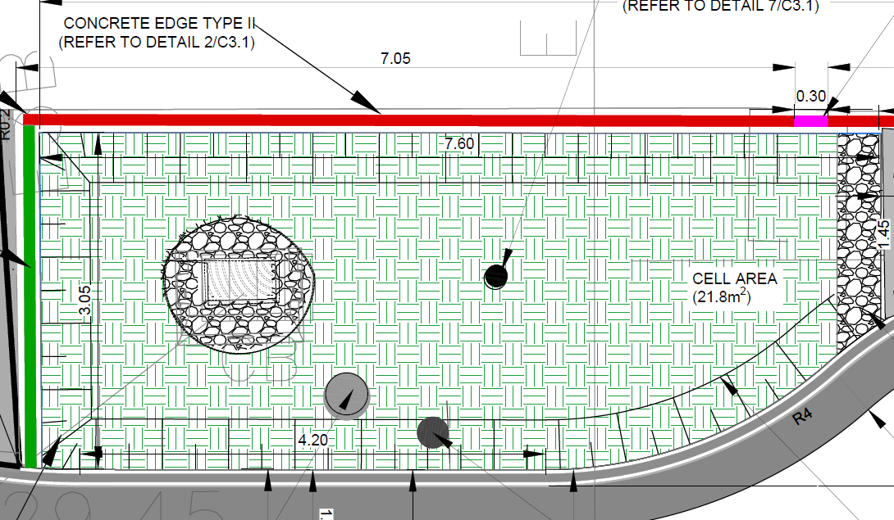

 | ISSUE: | System presumably doesn't work at full area unless completely ponded.
 |  | Solution - we will treat the system as though there were contours across it. Using linear contours spaced 1/16th of the system apart for convenience
N_Contours | 16 | Filter Zone
Total | 7.6 |  | 0.45
 | Distance | Width | BC_Depth_Curve | BC_Area_curve | BC_Volume_Curve
 | 0 | 1.45 | 0 | 0.79 | 0
 | 0.475 | 1.67 | 0.028125 | 0.79 | 0.02
 | 0.95 | 1.90 | 0.05625 | 1.80 | 0.10
 | 1.425 | 2.12 | 0.084375 | 3.02 | 0.25
 | 1.9 | 2.34 | 0.1125 | 4.45 | 0.50
 | 2.375 | 2.57 | 0.140625 | 6.10 | 0.86
 | 2.85 | 2.79 | 0.16875 | 7.95 | 1.34
 | 3.325 | 3.01 | 0.196875 | 10.02 | 1.97
 | 3.8 | 3.05 | 0.225 | 11.59 | 2.61
 | 4.275 | 3.05 | 0.253125 | 13.04 | 3.30
 | 4.75 | 3.05 | 0.28125 | 14.49 | 4.07
 | 5.225 | 3.05 | 0.309375 | 15.94 | 4.93
 | 5.7 | 3.05 | 0.3375 | 17.38 | 5.87
 | 6.175 | 3.05 | 0.365625 | 18.83 | 6.89
 | 6.65 | 3.05 | 0.39375 | 20.28 | 7.99
 | 7.125 | 3.05 | 0.421875 | 21.73 | 9.17
 | 7.6 | 3.05 | 0.45 | 21.80 | 9.81
 | 7.6 | 3.05 | 0.55 | 21.80 | 11.99

 |  |  | This is for the filter zone - not currently implemented
 |  |  | BC_Volume_Curve | 0,0.0223573069852941,0.101374080882353,0.254967601102941,0.501055147058824,0.857553998161765,1.34238143382353,1.97345473345588,2.60775,3.30043359375,4.074609375,4.93027734375,5.8674375,6.88608984375,7.986234375,9.16787109375,9.81,11.99 | BC volume curve to find filter depth
 |  |  | BC_Depth_Curve | 0,0.028125,0.05625,0.084375,0.1125,0.140625,0.16875,0.196875,0.225,0.253125,0.28125,0.309375,0.3375,0.365625,0.39375,0.421875,0.45,0.55 | BC depths at the volumes above
 |  |  | BC_Area_curve | 0.79,0.794926470588235,1.80220588235294,3.02183823529412,4.45382352941176,6.09816176470588,7.95485294117647,10.0238970588235,11.59,13.03875,14.4875,15.93625,17.385,18.83375,20.2825,21.73125,21.8,21.8 | BCareas at the volumes above

N_Contours | 10 | Filter Zone
Total | 7.6 |  | 0.1
 |  |  | BC_Depth_Curve | BC_Area_curve | Instantaneous Volume | BC_Volume_Curve
 |  |  | 0 | 0.6 | 0 | 0 | 0.6 |  | BC_Volume_Curve | 0,0.436,0.654,0.872,1.09,1.308,1.526,1.744,1.962,2.18 | BC volume curve to find ponding depth
 |  |  | 0.01 | 2.317 | 0.0146 | 0.0146 | 0.6,2.317 |  | BC_Depth_Curve | 0.01,0.02,0.03,0.04,0.05,0.06,0.07,0.08,0.09,0.1 | BC Ponding depths at the volumes above
 |  |  | 0.02 | 7.239 | 0.0478 | 0.0624 | 0.6,2.317,7.239 |  | BC_Area_curve | 21.8,21.8,21.8,21.8,21.8,21.8,21.8,21.8,21.8,21.8 | BC Ponding areas at the volumes above
 |  |  | 0.03 | 14.905 | 0.1107 | 0.1731 | 0.6,2.317,7.239,14.905
 |  |  | 0.04 | 21.8 | 0.1835 | 0.3566 | 0.6,2.317,7.239,14.905,21.8
 |  |  | 0.05 | 21.8 | 0.2180 | 0.5746 | 0.6,2.317,7.239,14.905,21.8,21.8
 |  |  | 0.07 | 21.8 | 0.4360 | 1.0106 | 0.6,2.317,7.239,14.905,21.8,21.8,21.8
 |  |  | 0.08 | 21.8 | 0.2180 | 1.2286 | 0.6,2.317,7.239,14.905,21.8,21.8,21.8,21.8
 |  |  | 0.09 | 21.8 | 0.2180 | 1.4466 | 0.6,2.317,7.239,14.905,21.8,21.8,21.8,21.8,21.8
 |  |  | 0.1 | 21.8 | 0.2180 | 1.6646 | 0.6,2.317,7.239,14.905,21.8,21.8,21.8,21.8,21.8,21.8 |  |  | BC_Volume_Curve | 0,0.014585,0.062365,0.173085,0.35661,0.57461,1.01061,1.22861,1.44661,1.66461,1.88261,2.10061,2.31861,2.53661,2.75461,7.7686
 |  |  | 0.11 | 21.8 | 0.2180 | 1.8826 |  |  |  | BC_Depth_Curve | 0,0.01,0.02,0.03,0.04,0.05,0.07,0.08,0.09,0.1,0.11,0.12,0.13,0.14,0.15,0.38
 |  |  | 0.12 | 21.8 | 0.2180 | 2.1006 |  |  |  | BC_Area_curve | 0.6,2.317,7.239,14.905,21.8,21.8,21.8,21.8,21.8,21.8,21.8,21.8,21.8,21.8,21.8,21.8
 |  |  | 0.13 | 21.8 | 0.2180 | 2.3186
 |  |  | 0.14 | 21.8 | 0.2180 | 2.5366
 |  | Top of Weir | 0.15 | 21.8 | 0.2180 | 2.7546
 |  | Overflow to street | 0.38 | 21.8 | 5.0140 | 7.7686 |  | 0 | 0.014585 | 0.062365 | 0.173085 | 0.35661 | 0.57461 | 1.01061 | 1.22861 | 1.44661 | 1.66461 | 1.88261 | 2.10061 | 2.31861 | 2.53661 | 2.75461
 |  |  |  |  |  |  |  | 0 | 0.01 | 0.02 | 0.03 | 0.04 | 0.05 | 0.07 | 0.08 | 0.09 | 0.1 | 0.11 | 0.12 | 0.13 | 0.14 | 0.15
 |  |  |  |  |  |  |  | 0.6 | 2.317 | 7.239 | 14.905 | 21.8 | 21.8 | 21.8 | 21.8 | 21.8 | 21.8 | 21.8 | 21.8 | 21.8 | 21.8 | 21.8

