DimCalcs
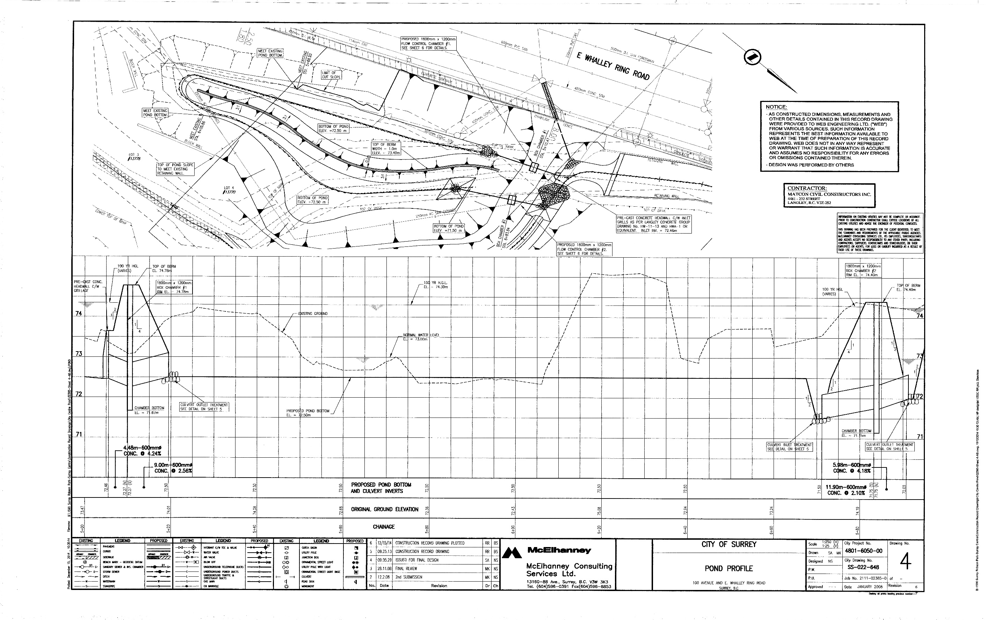

Length
Drawn | 30 | cm
Scale | 250 | 1:250
Length | 75 | m

Depth varies. Design depth is 0.5m (low flow) to 0.5+1.43
Pond bottom | 72.5
Normal Flow | 0.5 | m
High Flow | 1.8 | m

Width - changes across, but generally
Beginning | 45 | mm | 11.25 | m
Middle | 30 | mm | 7.5 | m
End | 45 | mm | 11.25 | m

