DimCalcs
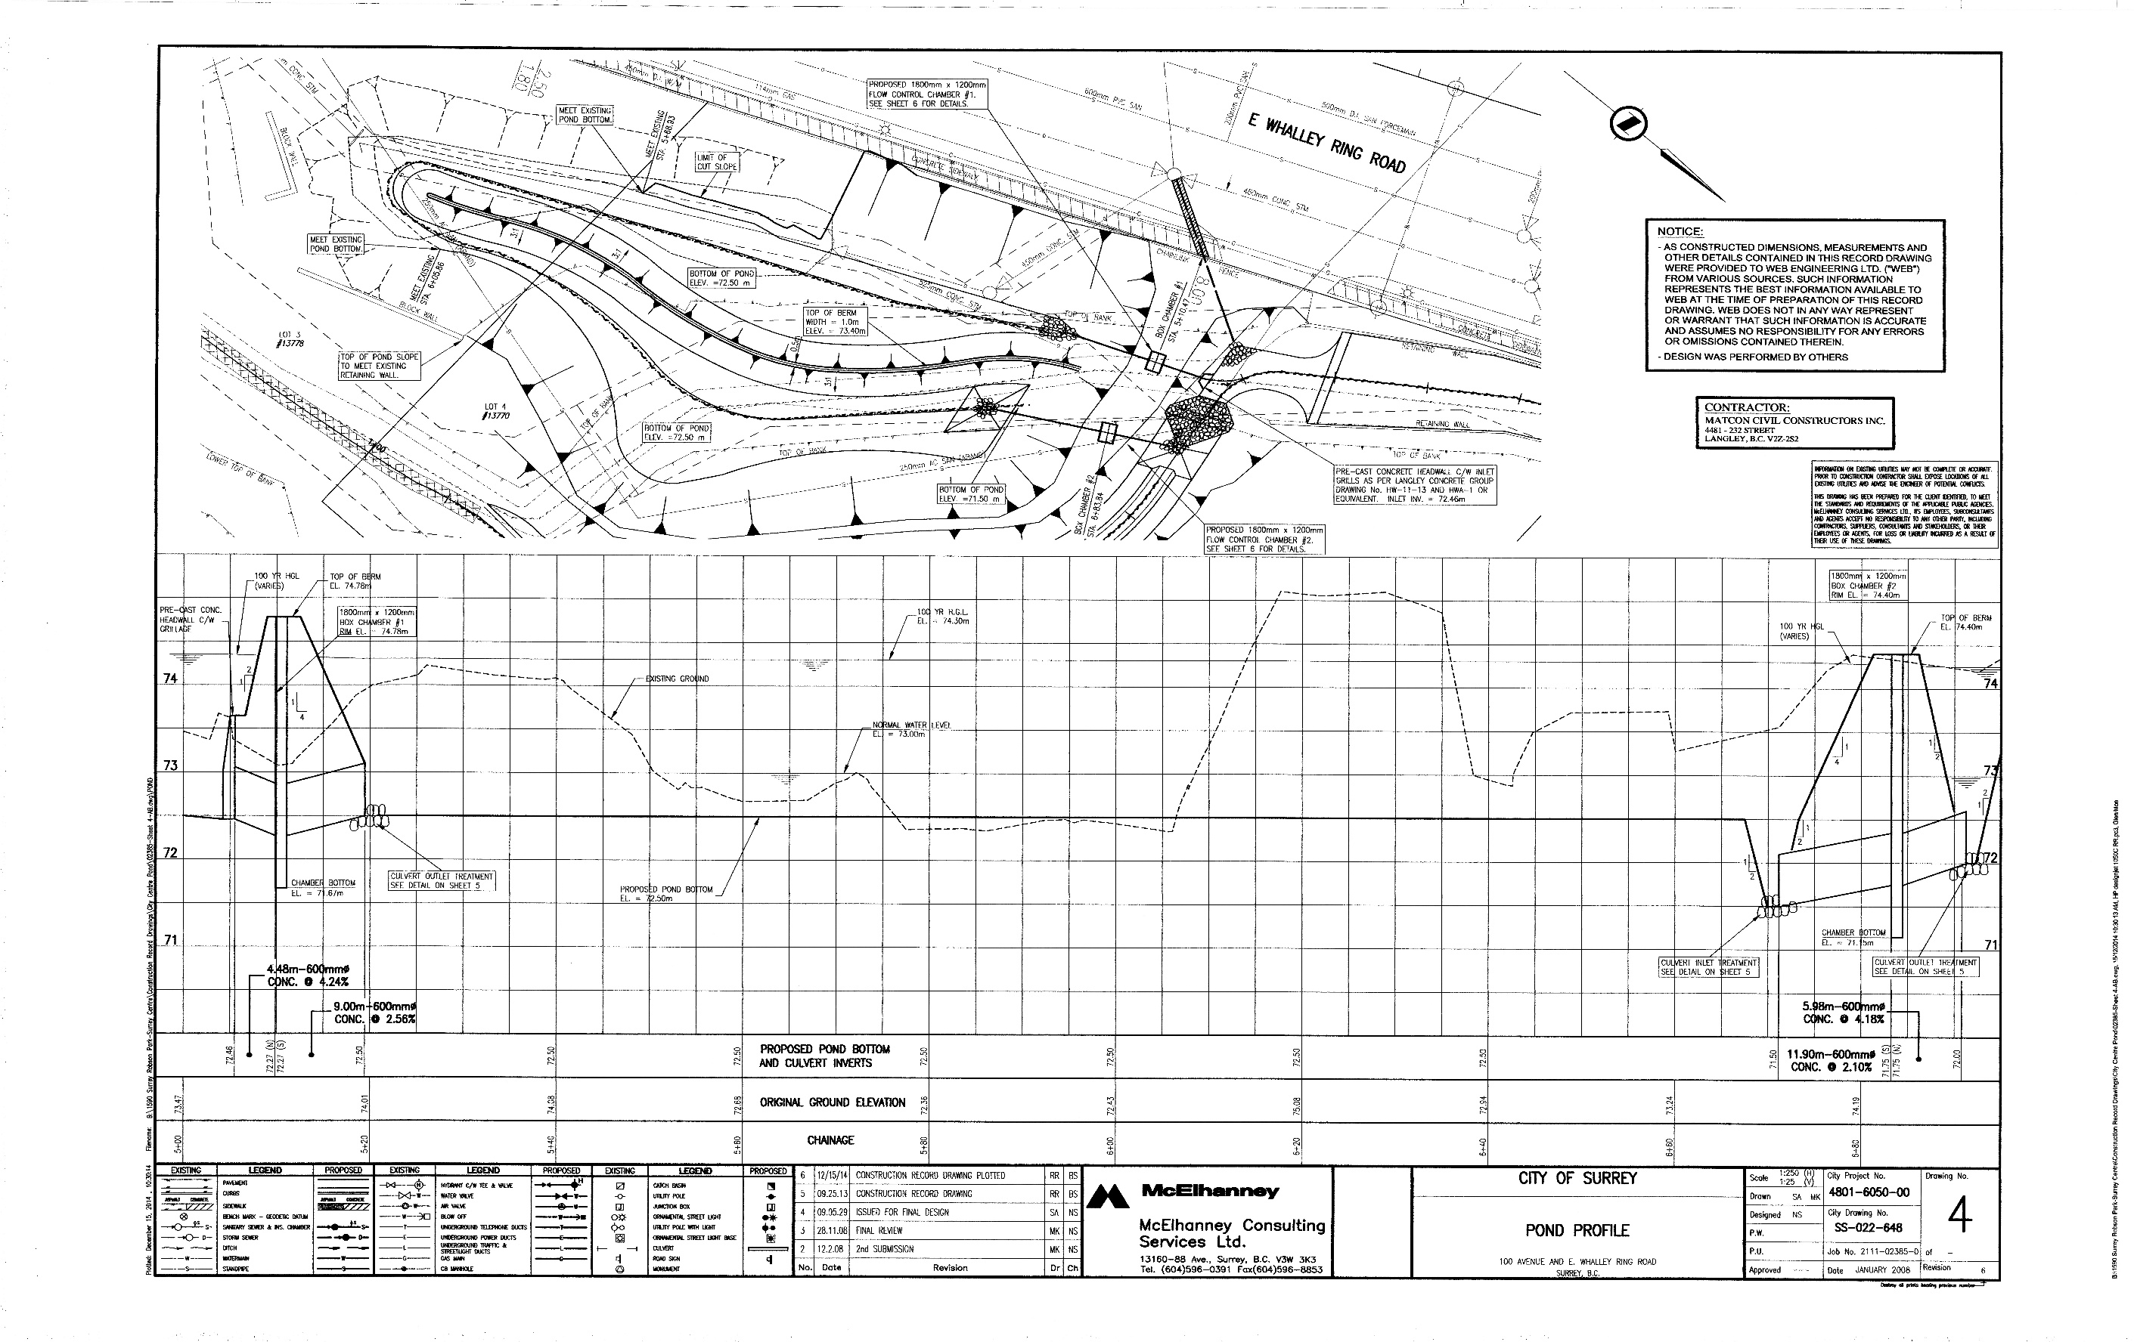
Length
Drawn | 30 | cm
Scale | 250 | 1:250
Length | 75 | m
Depth varies. Design depth is 0.5m (low flow) to 0.5+1.43
Pond bottom | 72.5 | masl
Normal Flow | 0.5 | m
Middle Berm | 0.9 | m
High Flow | 1.8 | m | 1.7320508076
 |  |  | 2.24
Pond Width |  | 1:250 scale | 2.8284271247
X | dX | Regular Depth Width | *Assuming still flowing in same path
-7.7 | 7.7 | 0
0 | 0 | 1.49 |  | Depth | Channel Area | Top of Pond Area | Volume
6 | 6 | 3.11 |  | 0 | 0 | 0 | 0
12 | 6 | 5.60 |  | 0.5 | 511.05498661 | 0 | 0
18 | 6 | 8.10 |  | 0.9 |  | 0
22.61 | 4.61 | 9.84
27.62 | 5.01 | 10.63
32.66 | 5.04 | 10.41
35.81 | 3.15 | 10.53
45.67 | 9.86 | 6.87
51.75 | 6.08 | 5.24
53.69 | 1.94 | 4.63
57.8 | 4.11 | 3.43
61.41 | 3.61 | 2.99
64.62 | 3.21 | 2.50
69.57 | 4.95 | 2.02
71.08 | 1.51 | 2.14
72.37 | 1.29 | 2.86
73.43 | 1.06 | 4.01
74.2 | 0.77 | 5.59
74.6 | 0.4 | 5.63
75.12 | 0.52 | 3.94
76.37 | 1.25 | 2.78
77.46 | 1.09 | 2.43
78.63 | 1.17 | 2.12
79.44 | 0.81 | 1.36
80.03 | 0.59 | 1.25
80.47 | 0.44 | 1.17
81.16 | 0.69 | 1.33
83.25 | 2.09 | 2.08
84.65 | 1.4 | 2.42
86.62 | 1.97 | 2.08
88.75 | 2.13 | 1.93
90.61 | 1.86 | 2.22
92.96 | 2.35 | 2.57
95.79 | 2.83 | 3.15
100.04 | 4.25 | 4.20
103.16 | 3.12 | 5.07
106.97 | 3.81 | 6.35
111.6 | 4.63 | 9.15
114.34 | 2.74 | 11.86
116.04 | 1.7 | 14.23
118.51 | 2.47 | 15.04
120.14 | 1.63 | 13.93
124.23 | 4.09 | 10.45
128.1 | 3.87 | 7.81
135.18 | 7.08 | 6.23
141.91 | 6.73 | 6.87
146.69 | 4.78 | 8.21
149.98 | 3.29 | 6.33
150.98 | 1 | 2
160.73 | 9.75 | 0.00

