Comments
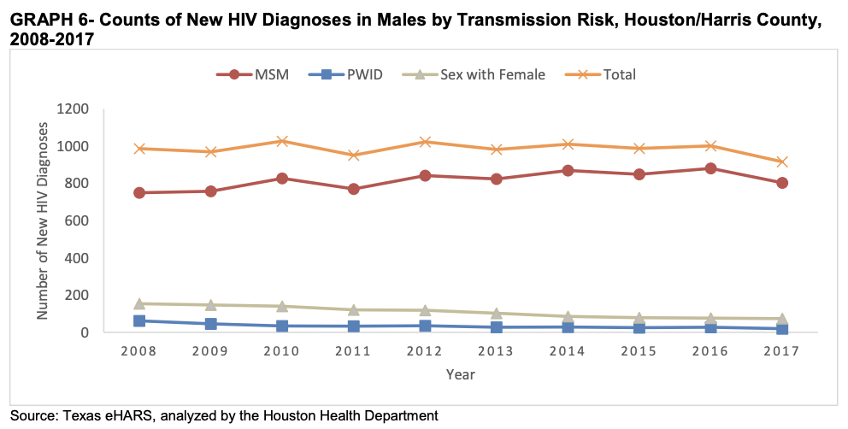
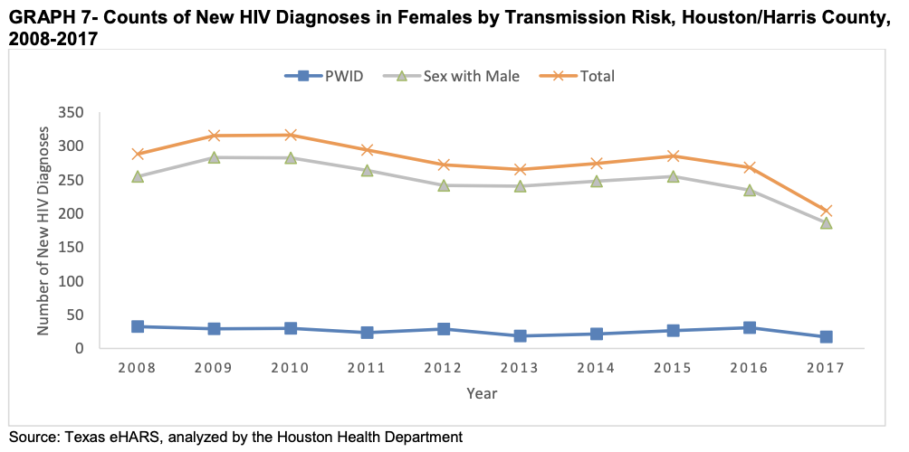
Specific EHE priority county: | 2019 Epi Profile
Harris County | Additional figures that could be useful if we eyeball values:

MSA has 9 counties, but Harris by far the largest (6x larger than next largest county) | Page 42:
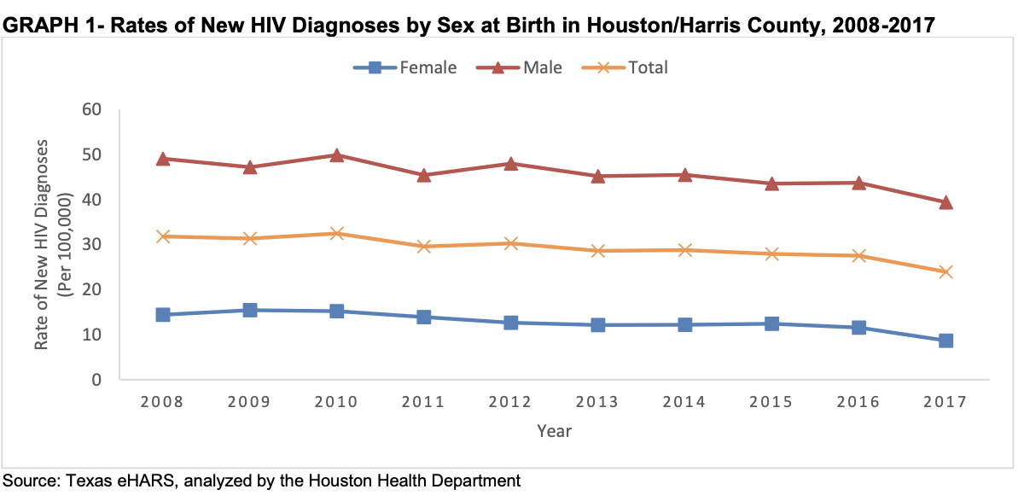
Houston Health Department
http://www.houstontx.gov/health/HIV-STD/index.html
http://www.houstontx.gov/health/HIV-STD/Documents/2019-Epi-Profile-Final-20191212.pdf

 | Page 46:

