Large Specimens

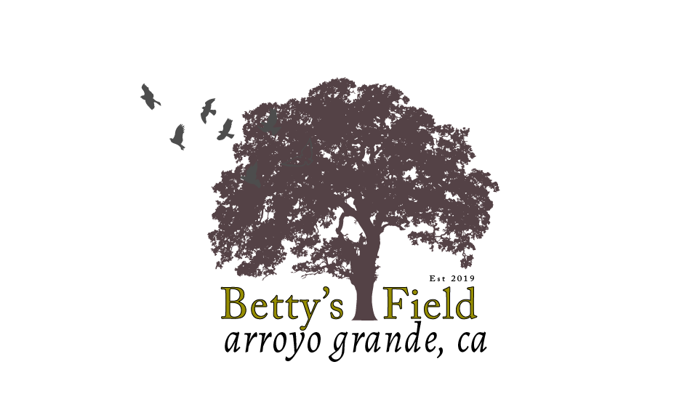 Betty's Field July 13th, 2026

Customer Name:
 |  | Prices | Order
 | 7g
 | Agave shawii ‘Marginata’ | $80.00
 | 20"
 | Calocedrus decurrens | $200.00
 | Pittosporum tenuifolium ‘Jade’ | $200.00

