FolhaBase
Insere Dados a partir desta folha
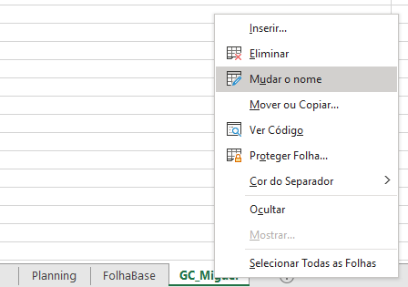

Instruções
Clica Aqui e Prossegue
Dados -> De Texto/CVS
EX de predefinição do ficheiro de Texto: | GC_jgrapht_Miguel | Todos os Code Smells da forma God Class do pacote jgrapht do Miguel

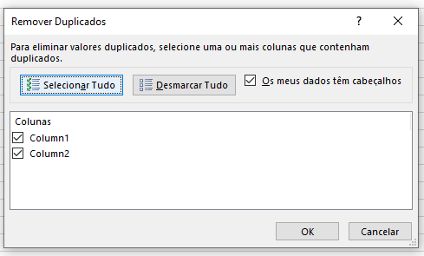
Após a criação da Tabela | Caso o nome não esteja correto basta mudar depois o nome na Folha no Excel
Dados -> Remover Duplicados |  |  |  | Code Smells:
Ter em atenção e "Selecionar Tudo" para selecionar todas as colunas |  |  |  | LM - Long Method
 |  |  |  | GC - God Class
 |  |  |  | FE - Feature Envy
 |  |  |  | DC - Data Class

Column1 |  |  | Column2
org.jgrapht.alg.matching.blossom.v5.BlossomVTree.TreeNodeIterator |  |  | [org.jgrapht.alg.matching.blossom.v5.BlossomVTree.TreeNodeIterator::org.jgrapht.alg.matching.blossom.v5.BlossomVNode currentNode, org.jgrapht.alg.matching.blossom.v5.BlossomVTree.TreeNodeIterator::org.jgrapht.alg.matching.blossom.v5.BlossomVNode treeRoot, org.jgrapht.alg.matching.blossom.v5.BlossomVTree.TreeNodeIterator::advance():org.jgrapht.alg.matching.blossom.v5.BlossomVNode]
org.jgrapht.alg.matching.blossom.v5.BlossomVTreeEdge |  |  | [org.jgrapht.alg.matching.blossom.v5.BlossomVTreeEdge::org.jheaps.MergeableAddressableHeap<java.lang.Double,org.jgrapht.alg.matching.blossom.v5.BlossomVEdge> plusMinusEdges0, org.jgrapht.alg.matching.blossom.v5.BlossomVTreeEdge::org.jheaps.MergeableAddressableHeap<java.lang.Double,org.jgrapht.alg.matching.blossom.v5.BlossomVEdge> plusMinusEdges1, org.jgrapht.alg.matching.blossom.v5.BlossomVTreeEdge::getCurrentMinusPlusHeap(int):org.jheaps.MergeableAddressableHeap<java.lang.Double,org.jgrapht.alg.matching.blossom.v5.BlossomVEdge>, org.jgrapht.alg.matching.blossom.v5.BlossomVTreeEdge::getCurrentPlusMinusHeap(int):org.jheaps.MergeableAddressableHeap<java.lang.Double,org.jgrapht.alg.matching.blossom.v5.BlossomVEdge>]
org.jgrapht.alg.matching.blossom.v5.BlossomVTreeEdge |  |  | [org.jgrapht.alg.matching.blossom.v5.BlossomVTreeEdge::org.jheaps.MergeableAddressableHeap<java.lang.Double,org.jgrapht.alg.matching.blossom.v5.BlossomVEdge> plusMinusEdges0, org.jgrapht.alg.matching.blossom.v5.BlossomVTreeEdge::org.jheaps.MergeableAddressableHeap<java.lang.Double,org.jgrapht.alg.matching.blossom.v5.BlossomVEdge> plusMinusEdges1, org.jgrapht.alg.matching.blossom.v5.BlossomVTreeEdge::getCurrentMinusPlusHeap(int):org.jheaps.MergeableAddressableHeap<java.lang.Double,org.jgrapht.alg.matching.blossom.v5.BlossomVEdge>, org.jgrapht.alg.matching.blossom.v5.BlossomVTreeEdge::getCurrentPlusMinusHeap(int):org.jheaps.MergeableAddressableHeap<java.lang.Double,org.jgrapht.alg.matching.blossom.v5.BlossomVEdge>, org.jgrapht.alg.matching.blossom.v5.BlossomVTreeEdge::addToCurrentMinusPlusHeap(org.jgrapht.alg.matching.blossom.v5.BlossomVEdge, int):void, org.jgrapht.alg.matching.blossom.v5.BlossomVTreeEdge::addToCurrentPlusMinusHeap(org.jgrapht.alg.matching.blossom.v5.BlossomVEdge, int):void, org.jgrapht.alg.matching.blossom.v5.BlossomVTreeEdge::addPlusPlusEdge(org.jgrapht.alg.matching.blossom.v5.BlossomVEdge):void, org.jgrapht.alg.matching.blossom.v5.BlossomVTreeEdge::removeFromCurrentMinusPlusHeap(org.jgrapht.alg.matching.blossom.v5.BlossomVEdge):void, org.jgrapht.alg.matching.blossom.v5.BlossomVTreeEdge::removeFromCurrentPlusMinusHeap(org.jgrapht.alg.matching.blossom.v5.BlossomVEdge):void, org.jgrapht.alg.matching.blossom.v5.BlossomVTreeEdge::removeFromPlusPlusHeap(org.jgrapht.alg.matching.blossom.v5.BlossomVEdge):void]
org.jgrapht.alg.matching.blossom.v5.BlossomVEdge.BlossomNodesIterator |  |  | [org.jgrapht.alg.matching.blossom.v5.BlossomVEdge.BlossomNodesIterator::org.jgrapht.alg.matching.blossom.v5.BlossomVNode root, org.jgrapht.alg.matching.blossom.v5.BlossomVEdge.BlossomNodesIterator::org.jgrapht.alg.matching.blossom.v5.BlossomVNode currentNode, org.jgrapht.alg.matching.blossom.v5.BlossomVEdge.BlossomNodesIterator::org.jgrapht.alg.matching.blossom.v5.BlossomVEdge blossomFormingEdge, org.jgrapht.alg.matching.blossom.v5.BlossomVEdge.BlossomNodesIterator::advance():org.jgrapht.alg.matching.blossom.v5.BlossomVNode]

