Figure 1
This file presents the data from the tables and figures in CBO’s January 2024 report The Demographic Outlook: 2024 to 2054.
www.cbo.gov/publication/59697

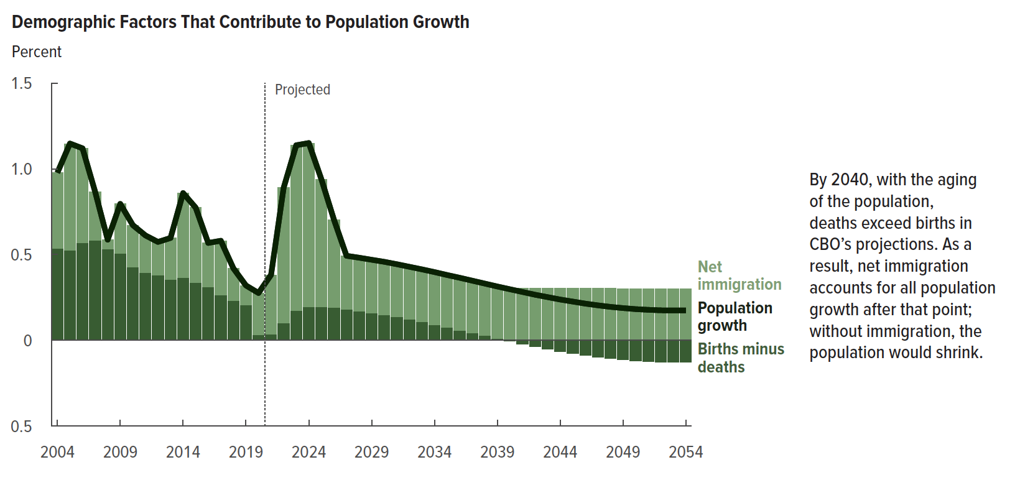
Figure 1. Demographic Factors That Contribute to Population Growth
Percent

 | Population growth | Births minus deaths | Net immigration
2004 | 0.978 | 0.538 | 0.440
2005 | 1.148 | 0.526 | 0.621
2006 | 1.120 | 0.570 | 0.550
2007 | 0.867 | 0.582 | 0.285
2008 | 0.587 | 0.532 | 0.055
2009 | 0.796 | 0.508 | 0.288
2010 | 0.672 | 0.428 | 0.244
2011 | 0.612 | 0.393 | 0.219
2012 | 0.574 | 0.380 | 0.195
2013 | 0.597 | 0.354 | 0.243
2014 | 0.859 | 0.366 | 0.493
2015 | 0.774 | 0.335 | 0.439
2016 | 0.568 | 0.311 | 0.257
2017 | 0.581 | 0.263 | 0.318
2018 | 0.420 | 0.232 | 0.189
2019 | 0.320 | 0.207 | 0.113
2020 | 0.276 | 0.032 | 0.244
2021 | 0.382 | 0.035 | 0.347
2022 | 0.890 | 0.100 | 0.790
2023 | 1.138 | 0.173 | 0.965
2024 | 1.151 | 0.196 | 0.955
2025 | 0.940 | 0.195 | 0.745
2026 | 0.704 | 0.192 | 0.511
2027 | 0.493 | 0.182 | 0.311
2028 | 0.482 | 0.171 | 0.311
2029 | 0.470 | 0.160 | 0.310
2030 | 0.458 | 0.149 | 0.309
2031 | 0.444 | 0.136 | 0.308
2032 | 0.429 | 0.122 | 0.308
2033 | 0.414 | 0.107 | 0.307
2034 | 0.398 | 0.091 | 0.306
2035 | 0.381 | 0.075 | 0.306
2036 | 0.365 | 0.059 | 0.305
2037 | 0.348 | 0.043 | 0.305
2038 | 0.331 | 0.027 | 0.304
2039 | 0.314 | 0.010 | 0.304
2040 | 0.298 | -0.006 | 0.304
2041 | 0.282 | -0.022 | 0.304
2042 | 0.266 | -0.037 | 0.303
2043 | 0.252 | -0.052 | 0.303
2044 | 0.238 | -0.065 | 0.303
2045 | 0.226 | -0.077 | 0.303
2046 | 0.214 | -0.088 | 0.303
2047 | 0.204 | -0.098 | 0.303
2048 | 0.195 | -0.107 | 0.303
2049 | 0.188 | -0.114 | 0.302
2050 | 0.182 | -0.120 | 0.302
2051 | 0.178 | -0.124 | 0.302
2052 | 0.175 | -0.127 | 0.302
2053 | 0.174 | -0.128 | 0.302
2054 | 0.174 | -0.127 | 0.302

Back to Table of Contents

Figure 2
This file presents the data from the tables and figures in CBO’s January 2024 report The Demographic Outlook: 2024 to 2054.
www.cbo.gov/publication/59697

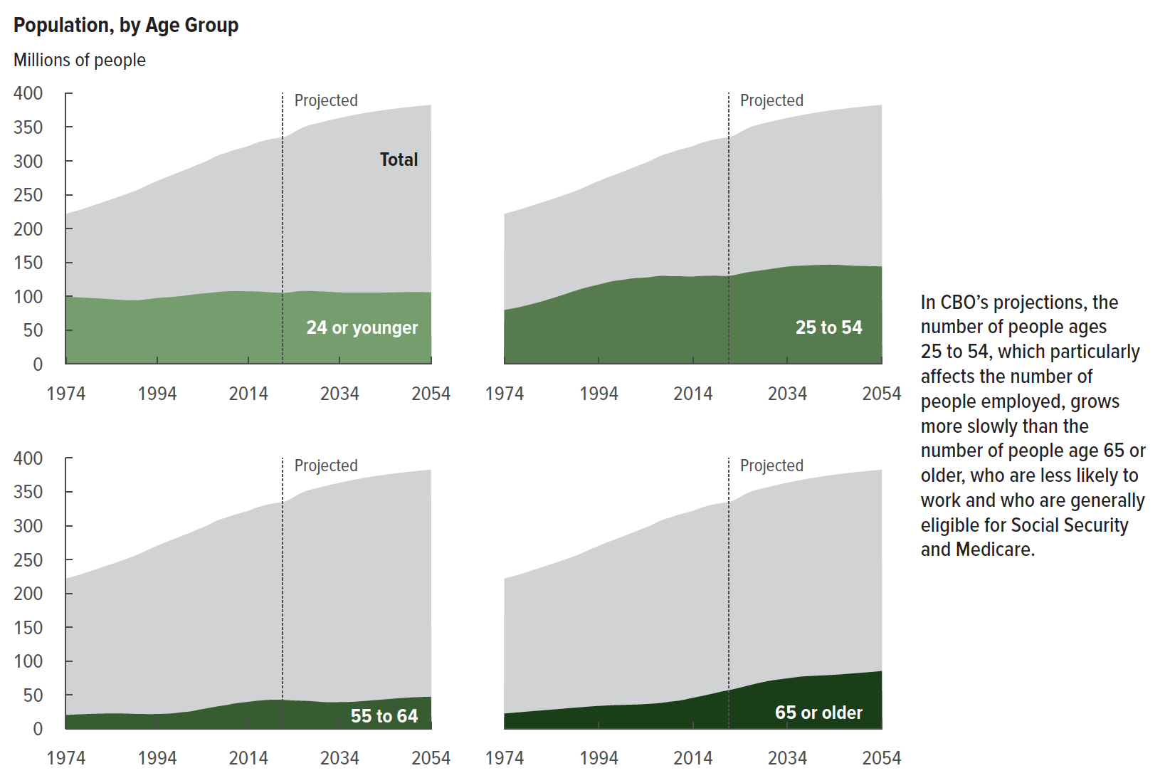
Figure 2. Population, by Age Group
Millions of people

 | 24 or younger | 25 to 54 | 55 to 64 | 65 or older | Total
1974 | 99 | 80 | 20 | 23 | 222
1975 | 99 | 81 | 21 | 23 | 224
1976 | 99 | 82 | 21 | 24 | 226
1977 | 98 | 84 | 21 | 24 | 227
1978 | 98 | 85 | 22 | 25 | 230
1979 | 98 | 87 | 22 | 25 | 232
1980 | 97 | 89 | 22 | 26 | 234
1981 | 97 | 91 | 22 | 27 | 236
1982 | 96 | 93 | 22 | 27 | 239
1983 | 96 | 95 | 23 | 28 | 241
1984 | 96 | 97 | 23 | 28 | 243
1985 | 95 | 99 | 23 | 29 | 245
1986 | 95 | 101 | 23 | 29 | 248
1987 | 94 | 103 | 22 | 30 | 250
1988 | 94 | 106 | 22 | 31 | 253
1989 | 94 | 108 | 22 | 31 | 255
1990 | 94 | 110 | 22 | 32 | 258
1991 | 95 | 112 | 22 | 32 | 261
1992 | 96 | 114 | 22 | 33 | 264
1993 | 97 | 116 | 22 | 33 | 267
1994 | 97 | 117 | 22 | 34 | 270
1995 | 98 | 119 | 22 | 34 | 273
1996 | 98 | 121 | 22 | 34 | 276
1997 | 99 | 122 | 23 | 35 | 278
1998 | 99 | 123 | 23 | 35 | 281
1999 | 100 | 124 | 24 | 35 | 284
2000 | 101 | 125 | 25 | 35 | 286
2001 | 102 | 126 | 25 | 36 | 289
2002 | 103 | 127 | 26 | 36 | 292
2003 | 103 | 127 | 28 | 36 | 295
2004 | 104 | 128 | 29 | 36 | 297
2005 | 105 | 128 | 30 | 37 | 300
2006 | 105 | 129 | 32 | 37 | 304
2007 | 106 | 130 | 33 | 38 | 307
2008 | 107 | 130 | 34 | 39 | 310
2009 | 107 | 130 | 35 | 40 | 312
2010 | 108 | 130 | 36 | 41 | 314
2011 | 108 | 130 | 37 | 41 | 316
2012 | 108 | 129 | 38 | 43 | 318
2013 | 107 | 129 | 39 | 44 | 320
2014 | 107 | 129 | 40 | 46 | 322
2015 | 107 | 130 | 41 | 47 | 325
2016 | 107 | 130 | 41 | 49 | 327
2017 | 107 | 130 | 42 | 50 | 329
2018 | 106 | 130 | 43 | 52 | 331
2019 | 106 | 130 | 43 | 53 | 332
2020 | 105 | 130 | 43 | 55 | 333
2021 | 105 | 130 | 43 | 56 | 334
2022 | 105 | 130 | 42 | 58 | 335
2023 | 106 | 132 | 42 | 59 | 338
2024 | 107 | 133 | 42 | 61 | 342
2025 | 107 | 135 | 41 | 63 | 346
2026 | 108 | 136 | 41 | 64 | 349
2027 | 108 | 137 | 41 | 66 | 352
2028 | 108 | 138 | 41 | 68 | 354
2029 | 107 | 139 | 40 | 69 | 355
2030 | 107 | 140 | 40 | 71 | 357
2031 | 107 | 141 | 39 | 72 | 359
2032 | 106 | 142 | 39 | 73 | 360
2033 | 106 | 143 | 39 | 74 | 362
2034 | 106 | 144 | 39 | 74 | 363
2035 | 106 | 144 | 39 | 75 | 365
2036 | 105 | 145 | 40 | 76 | 366
2037 | 105 | 145 | 40 | 77 | 367
2038 | 105 | 145 | 40 | 78 | 369
2039 | 105 | 146 | 41 | 78 | 370
2040 | 105 | 146 | 41 | 78 | 371
2041 | 105 | 146 | 42 | 79 | 372
2042 | 105 | 147 | 42 | 79 | 373
2043 | 105 | 147 | 43 | 79 | 374
2044 | 106 | 147 | 43 | 80 | 375
2045 | 106 | 146 | 44 | 80 | 376
2046 | 106 | 146 | 45 | 81 | 377
2047 | 106 | 145 | 45 | 81 | 378
2048 | 106 | 145 | 46 | 82 | 379
2049 | 106 | 145 | 46 | 82 | 379
2050 | 106 | 145 | 46 | 83 | 380
2051 | 106 | 144 | 47 | 83 | 381
2052 | 106 | 144 | 47 | 84 | 381
2053 | 106 | 144 | 47 | 85 | 382
2054 | 106 | 144 | 47 | 85 | 383

Back to Table of Contents

Figure 3
This file presents the data from the tables and figures in CBO’s January 2024 report The Demographic Outlook: 2024 to 2054.
www.cbo.gov/publication/59697

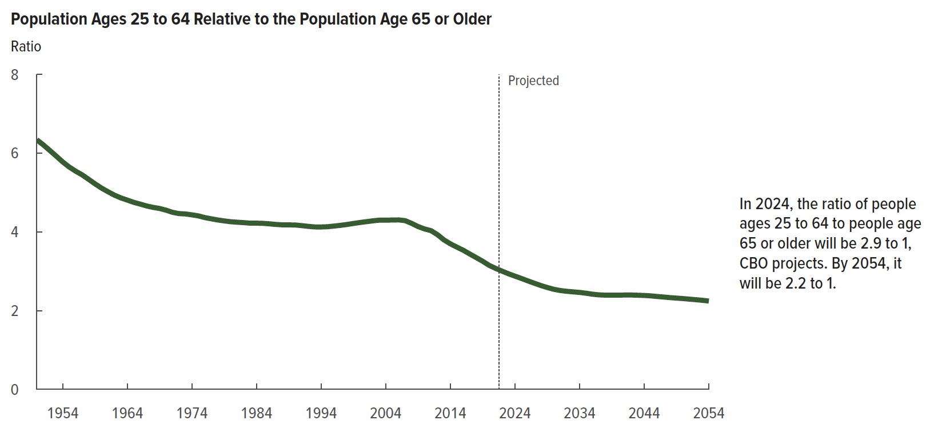
Figure 3. Population Ages 25 to 64 Relative to the Population Age 65 or Older
Ratio

 | Ratio
1950 | 6.3
1951 | 6.2
1952 | 6.1
1953 | 5.9
1954 | 5.8
1955 | 5.6
1956 | 5.5
1957 | 5.4
1958 | 5.3
1959 | 5.2
1960 | 5.1
1961 | 5.0
1962 | 4.9
1963 | 4.9
1964 | 4.8
1965 | 4.7
1966 | 4.7
1967 | 4.7
1968 | 4.6
1969 | 4.6
1970 | 4.5
1971 | 4.5
1972 | 4.5
1973 | 4.5
1974 | 4.4
1975 | 4.4
1976 | 4.4
1977 | 4.3
1978 | 4.3
1979 | 4.3
1980 | 4.3
1981 | 4.2
1982 | 4.2
1983 | 4.2
1984 | 4.2
1985 | 4.2
1986 | 4.2
1987 | 4.2
1988 | 4.2
1989 | 4.2
1990 | 4.2
1991 | 4.2
1992 | 4.1
1993 | 4.1
1994 | 4.1
1995 | 4.1
1996 | 4.1
1997 | 4.2
1998 | 4.2
1999 | 4.2
2000 | 4.2
2001 | 4.3
2002 | 4.3
2003 | 4.3
2004 | 4.3
2005 | 4.3
2006 | 4.3
2007 | 4.3
2008 | 4.2
2009 | 4.1
2010 | 4.1
2011 | 4.0
2012 | 3.9
2013 | 3.8
2014 | 3.7
2015 | 3.6
2016 | 3.5
2017 | 3.4
2018 | 3.3
2019 | 3.3
2020 | 3.1
2021 | 3.1
2022 | 3.0
2023 | 2.9
2024 | 2.9
2025 | 2.8
2026 | 2.8
2027 | 2.7
2028 | 2.6
2029 | 2.6
2030 | 2.5
2031 | 2.5
2032 | 2.5
2033 | 2.5
2034 | 2.5
2035 | 2.4
2036 | 2.4
2037 | 2.4
2038 | 2.4
2039 | 2.4
2040 | 2.4
2041 | 2.4
2042 | 2.4
2043 | 2.4
2044 | 2.4
2045 | 2.4
2046 | 2.4
2047 | 2.3
2048 | 2.3
2049 | 2.3
2050 | 2.3
2051 | 2.3
2052 | 2.3
2053 | 2.3
2054 | 2.2

Back to Table of Contents

Figure 4
This file presents the data from the tables and figures in CBO’s January 2024 report The Demographic Outlook: 2024 to 2054.
www.cbo.gov/publication/59697

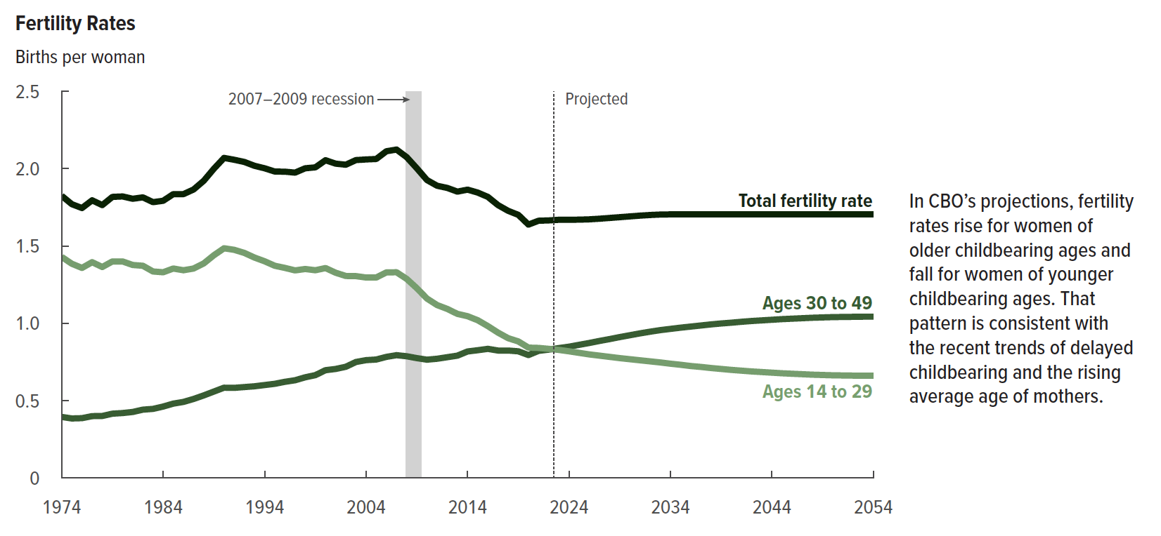
Figure 4. Fertility Rates
Births per woman

 | Ages 14 to 29 | Ages 30 to 49 | Total fertility rate
1974 | 1.4 | 0.4 | 1.8
1975 | 1.4 | 0.4 | 1.8
1976 | 1.4 | 0.4 | 1.7
1977 | 1.4 | 0.4 | 1.8
1978 | 1.4 | 0.4 | 1.8
1979 | 1.4 | 0.4 | 1.8
1980 | 1.4 | 0.4 | 1.8
1981 | 1.4 | 0.4 | 1.8
1982 | 1.4 | 0.4 | 1.8
1983 | 1.3 | 0.4 | 1.8
1984 | 1.3 | 0.5 | 1.8
1985 | 1.4 | 0.5 | 1.8
1986 | 1.3 | 0.5 | 1.8
1987 | 1.4 | 0.5 | 1.9
1988 | 1.4 | 0.5 | 1.9
1989 | 1.4 | 0.6 | 2.0
1990 | 1.5 | 0.6 | 2.1
1991 | 1.5 | 0.6 | 2.1
1992 | 1.5 | 0.6 | 2.0
1993 | 1.4 | 0.6 | 2.0
1994 | 1.4 | 0.6 | 2.0
1995 | 1.4 | 0.6 | 2.0
1996 | 1.4 | 0.6 | 2.0
1997 | 1.3 | 0.6 | 2.0
1998 | 1.4 | 0.7 | 2.0
1999 | 1.3 | 0.7 | 2.0
2000 | 1.4 | 0.7 | 2.1
2001 | 1.3 | 0.7 | 2.0
2002 | 1.3 | 0.7 | 2.0
2003 | 1.3 | 0.8 | 2.1
2004 | 1.3 | 0.8 | 2.1
2005 | 1.3 | 0.8 | 2.1
2006 | 1.3 | 0.8 | 2.1
2007 | 1.3 | 0.8 | 2.1
2008 | 1.3 | 0.8 | 2.1
2009 | 1.2 | 0.8 | 2.0
2010 | 1.2 | 0.8 | 1.9
2011 | 1.1 | 0.8 | 1.9
2012 | 1.1 | 0.8 | 1.9
2013 | 1.1 | 0.8 | 1.9
2014 | 1.0 | 0.8 | 1.9
2015 | 1.0 | 0.8 | 1.8
2016 | 1.0 | 0.8 | 1.8
2017 | 0.9 | 0.8 | 1.8
2018 | 0.9 | 0.8 | 1.7
2019 | 0.9 | 0.8 | 1.7
2020 | 0.8 | 0.8 | 1.6
2021 | 0.8 | 0.8 | 1.7
2022 | 0.8 | 0.8 | 1.7
2023 | 0.8 | 0.8 | 1.7
2024 | 0.8 | 0.8 | 1.7
2025 | 0.8 | 0.9 | 1.7
2026 | 0.8 | 0.9 | 1.7
2027 | 0.8 | 0.9 | 1.7
2028 | 0.8 | 0.9 | 1.7
2029 | 0.8 | 0.9 | 1.7
2030 | 0.8 | 0.9 | 1.7
2031 | 0.8 | 0.9 | 1.7
2032 | 0.8 | 0.9 | 1.7
2033 | 0.7 | 1.0 | 1.7
2034 | 0.7 | 1.0 | 1.7
2035 | 0.7 | 1.0 | 1.7
2036 | 0.7 | 1.0 | 1.7
2037 | 0.7 | 1.0 | 1.7
2038 | 0.7 | 1.0 | 1.7
2039 | 0.7 | 1.0 | 1.7
2040 | 0.7 | 1.0 | 1.7
2041 | 0.7 | 1.0 | 1.7
2042 | 0.7 | 1.0 | 1.7
2043 | 0.7 | 1.0 | 1.7
2044 | 0.7 | 1.0 | 1.7
2045 | 0.7 | 1.0 | 1.7
2046 | 0.7 | 1.0 | 1.7
2047 | 0.7 | 1.0 | 1.7
2048 | 0.7 | 1.0 | 1.7
2049 | 0.7 | 1.0 | 1.7
2050 | 0.7 | 1.0 | 1.7
2051 | 0.7 | 1.0 | 1.7
2052 | 0.7 | 1.0 | 1.7
2053 | 0.7 | 1.0 | 1.7
2054 | 0.7 | 1.0 | 1.7

Back to Table of Contents

Figure 5
This file presents the data from the tables and figures in CBO’s January 2024 report The Demographic Outlook: 2024 to 2054.
www.cbo.gov/publication/59697

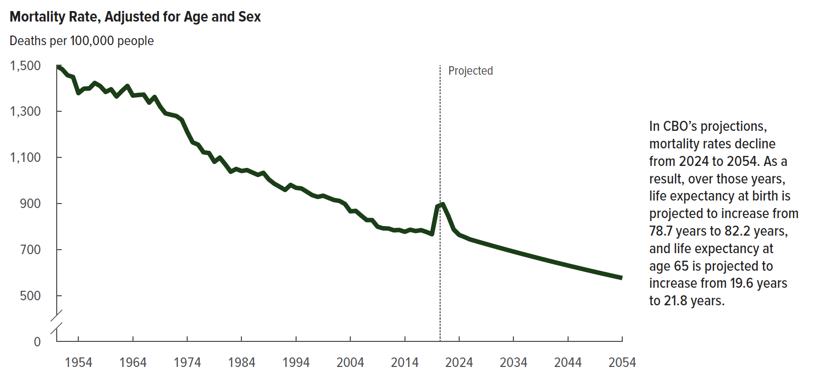
Figure 5. Mortality Rate, Adjusted for Age and Sex
Deaths per 100,000 people

 | Mortality rate
1950 | 1,496
1951 | 1,483
1952 | 1,456
1953 | 1,449
1954 | 1,379
1955 | 1,398
1956 | 1,399
1957 | 1,423
1958 | 1,409
1959 | 1,384
1960 | 1,396
1961 | 1,364
1962 | 1,388
1963 | 1,410
1964 | 1,368
1965 | 1,371
1966 | 1,372
1967 | 1,338
1968 | 1,362
1969 | 1,321
1970 | 1,291
1971 | 1,285
1972 | 1,279
1973 | 1,263
1974 | 1,211
1975 | 1,165
1976 | 1,155
1977 | 1,122
1978 | 1,119
1979 | 1,081
1980 | 1,099
1981 | 1,070
1982 | 1,038
1983 | 1,049
1984 | 1,041
1985 | 1,045
1986 | 1,034
1987 | 1,024
1988 | 1,033
1989 | 1,004
1990 | 986
1991 | 972
1992 | 959
1993 | 980
1994 | 968
1995 | 965
1996 | 950
1997 | 936
1998 | 928
1999 | 934
2000 | 924
2001 | 915
2002 | 911
2003 | 898
2004 | 866
2005 | 867
2006 | 847
2007 | 828
2008 | 828
2009 | 799
2010 | 792
2011 | 791
2012 | 783
2013 | 785
2014 | 777
2015 | 786
2016 | 780
2017 | 784
2018 | 776
2019 | 766
2020 | 887
2021 | 897
2022 | 846
2023 | 787
2024 | 763
2025 | 754
2026 | 744
2027 | 737
2028 | 730
2029 | 723
2030 | 717
2031 | 710
2032 | 704
2033 | 697
2034 | 691
2035 | 685
2036 | 678
2037 | 672
2038 | 666
2039 | 660
2040 | 654
2041 | 648
2042 | 642
2043 | 636
2044 | 631
2045 | 625
2046 | 619
2047 | 614
2048 | 608
2049 | 603
2050 | 597
2051 | 592
2052 | 587
2053 | 581
2054 | 576

Back to Table of Contents

Figure 6
This file presents the data from the tables and figures in CBO’s January 2024 report The Demographic Outlook: 2024 to 2054.
www.cbo.gov/publication/59697

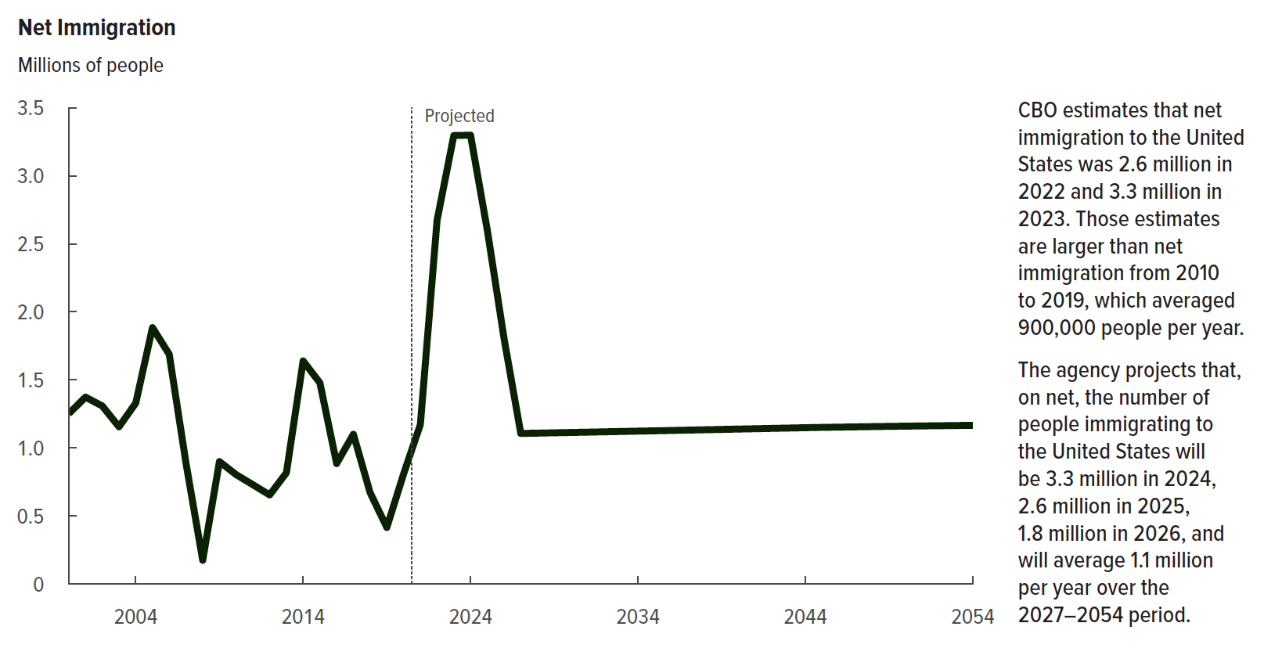
Figure 6. Net Immigration
Millions of people

 | Net immigration
2000 | 1.251
2001 | 1.373
2002 | 1.308
2003 | 1.155
2004 | 1.329
2005 | 1.884
2006 | 1.688
2007 | 0.889
2008 | 0.174
2009 | 0.899
2010 | 0.803
2011 | 0.729
2012 | 0.654
2013 | 0.817
2014 | 1.639
2015 | 1.478
2016 | 0.885
2017 | 1.100
2018 | 0.671
2019 | 0.415
2020 | 0.808
2021 | 1.171
2022 | 2.674
2023 | 3.297
2024 | 3.299
2025 | 2.601
2026 | 1.804
2027 | 1.106
2028 | 1.108
2029 | 1.111
2030 | 1.113
2031 | 1.116
2032 | 1.118
2033 | 1.121
2034 | 1.123
2035 | 1.125
2036 | 1.128
2037 | 1.130
2038 | 1.133
2039 | 1.136
2040 | 1.138
2041 | 1.141
2042 | 1.143
2043 | 1.146
2044 | 1.148
2045 | 1.150
2046 | 1.152
2047 | 1.154
2048 | 1.156
2049 | 1.158
2050 | 1.160
2051 | 1.161
2052 | 1.163
2053 | 1.164
2054 | 1.166

Back to Table of Contents

Figure 7
This file presents the data from the tables and figures in CBO’s January 2024 report The Demographic Outlook: 2024 to 2054.
www.cbo.gov/publication/59697

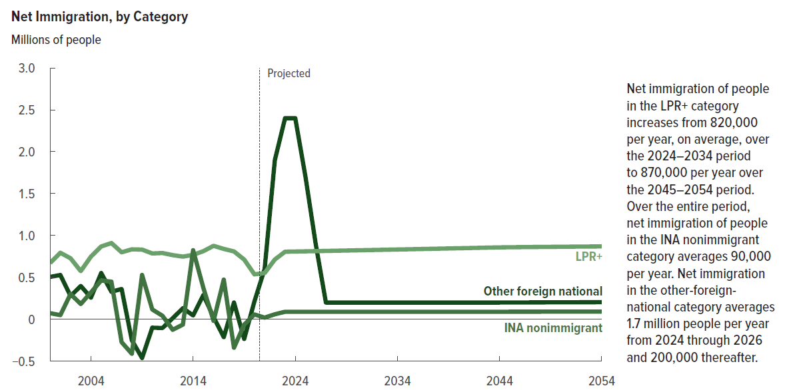
Figure 7. Net Immigration, by Category
Millions of people

 | LPR+ | INA nonimmigrant | Other foreign national
2000 | 0.672 | 0.073 | 0.506
2001 | 0.794 | 0.050 | 0.529
2002 | 0.728 | 0.302 | 0.278
2003 | 0.575 | 0.182 | 0.398
2004 | 0.749 | 0.321 | 0.259
2005 | 0.869 | 0.463 | 0.552
2006 | 0.910 | 0.449 | 0.329
2007 | 0.800 | -0.273 | 0.362
2008 | 0.835 | -0.411 | -0.250
2009 | 0.832 | 0.529 | -0.462
2010 | 0.786 | 0.117 | -0.100
2011 | 0.791 | 0.042 | -0.104
2012 | 0.766 | -0.125 | 0.013
2013 | 0.748 | -0.063 | 0.132
2014 | 0.769 | 0.824 | 0.046
2015 | 0.813 | 0.376 | 0.289
2016 | 0.877 | -0.018 | 0.026
2017 | 0.840 | 0.473 | -0.213
2018 | 0.810 | -0.339 | 0.200
2019 | 0.713 | -0.064 | -0.234
2020 | 0.537 | 0.058 | 0.213
2021 | 0.551 | 0.020 | 0.600
2022 | 0.714 | 0.060 | 1.900
2023 | 0.807 | 0.090 | 2.400
2024 | 0.809 | 0.090 | 2.400
2025 | 0.811 | 0.090 | 1.700
2026 | 0.814 | 0.090 | 0.900
2027 | 0.816 | 0.090 | 0.200
2028 | 0.818 | 0.090 | 0.200
2029 | 0.821 | 0.090 | 0.200
2030 | 0.823 | 0.090 | 0.200
2031 | 0.826 | 0.090 | 0.200
2032 | 0.828 | 0.090 | 0.200
2033 | 0.831 | 0.090 | 0.200
2034 | 0.833 | 0.090 | 0.200
2035 | 0.835 | 0.090 | 0.200
2036 | 0.838 | 0.090 | 0.200
2037 | 0.840 | 0.090 | 0.200
2038 | 0.843 | 0.090 | 0.200
2039 | 0.846 | 0.090 | 0.200
2040 | 0.848 | 0.090 | 0.200
2041 | 0.851 | 0.090 | 0.200
2042 | 0.853 | 0.090 | 0.200
2043 | 0.856 | 0.090 | 0.200
2044 | 0.858 | 0.090 | 0.200
2045 | 0.860 | 0.090 | 0.201
2046 | 0.861 | 0.090 | 0.201
2047 | 0.862 | 0.091 | 0.201
2048 | 0.863 | 0.091 | 0.202
2049 | 0.865 | 0.091 | 0.202
2050 | 0.866 | 0.091 | 0.203
2051 | 0.867 | 0.091 | 0.203
2052 | 0.868 | 0.092 | 0.203
2053 | 0.869 | 0.092 | 0.204
2054 | 0.870 | 0.092 | 0.204

Back to Table of Contents

Figure 8
This file presents the data from the tables and figures in CBO’s January 2024 report The Demographic Outlook: 2024 to 2054.
www.cbo.gov/publication/59697

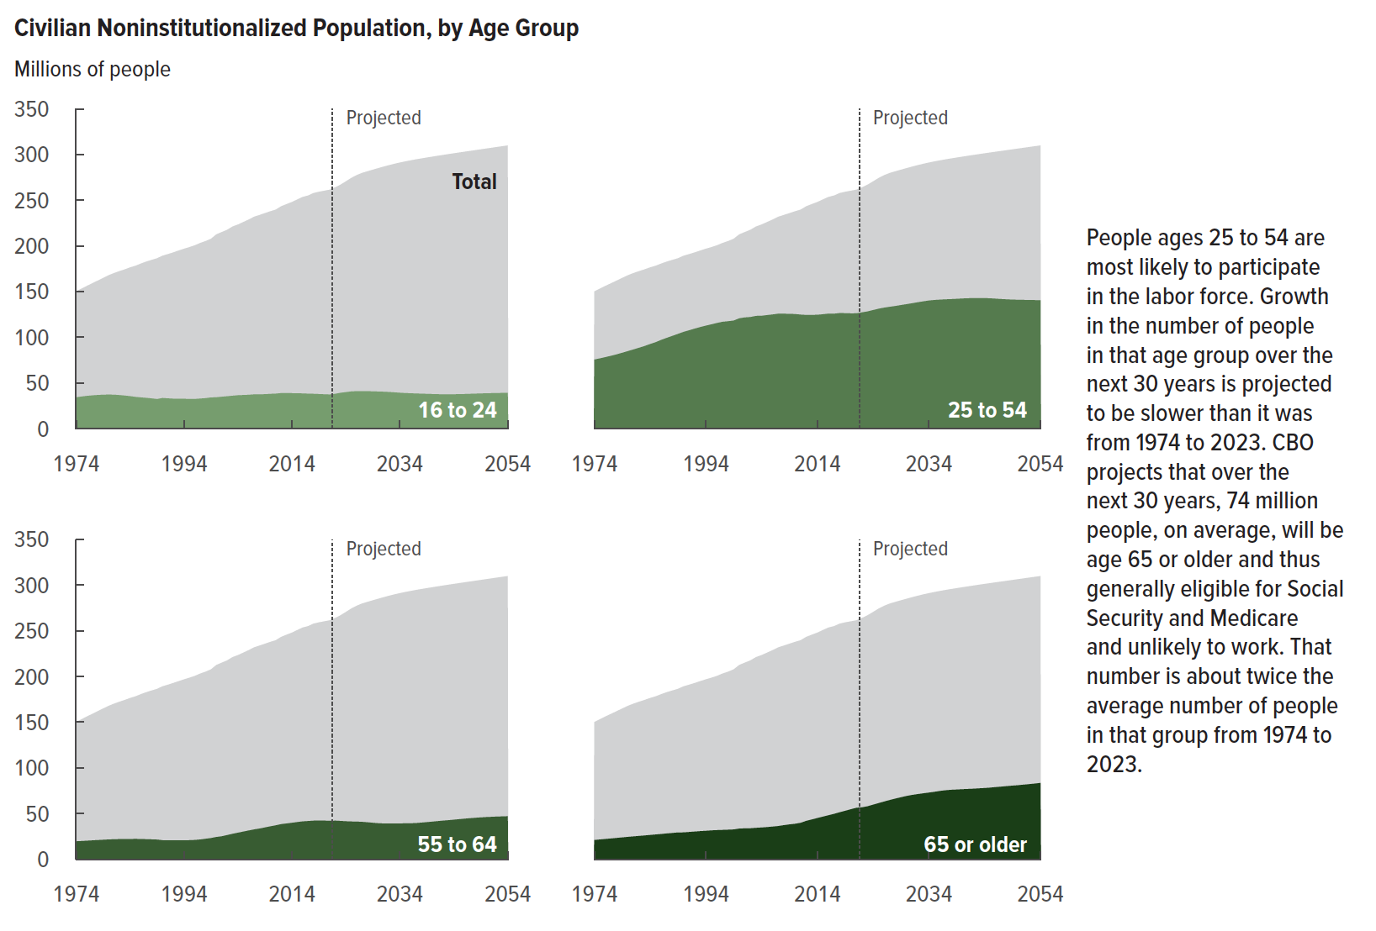
Figure 8. Civilian Noninstitutionalized Population, by Age Group
Millions of people

 | 16 to 24 | 25 to 54 | 55 to 64 | 65 or older | Total
1974 | 34 | 75 | 20 | 21 | 150
1975 | 35 | 77 | 20 | 22 | 153
1976 | 36 | 78 | 20 | 22 | 156
1977 | 36 | 80 | 21 | 23 | 159
1978 | 37 | 81 | 21 | 23 | 162
1979 | 37 | 83 | 21 | 24 | 165
1980 | 37 | 85 | 22 | 24 | 168
1981 | 37 | 86 | 22 | 25 | 170
1982 | 37 | 88 | 22 | 25 | 172
1983 | 36 | 90 | 22 | 26 | 174
1984 | 35 | 92 | 22 | 26 | 176
1985 | 35 | 94 | 22 | 27 | 178
1986 | 34 | 97 | 22 | 27 | 181
1987 | 34 | 99 | 22 | 28 | 183
1988 | 33 | 101 | 22 | 29 | 185
1989 | 32 | 104 | 21 | 29 | 186
1990 | 33 | 106 | 21 | 29 | 189
1991 | 33 | 108 | 21 | 30 | 191
1992 | 33 | 109 | 21 | 30 | 193
1993 | 33 | 111 | 21 | 31 | 195
1994 | 33 | 113 | 21 | 31 | 197
1995 | 32 | 114 | 21 | 31 | 199
1996 | 32 | 116 | 21 | 32 | 201
1997 | 33 | 117 | 22 | 32 | 203
1998 | 33 | 117 | 22 | 32 | 205
1999 | 34 | 118 | 23 | 32 | 208
2000 | 34 | 121 | 24 | 33 | 213
2001 | 35 | 122 | 25 | 34 | 215
2002 | 35 | 122 | 26 | 34 | 218
2003 | 36 | 123 | 28 | 34 | 221
2004 | 36 | 123 | 29 | 35 | 223
2005 | 37 | 124 | 30 | 35 | 226
2006 | 37 | 125 | 31 | 36 | 229
2007 | 37 | 126 | 33 | 36 | 232
2008 | 37 | 126 | 33 | 37 | 234
2009 | 38 | 126 | 35 | 38 | 236
2010 | 38 | 125 | 36 | 39 | 238
2011 | 38 | 125 | 37 | 40 | 240
2012 | 39 | 124 | 38 | 42 | 243
2013 | 39 | 124 | 39 | 43 | 246
2014 | 39 | 125 | 40 | 45 | 248
2015 | 39 | 125 | 41 | 47 | 251
2016 | 38 | 126 | 41 | 48 | 254
2017 | 38 | 126 | 42 | 50 | 255
2018 | 38 | 126 | 42 | 51 | 258
2019 | 38 | 126 | 42 | 53 | 259
2020 | 37 | 126 | 42 | 55 | 260
2021 | 37 | 126 | 42 | 56 | 261
2022 | 38 | 127 | 42 | 57 | 264
2023 | 39 | 128 | 42 | 58 | 267
2024 | 40 | 130 | 41 | 60 | 271
2025 | 41 | 131 | 41 | 61 | 274
2026 | 41 | 132 | 41 | 63 | 277
2027 | 41 | 133 | 41 | 65 | 280
2028 | 41 | 134 | 40 | 66 | 282
2029 | 41 | 135 | 40 | 68 | 283
2030 | 40 | 136 | 39 | 69 | 285
2031 | 40 | 137 | 39 | 70 | 287
2032 | 40 | 138 | 39 | 71 | 288
2033 | 40 | 139 | 39 | 72 | 290
2034 | 39 | 140 | 39 | 73 | 291
2035 | 39 | 141 | 39 | 74 | 292
2036 | 39 | 141 | 39 | 75 | 294
2037 | 38 | 141 | 39 | 75 | 295
2038 | 38 | 142 | 40 | 76 | 296
2039 | 38 | 142 | 40 | 76 | 297
2040 | 38 | 142 | 41 | 77 | 298
2041 | 38 | 143 | 42 | 77 | 299
2042 | 37 | 143 | 42 | 77 | 299
2043 | 37 | 143 | 43 | 77 | 300
2044 | 38 | 143 | 43 | 78 | 301
2045 | 38 | 143 | 44 | 78 | 302
2046 | 38 | 142 | 44 | 79 | 303
2047 | 38 | 142 | 45 | 79 | 304
2048 | 38 | 141 | 45 | 80 | 305
2049 | 38 | 141 | 46 | 80 | 306
2050 | 39 | 141 | 46 | 81 | 306
2051 | 39 | 141 | 46 | 82 | 307
2052 | 39 | 141 | 47 | 82 | 308
2053 | 39 | 141 | 47 | 83 | 309
2054 | 39 | 140 | 47 | 83 | 310

Back to Table of Contents

Figure 9
This file presents the data from the tables and figures in CBO’s January 2024 report The Demographic Outlook: 2024 to 2054.
www.cbo.gov/publication/59697

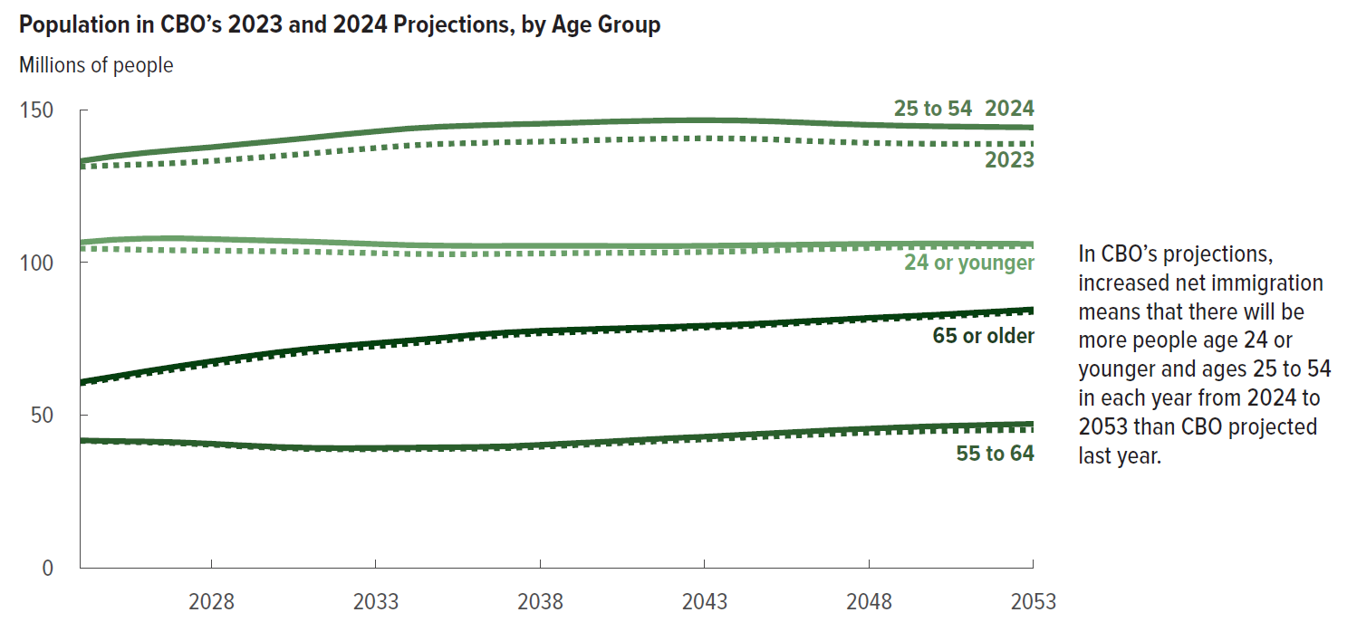
Figure 9. Population in CBO’s 2023 and 2024 Projections, by Age Group
Millions of people

 | 2023 |  |  |  |  | 2024
 | 24 or younger | 25 to 54 | 55 to 64 | 65 or older | Total | 24 or younger | 25 to 54 | 55 to 64 | 65 or older | Total
2024 | 105 | 131 | 42 | 60 | 338 | 107 | 133 | 42 | 61 | 342
2025 | 104 | 132 | 41 | 62 | 339 | 107 | 135 | 41 | 63 | 346
2026 | 104 | 132 | 41 | 64 | 341 | 108 | 136 | 41 | 64 | 349
2027 | 104 | 133 | 41 | 65 | 342 | 108 | 137 | 41 | 66 | 352
2028 | 104 | 133 | 40 | 67 | 344 | 108 | 138 | 41 | 68 | 354
2029 | 104 | 134 | 40 | 68 | 346 | 107 | 139 | 40 | 69 | 355
2030 | 104 | 135 | 39 | 69 | 347 | 107 | 140 | 40 | 71 | 357
2031 | 104 | 136 | 39 | 71 | 349 | 107 | 141 | 39 | 72 | 359
2032 | 103 | 137 | 39 | 72 | 350 | 106 | 142 | 39 | 73 | 360
2033 | 103 | 137 | 39 | 73 | 352 | 106 | 143 | 39 | 74 | 362
2034 | 103 | 138 | 39 | 73 | 353 | 106 | 144 | 39 | 74 | 363
2035 | 103 | 139 | 39 | 74 | 355 | 106 | 144 | 39 | 75 | 365
2036 | 103 | 139 | 39 | 75 | 356 | 105 | 145 | 40 | 76 | 366
2037 | 103 | 139 | 39 | 76 | 358 | 105 | 145 | 40 | 77 | 367
2038 | 103 | 140 | 40 | 77 | 359 | 105 | 145 | 40 | 78 | 369
2039 | 103 | 140 | 40 | 77 | 360 | 105 | 146 | 41 | 78 | 370
2040 | 103 | 140 | 41 | 78 | 361 | 105 | 146 | 41 | 78 | 371
2041 | 103 | 140 | 41 | 78 | 363 | 105 | 146 | 42 | 79 | 372
2042 | 103 | 141 | 42 | 78 | 364 | 105 | 147 | 42 | 79 | 373
2043 | 103 | 141 | 42 | 79 | 365 | 105 | 147 | 43 | 79 | 374
2044 | 104 | 141 | 43 | 79 | 366 | 106 | 147 | 43 | 80 | 375
2045 | 104 | 140 | 43 | 80 | 367 | 106 | 146 | 44 | 80 | 376
2046 | 104 | 140 | 43 | 80 | 368 | 106 | 146 | 45 | 81 | 377
2047 | 105 | 139 | 44 | 81 | 369 | 106 | 145 | 45 | 81 | 378
2048 | 105 | 139 | 44 | 81 | 369 | 106 | 145 | 46 | 82 | 379
2049 | 105 | 139 | 45 | 82 | 370 | 106 | 145 | 46 | 82 | 379
2050 | 105 | 139 | 45 | 82 | 371 | 106 | 145 | 46 | 83 | 380
2051 | 105 | 139 | 45 | 83 | 372 | 106 | 144 | 47 | 83 | 381
2052 | 105 | 139 | 45 | 83 | 372 | 106 | 144 | 47 | 84 | 381
2053 | 105 | 139 | 45 | 84 | 373 | 106 | 144 | 47 | 85 | 382

Back to Table of Contents

Figure 10
This file presents the data from the tables and figures in CBO’s January 2024 report The Demographic Outlook: 2024 to 2054.
www.cbo.gov/publication/59697

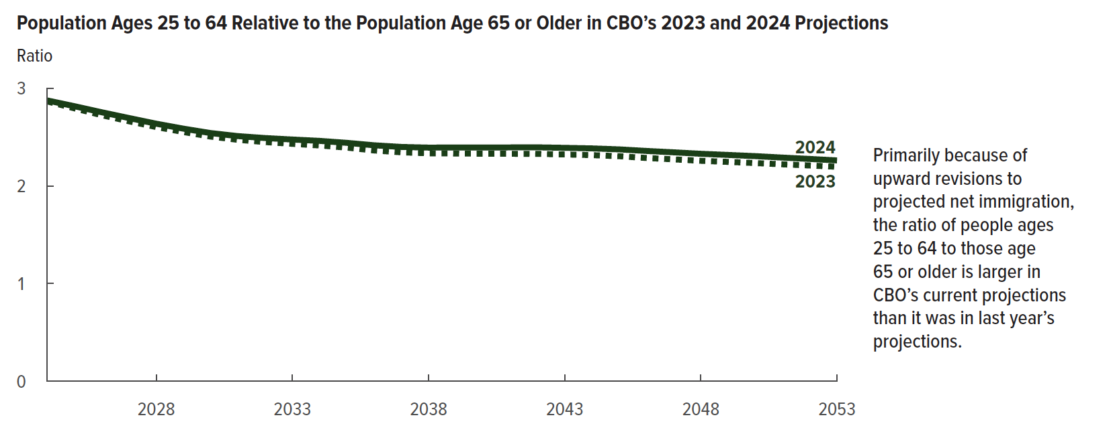
Figure 10. Population Ages 25 to 64 Relative to the Population Age 65 or Older in CBO’s 2023 and 2024 Projections
Ratio

 | 2023 | 2024

2024 | 2.9 | 2.9
2025 | 2.8 | 2.8
2026 | 2.7 | 2.8
2027 | 2.7 | 2.7
2028 | 2.6 | 2.6
2029 | 2.6 | 2.6
2030 | 2.5 | 2.5
2031 | 2.5 | 2.5
2032 | 2.4 | 2.5
2033 | 2.4 | 2.5
2034 | 2.4 | 2.5
2035 | 2.4 | 2.4
2036 | 2.4 | 2.4
2037 | 2.3 | 2.4
2038 | 2.3 | 2.4
2039 | 2.3 | 2.4
2040 | 2.3 | 2.4
2041 | 2.3 | 2.4
2042 | 2.3 | 2.4
2043 | 2.3 | 2.4
2044 | 2.3 | 2.4
2045 | 2.3 | 2.4
2046 | 2.3 | 2.4
2047 | 2.3 | 2.3
2048 | 2.3 | 2.3
2049 | 2.2 | 2.3
2050 | 2.2 | 2.3
2051 | 2.2 | 2.3
2052 | 2.2 | 2.3
2053 | 2.2 | 2.3

Back to Table of Contents

Figure 11
This file presents the data from the tables and figures in CBO’s January 2024 report The Demographic Outlook: 2024 to 2054.
www.cbo.gov/publication/59697

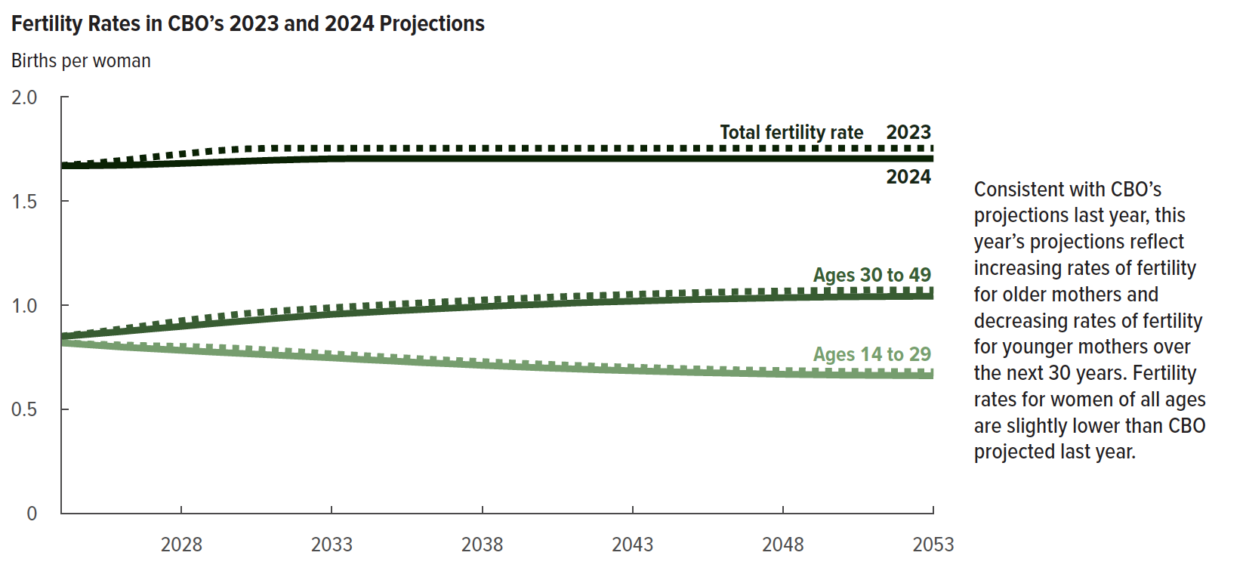
Figure 11. Fertility Rates in CBO’s 2023 and 2024 Projections
Births per woman

 | 2023 |  |  | 2024
 | Ages 14 to 29 | Ages 30 to 49 | Total fertility rate | Ages 14 to 29 | Ages 30 to 49 | Total fertility rate
2024 | 0.8 | 0.9 | 1.7 | 0.8 | 0.8 | 1.7
2025 | 0.8 | 0.9 | 1.7 | 0.8 | 0.9 | 1.7
2026 | 0.8 | 0.9 | 1.7 | 0.8 | 0.9 | 1.7
2027 | 0.8 | 0.9 | 1.7 | 0.8 | 0.9 | 1.7
2028 | 0.8 | 0.9 | 1.7 | 0.8 | 0.9 | 1.7
2029 | 0.8 | 0.9 | 1.7 | 0.8 | 0.9 | 1.7
2030 | 0.8 | 1.0 | 1.8 | 0.8 | 0.9 | 1.7
2031 | 0.8 | 1.0 | 1.8 | 0.8 | 0.9 | 1.7
2032 | 0.8 | 1.0 | 1.8 | 0.8 | 0.9 | 1.7
2033 | 0.8 | 1.0 | 1.8 | 0.7 | 1.0 | 1.7
2034 | 0.8 | 1.0 | 1.8 | 0.7 | 1.0 | 1.7
2035 | 0.8 | 1.0 | 1.8 | 0.7 | 1.0 | 1.7
2036 | 0.7 | 1.0 | 1.8 | 0.7 | 1.0 | 1.7
2037 | 0.7 | 1.0 | 1.8 | 0.7 | 1.0 | 1.7
2038 | 0.7 | 1.0 | 1.8 | 0.7 | 1.0 | 1.7
2039 | 0.7 | 1.0 | 1.8 | 0.7 | 1.0 | 1.7
2040 | 0.7 | 1.0 | 1.8 | 0.7 | 1.0 | 1.7
2041 | 0.7 | 1.0 | 1.8 | 0.7 | 1.0 | 1.7
2042 | 0.7 | 1.0 | 1.8 | 0.7 | 1.0 | 1.7
2043 | 0.7 | 1.1 | 1.8 | 0.7 | 1.0 | 1.7
2044 | 0.7 | 1.1 | 1.8 | 0.7 | 1.0 | 1.7
2045 | 0.7 | 1.1 | 1.8 | 0.7 | 1.0 | 1.7
2046 | 0.7 | 1.1 | 1.8 | 0.7 | 1.0 | 1.7
2047 | 0.7 | 1.1 | 1.8 | 0.7 | 1.0 | 1.7
2048 | 0.7 | 1.1 | 1.8 | 0.7 | 1.0 | 1.7
2049 | 0.7 | 1.1 | 1.8 | 0.7 | 1.0 | 1.7
2050 | 0.7 | 1.1 | 1.8 | 0.7 | 1.0 | 1.7
2051 | 0.7 | 1.1 | 1.8 | 0.7 | 1.0 | 1.7
2052 | 0.7 | 1.1 | 1.8 | 0.7 | 1.0 | 1.7
2053 | 0.7 | 1.1 | 1.8 | 0.7 | 1.0 | 1.7

Back to Table of Contents

Figure 12
This file presents the data from the tables and figures in CBO’s January 2024 report The Demographic Outlook: 2024 to 2054.
www.cbo.gov/publication/59697

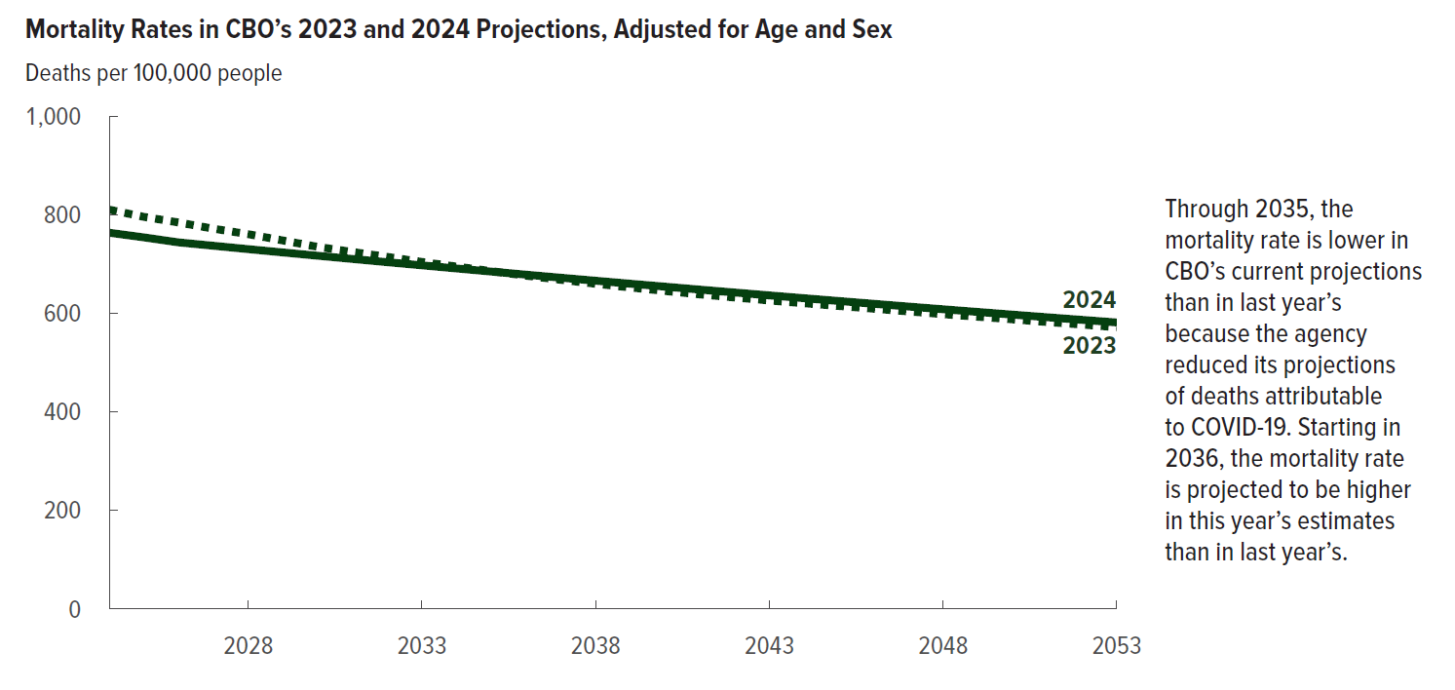
Figure 12. Mortality Rates in CBO’s 2023 and 2024 Projections, Adjusted for Age and Sex
Deaths per 100,000 people

 | 2023 | 2024
2024 | 810 | 763
2025 | 796 | 754
2026 | 784 | 744
2027 | 772 | 737
2028 | 760 | 730
2029 | 748 | 723
2030 | 735 | 717
2031 | 724 | 710
2032 | 714 | 704
2033 | 704 | 697
2034 | 695 | 691
2035 | 685 | 685
2036 | 676 | 678
2037 | 668 | 672
2038 | 660 | 666
2039 | 652 | 660
2040 | 645 | 654
2041 | 638 | 648
2042 | 632 | 642
2043 | 626 | 636
2044 | 620 | 631
2045 | 615 | 625
2046 | 609 | 619
2047 | 604 | 614
2048 | 598 | 608
2049 | 593 | 603
2050 | 588 | 597
2051 | 582 | 592
2052 | 577 | 587
2053 | 572 | 581

Back to Table of Contents

Figure 13
This file presents the data from the tables and figures in CBO’s January 2024 report The Demographic Outlook: 2024 to 2054.
www.cbo.gov/publication/59697

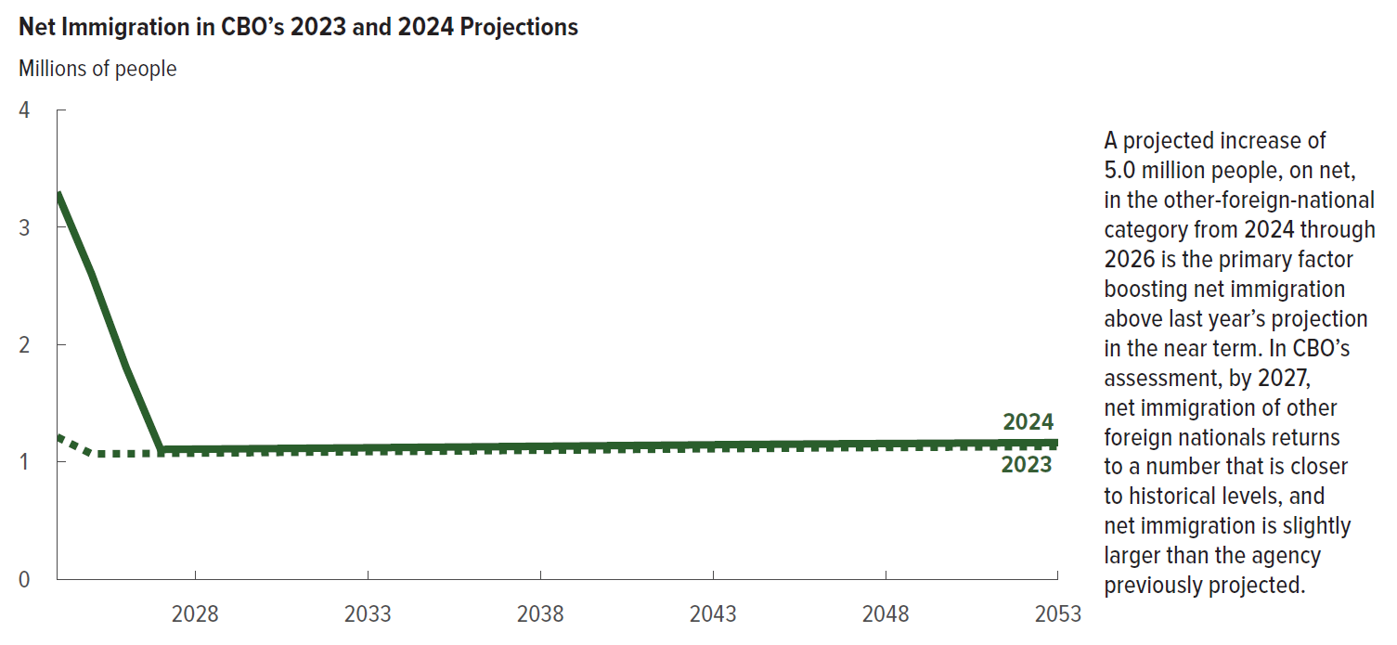
Figure 13. Net Immigration in CBO’s 2023 and 2024 Projections
Millions of people

 | 2023 | 2024
2024 | 1.21 | 3.30
2025 | 1.07 | 2.60
2026 | 1.07 | 1.80
2027 | 1.07 | 1.11
2028 | 1.07 | 1.11
2029 | 1.08 | 1.11
2030 | 1.08 | 1.11
2031 | 1.08 | 1.12
2032 | 1.08 | 1.12
2033 | 1.09 | 1.12
2034 | 1.09 | 1.12
2035 | 1.09 | 1.13
2036 | 1.09 | 1.13
2037 | 1.10 | 1.13
2038 | 1.10 | 1.13
2039 | 1.10 | 1.14
2040 | 1.10 | 1.14
2041 | 1.11 | 1.14
2042 | 1.11 | 1.14
2043 | 1.11 | 1.15
2044 | 1.11 | 1.15
2045 | 1.12 | 1.15
2046 | 1.12 | 1.15
2047 | 1.12 | 1.15
2048 | 1.12 | 1.16
2049 | 1.12 | 1.16
2050 | 1.13 | 1.16
2051 | 1.13 | 1.16
2052 | 1.13 | 1.16
2053 | 1.13 | 1.16

Back to Table of Contents

Figure 14
This file presents the data from the tables and figures in CBO’s January 2024 report The Demographic Outlook: 2024 to 2054.
www.cbo.gov/publication/59697

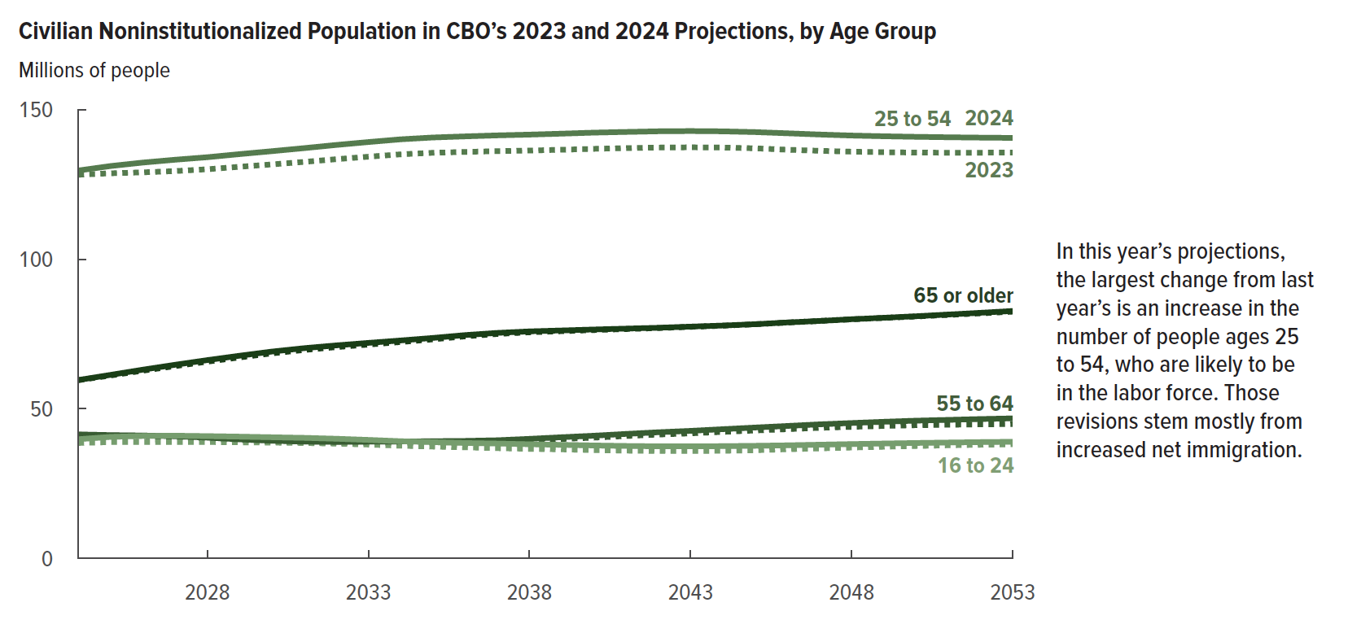
Figure 14. Civilian Noninstitutionalized Population in CBO’s 2023 and 2024, by Age Group
Millions of people

 | 2023 |  |  |  |  | 2024
 | 16 to 24 | 25 to 54 | 55 to 64 | 65 or older | Total | 16 to 24 | 25 to 54 | 55 to 64 | 65 or older | Total
2024 | 39 | 128 | 41 | 60 | 268 | 40 | 130 | 41 | 60 | 271
2025 | 39 | 129 | 41 | 61 | 270 | 41 | 131 | 41 | 61 | 274
2026 | 39 | 129 | 41 | 63 | 272 | 41 | 132 | 41 | 63 | 277
2027 | 39 | 129 | 41 | 64 | 273 | 41 | 133 | 41 | 65 | 280
2028 | 39 | 130 | 40 | 66 | 275 | 41 | 134 | 40 | 66 | 282
2029 | 39 | 131 | 39 | 67 | 276 | 41 | 135 | 40 | 68 | 283
2030 | 39 | 132 | 39 | 69 | 278 | 40 | 136 | 39 | 69 | 285
2031 | 39 | 133 | 39 | 70 | 279 | 40 | 137 | 39 | 70 | 287
2032 | 38 | 133 | 39 | 71 | 281 | 40 | 138 | 39 | 71 | 288
2033 | 38 | 134 | 39 | 71 | 282 | 40 | 139 | 39 | 72 | 290
2034 | 38 | 135 | 39 | 72 | 284 | 39 | 140 | 39 | 73 | 291
2035 | 37 | 136 | 39 | 73 | 285 | 39 | 141 | 39 | 74 | 292
2036 | 37 | 136 | 39 | 74 | 286 | 39 | 141 | 39 | 75 | 294
2037 | 37 | 136 | 39 | 75 | 287 | 38 | 141 | 39 | 75 | 295
2038 | 37 | 136 | 39 | 76 | 288 | 38 | 142 | 40 | 76 | 296
2039 | 36 | 137 | 40 | 76 | 289 | 38 | 142 | 40 | 76 | 297
2040 | 36 | 137 | 40 | 76 | 290 | 38 | 142 | 41 | 77 | 298
2041 | 36 | 137 | 41 | 77 | 291 | 38 | 143 | 42 | 77 | 299
2042 | 36 | 137 | 41 | 77 | 292 | 37 | 143 | 42 | 77 | 299
2043 | 36 | 137 | 42 | 77 | 292 | 37 | 143 | 43 | 77 | 300
2044 | 36 | 137 | 42 | 78 | 293 | 38 | 143 | 43 | 78 | 301
2045 | 36 | 137 | 43 | 78 | 294 | 38 | 143 | 44 | 78 | 302
2046 | 36 | 137 | 43 | 79 | 295 | 38 | 142 | 44 | 79 | 303
2047 | 37 | 136 | 44 | 79 | 296 | 38 | 142 | 45 | 79 | 304
2048 | 37 | 136 | 44 | 80 | 297 | 38 | 141 | 45 | 80 | 305
2049 | 37 | 136 | 44 | 80 | 298 | 38 | 141 | 46 | 80 | 306
2050 | 38 | 136 | 45 | 81 | 299 | 39 | 141 | 46 | 81 | 306
2051 | 38 | 136 | 45 | 81 | 299 | 39 | 141 | 46 | 82 | 307
2052 | 38 | 136 | 45 | 82 | 300 | 39 | 141 | 47 | 82 | 308
2053 | 38 | 136 | 45 | 82 | 301 | 39 | 141 | 47 | 83 | 309

Back to Table of Contents

Figure A-1
This file presents the data from the tables and figures in CBO’s January 2024 report The Demographic Outlook: 2024 to 2054.
www.cbo.gov/publication/59697

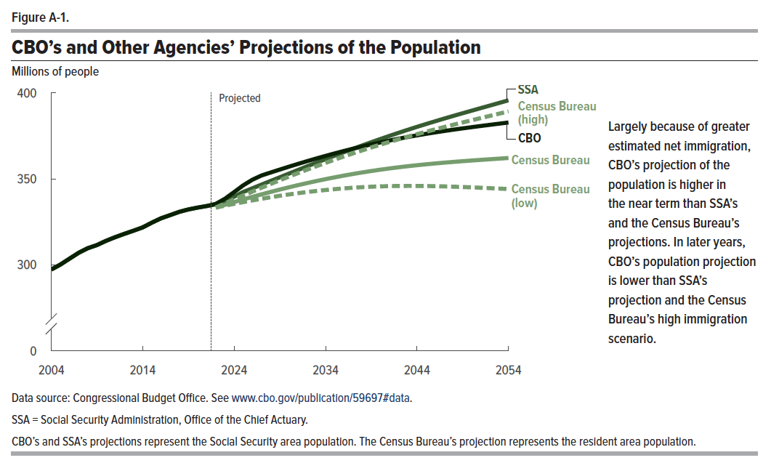
Figure A-1. CBO’s and Other Agencies’ Projections of the Population
Millions of people

 | CBO | SSA | Census Bureau (low) | Census Bureau | Census Bureau (high)
2004 | 297 | 297
2005 | 300 | 300
2006 | 304 | 304
2007 | 307 | 307
2008 | 310 | 310
2009 | 312 | 312
2010 | 314 | 314
2011 | 316 | 316
2012 | 318 | 318
2013 | 320 | 320
2014 | 322 | 322
2015 | 325 | 325
2016 | 327 | 327
2017 | 329 | 329
2018 | 331 | 331
2019 | 332 | 332
2020 | 333 | 333
2021 | 334 | 334
2022 | 335 | 335 | 333 | 333 | 333
2023 | 338 | 337 | 334 | 335 | 336
2024 | 342 | 340 | 335 | 336 | 338
2025 | 346 | 342 | 336 | 338 | 340
2026 | 349 | 344 | 337 | 340 | 343
2027 | 352 | 347 | 338 | 341 | 345
2028 | 354 | 349 | 339 | 342 | 347
2029 | 355 | 351 | 340 | 344 | 349
2030 | 357 | 353 | 341 | 345 | 351
2031 | 359 | 355 | 342 | 346 | 353
2032 | 360 | 357 | 342 | 348 | 355
2033 | 362 | 359 | 343 | 349 | 357
2034 | 363 | 361 | 344 | 350 | 359
2035 | 365 | 363 | 344 | 351 | 361
2036 | 366 | 365 | 344 | 352 | 363
2037 | 367 | 367 | 345 | 353 | 365
2038 | 369 | 369 | 345 | 354 | 367
2039 | 370 | 371 | 345 | 355 | 368
2040 | 371 | 373 | 346 | 355 | 370
2041 | 372 | 375 | 346 | 356 | 371
2042 | 373 | 377 | 346 | 357 | 373
2043 | 374 | 379 | 346 | 357 | 375
2044 | 375 | 380 | 346 | 358 | 376
2045 | 376 | 382 | 346 | 358 | 377
2046 | 377 | 383 | 346 | 359 | 379
2047 | 378 | 385 | 346 | 359 | 380
2048 | 379 | 387 | 345 | 360 | 381
2049 | 379 | 388 | 345 | 360 | 383
2050 | 380 | 390 | 345 | 361 | 384
2051 | 381 | 391 | 345 | 361 | 385
2052 | 381 | 393 | 345 | 361 | 387
2053 | 382 | 394 | 344 | 362 | 388
2054 | 383 | 396 | 344 | 362 | 389

Back to Table of Contents

Figure A-2
This file presents the data from the tables and figures in CBO’s January 2024 report The Demographic Outlook: 2024 to 2054.
www.cbo.gov/publication/59697

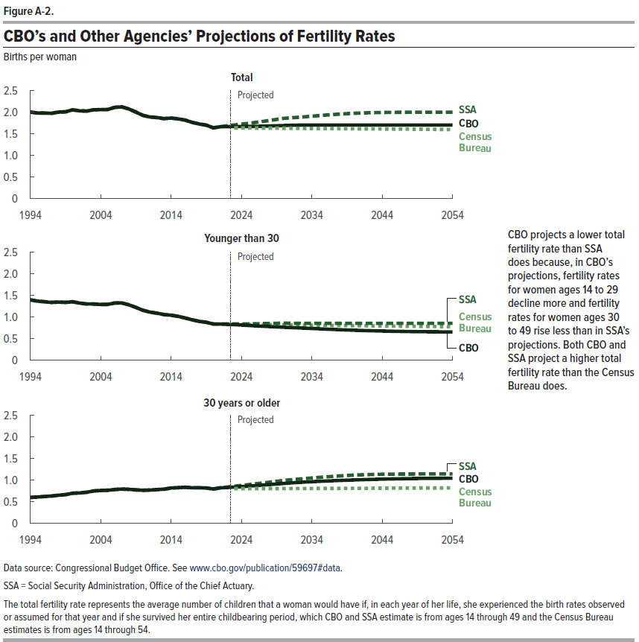
Figure A-2. CBO’s and Other Agencies’ Projections of Fertility Rates
Births per woman

 | Younger than 30 |  |  | 30 years or older |  |  | Total
 | CBO | SSA | Census Bureau | CBO | SSA | Census Bureau | CBO | SSA | Census Bureau
1994 | 1.4 | 1.4 |  | 0.6 | 0.6 |  | 2.0 | 2.0
1995 | 1.4 | 1.4 |  | 0.6 | 0.6 |  | 2.0 | 2.0
1996 | 1.4 | 1.4 |  | 0.6 | 0.6 |  | 2.0 | 2.0
1997 | 1.3 | 1.3 |  | 0.6 | 0.6 |  | 2.0 | 2.0
1998 | 1.4 | 1.4 |  | 0.7 | 0.7 |  | 2.0 | 2.0
1999 | 1.3 | 1.3 |  | 0.7 | 0.7 |  | 2.0 | 2.0
2000 | 1.4 | 1.4 |  | 0.7 | 0.7 |  | 2.1 | 2.1
2001 | 1.3 | 1.3 |  | 0.7 | 0.7 |  | 2.0 | 2.0
2002 | 1.3 | 1.3 |  | 0.7 | 0.7 |  | 2.0 | 2.0
2003 | 1.3 | 1.3 |  | 0.8 | 0.8 |  | 2.1 | 2.1
2004 | 1.3 | 1.3 |  | 0.8 | 0.8 |  | 2.1 | 2.1
2005 | 1.3 | 1.3 |  | 0.8 | 0.8 |  | 2.1 | 2.1
2006 | 1.3 | 1.3 |  | 0.8 | 0.8 |  | 2.1 | 2.1
2007 | 1.3 | 1.3 |  | 0.8 | 0.8 |  | 2.1 | 2.1
2008 | 1.3 | 1.3 |  | 0.8 | 0.8 |  | 2.1 | 2.1
2009 | 1.2 | 1.2 |  | 0.8 | 0.8 |  | 2.0 | 2.0
2010 | 1.2 | 1.2 |  | 0.8 | 0.8 |  | 1.9 | 1.9
2011 | 1.1 | 1.1 |  | 0.8 | 0.8 |  | 1.9 | 1.9
2012 | 1.1 | 1.1 |  | 0.8 | 0.8 |  | 1.9 | 1.9
2013 | 1.1 | 1.1 |  | 0.8 | 0.8 |  | 1.9 | 1.9
2014 | 1.0 | 1.0 |  | 0.8 | 0.8 |  | 1.9 | 1.9
2015 | 1.0 | 1.0 |  | 0.8 | 0.8 |  | 1.8 | 1.8
2016 | 1.0 | 1.0 |  | 0.8 | 0.8 |  | 1.8 | 1.8
2017 | 0.9 | 0.9 |  | 0.8 | 0.8 |  | 1.8 | 1.8
2018 | 0.9 | 0.9 |  | 0.8 | 0.8 |  | 1.7 | 1.7
2019 | 0.9 | 0.9 |  | 0.8 | 0.8 |  | 1.7 | 1.7
2020 | 0.8 | 0.8 |  | 0.8 | 0.8 |  | 1.6 | 1.6
2021 | 0.8 | 0.8 |  | 0.8 | 0.8 |  | 1.7 | 1.7
2022 | 0.8 | 0.8 |  | 0.8 | 0.8 |  | 1.7 | 1.7
2023 | 0.8 | 0.8 | 0.8 | 0.8 | 0.9 | 0.8 | 1.7 | 1.7 | 1.6
2024 | 0.8 | 0.8 | 0.8 | 0.8 | 0.9 | 0.8 | 1.7 | 1.7 | 1.6
2025 | 0.8 | 0.8 | 0.8 | 0.9 | 0.9 | 0.8 | 1.7 | 1.7 | 1.6
2026 | 0.8 | 0.8 | 0.8 | 0.9 | 0.9 | 0.8 | 1.7 | 1.8 | 1.6
2027 | 0.8 | 0.9 | 0.8 | 0.9 | 0.9 | 0.8 | 1.7 | 1.8 | 1.6
2028 | 0.8 | 0.9 | 0.8 | 0.9 | 1.0 | 0.8 | 1.7 | 1.8 | 1.6
2029 | 0.8 | 0.9 | 0.8 | 0.9 | 1.0 | 0.8 | 1.7 | 1.8 | 1.6
2030 | 0.8 | 0.9 | 0.8 | 0.9 | 1.0 | 0.8 | 1.7 | 1.9 | 1.6
2031 | 0.8 | 0.9 | 0.8 | 0.9 | 1.0 | 0.8 | 1.7 | 1.9 | 1.6
2032 | 0.8 | 0.9 | 0.8 | 0.9 | 1.0 | 0.8 | 1.7 | 1.9 | 1.6
2033 | 0.7 | 0.9 | 0.8 | 1.0 | 1.0 | 0.8 | 1.7 | 1.9 | 1.6
2034 | 0.7 | 0.9 | 0.8 | 1.0 | 1.1 | 0.8 | 1.7 | 1.9 | 1.6
2035 | 0.7 | 0.9 | 0.8 | 1.0 | 1.1 | 0.8 | 1.7 | 1.9 | 1.6
2036 | 0.7 | 0.9 | 0.8 | 1.0 | 1.1 | 0.8 | 1.7 | 1.9 | 1.6
2037 | 0.7 | 0.9 | 0.8 | 1.0 | 1.1 | 0.8 | 1.7 | 1.9 | 1.6
2038 | 0.7 | 0.9 | 0.8 | 1.0 | 1.1 | 0.8 | 1.7 | 2.0 | 1.6
2039 | 0.7 | 0.9 | 0.8 | 1.0 | 1.1 | 0.8 | 1.7 | 2.0 | 1.6
2040 | 0.7 | 0.9 | 0.8 | 1.0 | 1.1 | 0.8 | 1.7 | 2.0 | 1.6
2041 | 0.7 | 0.9 | 0.8 | 1.0 | 1.1 | 0.8 | 1.7 | 2.0 | 1.6
2042 | 0.7 | 0.9 | 0.8 | 1.0 | 1.1 | 0.8 | 1.7 | 2.0 | 1.6
2043 | 0.7 | 0.9 | 0.8 | 1.0 | 1.1 | 0.8 | 1.7 | 2.0 | 1.6
2044 | 0.7 | 0.9 | 0.8 | 1.0 | 1.1 | 0.8 | 1.7 | 2.0 | 1.6
2045 | 0.7 | 0.9 | 0.8 | 1.0 | 1.1 | 0.8 | 1.7 | 2.0 | 1.6
2046 | 0.7 | 0.9 | 0.8 | 1.0 | 1.1 | 0.8 | 1.7 | 2.0 | 1.6
2047 | 0.7 | 0.9 | 0.8 | 1.0 | 1.1 | 0.8 | 1.7 | 2.0 | 1.6
2048 | 0.7 | 0.9 | 0.8 | 1.0 | 1.1 | 0.8 | 1.7 | 2.0 | 1.6
2049 | 0.7 | 0.9 | 0.8 | 1.0 | 1.1 | 0.8 | 1.7 | 2.0 | 1.6
2050 | 0.7 | 0.9 | 0.8 | 1.0 | 1.1 | 0.8 | 1.7 | 2.0 | 1.6
2051 | 0.7 | 0.9 | 0.8 | 1.0 | 1.1 | 0.8 | 1.7 | 2.0 | 1.6
2052 | 0.7 | 0.9 | 0.8 | 1.0 | 1.1 | 0.8 | 1.7 | 2.0 | 1.6
2053 | 0.7 | 0.9 | 0.8 | 1.0 | 1.1 | 0.8 | 1.7 | 2.0 | 1.6
2054 | 0.7 | 0.9 | 0.8 | 1.0 | 1.1 | 0.8 | 1.7 | 2.0 | 1.6

Back to Table of Contents

Figure A-3
This file presents the data from the tables and figures in CBO’s January 2024 report The Demographic Outlook: 2024 to 2054.
www.cbo.gov/publication/59697

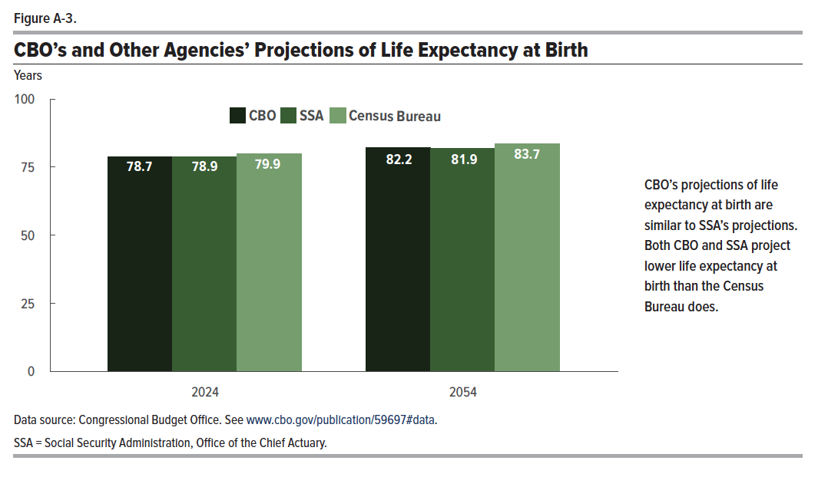
Figure A-3. CBO’s and Other Agencies’ Projections of Life Expectancy at Birth
Years

 | CBO | SSA | Census Bureau
2024 | 78.7 | 78.9 | 79.9
2054 | 82.2 | 81.9 | 83.7

Back to Table of Contents

Figure A-4
This file presents the data from the tables and figures in CBO’s January 2024 report The Demographic Outlook: 2024 to 2054.
www.cbo.gov/publication/59697

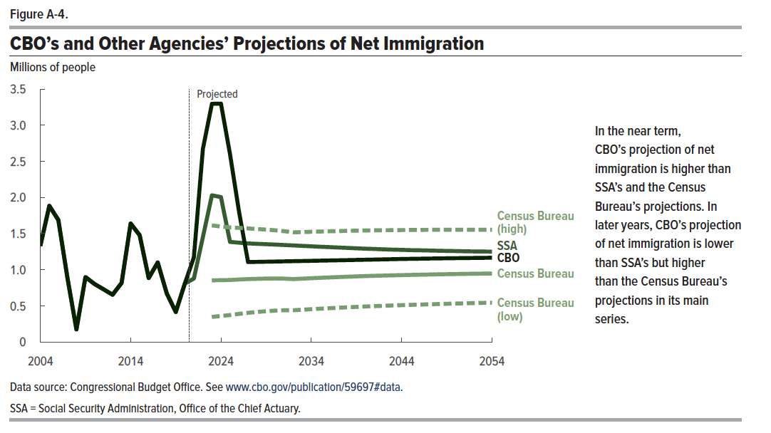
Figure A-4. CBO’s and Other Agencies’ Projections of Net Immigration
Millions of people

 | CBO | Census Bureau (low) | Census Bureau | Census Bureau (high) | SSA
2004 | 1.33 |  |  |  | 1.33
2005 | 1.88 |  |  |  | 1.88
2006 | 1.69 |  |  |  | 1.69
2007 | 0.89 |  |  |  | 0.89
2008 | 0.17 |  |  |  | 0.17
2009 | 0.90 |  |  |  | 0.90
2010 | 0.80 |  |  |  | 0.80
2011 | 0.73 |  |  |  | 0.73
2012 | 0.65 |  |  |  | 0.65
2013 | 0.82 |  |  |  | 0.82
2014 | 1.64 |  |  |  | 1.64
2015 | 1.48 |  |  |  | 1.48
2016 | 0.89 |  |  |  | 0.89
2017 | 1.10 |  |  |  | 1.10
2018 | 0.67 |  |  |  | 0.67
2019 | 0.42 |  |  |  | 0.42
2020 | 0.81 |  |  |  | 0.81
2021 | 1.17 |  |  |  | 0.88
2022 | 2.67 |  |  |  | 1.45
2023 | 3.30 | 0.35 | 0.85 | 1.61 | 2.03
2024 | 3.30 | 0.36 | 0.86 | 1.60 | 2.01
2025 | 2.60 | 0.37 | 0.86 | 1.59 | 1.39
2026 | 1.80 | 0.39 | 0.86 | 1.58 | 1.37
2027 | 1.11 | 0.40 | 0.87 | 1.57 | 1.36
2028 | 1.11 | 0.41 | 0.87 | 1.56 | 1.36
2029 | 1.11 | 0.43 | 0.88 | 1.56 | 1.35
2030 | 1.11 | 0.43 | 0.88 | 1.55 | 1.35
2031 | 1.12 | 0.44 | 0.88 | 1.53 | 1.34
2032 | 1.12 | 0.44 | 0.87 | 1.52 | 1.34
2033 | 1.12 | 0.45 | 0.88 | 1.52 | 1.33
2034 | 1.12 | 0.45 | 0.88 | 1.53 | 1.32
2035 | 1.13 | 0.46 | 0.89 | 1.53 | 1.32
2036 | 1.13 | 0.47 | 0.89 | 1.53 | 1.31
2037 | 1.13 | 0.47 | 0.90 | 1.54 | 1.31
2038 | 1.13 | 0.48 | 0.90 | 1.54 | 1.30
2039 | 1.14 | 0.49 | 0.91 | 1.54 | 1.30
2040 | 1.14 | 0.49 | 0.91 | 1.54 | 1.29
2041 | 1.14 | 0.50 | 0.92 | 1.54 | 1.29
2042 | 1.14 | 0.50 | 0.92 | 1.55 | 1.28
2043 | 1.15 | 0.50 | 0.92 | 1.55 | 1.28
2044 | 1.15 | 0.51 | 0.93 | 1.55 | 1.28
2045 | 1.15 | 0.51 | 0.93 | 1.55 | 1.27
2046 | 1.15 | 0.52 | 0.93 | 1.55 | 1.27
2047 | 1.15 | 0.52 | 0.93 | 1.55 | 1.27
2048 | 1.16 | 0.52 | 0.94 | 1.55 | 1.26
2049 | 1.16 | 0.53 | 0.94 | 1.55 | 1.26
2050 | 1.16 | 0.53 | 0.94 | 1.55 | 1.26
2051 | 1.16 | 0.53 | 0.94 | 1.55 | 1.26
2052 | 1.16 | 0.54 | 0.94 | 1.55 | 1.25
2053 | 1.16 | 0.54 | 0.95 | 1.55 | 1.25
2054 | 1.17 | 0.54 | 0.95 | 1.55 | 1.25

Back to Table of Contents

