C_PressAnalysis
Subject Number | Nodes Selected | Nodes Possible | Lag Selected | Lag Possible | Other Selected | Other Possible | Nodes Selected | Lag Selected | Other Selected | Lag and Other Combined | Total Selections |  | Actual Ratio | Node/Lag 1 Ratio | Lag/Other | Chance Ratio | Difference in Node and Other Percents | Accuracy |  |  |  |  | Response RAte
8 | 17 | 90 | 12 | 82 | 73 | 428 | 0.1889 | 0.1463 | 0.1706 | 0.1667 | 0.1700 | 0.9885 | 0.1667 | 1.2907 | 0.8580 | 0.1500 | 0.0222 | 0.8279 | Updated p-value Between Node and Other |  | P-value from original measures (Node and Lag+Other) |  | 0.17
9 | 2 | 83 | 1 | 78 | 13 | 439 | 0.0241 | 0.0128 | 0.0296 | 0.0271 | 0.0267 | 0.6292 | 0.1250 | 1.8795 | 0.4329 | 0.1383 | -0.0030 | 0.9064 | 0.0283 | Paired t-test | 0.0348 | Paired t-test | 0.026666666667 |  | Node | Other
10 | 11 | 89 | 18 | 83 | 59 | 428 | 0.1236 | 0.2169 | 0.1379 | 0.1507 | 0.1467 | 1.2231 | 0.1250 | 0.5699 | 1.5732 | 0.1483 | -0.0271 | 0.905 |  |  |  |  | 0.14666666667 |  | 17 | 10
11 | 0 | 91 | 13 | 85 | 24 | 424 | 0.0000 | 0.1529 | 0.0566 | 0.0727 | 0.0617 | 1.3049 | 0.0000 | 0.0000 | 2.7020 | 0.1517 | -0.0727 | 0.8243 | G-power: desired sample size of 50 with a power of 0.8 |  |  |  | 0.061666666667 | STD/sqrt(#) | 0.15955144345
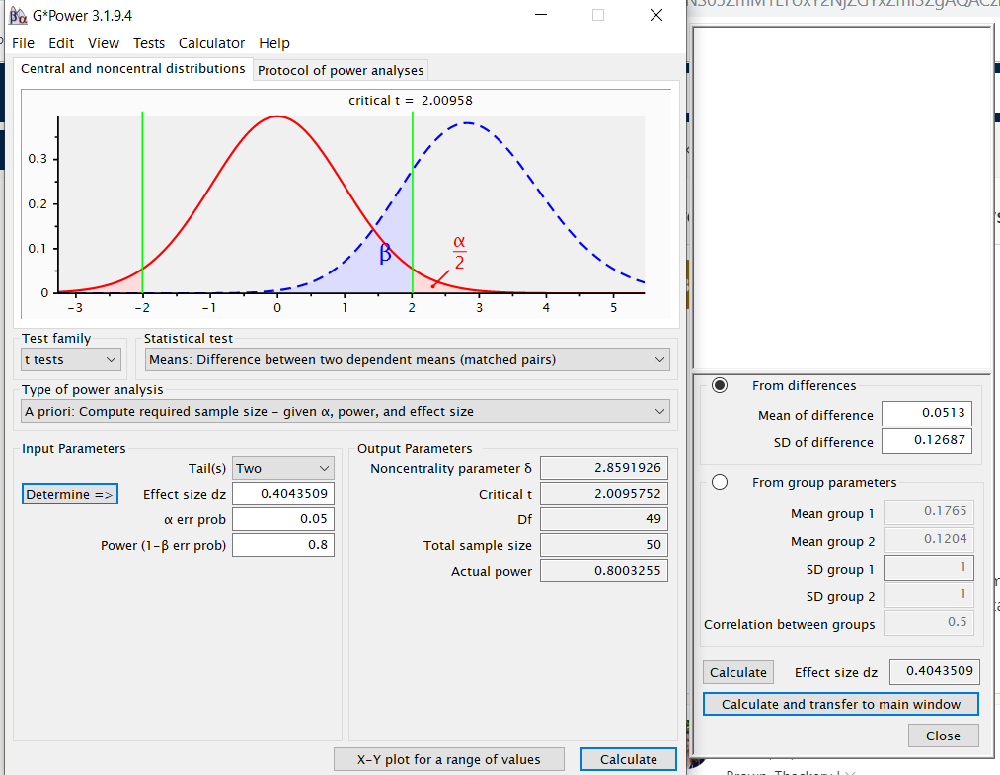
12 | 4 | 94 | 3 | 80 | 18 | 426 | 0.0426 | 0.0375 | 0.0423 | 0.0415 | 0.0417 | 0.9521 | 0.1600 | 1.1348 | 0.8875 | 0.1567 | 0.0011 | 0.8814 |  |  |  |  | 0.041666666667 | SEM | 0.02777434128 | 0.012
13 | 16 | 88 | 3 | 79 | 45 | 433 | 0.1818 | 0.0380 | 0.1039 | 0.0938 | 0.1067 | 1.0947 | 0.2500 | 4.7879 | 0.3654 | 0.1467 | 0.0881 | 0.7586 |  |  |  |  | 0.10666666667
14 | 13 | 87 | 7 | 80 | 63 | 433 | 0.1494 | 0.0875 | 0.1455 | 0.1365 | 0.1383 | 0.8231 | 0.1566 | 1.7077 | 0.6014 | 0.1450 | 0.0130 | 0.7657 |  |  |  |  | 0.13833333333
15 | 26 | 95 | 12 | 84 | 27 | 421 | 0.2737 | 0.1429 | 0.0641 | 0.0772 | 0.1083 | 3.3102 | 0.4000 | 1.9158 | 2.2275 | 0.1583 | 0.1965 | 0.8964 |  |  |  |  | 0.10833333333
16 | 42 | 88 | 20 | 79 | 9 | 433 | 0.4773 | 0.2532 | 0.0208 | 0.0566 | 0.1183 | 17.8616 | 0.5915 | 1.8852 | 12.1800 | 0.1467 | 0.4206 | 0.8693 |  |  |  |  | 0.11833333333
17 | 18 | 89 | 16 | 81 | 97 | 430 | 0.2022 | 0.1975 | 0.2256 | 0.2211 | 0.2183 | 0.8866 | 0.1374 | 1.0239 | 0.8757 | 0.1483 | -0.0189 | 0.9 |  |  |  |  | 0.21833333333
18 | 3 | 93 | 14 | 80 | 32 | 427 | 0.0323 | 0.1750 | 0.0749 | 0.0907 | 0.0817 | 1.3112 | 0.0612 | 0.1843 | 2.3352 | 0.1550 | -0.0585 | 0.8821 |  |  |  |  | 0.081666666667
19 | 2 | 85 | 2 | 77 | 21 | 438 | 0.0235 | 0.0260 | 0.0479 | 0.0447 | 0.0417 | 0.5150 | 0.0800 | 0.9059 | 0.5417 | 0.1417 | -0.0211 | 0.8414 |  |  |  |  | 0.041666666667
20 | 2 | 83 | 0 | 80 | 11 | 437 | 0.0241 | 0.0000 | 0.0252 | 0.0213 | 0.0217 | 0.4875 | 0.1538 |  | 0.0000 | 0.1383 | 0.0028 | 0.9557 |  |  |  |  | 0.021666666667
21 | 43 | 87 | 21 | 80 | 23 | 433 | 0.4943 | 0.2625 | 0.0531 | 0.0858 | 0.1450 | 7.2148 | 0.4943 | 1.8829 | 4.9418 | 0.1450 | 0.4085 | 0.8643 |  |  |  |  | 0.145
22 | 10 | 85 | 6 | 77 | 44 | 438 | 0.1176 | 0.0779 | 0.1005 | 0.0971 | 0.1000 | 0.9832 | 0.1667 | 1.5098 | 0.7757 | 0.1417 | 0.0206 | 0.8429 |  |  |  |  | 0.1
23 | 15 | 88 | 15 | 80 | 81 | 432 | 0.1705 | 0.1875 | 0.1875 | 0.1875 | 0.1850 | 0.9524 | 0.1351 | 0.9091 | 1.0000 | 0.1467 | -0.0170 | 0.6807 |  |  |  |  | 0.185
24 | 16 | 86 | 22 | 80 | 40 | 434 | 0.1860 | 0.2750 | 0.0922 | 0.1206 | 0.1300 | 2.4837 | 0.2051 | 0.6765 | 2.9838 | 0.1433 | 0.0654 | 0.775 |  |  |  |  | 0.13
25 | 13 | 80 | 13 | 76 | 94 | 444 | 0.1625 | 0.1711 | 0.2117 | 0.2058 | 0.2000 | 0.7872 | 0.1083 | 0.9500 | 0.8080 | 0.1333 | -0.0433 | 0.917 |  |  |  |  | 0.2
26 | 18 | 93 | 21 | 84 | 72 | 423 | 0.1935 | 0.2500 | 0.1702 | 0.1834 | 0.1850 | 1.2945 | 0.1622 | 0.7742 | 1.4688 | 0.1550 | 0.0101 | 0.8593 |  |  |  |  | 0.185
27 | 31 | 86 | 11 | 81 | 21 | 433 | 0.3605 | 0.1358 | 0.0485 | 0.0623 | 0.1050 | 5.1856 | 0.4921 | 2.6543 | 2.8001 | 0.1433 | 0.2982 | 0.8957 |  |  |  |  | 0.105
28 | 25 | 93 | 19 | 85 | 91 | 422 | 0.2688 | 0.2235 | 0.2156 | 0.2170 | 0.2250 | 1.1463 | 0.1852 | 1.2026 | 1.0366 | 0.1550 | 0.0519 | 0.8871 |  |  |  |  | 0.225
29 | 14 | 108 | 6 | 87 | 57 | 405 | 0.1296 | 0.0690 | 0.1407 | 0.1280 | 0.1283 | 0.7287 | 0.1818 | 1.8796 | 0.4900 | 0.1800 | 0.0016 | 0.9293 |  |  |  |  | 0.12833333333
30 | 21 | 86 | 17 | 79 | 104 | 435 | 0.2442 | 0.2152 | 0.2391 | 0.2354 | 0.2367 | 0.9633 | 0.1479 | 1.1347 | 0.9001 | 0.1433 | 0.0088 | 0.8693 |  |  |  |  | 0.23666666667
31 | 38.00 | 90 | 12.00 | 80.00 | 108.00 | 430.00 | 0.4222 | 0.1500 | 0.2512 | 0.2353 | 0.2633 | 1.1710 | 0.2405 | 2.8148 | 0.5972 | 0.1500 | 0.1869 | 0.8207 |  |  |  |  | 0.26333333333
32 | 15.00 | 92 | 37.00 | 85.00 | 91.00 | 423.00 | 0.1630 | 0.4353 | 0.2151 | 0.2520 | 0.2383 | 1.3656 | 0.1049 | 0.3746 | 2.0234 | 0.1533 | -0.0889 | 0.8700 |  |  |  |  | 0.23833333333
33 | 3.00 | 91 | 1.00 | 81.00 | 6.00 | 428.00 | 0.0330 | 0.0123 | 0.0140 | 0.0138 | 0.0167 | 1.6589 | 0.3000 | 2.6703 | 0.8807 | 0.1517 | 0.0192 | 0.8571 |  |  |  |  | 0.016666666667
34 | 1.00 | 92 | 0.00 | 80.00 | 5.00 | 428.00 | 0.0109 | 0.0000 | 0.0117 | 0.0098 | 0.0100 | 0.4977 | 0.1667 |  | 0.0000 | 0.1533 | 0.0010 | 0.8036 |  |  |  |  | 0.01
35 | 18.00 | 81 | 17.00 | 75.00 | 83.00 | 444.00 | 0.2222 | 0.2267 | 0.1869 | 0.1927 | 0.1967 | 1.2002 | 0.1525 | 0.9804 | 1.2125 | 0.1350 | 0.0295 | 0.6636 |  |  |  |  | 0.19666666667
36 | 11.00 | 93 | 11.00 | 87.00 | 49.00 | 420.00 | 0.1183 | 0.1264 | 0.1167 | 0.1183 | 0.1183 | 1.0476 | 0.1549 | 0.9355 | 1.0837 | 0.1550 | -0.0001 | 0.7071 |  |  |  |  | 0.11833333333
37 | 21.00 | 83 | 15.00 | 78.00 | 93.00 | 439.00 | 0.2530 | 0.1923 | 0.2118 | 0.2089 | 0.2150 | 1.0555 | 0.1628 | 1.3157 | 0.9078 | 0.1383 | 0.0441 | 0.7921 |  |  |  |  | 0.215
65 | 71 | 98 | 2 | 87 | 16 | 415 | 0.7245 | 0.0230 | 0.0386 | 0.0359 | 0.1483 | 10.2348 | 0.7978 | 31.5153 | 0.5963 | 0.1633 | 0.6886 | 0.1064 |  |  |  |  | 0.14833333333
68 | 11 | 93 | 37 | 86 | 85 | 421 | 0.1183 | 0.4302 | 0.2019 | 0.2406 | 0.2217 | 1.3282 | 0.0827 | 0.2749 | 2.1309 | 0.1550 | -0.1224 | 0.1936 |  |  |  |  | 0.22166666667
Average | 17.22 | 89.38 | 12.63 | 81.13 | 51.72 | 429.50 | 0.18 | 0.15 | 0.12 | 0.13 | 0.13 | 2.04 | 0.20 | 1.43 | 1.65 | 0.15 | 0.05 | 0.84 |  |  |  |  | 0.1359375
 |  |  |  |  |  |  | 17.645429812 |  |  | 12.513769709 |  |  |  |  |  |  | higher percent, higher preference for node shapes

 |  |  |  |  |  |  | node selected
 |  |  |  |  |  |  | other selected

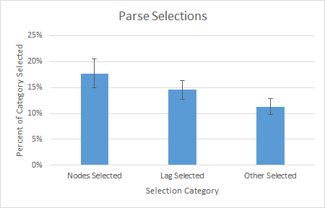
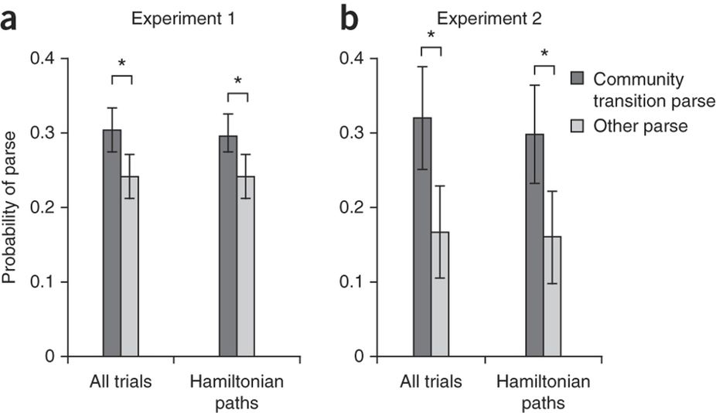

 |  |  |  |  |  |  | 0.054409303612
 |  |  |  |  |  |  | 0.050037136404

 | Selection Category
Lag Selected | Other Selected | Lag and Other Combined
0.14634146341 | 0.17056074766 | 0.16666666667
0.012820512821 | 0.029612756264 | 0.027079303675
0.21686746988 | 0.13785046729 | 0.15068493151
0.15294117647 | 0.056603773585 | 0.072691552063
0.0375 | 0.042253521127 | 0.041501976285
0.037974683544 | 0.103926097 | 0.09375
0.0875 | 0.1454965358 | 0.13645224172
0.14285714286 | 0.064133016627 | 0.077227722772
0.25316455696 | 0.0207852194 | 0.056640625
0.1975308642 | 0.22558139535 | 0.22113502935
0.175 | 0.074941451991 | 0.090729783037
0.025974025974 | 0.047945205479 | 0.044660194175
0 | 0.025171624714 | 0.021276595745
0.2625 | 0.05311778291 | 0.085769980507
0.077922077922 | 0.100456621 | 0.097087378641
0.1875 | 0.1875 | 0.1875
0.275 | 0.092165898618 | 0.12062256809
0.17105263158 | 0.21171171171 | 0.20576923077
0.25 | 0.17021276596 | 0.18343195266
0.13580246914 | 0.048498845266 | 0.062256809339
0.22352941176 | 0.21563981043 | 0.21696252465
0.068965517241 | 0.14074074074 | 0.12804878049
0.21518987342 | 0.23908045977 | 0.23540856031
0.15 | 0.2511627907 | 0.23529411765
0.43529411765 | 0.21513002364 | 0.25196850394
0.012345679012 | 0.014018691589 | 0.013752455796
0 | 0.011682242991 | 0.009842519685
0.22666666667 | 0.18693693694 | 0.19267822736
0.12643678161 | 0.11666666667 | 0.11834319527
0.19230769231 | 0.21184510251 | 0.20889748549
0.022988505747 | 0.038554216867 | 0.035856573705
0.43023255814 | 0.20190023753 | 0.24063116371
0.14989949381 | 0.12038096346 | 0.12513769709

PowerAnalysis
