17
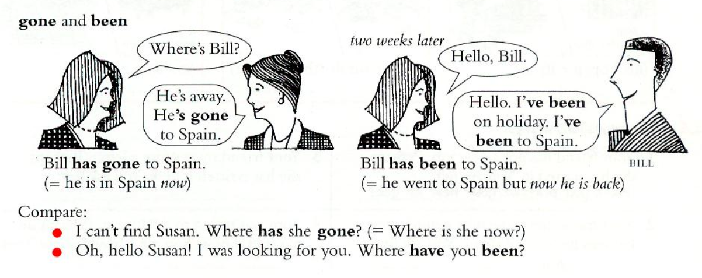
1 | have u ever been to australia
 | have u ever lost your passport
 | have u ever flown in a helicopter
 | have u ever eat chinese food
 | have u ever been new york
 | have u ever driven a bus
 | have u ever broken your leg

2 | helen has been to new york twice
 | helen has never been to australia
 | helen has eaten chinese foood a few times
 | helen has never driven a bus

 | I have never been to new york and im not going to go there
 | I have never played tennis. I will play someday
 | I have never flown in a helicopter. I think I'll never be able to do it
 | I have been late for work or school many times

3 | she has had many different jobs
 | she has done a lot of interesting things
 | she has traveled all over the world
 | she has been married 3 times
 | she has written ten books
 | she has met a lot of interesting peoples

4 | he's gone to spain
 | I think she's gone to the bank
 | where have u been. Have u been to the bank
 | have u ever been to mexico
 | they're gone out
 | have u been to it
 | she's been there 3 times
 | helen was here earlier but I think she's gone now

67
1 | I bought some perfume, a hat and some shoes
 | I bought a bunch of flowers, a pen and a newspaper
 | I bought some bread/a loaf of bread, some stamps and some envelopes
 | I bought some soap/a bar of soap, a comp and some toothpaste

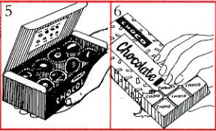
 |  | 5 | a chocolate | 1 hộp gồm nhiều viên chocolate tách rời
2 | would u like some cheese
 | would u like some coffee | 6 | some chocolate | 1 phần chocolate trong cả 1 cục to
 | would u like a biscuist |  | some cake | 1 phần bánh trong cả 1 cái bánh to
 | would u like a piece of bread
 | would u like a chocolate |  | a piece of chocolate | 1 phần chocolate trong cả 1 cục to
 | would u like some chocolate/a piece of chocolate

3 | I read a book and listened to some music
 | I need some money. I want to buy some food
 | we met some interesting people at the party
 | im going to open a window to get some fresh air
 | she didn’t eat much for lunch - only an apple and some bread
 | we live in a big house. There's a nc garden with some beautiful trees
 | im going to make a table. First I need some woood
 | listen to me carefully. Im going to give u some advice
 | I want to write a letter. I need some paper and a pen

4 | im going to buy some new shoes
 | martin has got brown eyes
 | paula has got short black hair
 | the tourist guide gave us some information about the town
 | we're going to buy some new chairs
 | we're going to buy some new furniture
 | it's difficult to get a job at the moment
 | we had lovely weather when we were on holiday

