gitlab server
Normally, when you finish your coding, you will commit and push your commits to a repository in the cloud.
But if you don't want that to happen, you just want to keep your commits within your company.
You don't want your commits to be pushed to a repository in the cloud.
You can use the git server.

you can create a git server using docker
Once you have created a git server, you can do anything that a normal gitlab account typically can do.
You can create new users, create new projects, and set up new branch rules.

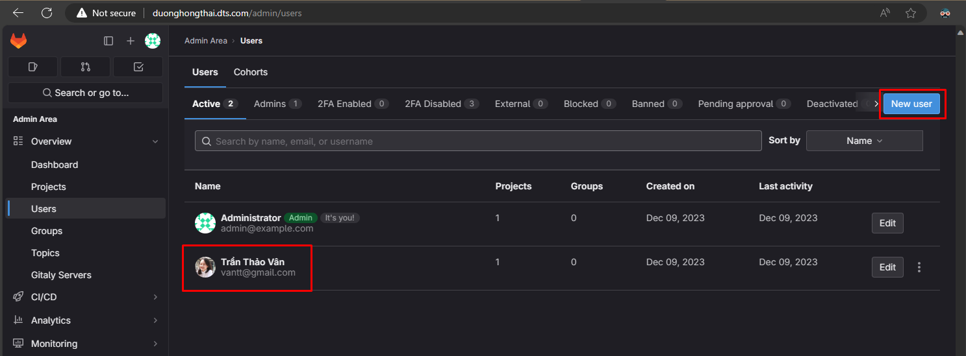

When a user clones a git repository,
a pop-up will appear asking you to fill out your username and password.
and when you have finished filling it out,
your information will be saved in the credential manager.

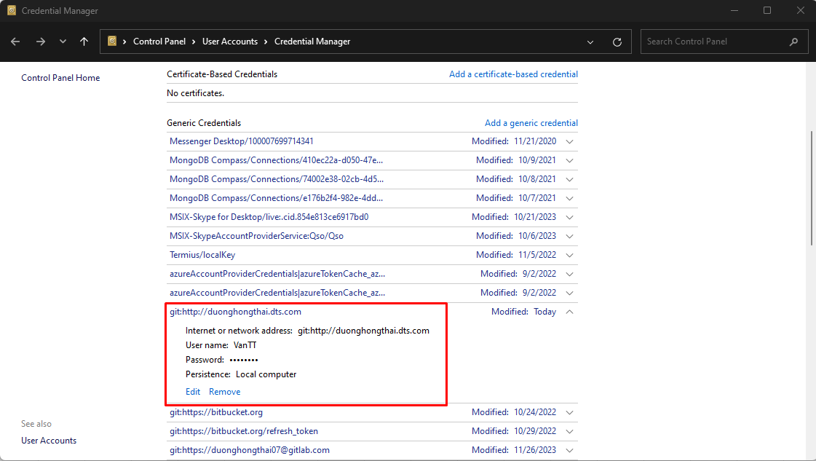

In the Docker compose file, I set a hostname. It is my name. I create a new domain to access this git server.

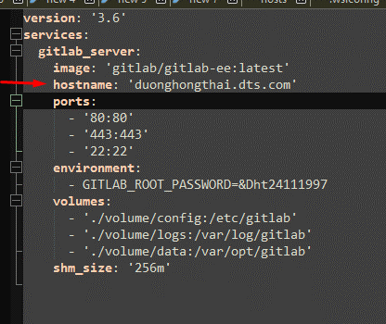

In order to access this server using this hostname, I have to create a DNS in the hosts file on Windows.

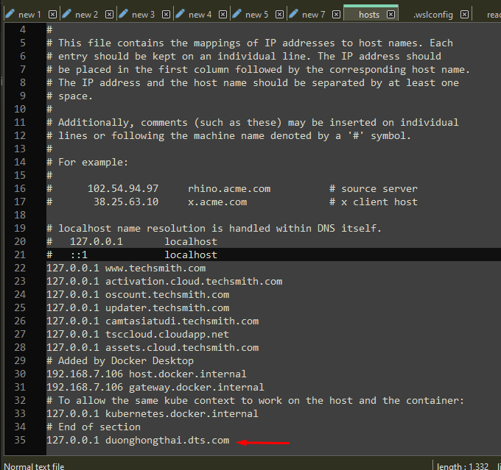

The default path of the hosts file on Windows is C:\Windows\System32\drivers\etc\hosts

gitlab runner register
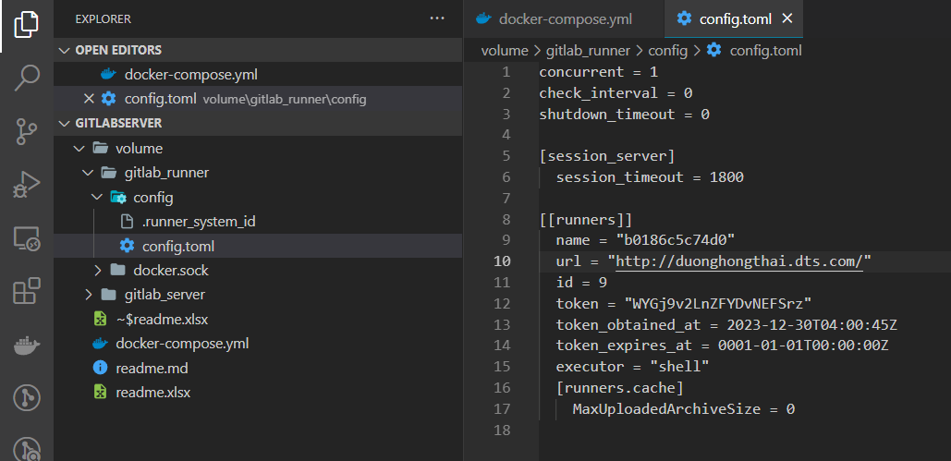
to set up a CI/CD pipeline on gitlab
u have to register a gitlab runner first

to create a gitlab runner, u can use docker compose and create a gitlab-runner container

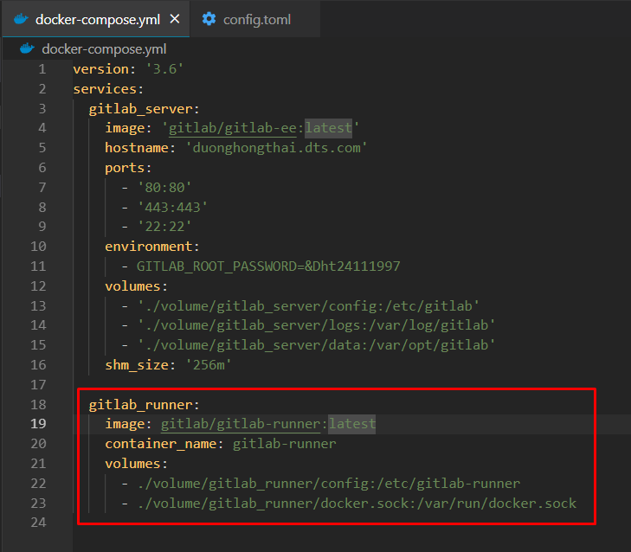

next, u have to register a runner according to the following steps.
 | execute commands in a running container
 |  | docker exec -it gitlab-runner bash
 | register a runner
 |  | gitlab-runner register
 | enter your gitlab server url

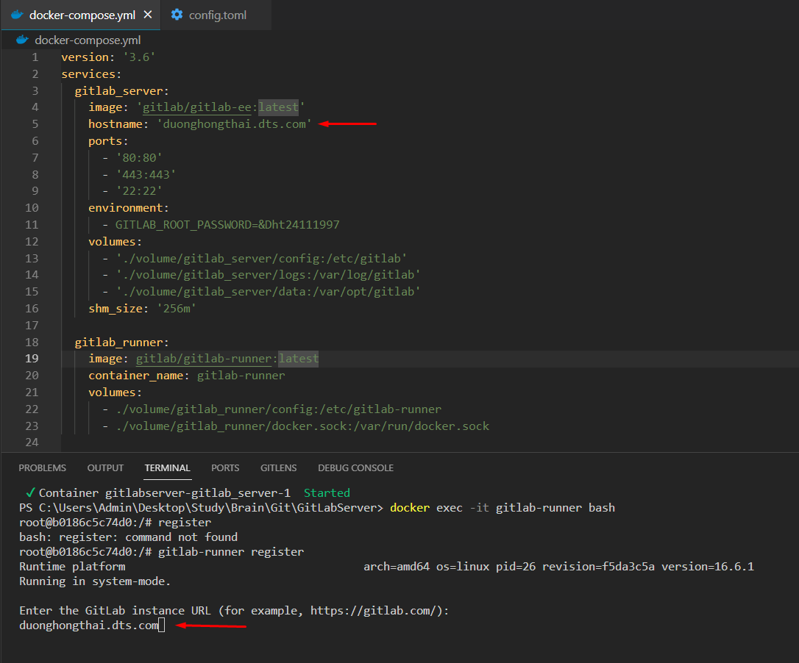

 |  | I was wrong
 |  | u have to also enter the scheme

 | next, u have to enter your registration token
 | to obtain your registration token, u can go to your gitlab server page
 | go next to the setting -> ci/cd and scroll down to the runners section
 |  | here u can see your registration token and copy it

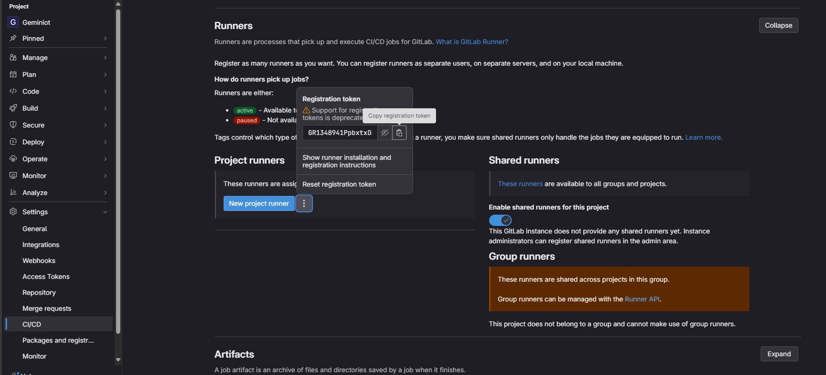

 |  | and paste your token

 | u can skip those 3 steps
 | It asks you to enter a description and tags and so on for your runner; those steps are optional.

 | Next, you have to enter an executor. I don't understand this step, but I entered "shell" and everything works.

Head to your GitLab server, and you can see your runner is registered.

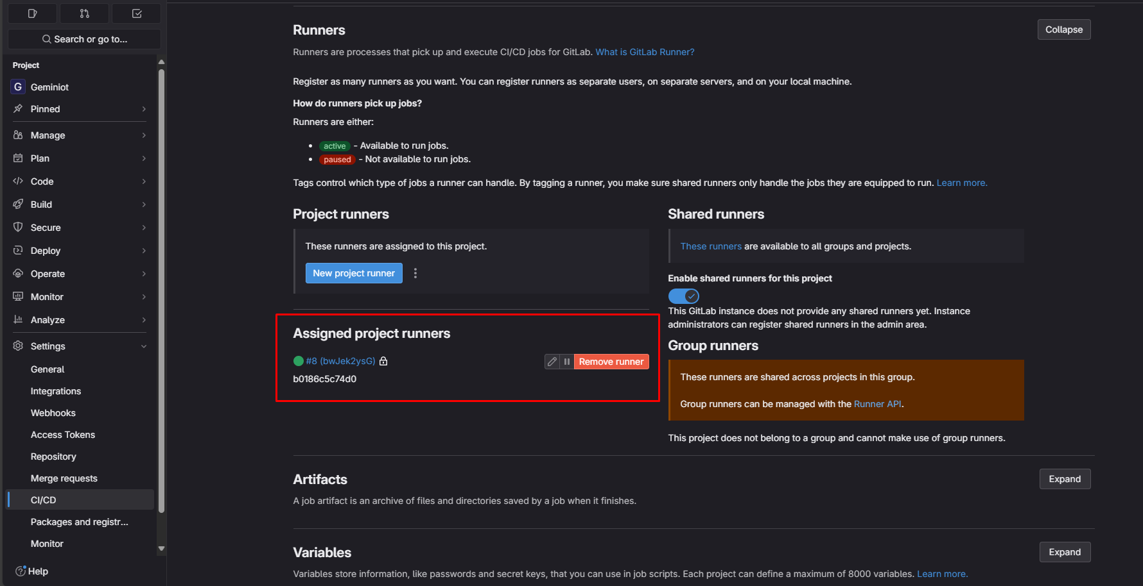

You can also check your registered runner in the config.toml file.

